Project Management Docs - RACI
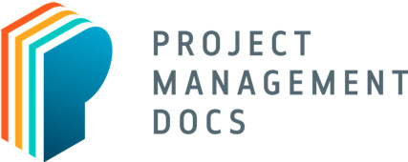
 | RACI Chart
 | <Project Name>

 | R: Responsible A: Accountable C: Consulted I: Informed | Project Sponsor | Chief Technology Officer | Governance Committee | Project Management Office (PMO) | Role #1 | Project Manager | Technical Lead | Functional Lead | Lead Developer | Project Team Member | Developer | Adminsistrative Support | Business Analyst | Role #2 | Role #3 | Consultant #1 | Consultant #2 | Consultant #3 | Consultant #4 | Consultant #5
 | Deliverable / Activity | Project Leadership |  |  |  |  | Project Team Members |  |  |  |  | Project Sub-Teams |  |  |  |  | External Resource
 | Project Initiation
 | Develop Business Case | I | C
 | Perform Feasibility Study | I
 | Create Project Charter | R

 | Project Planning
 | Create Project Management Plan
 | Create Project Schedule

 | Project Execution

 | Project Monitoring & Control
 | Perform Risk Management | I | C | I |  |  | A | C | I | C | R

 | Project Closure
 | Project Acceptance
 | Lessons Learned
 | Project Closure

 | Free Project Management Templates at https://www.projectmanagementdocs.com

