DrinkOrder
Item Test | DrinkOrder Testing
Test requirement | Ensure that all features listed below work properly without any errors when using the below browsers. - Edge in latest version - Google Chrome in latest version
Tester
Pass | Fail | NT | N/A | Number of Test cases
22 | 7 | 0 | 5 | 34
% | % | % | %

ID | Test Case Description | Pre-condition | Test Case Procedure | Expected Output | Result | Test date | Tester | Note
 | 1.1. User Account Register Testing (UC01)
[DrinkOrder Testing-1] | User Account Register UI Testing | Open OrderApp | 1. Select "ĐĂNG KÝ" button | 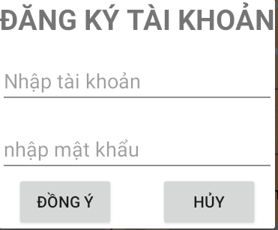 Pop up window likes this | Pass | 16-Jan-2023 | Nguyen Anh Vu
[DrinkOrder Testing-2] | User empty | [DrinkOrder Testing-1] | 1. User empty 2. Password: "asdfgh" 3. Click OK | Error message "username/password invalid" | Pass | 16-Jan-2023 | Nguyen Anh Vu
[DrinkOrder Testing-3] | Password empty | [DrinkOrder Testing-1] | 1. User: "admin" 2. Password: "" 3. Click OK | Error message "username/password invalid" | Pass | 16-Jan-2023 | Nguyen Anh Vu
[DrinkOrder Testing-4] | User & Password Incorrect | [DrinkOrder Testing-1] | 1. User: "tester" 2. Password: "Test123" 3. Click OK | Error message “Mật khẩu không hợp lệ, mật khẩu phải tối thiểu 8 kí tự, bao gồm chữ hoa, thường, số và kí tự đặc biệt” | Pass | 16-Jan-2023 | Nguyen Anh Vu
[DrinkOrder Testing-5] | Exits User & Password | [DrinkOrder Testing-1] | 1. User: "exits_user" 2. Password: "Test123" 3. Click OK | Error message “Tài khoản người dùng đã tồn tại” | Pass | 16-Jan-2023 | Nguyen Anh Vu
[DrinkOrder Testing-6] | User & Password Correct | [DrinkOrder Testing-1] | 1. User: "tester" 2. Password: "Test123$" 3. Click OK | Register successful. Change to Log in screen with user & password inputed. | Pass | 16-Jan-2023 | Nguyen Anh Vu | Have not Register successful Message

 | 1.2. User Log in Testing (UC02)
[DrinkOrder Testing-7] | User correct and Password correct | "tester" "Test123$" | 1. input data to User & Password 2. Click OK | Login successful message “Đăng nhập tài khoản thành công”. Screen change to Drink Menu List | Pass | 16-Jan-2023 | Nguyen Anh Vu
[DrinkOrder Testing-8] | User or Password Empty and Both empty | Account already exits | 1. User or Password empty and both empty 2. Click OK | Error message "username/password invalid" | Pass | 16-Jan-2023 | Nguyen Anh Vu
[DrinkOrder Testing-9] | User incorrect and Password incorrect | "not_exits" "Test1234$" | 1. input data to User & Password 2. Click OK | Error message "user account not exits" | Pass | 16-Jan-2023 | Nguyen Anh Vu
[DrinkOrder Testing-10] | User incorrect and Password correct | "not_exits" "Test123$" | 1. input data to User & Password 2. Click OK | Error message "user account not exits" | Pass | 16-Jan-2023 | Nguyen Anh Vu
[DrinkOrder Testing-11] | User correct and Password incorrect | "tester" "Test1234%" | 1. input data to User & Password 2. Click OK | Error message "username/password invalid" | Fail | 16-Jan-2023 | Nguyen Anh Vu | 1
[DrinkOrder Testing-12] | User correct and Password correct | "tester" "Test123$" | 1. input data to User & Password 2. Press Enter key | Login successful message “Đăng nhập tài khoản thành công”. Screen change | Pass | 16-Jan-2023 | Nguyen Anh Vu

 | 1.3. User Log out Testing (UC03)
[DrinkOrder Testing-13] | User Log out | [DrinkOrder Testing-6] | 1. From loged in screen, click 3 dots on the top left 2. Choose Log out from the drop down menu | Log out successful message “Đăng xuất thành công”. Screen change to Login screen | Pass | 16-Jan-2023 | Nguyen Anh Vu

 | 1.4. User password forgotten (UC04)
[DrinkOrder Testing-14] | Forgotten password | Account already exits | 1. Open app, click on "Password Forgotten" link | Password recovery pop up screen appears | Pass | 16-Jan-2023 | Nguyen Anh Vu
[DrinkOrder Testing-15] | Reset password with wrong phone number | [DrinkOrder Testing-15] | 1. Choose Phone 2. Input phone number with character 3. Click on OK | Error message "Số điện thoại không hợp lệ" | Pass | 16-Jan-2023 | Nguyen Anh Vu
[DrinkOrder Testing-16] | Reset password with wrong email | [DrinkOrder Testing-15] | 1. Choose Email 2. Input email without @ 3. Click on OK | Error message "Email không hợp lệ" | Fail | 16-Jan-2023 | Nguyen Anh Vu | 2
[DrinkOrder Testing-17] | Reset password with valid phone number | [DrinkOrder Testing-15] | 1. Choose Phone 2. Input phone number 3. Click on OK | Message "Mật khẩu mới sẽ được gửi về số điện thoại..." | Fail | 16-Jan-2023 | Nguyen Anh Vu | 3
[DrinkOrder Testing-18] | Reset password with valid email | [DrinkOrder Testing-15] | 1. Choose Email 2. Input email 3. Click on OK | Message "Mật khẩu mới sẽ được gửi về địa chỉ email ..." | Fail | 16-Jan-2023 | Nguyen Anh Vu | 4

 | 1.5. User change password (UC05)
[DrinkOrder Testing-19] | Change password | [DrinkOrder Testing-6] | 1. From Drink Menu screen, click 3 dots on the top left 2. Choose Change Password from the drop down menu | Change Password pop up screen appears | Pass | 16-Jan-2023 | Nguyen Anh Vu
[DrinkOrder Testing-20] | Change password successful | [DrinkOrder Testing-20] | 1. Input valid old and new password 2. Click on OK button | 1. Message "Đổi mật khẩu thành công" 2. Screen change to log in screen | Fail | 16-Jan-2023 | Nguyen Anh Vu | 5
[DrinkOrder Testing-21] | Change password with invalid input | [DrinkOrder Testing-20] | 1. Input wrong old and valid new password 2. Click on OK button | 1. Error Message "Sai mật khẩu” | Pass | 16-Jan-2023 | Nguyen Anh Vu
[DrinkOrder Testing-22] | Change password with invalid new password | [DrinkOrder Testing-20] | 1. Input valid old and invalid new password 2. Click on OK button | 1. Error message “Mật khẩu không hợp lệ, mật khẩu phải tối thiểu 8 kí tự, bao gồm chữ hoa, thường, số và kí tự đặc biệt” | Pass | 16-Jan-2023 | Nguyen Anh Vu
[DrinkOrder Testing-23] | Change password with new password not confirm | [DrinkOrder Testing-20] | 1. Input valid old password 2. Input valid new password into New password 3. Input another new valid pass into confirm filed 4. Click on OK button | 1. Error message “Mật khẩu mới không khớp” | Pass | 16-Jan-2023 | Nguyen Anh Vu
[DrinkOrder Testing-24] | Cancel Change password | [DrinkOrder Testing-20] | 1. Click on Cancel button | 1. Back to previous screen | Pass | 16-Jan-2023 | Nguyen Anh Vu

 | 1.6. User Select, Add drink to Cart (UC06)
[DrinkOrder Testing-25] | Select drink from menu | [DrinkOrder Testing-6] | 1. From Drink Menu screen, click on any drink | Drink Order Details screen appears Info on Details: pictures, descriptions, price, size, in stock or out of stock status, optional such as hot, ice, topping, extra…. Number option, Subtotal depends on number, additional options Default number is 1 at starting User adds to cart button | Fail | 16-Jan-2023 | Nguyen Anh Vu | 6
[DrinkOrder Testing-26] | Setting quantity of the order | [DrinkOrder Testing-26] | 1. From Drink Order Details screen, click on + - button for setting number | 1. Quantity increase or decrease 2. The subtotal = quantity x (price + optional) | Pass | 16-Jan-2023 | Nguyen Anh Vu
[DrinkOrder Testing-27] | Adding to Cart | [DrinkOrder Testing-26] | 1. From Drink Order Details screen, click on "Add to Cart" button for adding drink to the cart. | Message “Đồ uống đã được thêm vào giỏ” | N/A | 16-Jan-2023 | Nguyen Anh Vu | under construction

 | 1.7. Watching and Changing Cart (UC07)
[DrinkOrder Testing-28] | Watching or changing Cart | [DrinkOrder Testing-28] | 1. Click on Cart icon from any screen | Cart Details screen appears Info on Details: 1. List of ordered drinks with quantity, subtotal 2. User can change quantity of each drink (0 = cancel) 3. User can choose next for payment process or back previous screen | N/A | 16-Jan-2023 | Nguyen Anh Vu | under construction

 | 1.8. Payment Process (UC08)
[DrinkOrder Testing-29] | Payment Screen | [DrinkOrder Testing-29] | 1. Click on Proceed to Checkout | 1. Checkout pop up screen appears 2. User inputs table's number and select "Next" 3. Details appear: List of ordered drinks with quantity, subtotal, table's number...; User can choose Place order or Cancel 4. User choose Place order then pop up screen for payment process appears. 5. Select Payment method: Cash or VinID 6. Confirm payment info then select OK 7. Message for successful "Đồ uống được đặt thành công" or failure “Đồ uống không được đặt” | N/A | 16-Jan-2023 | Nguyen Anh Vu | under construction

 | 1.9. Drink list management (UC08)
[DrinkOrder Testing-30] | Admin manages drink list - Add | Login with admin account | 1. Click on Add icon from drink list screen | 1. Adding pop up screen appears 2. Admin inputs picture, descriptions, price, size, name of topping,... 3. Select Add or Cancel 4. Message for adding successful "Đồ uống được thêm thành công" | N/A | 16-Jan-2023 | Nguyen Anh Vu | under construction
[DrinkOrder Testing-31] | Admin manages drink list - Delete | Login with admin account | 1. Click and Hold on the drink which want to delete | 1. Delete pop up screen appears with confirmed message "Bạn có chắc chắn muốn xóa” 2. Select Delete or Cancel 4. Message for deleting successful “Đồ uống đã được xóa thành công” | N/A | 16-Jan-2023 | Nguyen Anh Vu | under construction
 | 2. UI Testing (UC08)
[DrinkOrder Testing-32] | Verify on Mobile device 540x960 (dpi 240) | Login with admin account | Using app and observe screen | 1. Check all text spelling, font, color, position… | Pass | 16-Jan-2023 | Nguyen Anh Vu
[DrinkOrder Testing-33] | Verify on Mobile device 540x960 (dpi 240) Landscaping mode | Login with admin account | Using app and observe screen | 1. Check all text spelling, font, color, position… | Fail | 16-Jan-2023 | Nguyen Anh Vu | 7
[DrinkOrder Testing-34] | Verify on Tablet device 1600x900 (dpi 240) | Login with admin account | Using app and observe screen | 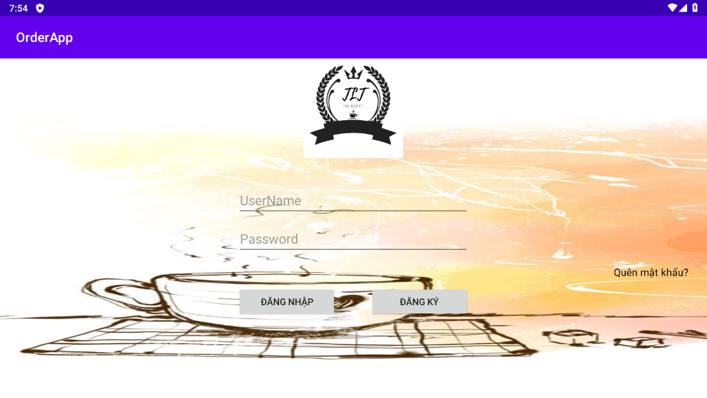 1. Check all text spelling, font, color, position… | Pass | 16-Jan-2023 | Nguyen Anh Vu | under construction

