Test API
Item Test | RecruitWebAPI Testing
Test requirement | Ensure that all features listed below work properly without any errors when using the below browsers. - Edge in latest version - Google Chrome in latest version
Tester
Pass | Fail | NT | N/A | Number of Test cases
27 | 41 | 7 | 9 | 84
% | % | % | %

ID | Test Case Description | Pre-condition | Test Case Procedure | Expected Output | Result | Test date | Tester | Note
 | 1. Register
[RecruitWebAPI Testing-1] | Verify that response when empty [name] | URL of Job recruit web for testing API by Postman | 1. Create new request - Method - Input url, endpoint 2. Select Body - Form-data - Input Key:Value 3. Select Test - Test Script: pm.test("Đăng kí thông tin và tài khoản thành công", function () { pm.response.to.have.status(201); }); pm.test("Đã xảy ra lỗi khi đăng ký", function () { pm.response.to.have.status(500); }); 4. Click Send | 1. Register unccessful 2. Error message "Đã xảy ra lỗi khi đăng ký" | Pass |  |  | 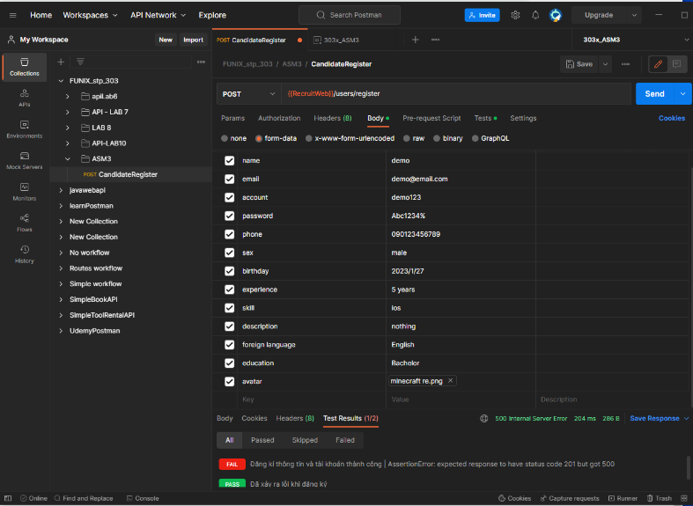
 | Verify that empty [email] |  |  |  | N/A
 |  |  |  |  | N/A
 |  |  |  |  | N/A
 |  |  |  |  | Pass
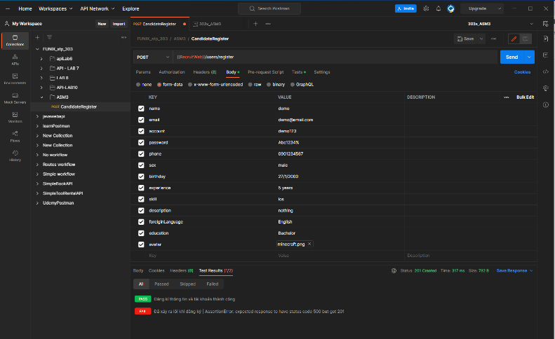
 |  |  |  |  | Pass
 |  |  |  |  | Pass
 |  |  |  |  | Fail
 |  |  |  |  | N/A
 |  |  |  |  | Pass
 |  |  |  |  | Fail
 |  |  |  |  | N/A
 |  |  |  |  | Pass
 |  |  |  |  | Pass
 |  |  |  |  | Fail
 |  |  |  |  | N/A
 |  |  |  |  | Pass
 | 2. Login
[RecruitWebAPI Testing-2] | Verify that response when [username] empty ; [password] empty |  | 1. Create new POST request - Method -Input url, endpoint 2. Select Body - Raw JSON - Input Key:Value 3. Select Test - Test Script: const jsonData = pm.response.json(); reqBody = JSON.parse(pm.request.body.raw); if (pm.response.code === 200){ token = jsonData.token; pm.environment.set("RecruitWebToken", token); pm.test("Đăng nhập thành công", function () { pm.expect(jsonData.account).to.eql(reqBody.account); pm.expect(JSON.stringify(jsonData)).to.include("message"); }); } pm.test("Tài khoản người dùng không tồn tại", () => { pm.response.to.have.status(404); pm.expect(JSON.stringify(jsonData)).to.include("message"); }); msg = "Tài khoản hoặc mật khẩu không đúng"; if (pm.response.code === 400){ pm.test(msg, function () { pm.expect(jsonData.message).to.eql(msg); }); } pm.test("Đăng nhập thất bại", function () { pm.response.to.have.status(400); pm.expect(JSON.stringify(jsonData)).to.include("message"); }); 4. Click Send | 400 "message": "Tài khoản hoặc mật khẩu không đúng" | Pass |  |  | 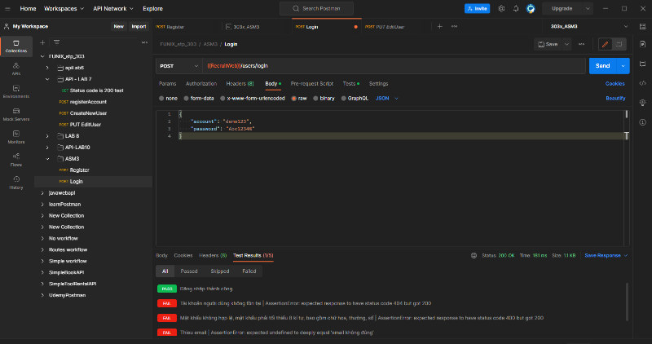
[RecruitWebAPI Testing-3] | Verify that response when [username] empty ; [password] wrong | 3 |  | 400 "message": "Tài khoản hoặc mật khẩu không đúng" | Fail
 | Verify that response when [username] empty ; [password] incorrect | 3 |  |  | Fail
 | Verify that response when [username] empty ; [password] correct |  |  |  | Fail
[RecruitWebAPI Testing-4] | Verify that response when [username] wrong ; [password] empty |  |  | Screen change to Employer Login Page | Pass
 | Verify that response when [username] wrong ; [password] wrong |  |  |  | Fail
 | Verify that response when [username] wrong ; [password] incorrect |  |  |  | Fail
 | Verify that response when [username] wrong ; [password] correct |  |  |  | Fail
[RecruitWebAPI Testing-5] | Verify that response when [username] incorrect ; [password] empty |  |  | Screen change to Administrator Login Page | Pass
 | Verify that response when [username] incorrect ; [password] wrong |  |  |  | Fail
 | Verify that response when [username] incorrect ; [password] incorrect |  |  |  | Fail
 | Verify that response when [username] incorrect ; [password] correct |  |  |  | Fail
 | Verify that response when [username] correct ; [password] empty |  |  |  | Fail
 | Verify that response when [username] correct ; [password] wrong |  |  |  | Fail
 | Verify that response when [username] correct ; [password] incorrect |  |  |  | Fail
 | Verify that response when [username] correct ; [password] correct |  |  |  | Fail
 |  |  |  |  | Pass
 | 3. Get Job List
 | Verify that Get Job List | Login successful as Candidate | 1. Create new GET request - Method -Input url, endpoint 2. Select Test - Test Script: pm.test("Thành công, trả về danh sách công việc", function () { pm.response.to.have.status(200); }); pm.test("Có lỗi khi lấy danh sách", function () { pm.response.to.have.status(500); }); 3. Click Send |  | Pass
 |  |  |  |  | Fail
 |  |  |  |  | Fail
 |  |  |  |  | Fail
 |  |  |  |  | Pass
 | 4. Get information of current user
 | Successful |  | 1. Create new GET request - Method -Input url, endpoint 2. Select Header - JWTToken - input RecruitWebToken 3.Select Test - Test Script: pm.test("Thành công, trả về thông tin người dùng", function () { pm.response.to.have.status(200); }); pm.test("Có lỗi trong quá trình lấy dữ liệu", function () { pm.response.to.have.status(500); }); pm.test("Chưa đăng nhập", function () { pm.response.to.have.status(403); }); 4. Click Send |  | Pass
 | Unsuccessful - Not login yet - no token input |  |  |  | Fail
 | Unsuccessful - Return data failure |  |  |  | Fail
 |  |  |  |  | Fail
 |  |  |  |  | Pass
 |  |  |  |  | Fail
 |  |  |  |  | N/A
 | 5. Get Candidate List
 | Successful | Login successful as Employer Recruit info already exits |  |  | Pass
 | Unsuccessful - Not login yet - no token input |  |  |  | Fail
 | Unsuccessful - Return data failure |  |  |  | Fail
 |  |  |  |  | Fail
 |  |  |  |  | Pass
 |  |  |  |  | Fail
 |  |  |  |  | Fail
 |  |  |  |  | Pass
 |  |  |  |  | Fail
 |  |  |  |  | Fail
 | 6. Ung Tuyen
 | Successful |  |  |  | Pass
 | Unsuccessful - Not login yet - no token input |  |  |  | Fail
 | Unsuccessful - Return data failure |  |  |  | Fail
 | 1.8. Applying job UC08
[RecruitWebAPI Testing-6] | Verify that view of Job Seeking | Login successful as Candidate | Click on Job Seeking | 1. Job Seeking screen appears 2. List of job appears | Pass
[RecruitWebAPI Testing-7] | Verify that 1 view of candidate Information |  | Select any candidate in list | Candidate's information screen appears The candidate has applied job | Fail
 | Verify the view of job's list order by: Employer's name, Biz area, Period time, Position | 4 cases |  |  | Fail
 | Verify that view of a job |  | More 3 optionals Share, Apply Now, Job Details appear |  | Pass
 | Verify the Share optional |  | Click on Share button |  | Fail
 | Verify the Apply Now optional - Successful |  | Click on Apply Now button |  | Fail
 | Verify the Apply Now optional - Failure |  | Click on Apply Now button |  | Fail
 | Verify the Job Details optional |  | Click on Job Details button |  | Pass
 | Select Apply in Job Details - Successful |  |  |  | Fail
 | Select Apply in Job Details - Failure |  |  |  | N/A
 |  |  |  |  | Pass
 | 1.9. Edit Candidate's profile UC09
[RecruitWebAPI Testing-8] | Verify that view of Candidate's Information | Login successful as Candidate | Click on Profile at top right of screen | 1. Candidate Profile screen appears 2. Optional Edit appears | Pass
[RecruitWebAPI Testing-10] | Verify that Edit Profile |  | Click on Edit button | Edit profile screen appears with current information | Untested
[RecruitWebAPI Testing-12] | Verify that Edit - Successful |  |  | 1. Edit successful message "" 2. Back to Candidate's Information screen with new information updated | Untested
[RecruitWebAPI Testing-12] | Verify that Edit - Empty madatory fields |  |  | 1. Edit successful message "" 2. Back to Candidate's Information screen with new information updated | Untested
[RecruitWebAPI Testing-38] | Verify that Edit - Failure |  |  | 1. Edit failure message "" 2. Back to Candidate's Information screen with previous information | Fail
 |  |  |  |  | N/A
 | 1.10. Post Candidate's job seeking UC10
[RecruitWebAPI Testing-13] | Verify that view of Candidate's Information | Login successful as Candidate | Click on Post at top right of screen | 1. Candidate Profile screen appears 2. Optional Edit appears | Pass
[RecruitWebAPI Testing-15] | Verify that Post job seeking |  | Click on Edit button | Edit profile screen appears with current information | Untested
[RecruitWebAPI Testing-16] | Verify that Edit - Successful |  |  | 1. Edit successful message "" 2. Back to Candidate's Information screen with new information updated | Untested
[RecruitWebAPI Testing-39] | Verify that Edit - Empty madatory fields |  |  | 1. Edit failure message "" 2. Back to Candidate's Information screen with previous information | Fail
[RecruitWebAPI Testing-39] | Verify that Edit - Failure |  |  | 1. Edit failure message "" 2. Back to Candidate's Information screen with previous information | Fail
 | Verify that Edit - Delete post in Personal information page |  |  |  | Pass
 |  |  |  |  | Untested
 |  |  |  |  | Untested

