LA, CA
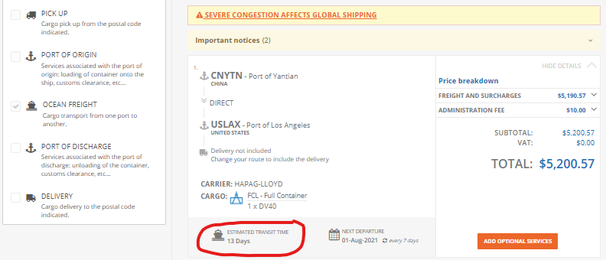

CARRIER: HAPAG-LLOYD, 13 DAYS
SHENZEN to LA: | Cost/cont ($) | Number of cont | Total cost
 | $5,200.57 | 600 | $3,120,342.00

RAIL: AMTRAK
LA to CHICAGO: | Distance (miles) | Cost/mile/lb | lb/40' dry container | cost/40' cont | Total cost for 600 cont
 | 1742 | $0.001000 | 57000 | $99,294.00 | $59,576,400.00

TOTAL COST FROM SHENZEN TO CHICAGO: |  |  | $62,696,742.00

REFERENCES:
For Vessels | https://www.icontainers.com/quotes/FCL/USSEA/PORT/US/CNYTN/PORT/CN/?dv20=0&dv40=1&hc40=0

For Rail

Charleston, SC
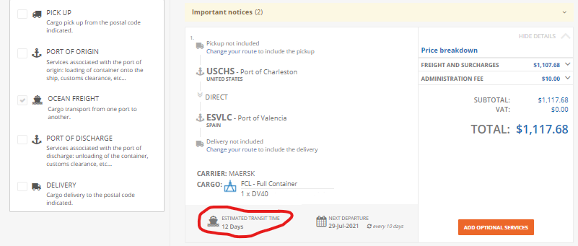

RAIL: AMTRAK
CHICAGO to Charlestone: | Distance (miles) | Cost/mile/lb | lb/40' dry container | cost/40' cont | Total cost for 600 cont
 | 1733 | $0.001000 | 57000 | $98,781.00 | $59,268,600.00

CARRIER: MAERSK, 12 DAYS
Charlestone to Valencia: | Cost/cont ($) | Number of cont | Total cost
 | $1,117.68 | 600 | $670,608.00

TOTAL COST FROM CHICAGO TO VALENCIA: |  | $59,939,208.00

TOTAL COST FOR LOGITICS AND TRANSPORTATION FOR THE WHOLE PROJECT: |  |  |  | $122,635,950.00

REFERENCES:
For Vessels | https://www.icontainers.com/quotes/FCL/USSEA/PORT/US/CNYTN/PORT/CN/?dv20=0&dv40=1&hc40=0

For Rail

Seattle
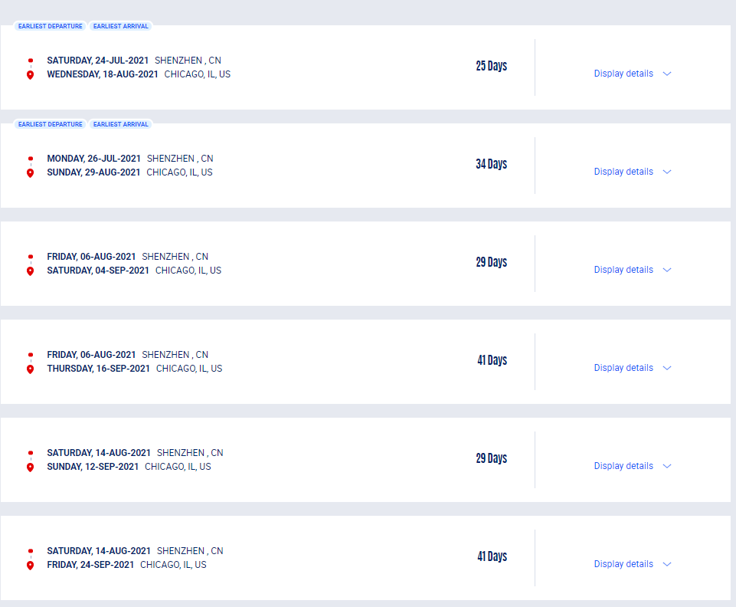
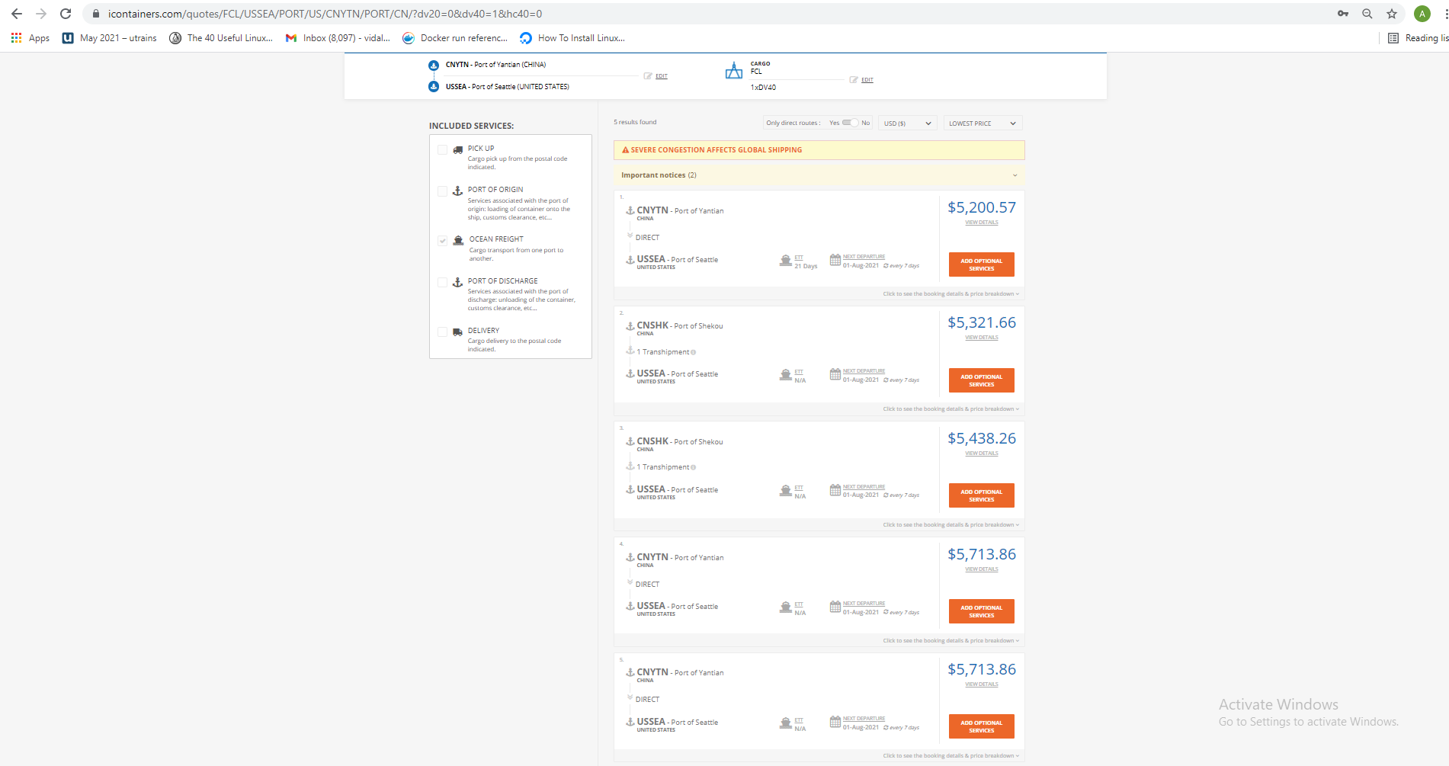

OPTION 1
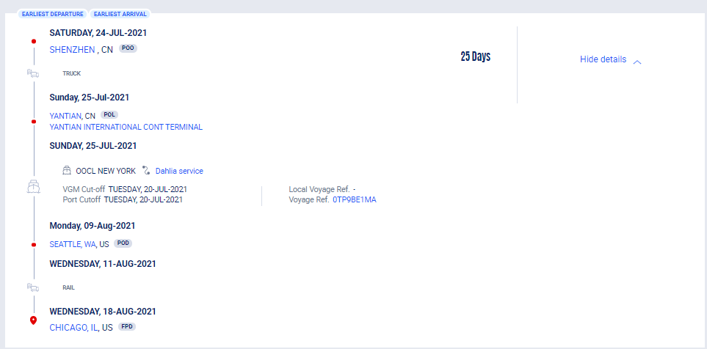

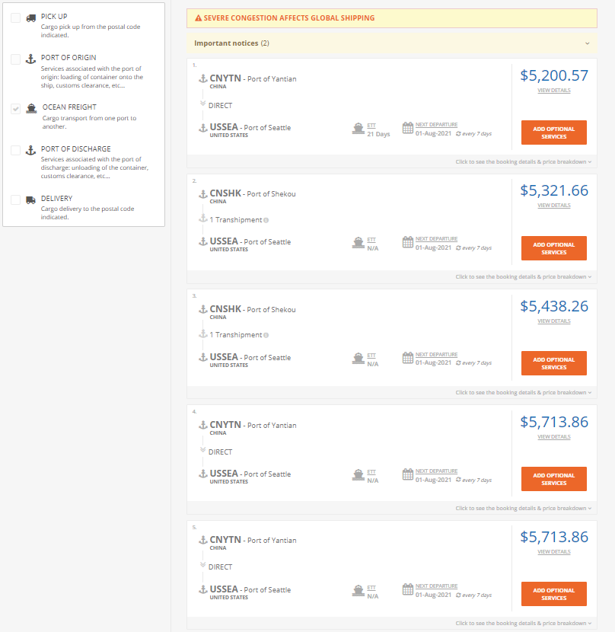

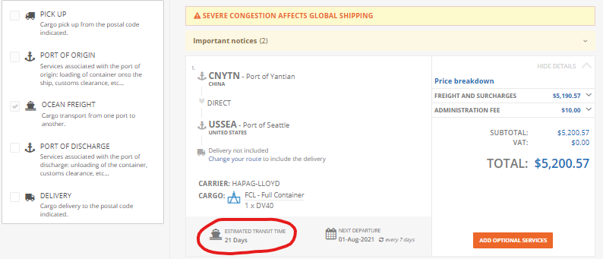

https://www.icontainers.com/quotes/FCL/USSEA/PORT/US/CNYTN/PORT/CN/?dv20=0&dv40=1&hc40=0

VESSEL: HAPAG-LLOYD, 21 DAYS
SHENZEN to Seattle: | Cost/cont ($) | Number of cont | Total cost
 | $5,200.57 | 600 | $3,120,342.00

RAIL: AMTRAK
Seattle to CHICAGO: | Distance (miles) | Cost/mile/lb | lb/40' dry container | cost/40' cont | Total cost for 600 cont
 | 1733

NY
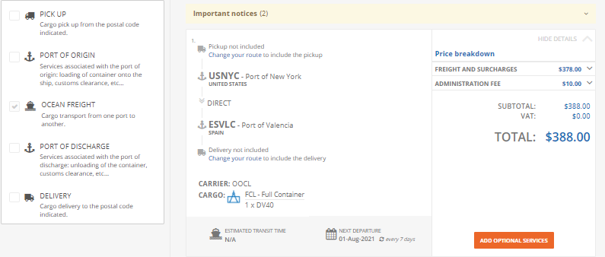

RAIL: AMTRAK
CHICAGO to New York: | Distance (miles) | Cost/mile/lb | lb/40' dry container | cost/40' cont | Total cost for 600 cont
 | 1733

VESSEL: HAPAG-LLOYD, 21 DAYS
New York to Valencia: | Cost/cont ($) | Number of cont | Total cost
 | $388.00 | 600 | $232,800.00

Savannah
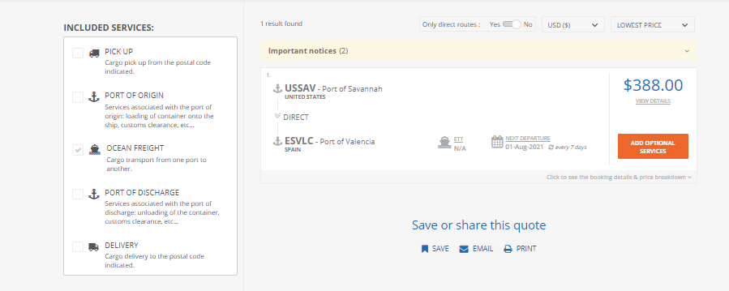

RAIL: AMTRAK
CHICAGO to Savannah: | Distance (miles) | Cost/mile/lb | lb/40' dry container | cost/40' cont | Total cost for 600 cont
 | 1733

VESSEL: HAPAG-LLOYD, 21 DAYS
Savannah to Valencia: | Cost/cont ($) | Number of cont | Total cost
 | $388.00 | 600 | $232,800.00

LA, CA (2)
OPTION 2
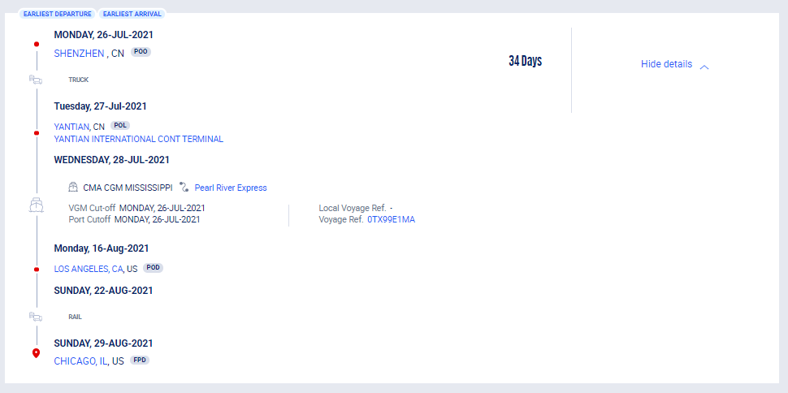

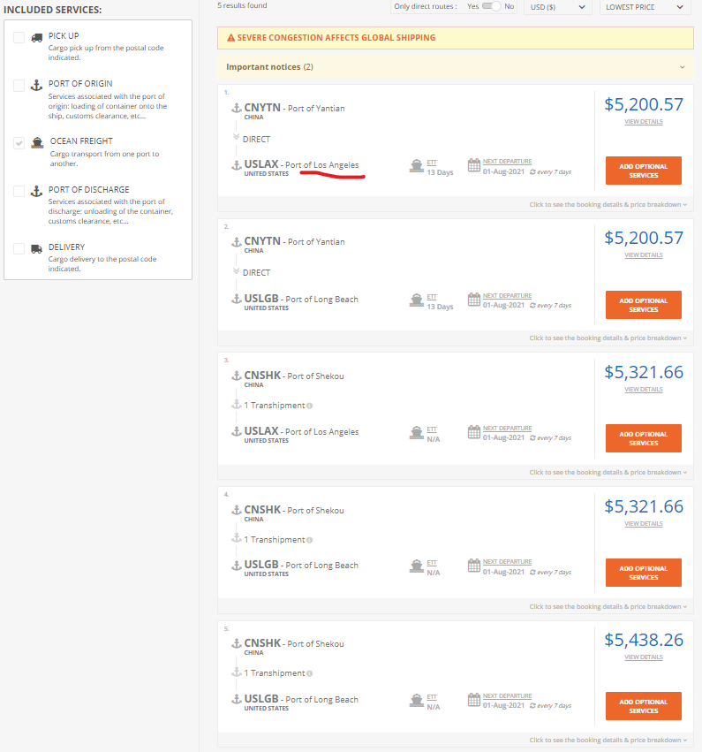

https://www.icontainers.com/quotes/FCL/USSEA/PORT/US/CNYTN/PORT/CN/?dv20=0&dv40=1&hc40=0

CARRIER: HAPAG-LLOYD, 13 DAYS
SHENZEN to LA: | Cost/cont ($) | Number of cont | Total cost
 | $5,200.57 | 600 | $3,120,342.00

RAIL: AMTRAK
LA to CHICAGO: | Distance (miles) | Cost/mile/lb | lb/40' dry container | cost/40' cont | Total cost for 600 cont
 | 1742

TOTAL COST FROM SHENZEN TO CHICAGO: |  |  | $3,120,342.00

