Sheet2
Test Case ID | Description | Preconditions | Test Steps | Expected Behavior | Pass Criteria | Regression Rationale | Output
TC001 | Welcome Message | Program is running and Displaying Message | Display Message | The program should Display Message and proceed to the next step. | The program successfully Display Message | This test ensures that the program correctly display Message, which is essential for user authentication. | 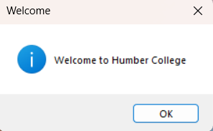
TC002 | Valid Password Entry | Program is running and ready to accept password input. | 1. Enter a valid password meeting all criteria. 2. Press Enter. | The program should accept the password and proceed to the next step. | The program successfully accepts the valid password. | This test ensures that the program correctly handles valid password input, which is essential for user authentication. | 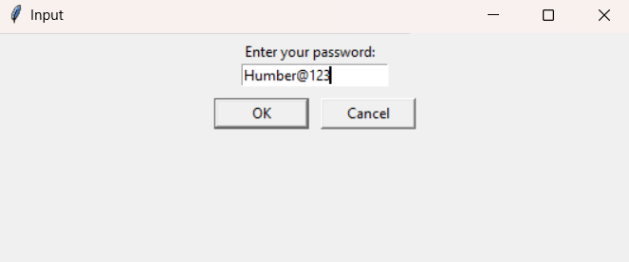
TC003 | Valid Password Entry | Program is running and ready to accept password input. | 1. Enter a valid password meeting all criteria. 2. Press Enter. | The program should accept the password and proceed to the next step. | The program successfully accepts the valid password. | This test ensures that the program correctly handles valid password input, which is essential for user authentication. | 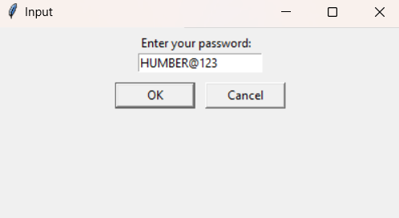
TC004 | Invalid Password Entry - Less than 10 characters | Program is running and ready to accept password input. | 1. Enter a password with less than 10 characters. 2. Press Enter. | The program should reject the password and display an error message indicating that the password must be at least 10 characters long. | The program correctly identifies the password length violation and prompts the user to enter a valid password. | This test ensures that the program enforces the minimum password length requirement, guarding against security vulnerabilities arising from weak passwords. | 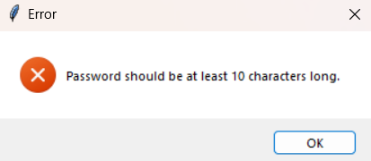 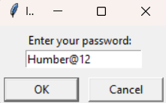
TC005 | Invalid Password Entry - No Uppercase Letter | Program is running and ready to accept password input. | 1. Enter a password without any uppercase letters. 2. Press Enter. | The program should reject the password and display an error message indicating that the password must contain at least one uppercase letter. | The program correctly identifies the absence of uppercase letters in the password and prompts the user to enter a valid password. | This test ensures that the program enforces the requirement for at least one uppercase letter in the password, enhancing password strength and security. | 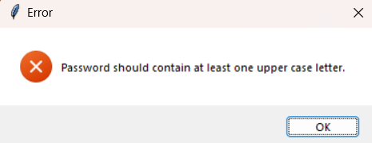 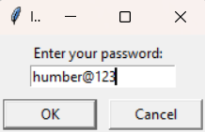
TC006 | Invalid Password Entry - Less than One Number | Program is running and ready to accept password input. | 1. Enter a password with less than one numeric digits. 2. Press Enter. | The program should reject the password and display an error message indicating that the password must contain at least two and at most three numbers. | The program correctly identifies the insufficient number of numeric digits in the password and prompts the user to enter a valid password. | This test ensures that the program enforces the requirement for at least two or atmost three numeric digits in the password, contributing to password complexity and security. | 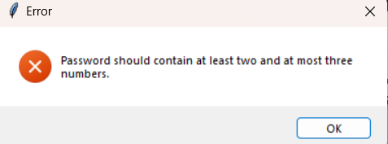 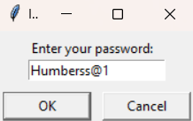
TC007 | Invalid Password Entry - No Special Character | Program is running and ready to accept password input. | 1. Enter a password without any special characters. 2. Press Enter. | The program should reject the password and display an error message indicating that the password must contain at least one special character. | The program correctly identifies the absence of special characters in the password and prompts the user to enter a valid password. | This test ensures that the program enforces the requirement for at least one special character in the password, enhancing password strength and security. | 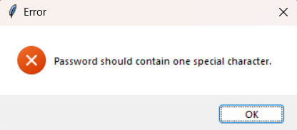 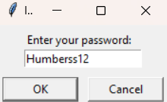
TC008 | Invalid Password Entry - Exceeds Three Numeric Digits | Program is running and ready to accept password input. | 1. Enter a password with more than three numeric digits. 2. Press Enter. | The program should reject the password and display an error message indicating that the password must contain at least two and at most three numbers. | The program correctly identifies the insufficient number of numeric digits in the password and prompts the user to enter a valid password. | This test ensures that the program restricts the number of numeric digits in the password to prevent excessive complexity, ensuring a balance between security and usability. | 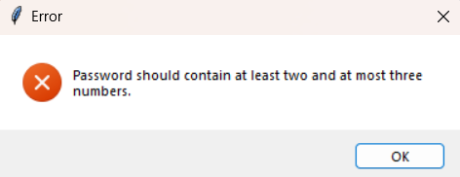 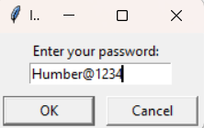
TC009 | Invalid Password Entry - Empty Input | Program is running and ready to accept password input. | 1. Leave the input field empty. 2. Press Enter. | The program should reject the password and display an error message indicating that the password must be at least 10 characters long. | The program correctly identifies the insufficient number of numeric digits in the password and prompts the user to enter a valid password. | This test ensures that the program restricts the number of numeric digits in the password to prevent excessive complexity, ensuring a balance between security and usability. | 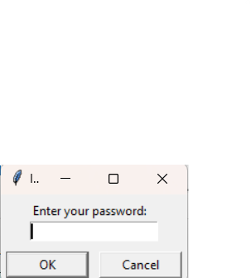
TC010 | Invalid Password Entry - Two or More Special Character | Program is running and ready to accept password input. | 1. Enter a password with two or more special characters. 2. Press Enter. | The program should reject the password and display an error message indicating that the password must be at least 10 characters long. | The program correctly identifies more than two special characters in the password and prompts the user to enter a valid password. | This test ensures that the program enforces the requirement for at least one special character in the password, enhancing password strength and security. | 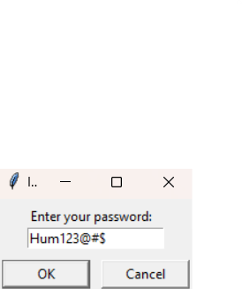
TC011 | Maximum Attempts= 3 | Program Exits | 1. After Three Attempts. 2. Program Exits. | The program should display an error message Maximum Attempt Reached Exiting Program | The program correctly identifies the Attempt and Exits Program | This test ensures that the program handles Only Three Attempts after that it Exits the Program. | 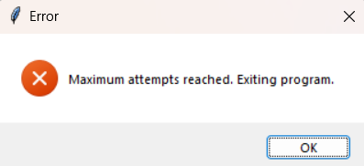
TC012 | Valid Number of Students (Lower Bound) | Program is running and ready to accept the number of students input. | 1. Enter the number of students as 1. 2. Press Enter. | The program should accept the input and proceed to the next step. | The program successfully accepts the lower bound number of students. | This test verifies that the program correctly handles the minimum allowed number of students, ensuring that it can handle the smallest input value within the specified range. | 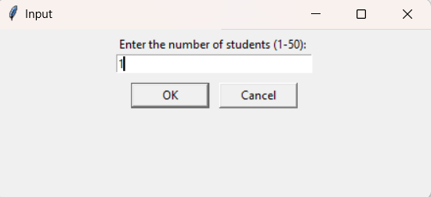
TC013 | Valid Number of Students (Upper Bound) | Program is running and ready to accept the number of students input. | 1. Enter the number of students as 50. 2. Press Enter. | The program should accept the input and proceed to the next step. | The program successfully accepts the upper bound number of students. | This test verifies that the program correctly handles the maximum allowed number of students, ensuring that it can handle the largest input value within the specified range. | 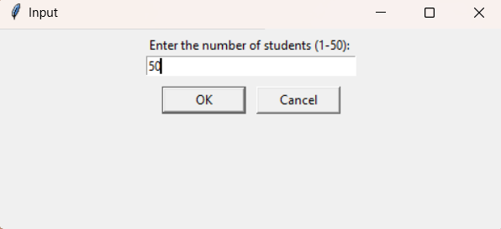
TC014 | Invalid Number of Students - Less than Lower Bound | Program is running and ready to accept the number of students input. | 1. Enter the number of students as 0. 2. Press Enter. | The program should reject the input and display an error message indicating that the number of students must be between 1 and 50. | The program correctly identifies the input value below the lower bound and prompts the user to enter a valid number of students. | This test ensures that the program enforces the minimum allowed number of students, preventing potential issues that may arise from handling insufficient student data. | 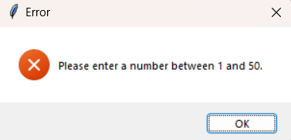 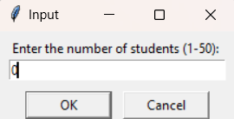
TC015 | Invalid Number of Students - Greater than Upper Bound | Program is running and ready to accept the number of students input. | 1. Enter the number of students as 51. 2. Press Enter. | The program should reject the input and display an error message indicating that the number of students must be between 1 and 50. | The program correctly identifies the input value above the upper bound and prompts the user to enter a valid number of students. | This test ensures that the program enforces the maximum allowed number of students, preventing potential issues that may arise from handling excessive student data. | 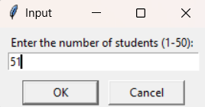
TC016 | Invalid Number of Students - Non-Numeric Input | Program is running and ready to accept the number of students input. | 1. Enter a non-numeric value (e.g., "abc"). 2. Press Enter. | The program should reject the input and display an error message indicating that the input must be a valid numeric value. | The program correctly identifies the non-numeric input and prompts the user to enter a valid number of students. | This test ensures that the program handles invalid input types for the number of students, preventing potential issues arising from unexpected input formats. | 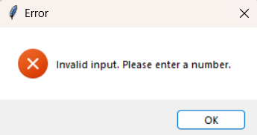 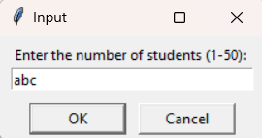
TC017 | Invalid Number of Students - Decimal Input | Program is running and ready to accept the number of students input. | 1. Enter a decimal value (e.g., 10.5). 2. Press Enter. | The program should reject the input and display an error message indicating that the input must be a valid integer value. | The program correctly identifies the decimal input and prompts the user to enter a valid integer value. | This test ensures that the program only accepts integer values for the number of students input, preventing potential issues arising from non-integer input. | 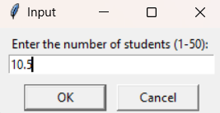
TC018 | Invalid Number of Students - Empty Input | Program is running and ready to accept the number of students input. | 1. Leave the input field empty. 2. Press Enter. | The program should reject the empty input and display an error message indicating that the input field cannot be left blank. | The program correctly identifies the empty input and prompts the user to enter a valid number of students. | This test ensures that the program handles empty input for the number of students field, guiding the user to provide the required information. | 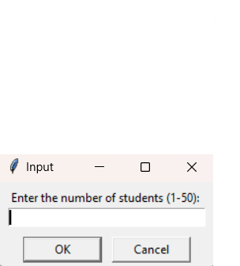
TC019 | Invalid Number of Students - Special Character Input | Program is running and ready to accept the number of students input. | 1. Enter a Special Character (e.g., @). 2. Press Enter. | The program should reject the input and display an error message indicating that the input must be a valid integer value. | The program correctly identifies the special character input and prompts the user to enter a valid integer value. | This test ensures that the program only accepts integer values for the number of students input, preventing potential issues arising from non-integer input. | 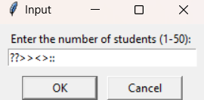
TC020 | Maximum Attempt Reached = 3 | Program Exits | 1. After Three Attempts. 2. Program Exits. | The program should display an error message Maximum Attempt Reached Exiting Program | The program correctly identifies the Attempt and Exits Program | This test ensures that the program handles Only Three Attempts after that it Exits the Program. | 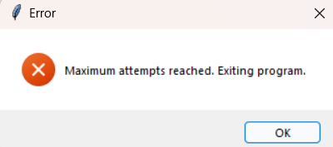
TC021 | Valid Student Names Entry (Lower Bound) | Program is running and ready to accept student names. | 1. Enter a single student name with the minimum length allowed. 2. Press Enter. | The program should accept the input and proceed. | The program successfully accepts the lower bound length student name. | This ensures the program handles the smallest valid input for student names effectively. | 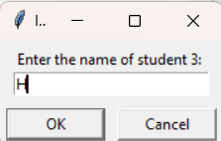
TC022 | Valid Student Names Entry (Upper Bound) | Program is running and ready to accept student names. | 1. Enter a single student name with the maximum length allowed. 2. Press Enter. | The program should accept the input and proceed. | The program successfully accepts the upper bound length student name. | This ensures the program handles the largest valid input for student names effectively. | 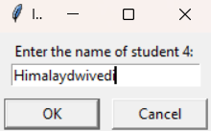 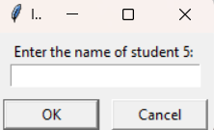
TC023 | Invalid Student Name Entry - Empty Input | Program is running and ready to accept student names. | 1. Leave the input field empty. 2. Press Enter. | The program should reject the empty input and display an error message indicating that the input field cannot be left blank. | The program correctly identifies the empty input and prompts the user to enter a valid number of students. | This test ensures that the program handles empty input for the number of students field, guiding the user to provide the required information. | 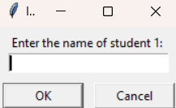 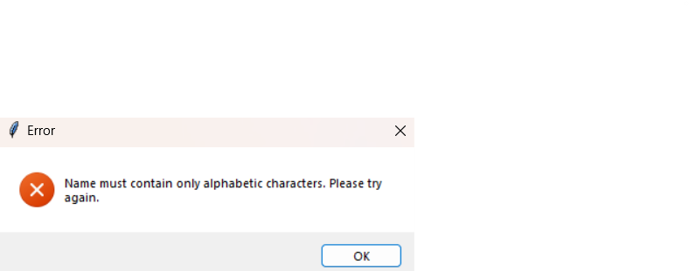
TC024 | Invalid Student Name Entry - Numeric Characters | Program is running and ready to accept student names. | 1. Enter a student name containing numeric characters. 2. Press Enter. | The program should reject the input with an error message indicating that the name must contain only alphabetic characters. | The program correctly identifies the presence of numeric characters and prompts for a valid name. | This test verifies the program's ability to handle invalid characters in student names effectively. | 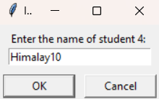 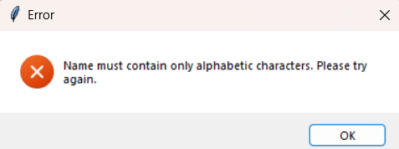
TC025 | Invalid Student Name Entry - Special Characters | Program is running and ready to accept student names. | 1. Enter a student name containing special characters. 2. Press Enter. | The program should reject the input with an error message indicating that the name must contain only alphabetic characters. | The program correctly identifies the presence of special characters and prompts for a valid name. | This test ensures the program properly handles invalid characters in student names, maintaining data integrity. | 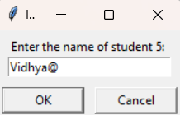
TC026 | Invalid Student Name Entry - Lowercase First Letter | Program is running and ready to accept student names. | 1. Enter a student name with a lowercase first letter. 2. Press Enter. | The program should reject the input with an error message indicating that the name must start with an uppercase letter. | The program correctly identifies the incorrect case format and prompts for a valid name. | This test ensures the program enforces the correct formatting for student names, adhering to standard naming conventions. | 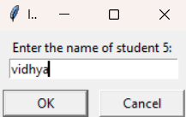
TC027 | Invalid Student Name Entry - All Uppercase Letters | Program is running and ready to accept student names. | 1. Enter a student name with all uppercase letters. 2. Press Enter. | The program should reject the input with an error message indicating that the name must be in title case. | The program correctly identifies the incorrect case format and prompts for a valid name. | This test ensures the program enforces the correct case format for student names, following standard naming conventions. | 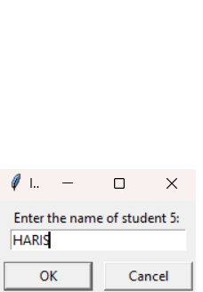 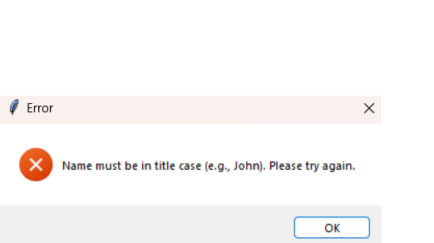
TC028 | Invalid Student Name Entry - Name Spacing | Program is running and ready to accept student names. | 1. Enter a student name with Spacing. 2. Press Enter. | The program should reject the input with an error message indicating that the name must be in title case. | The program correctly identifies the incorrect case format and prompts for a valid name. | This test ensures the program enforces the correct case format for student names, following standard naming conventions. | 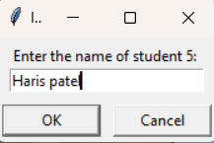
Grades Entry
TC029 | Valid Student Grades Entry | Program is running and ready to accept grades. | 1. Enter valid grades for all courses. 2. Press Enter. | The program should accept the input and proceed. | The program successfully accepts valid grades for all courses. | This ensures the program handles valid inputs for student grades effectively. | 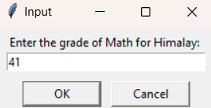 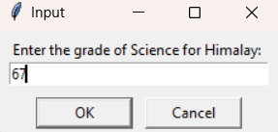
TC030 | Valid Student Grades Entry - Decimal Grade | Program is running and ready to accept grades. | 1. Enter a decimal value (e.g., 95.5). 2. Press Enter. | The program should accept the input and proceed. | The program successfully accepts valid grades for all courses. | This ensures the program handles valid inputs for student grades effectively. | 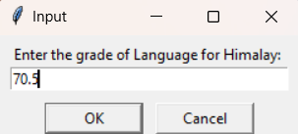 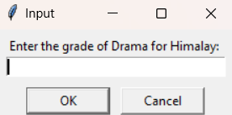
TC031 | Invalid Student Grades Entry - Below Lower Bound | Program is running and ready to accept grades. | 1. Enter a grade below the lower bound (e.g., -1). 2. Press Enter. | The program should reject the input with an error message indicating that the grade must be between 0 and 100. | The program correctly identifies the out-of-range grade and prompts for a valid input. | This test ensures the program enforces the minimum grade boundary, preventing invalid data entry. | 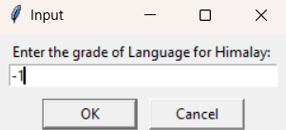 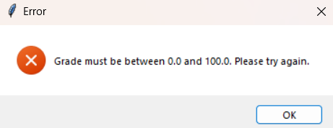
TC032 | Invalid Student Grades Entry - Above Upper Bound | Program is running and ready to accept grades. | 1. Enter a grade above the upper bound (e.g., 101). 2. Press Enter. | The program should reject the input with an error message indicating that the grade must be between 0 and 100. | The program correctly identifies the out-of-range grade and prompts for a valid input. | This test ensures the program enforces the maximum grade boundary, preventing invalid data entry. | 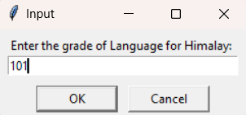
TC033 | Invalid Student Grades Entry - Non-Numeric Grade | Program is running and ready to accept grades. | 1. Enter a non-numeric value (e.g., "abc"). 2. Press Enter. | The program should reject the input with an error message indicating that the grade must be a valid numeric value. | The program correctly identifies the non-numeric input and prompts for a valid input. | This test ensures the program handles invalid input types for grades, preventing data corruption. | 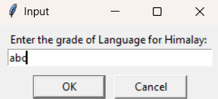 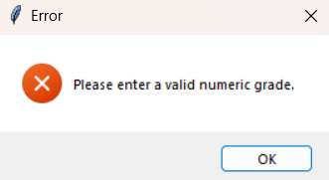
TC034 | Invalid Student Grades Entry - Empty Input | Program is running and ready to accept grades. | 1. Leave the input field empty. 2. Press Enter. | The program should reject the empty input and display an error message indicating that the input field cannot be left blank. | The program correctly identifies the empty input and prompts the user to enter a valid Grade of students. | This test ensures that the program handles empty input for the number of students field, guiding the user to provide the required information. |  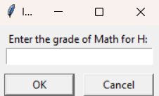
TC035 | Invalid Student Grades entry- Decimal Grade | Program is running and ready to accept grades. | 1. Enter a decimal value (e.g., 35). 2. Press Enter. | The program should reject the input with an error message indicating that the grade must be a valid numeric value. | The program correctly identifies the non-numeric input and prompts for a valid input. | This test ensures the program handles invalid input types for grades, preventing data corruption. | 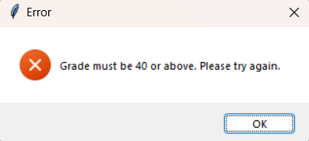 
TC036 | Invalid Student Grades Entry -Special Characters Grade | Program is running and ready to accept grades. | 1. Enter a non-numeric value (e.g., "@"). 2. Press Enter. | The program should reject the input with an error message indicating that the grade must be a valid numeric value. | The program correctly identifies the non-numeric input and prompts for a valid input. | This test ensures the program handles invalid input types for grades, preventing data corruption. | 
TC037 | Assign Schools - Engineering | Program has calculated valid GPAs for all students. | 1. Assign schools based on the calculated GPAs. | The program should assign students with GPAs between 90-100 to the Engineering school. | The program successfully assigns students with qualifying GPAs to the Engineering school. | This ensures that students meeting the GPA criteria are correctly assigned to their respective schools.
TC038 | Assign Schools - Business | Program has calculated valid GPAs for all students. | 1. Assign schools based on the calculated GPAs. | The program should assign students with GPAs between 80-89 to the Business school. | The program successfully assigns students with qualifying GPAs to the Business school. | This ensures that students meeting the GPA criteria are correctly assigned to their respective schools.
TC039 | Assign Schools - Law | Program has calculated valid GPAs for all students. | 1. Assign schools based on the calculated GPAs. | The program should assign students with GPAs between 70-79 to the Law school. | The program successfully assigns students with qualifying GPAs to the Law school. | This ensures that students meeting the GPA criteria are correctly assigned to their respective schools.
TC040 | Assign Schools - Not Accepted | Program has calculated valid GPAs for all students. | 1. Assign schools based on the calculated GPAs. | The program should assign students with GPAs below 70 to the "Not accepted" category. | The program successfully assigns students with low GPAs to the "Not accepted" category. | This ensures that students with GPAs below the acceptance threshold are correctly categorized.
TC041 | Report Generation - Students Accepted in Engineering | Program has assigned schools, and students qualify. | 1. Generate the school acceptance report. | The program should indicate the number of students accepted in the Engineering school. | The program generates a report with the correct count of students accepted in the Engineering school. | This ensures that the program accurately reports the number of students accepted in each school. | 
TC042 | Report Generation - Students Accepted in Business | Program has assigned schools, and students qualify. | 1. Generate the school acceptance report. | The program should indicate the number of students accepted in the Business school. | The program generates a report with the correct count of students accepted in the Business school. | This ensures that the program accurately reports the number of students accepted in each school. | 
TC043 | Report Generation - Students Accepted in Law | Program has assigned schools, and students qualify. | 1. Generate the school acceptance report. | The program should indicate the number of students accepted in the Law school. | The program generates a report with the correct count of students accepted in the Law school. | This ensures that the program accurately reports the number of students accepted in each school. | 
TC044 | Report Generation - No Students Accepted | Program has assigned schools, but no students qualify. | 1. Generate the school acceptance report. | The program should indicate that no students have been accepted in any school. | The program generates a report stating that no students have been accepted. | This ensures that the program handles scenarios where no students meet the acceptance criteria for any school. | 
TC045 | Report Generation - Percentage of Students Accepted (Eng) | Program has assigned schools, and students qualify. | 1. Generate the school acceptance report. | The program should indicate the percentage of students accepted in the Engineering school. | The program generates a report with the correct percentage of students accepted in the Engineering school. | This ensures that the program accurately calculates and reports the percentage of students accepted in each school. | 
TC046 | Report Generation - Percentage of Students Accepted (Bus) | Program has assigned schools, and students qualify. | 1. Generate the school acceptance report. | The program should indicate the percentage of students accepted in the Business school. | The program generates a report with the correct percentage of students accepted in the Business school. | This ensures that the program accurately calculates and reports the percentage of students accepted in each school. | 
TC047 | Report Generation - Percentage of Students Accepted (Law) | Program has assigned schools, and students qualify. | 1. Generate the school acceptance report. | The program should indicate the percentage of students accepted in the Law school. | The program generates a report with the correct percentage of students accepted in the Law school. | This ensures that the program accurately calculates and reports the percentage of students accepted in each school. | 
TC048 | Report Generation - Students Not Accepted | Program has assigned schools, but some students do not qualify. | 1. Generate the school acceptance report. | The program should indicate the number of students not accepted. | The program generates a report with the correct count of students not accepted. | This ensures that the program accurately reports the number of students not accepted in any school. | 
TC049 | Valid GPA Calculation | Program has received valid grades for all students. | 1. Calculate the GPA using the provided grades. | The program should calculate the GPA correctly. | The program successfully calculates the GPA based on the provided grades. | This ensures the accuracy of GPA calculation, which is crucial for evaluating student performance.
TC050 | Invalid GPA Calculation - Division by Zero | Program has received valid grades, but one course has zero credit hours. | 1. Calculate the GPA using the provided grades and credit hours. | The program should handle the division by zero gracefully and display an appropriate error message. | The program correctly handles the division by zero scenario and prompts the user to correct the input. | This test ensures the program prevents division by zero errors, maintaining robustness in GPA calculation.

