Allocation
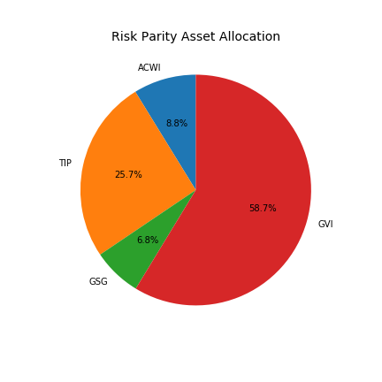
Assets | Allocation
ACWI | 0.0878
TIP | 0.2567
GSG | 0.0684
GVI | 0.587

Risk Stats
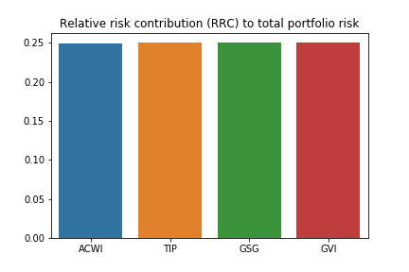
Assets | Marginal Risk Contribution | Risk Contribution | Relative Risk Contribution
ACWI | 0.029104396967 | 0.0025545693843 | 0.24950771331
TIP | 0.0099838228669 | 0.0025631745512 | 0.2503481898
GSG | 0.037401152903 | 0.0025600342098 | 0.25004146907
GVI | 0.0043619371975 | 0.0025606603799 | 0.25010262782

