USAGE DATASHEET - NA
 | USAGE DATASHEET - NA

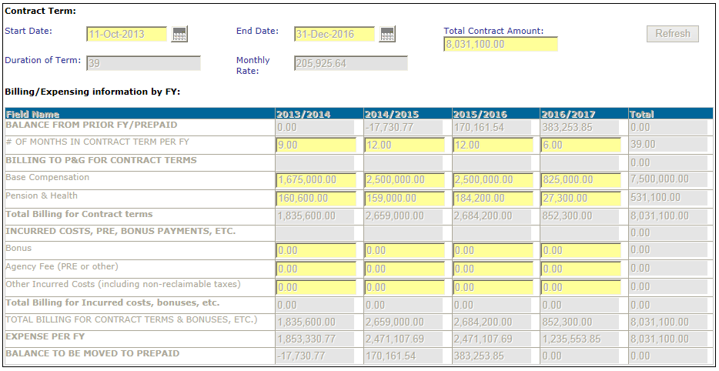
 | PROCESS | Example: 118369
1 | After selecting the Celebrity or Athlete talent type, the agency will input the yellow fields of the Contract Term in the attached printscreen
2 | The agency clicks Refresh and the grey Duration of Term and Monthly Rate fields are calculated by the system.
3 | The Billing&Expensing Information by FY chart will also appear with the number of columns = to the number of FYs covered by the contract start and end date.
4 | The agency will input the yellow fields with:
 | * the # of months per each FY
 | * The amounts to be paid each during each FY period for the different cost components listed.
5 | The agency clicks Refresh and the remaining grey fields will be calculated.
6 | Once a FY period has passed, the amounts in that column become fixed and cannot be edited. Up unto that time, the agency can make Revisions to the datasheet and to those columns.
 | * In this example, on today's date, the 2013/14 and 2014/15 columns will be frozen and not editable. FY 2015/16 can be edited through June 30, 2016 and becomes frozen as of July 1, 2016. The 2016/17 colum will be editable until June 30, 2017.

 | View of full datasheet (RESTRICTED DATA): | Field Calculations:
 |  | Duration of Term | # of months between Start Date and End Date
 |  | Monthly Rate | Total Contract Amount / Duration of Term
 |  | Columns of the Chart | One column for each FY falling within the Start Date and End Date
 |  | # of Months in Contract Term per FY | # of months within the Duration of Term that fall within July-June of the specified FY
 |  | Total Billing for Contract Terms | Sum of Base Compensation and Pension & Health
 |  | Total Billing for Incurred costs, etc | Sum of Bonus, Agency Fee and Other Incurred Costs
 |  | Total Billing for Contract Terms & Bonuses | Sum of Total Billing for Contract Terms and Total Billing for Incurred Costs, etc.
 |  | Expense per FY | # of Months in Contract Term per FY x Monthly Rate + bonus + agency fee + other incurred costs
 |  | Balance to be moved to Prepaid/(Accrued) | Balance from Prior FY/Prepaid + Total Billing for Contract Terms & Bonuses - Expense per FY
 |  | Balance from Prior FY: Prepaid/(Accrued) | Blank in first column, in subsequent columns will be = Balance to be moved to Prepaid from previous FY column

 |  | Fields input by Owner
 |  | Start Date
 |  | End Date
 |  | Total Contract Amount
 |  | Base Compensation
 |  | Pension & Health
 |  | Bonus
 |  | Agency Fee (PRE or other)
 |  | Other Incurred Costs

