Sheet1
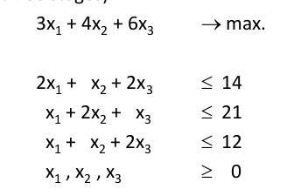
Example

Starting simplex Tableau:

 | Basic | z | x1 | x2 | x3 | s1 | s2 | s3 | Solution
 | z | 1 | -3 | -4 | -6 |  |  |  | 0
 | s1 |  | 2 | 1 | 2 | 1 |  |  | 14
 | s2 |  | 1 | 2 | 1 |  | 1 |  | 21
 | s3 |  | 1 | 1 | 2 |  |  | 1 | 12

Nhìn hàng Z, Chọn x có số âm mạnh nhất
x3 có coefficient cao nhất → chọn x3 làm entering var

 | Basic | Entering x3 | Solution | x3
 | s1 | 2 | 14 | 7
 | s2 | 1 | 21 | 21
 | s3 | 2 | 12 | 6 | -> minium

x3 enter at 6, s3 leaves at 0

Pivot Tableau
 | Basic | z | x1 | x2 | x3 | s1 | s2 | s3 | Solution
 | z | 0.3333333333 | 0 | -0.3333333333 | 0 | 0 | 0 | 1 | 12 | 3
 | s1 | 0 | -1 | 0 | 0 | -1 | 0 | 1 | -2 | -1
 | s2 | 0 | -1 | -3 | 0 | 0 | -2 | 1 | -30 | -0.5
 | x3 | 0 | 0.5 | 0.5 | 1 | 0 | 0 | 0.5 | 6 | New pivot row

X3 = 6, s3 = 0 → x1, x2 = 0
-> Current max = 18

Nhìn hàng Z, Chọn x có số âm mạnh nhất
x2 có coefficient cao nhất → chọn x2 là entering variable

 | Basic | Entering x2 | Solution | x2
 | s1 | 0 | -2 | #DIV/0!
 | s2 | -3 | -30 | 10 | -> minium
 | s3 | 0.5 | 6 | 12

x2 enter at 10, s2 leaves at 0

Pivot Tableau
 | Basic | z | x1 | x2 | x3 | s1 | s2 | s3 | Solution
 | z | 3 | 1 | 0 | 0 | 0 | 2 | 8 | 138 | 0.1111111111
 | s1 | #DIV/0! | #DIV/0! | #DIV/0! | #DIV/0! | #DIV/0! | #DIV/0! | #DIV/0! | #DIV/0! | 0
 | x2 | 0 | 0.3333333333 | 1 | 0 | 0 | 0.6666666667 | -0.3333333333 | 10
 | x3 | 0 | -2 | 0 | -6 | 0 | 2 | -4 | -6 | -0.1666666667

Thâý hàng Z k còn số âm → Optimal
Từ dòng 60→ x1 = 0 |  | do s2 s3 = 0, x2=10
X2 = 10
X3 = 1
--> Max = 46

rys
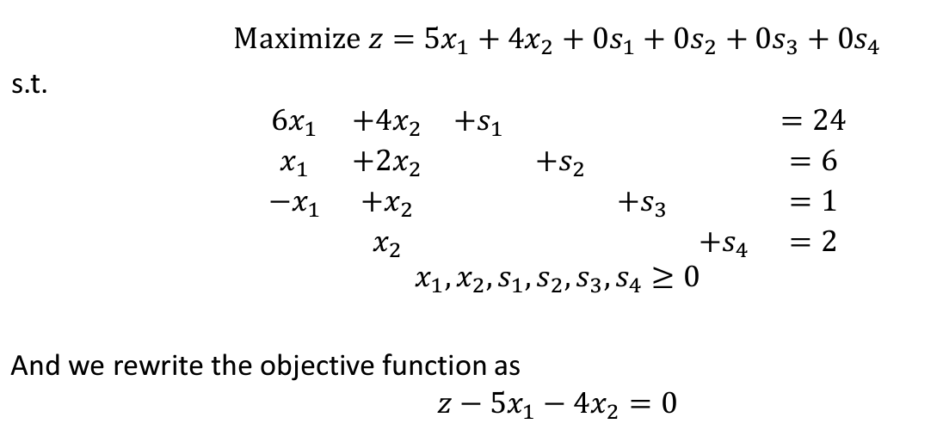
 |  | Simplex tableu

 |  | Basic | z | x1 | x2 | s1 | s2 | s3 | s4 | solution
 | z-row | z | 1 | -5 | -4 | 0 | 0 | 0 | 0 | 0
 | s1-row | s1 | 0 | 6 | 4 | 1 | 0 | 0 | 0 | 24
 | s2-row | s2 | 0 | 1 | 2 | 0 | 1 | 0 | 0 | 6
 | s3-row | s3 | 0 | -1 | 1 | 0 | 0 | 1 | 0 | 1
 | s4-row | s4 | 0 | 0 | 1 | 0 | 0 | 0 | 1 | 2

 |  | identify leaving variable

 |  | basic | enterting x1 | solution | ratio
 |  | s1 | 6 | 24 | 4
 |  | s2 | 1 | 6 | 6
 |  | s3 | -1 | 1 | -1
 |  | s4 | 0 | 2 | #DIV/0!

 |  | => x1 enter at value 4 and s1 leaves at zero level |  |  |  |  | pivot row/column: row/column có chứa leaving variable và entering variable
 |  |  |  |  |  |  | pivot element = intersectio |  | 6
 |  | pivot tableu

 |  | Basic | z | x1 | x2 | s1 | s2 | s3 | s4 | solution
 |  | z | 1 | 0 | -0.6666666667 | 0.8333333333 | 0 | 0 | 0 | 20 | other row = current row - respective pivot column coefficient * new pivot row
s1 leave |  | x1 | 0 | 1 | 0.6666666667 | 0.1666666667 | 0 | 0 | 0 | 4 | new pivot row = current pivot row / pivot element
 |  | s2 | 0 | 0 | 1.333333333 | -0.1666666667 | 1 | 0 | 0 | 2
 |  | s3 | 0 | 0 | 1.666666667 | 0.1666666667 | 0 | 1 | 0 | 5
 |  | s4 | 0 | 0 | 1 | 0 | 0 | 0 | 1 | 2
 |  |  |  |  |  |  |  |  |  | new basic solution x1=4, s2=2,s3=5,s4=2
 |  | ratio for the next iteration

 |  | basic | entering x2 | solution | ratio
 |  | x1 | 0.6666666667 | 4 | 6
 |  | s2 | 1.333333333 | 2 | 1.5
 |  | s3 | 1.666666667 | 5 | 3
 |  | s4 | 1 | 2 | 2

 |  | final tableu |  | pivot element 2 | 1.333333333

 |  | Basic | z | x1 | x2 | s1 | s2 | s3 | s4 | solution
 |  | z | 1 | 0 | 0 | 0.75 | 0.5 | 0 | 0 | 21
 |  | x1 | 0 | 1 | 0 | 0.25 | -0.5 | 0 | 0 | 3
 |  | x2 | 0 | 0 | 1 | -0.125 | 0.75 | 0 | 0 | 1.5 | new pivot row
 |  | s3 | 0 | 0 | 0 | 0.375 | -1.25 | 1 | 0 | 2.5
 |  | s4 | 0 | 0 | 0 | 0.125 | -0.75 | 0 | 1 | 0.5

 |  | final simplex tableu

 |  | decision variable |  | recommendations
 |  | x1 | 3 | produce 3 tons of exterior
 |  | x2 | 1.5 | produce 1.5 tons of interior
 |  | z | 21 | daily profit is 21,000

problem 1
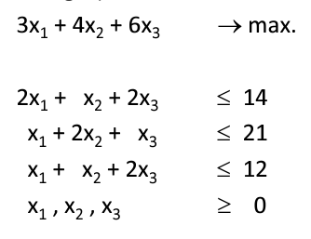

z-3x1-4x1-6x3=0

simpleu tableau

basic | z | x1 | x2 | x3 | s1 | s2 | s3 | solution
z | 1 | -2 | -4 | -6 | 0 | 0 | 0 | 0 | => entering variable x3
s1 | 0 | 2 | 1 | 2 | 1 | 0 | 0 | 14
s2 | 0 | 1 | 2 | 1 | 0 | 1 | 0 | 21
s3 | 0 | 1 | 1 | 2 | 0 | 0 | 1 | 12

basic | entering x3 | solution | ratio
s1 | 2 | 14 | 7
s2 | 1 | 21 | 21
s3 | 2 | 12 | 6

x3 enter at value 6, s3 leaves at 0

