Instructions
Adding a sheet here just to have more than one sheet

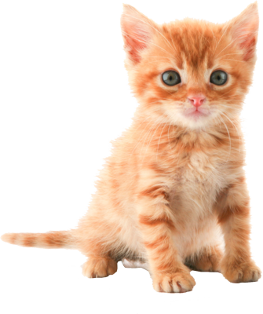
 | X | 3 | Obligatory picture of a cat
 | Y | 5
 | X * Y | 15

