NON_APAC_MANAGERS
Test Case # | Test Case Description | Pre-Req | Data Prep | User Group
1 | Negative Test - Confirm inability to create new quote | 1. The User executing the script must have access to SFDC 2. The User should be Non-APAC Sales User 3. The User should have direct reports as relates to the Salesforce hierarchy (role name would be Sales Level and not Sales Executive) 3. The web browser must be Google Chrome, Firefox, or Safari (Not Internet Explorer) | 1. The user's direct reports must have opportunities in the test environment | Non-APAC Sales User Non-APAC Sales Manager
Test Step # | Step Description | Expected Result | Actual Result | Screenshot
1 | Log in to Cert. environment for Salesforce at https://test.salesforce.com | The login page for salesforce is presented
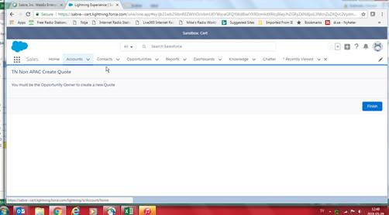
2 | Enter the username in the following format, firstname.lastname@sabre.com.cert Enter the password for the test environment | The homepage is displayed, with a dashboard of the reps opportunities on the far left, Items to approve below dashboard, news below items to approve. Then on the right hand side, the rep should see Today's Events, Recent Items, and Chatter feed
3 | Select Opportunity Tab at top of page | Opportunity Tab Opens
4 | Select list view My Team's Opportunities | Opportunities that belong to your team members display
5 | Select Opportunity of a team member | Opportunity opens
6 | Select Quotes tab | Quotes Tab Opens
7 | Select New | Error is displayed (only OPP owner can create quote)
Test Case # | Test Case Description | Pre-Req | Data Prep | User Group
2 | Confirm ability to Update Opportunity Owner | 1. The User executing the script must have access to SFDC 2. The User should be Non-APAC Sales User 3. The User should have direct reports as relates to the Salesforce hierarchy (role name would be Sales Level and not Sales Executive) 3. The web browser must be Google Chrome, Firefox, or Safari (Not Internet Explorer) | 1. The user's direct reports must have Opportunity in the test environment | Non-APAC Sales User Non-APAC Sales Manager
Test Step # | Step Description | Expected Result | Actual Result | Screenshot
1 | Log in to Cert. environment for Salesforce at https://test.salesforce.com | The login page for salesforce is presented
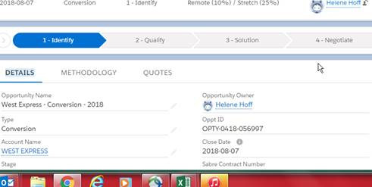
2 | Enter the username in the following format, firstname.lastname@sabre.com.cert Enter the password for the test environment | The homepage is displayed, with a dashboard of the reps opportunities on the far left, Items to approve below dashboard, news below items to approve. Then on the right hand side, the rep should see Today's Events, Recent Items, and Chatter feed
3 | Select Opportunity Tab at top of page | Opportunity Tab Opens
4 | Select list view My Team's Opportunities | Opportunities that belong to your team members display
5 | Select Opportunity of a team member | Opportunity opens
6 | Under the Details tab select the Opportunity Owner field | Opportunity Owner field becomes editabe
7 | Update Opportunity owner to another member of your team | Opportunity Owner is changed to new owner
8 | Select Change Owner | Opportunity Owner change is saved
Test Case # | Test Case Description | Pre-Req | Data Prep | User Group
3 | Confirm ability to update sales visits | 1. The User executing the script must have access to SFDC 2. The User should be Non-APAC Sales User 3. The User should have direct reports as relates to the Salesforce hierarchy (role name would be Sales Level and not Sales Executive) 3. The web browser must be Google Chrome, Firefox, or Safari (Not Internet Explorer) | 1. The user's direct reports must have Accounts in the test environment | Non-APAC Sales User Non-APAC Sales Manager
Test Step # | Step Description | Expected Result | Actual Result | Screenshot
1 | Log in to Cert. environment for Salesforce at https://test.salesforce.com | The login page for salesforce is presented
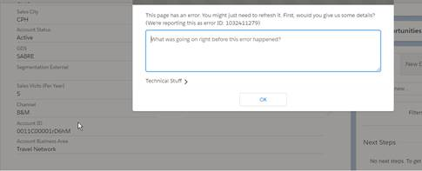
2 | Enter the username in the following format, firstname.lastname@sabre.com.cert Enter the password for the test environment | The homepage is displayed, with a dashboard of the reps opportunities on the far left, Items to approve below dashboard, news below items to approve. Then on the right hand side, the rep should see Today's Events, Recent Items, and Chatter feed
3 | Select Accounts Tab at top of page | Accounts Tab Opens
4 | Select My Team's Accounts list view | Your Team's accounts are displayed
5 | Select Account of a team member | Team Member's account opens
6 | Under details tab select Sales Visits (Per Year) field | Sales Visits (Per Year) field is now editable
7 | Update Sales visits field to 5 | Field is now updated to 5
8 | Select Save | Accout changes are saved
Test Case # | Test Case Description | Pre-Req | Data Prep | User Group
4 | Confirm your team view | 1. The User executing the script must have access to SFDC 2. The User should be Non-APAC Sales User 3. The User should have direct reports as relates to the Salesforce hierarchy (role name would be Sales Level and not Sales Executive) 3. The web browser must be Google Chrome, Firefox, or Safari (Not Internet Explorer) | 1. The user's direct reports must have opportunities and accounts in the test environment | Non-APAC Sales User Non-APAC Sales Manager
Test Step # | Step Description | Expected Result | Actual Result | Screenshot
1 | Log in to Cert. environment for Salesforce at https://test.salesforce.com | The login page for salesforce is presented
2 | Enter the username in the following format, firstname.lastname@sabre.com.cert Enter the password for the test environment | The homepage is displayed, with a dashboard of the reps opportunities on the far left, Items to approve below dashboard, news below items to approve. Then on the right hand side, the rep should see Today's Events, Recent Items, and Chatter feed | 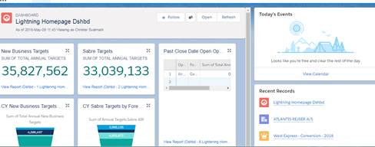 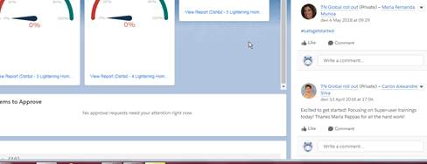
3 | Validate contents of your dashboard

