Report Signoff
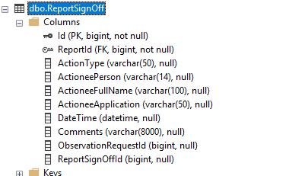
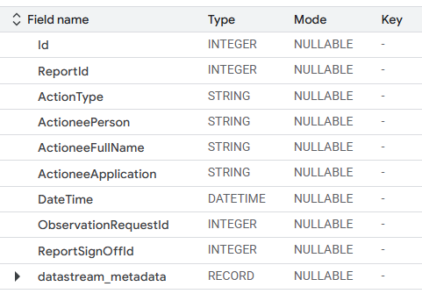
Source |  | BQ | TARGET | BQ | Field name | Type | Mode | Key
 |  |  |  |  | Id | INTEGER | REQUIRED | PK
 |  |  |  |  | ReportId | INTEGER | NULLABLE
 |  |  |  |  | ActionType | STRING | NULLABLE
 |  |  |  |  | ActioneePerson | STRING | NULLABLE
 |  |  |  |  | ActioneeFullName | STRING | NULLABLE
 |  |  |  |  | ActioneeApplication | STRING | NULLABLE
 |  |  |  |  | DateTime | DATETIME | NULLABLE
 |  |  |  |  | ObservationRequestId | INTEGER | NULLABLE
 |  |  |  |  | ReportSignOffId | INTEGER | NULLABLE
 |  |  |  |  | _last_updated_dw | TIMESTAMP | Nullable
 |  |  |  |  | _ingestion_method_dw | STRING | Nullable

Query

 | CREATE TABLE `ndr-isd-datastore-dev.wrrs.report_signoff` (
 | id INT64 NOT NULL,
 | report_id INT64,
 | action_type STRING,
 | actionee_person STRING,
 | actionee_full_name STRING,
 | actionee_application STRING,
 | date_time DATETIME,
 | observation_request_id INT64,
 | report_sign_off_id INT64,
 | _last_updated_dw TIMESTAMP,
 | _ingestion_method_dw STRING
 | )
 | PARTITION BY DATETIME_TRUNC(date_time, MONTH)
 | OPTIONS (
 | description="Stores report sign-off information, partitioned monthly by date_time."
 | );

Reportto exclude
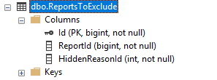
Source | BQ | TARGET | BQ | Field name | Type | Mode | Key
 |  |  |  | Id | INTEGER | Required | PK
 |  |  |  | ReportId | INTEGER | NULLABLE | -
 |  |  |  | HiddenReasonId | INTEGER | NULLABLE | -
 |  |  |  | _last_updated_dw | TIMESTAMP | Nullable | -
 |  |  |  | _ingestion_method_dw | STRING | Nullable | -

Reportviewtransformer
Source

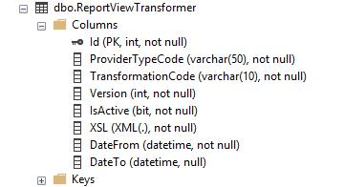

 | Missing

dbo container
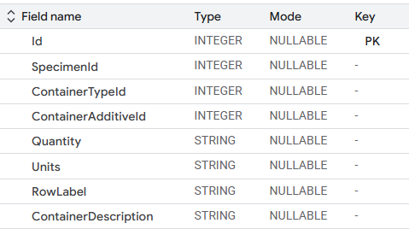
Source | BQ | BQ | Field name | Type | Mode | Key
 |  |  | Id | Required | NULLABLE | PK
 |  |  | SpecimenId | INTEGER | NULLABLE | -
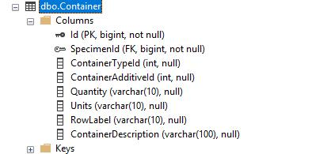
 |  |  | ContainerTypeId | INTEGER | NULLABLE | -
 |  |  | ContainerAdditiveId | INTEGER | NULLABLE | -
 |  |  | Quantity | STRING | NULLABLE | -
 |  |  | Units | STRING | NULLABLE | -
 |  |  | RowLabel | STRING | NULLABLE | -
 |  |  | ContainerDescription | STRING | NULLABLE | -
 |  |  | _last_updated_dw | TIMESTAMP | Nullable | -
 |  |  | _ingestion_method_dw | STRING | Nullable | -

Query

CREATE TABLE `ndr-isd-datastore-dev.wrrs.container` (
id INT64 NOT NULL,
specimen_id INT64,
container_type_id INT64,
container_additive_id INT64,
quantity STRING,
units STRING,
row_label STRING,
container_description STRING,
_last_updated_dw TIMESTAMP,
_ingestion_method_dw STRING
)
OPTIONS (
description="Stores information about specimen containers."
);

dbo.observationrequest
Source |  |  |  |  | BQ | Field name | Type | Mode | Key
 |  |  |  |  |  | Id | INTEGER | Required | PK
 |  |  |  |  |  | ReportId | INTEGER | Required | PK
 |  |  |  |  |  | Code | STRING | NULLABLE | -
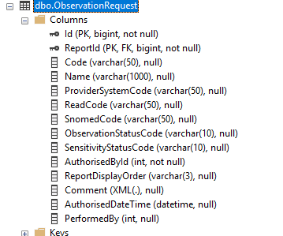
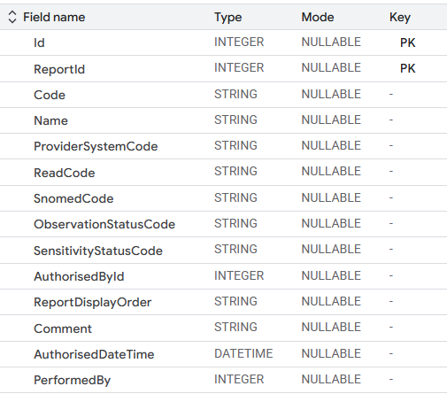
 |  |  |  |  |  | Name | STRING | NULLABLE | -
 |  |  |  |  |  | ProviderSystemCode | STRING | NULLABLE | -
 |  |  |  |  |  | ReadCode | STRING | NULLABLE | -
 |  |  |  |  |  | SnomedCode | STRING | NULLABLE | -
 |  |  |  |  |  | ObservationStatusCode | STRING | NULLABLE | -
 |  |  |  |  |  | SensitivityStatusCode | STRING | NULLABLE | -
 |  |  |  |  |  | AuthorisedById | INTEGER | NULLABLE | -
 |  |  |  |  |  | ReportDisplayOrder | STRING | NULLABLE | -
 |  |  |  |  |  | Comment | STRING | NULLABLE | -
 |  |  |  |  |  | AuthorisedDateTime | DATETIME | NULLABLE | -
 |  |  |  |  |  | PerformedBy | INTEGER | NULLABLE | -
 |  |  |  |  |  | _last_updated_dw | TIMESTAMP | Nullable | -
 |  |  |  |  |  | _ingestion_method_dw | STRING | Nullable | -

CREATE TABLE `ndr-isd-datastore-dev.wrrs.observation_request` (
id INT64 NOT NULL,
report_id INT64 NOT NULL,
code STRING,
name STRING,
provider_system_code STRING,
read_code STRING, | Database Schema
snomed_code STRING, | Field Name | Type | Mode | Key
observation_status_code STRING, | Id | INTEGER | NULLABLE | PK
sensitivity_status_code STRING, | ReportId | INTEGER | NULLABLE | PK
authorised_by_id INT64, | Code | STRING | NULLABLE | -
report_display_order STRING, | Name | STRING | NULLABLE | -
comment STRING, | ProviderSystemCode | STRING | NULLABLE | -
authorised_date_time DATETIME, | ReadCode | STRING | NULLABLE | -
performed_by INT64, | SnomedCode | STRING | NULLABLE | -
_last_updated_dw TIMESTAMP, | ObservationStatusCode | STRING | NULLABLE | -
_ingestion_method_dw STRING | SensitivityStatusCode | STRING | NULLABLE | -
) | AuthorisedById | INTEGER | NULLABLE | -
OPTIONS ( | ReportDisplayOrder | STRING | NULLABLE | -
description="Stores details of observation requests associated with reports." | Comment | STRING | NULLABLE | -
); | AuthorisedDateTime | DATETIME | NULLABLE | -
 | PerformedBy | INTEGER | NULLABLE | -

dbo.observationresult
Source | BQ | BQ | Field name | Type | Mode | Key
 |  |  | Id | INTEGER | Required | PK
 |  |  | ObservationRequestId | INTEGER | NULLABLE | -
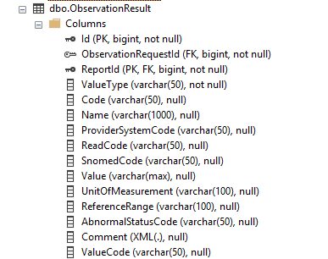
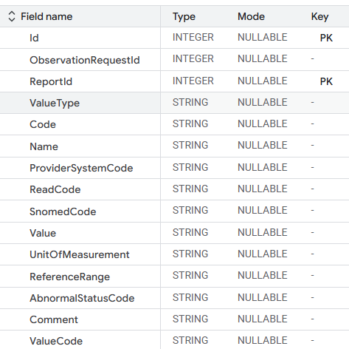
 |  |  | ReportId | INTEGER | Required | PK
 |  |  | ValueType | STRING | NULLABLE | -
 |  |  | Code | STRING | NULLABLE | -
 |  |  | Name | STRING | NULLABLE | -
 |  |  | ProviderSystemCode | STRING | NULLABLE | -
 |  |  | ReadCode | STRING | NULLABLE | -
 |  |  | SnomedCode | STRING | NULLABLE | -
 |  |  | Value | STRING | NULLABLE | -
 |  |  | UnitOfMeasurement | STRING | NULLABLE | -
 |  |  | ReferenceRange | STRING | NULLABLE | -
 |  |  | AbnormalStatusCode | STRING | NULLABLE | -
 |  |  | Comment | STRING | NULLABLE | -
 |  |  | ValueCode | STRING | NULLABLE | -
 |  |  | _last_updated_dw | TIMESTAMP | Nullable | -
 |  |  | _ingestion_method_dw | STRING | Nullable | -

Query

CREATE TABLE `ndr-isd-datastore-dev.wrrs.observation_result` (
id INT64 NOT NULL,
observation_request_id INT64,
report_id INT64 NOT NULL,
value_type STRING,
code STRING,
name STRING,
provider_system_code STRING,
read_code STRING,
snomed_code STRING,
value STRING,
unit_of_measurement STRING,
reference_range STRING,
abnormal_status_code STRING,
comment STRING,
value_code STRING,
_last_updated_dw TIMESTAMP,
_ingestion_method_dw STRING
)
OPTIONS (
description="Stores observation results, linking to observation requests and reports."
);

