Apr2025
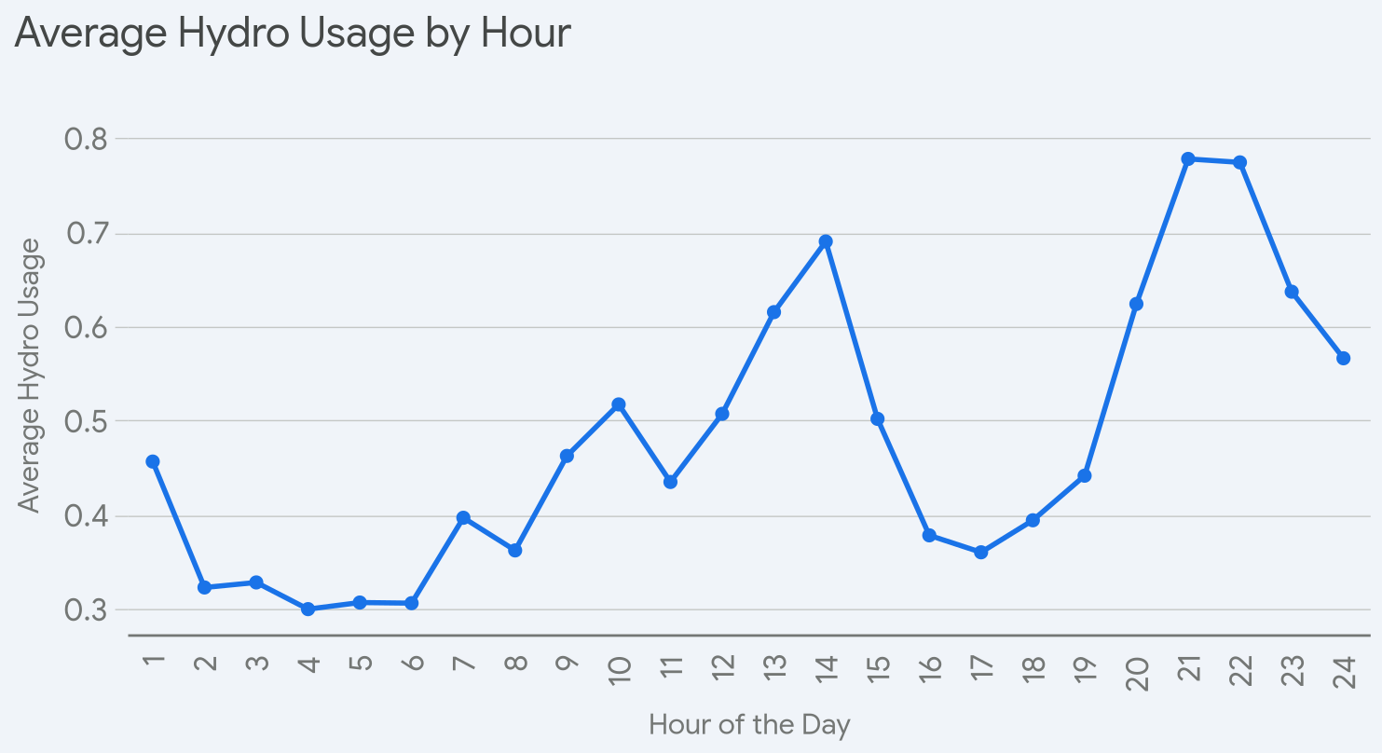
Date/Time | 1 | 2 | 3 | 4 | 5 | 6 | 7 | 8 | 9 | 10 | 11 | 12 | 13 | 14 | 15 | 16 | 17 | 18 | 19 | 20 | 21 | 22 | 23 | 24 | Total for day
2025-04-01 | 0.32 | 0.22 | 0.24 | 0.29 | 0.26 | 0.29 | 0.4 | 0.38 | 0.27 | 0.22 | 0.24 | 0.31 | 0.24 | 0.28 | 0.27 | 0.22 | 0.25 | 0.23 | 0.27 | 0.33 | 0.33 | 0.3 | 0.32 | 0.24 | 6.722865
2025-04-02 | 0.24 | 0.21 | 0.2 | 0.28 | 0.31 | 0.33 | 0.39 | 0.32 | 0.33 | 0.29 | 0.41 | 0.8 | 0.78 | 1.41 | 0.52 | 0.43 | 0.4 | 0.37 | 0.38 | 0.46 | 0.61 | 0.61 | 0.54 | 0.42 | 11.04
2025-04-03 | 0.41 | 0.37 | 0.38 | 0.47 | 0.37 | 0.38 | 0.42 | 0.35 | 0.34 | 0.8 | 0.31 | 0.63 | 0.53 | 0.65 | 0.28 | 0.19 | 0.22 | 0.19 | 0.28 | 0.36 | 0.9 | 0.69 | 0.56 | 0.5 | 10.58
2025-04-04 | 0.26 | 0.2 | 0.19 | 0.24 | 0.2 | 0.34 | 0.37 | 0.31 | 0.22 | 0.4 | 0.42 | 0.49 | 0.7 | 0.27 | 0.29 | 0.62 | 0.28 | 0.35 | 0.26 | 0.29 | 0.39 | 0.39 | 0.34 | 0.27 | 8.09
2025-04-05 | 0.29 | 0.26 | 0.22 | 0.24 | 0.27 | 0.35 | 0.42 | 0.33 | 0.33 | 0.3 | 0.28 | 0.51 | 0.46 | 0.43 | 0.71 | 0.34 | 0.63 | 0.55 | 0.49 | 0.53 | 0.57 | 0.52 | 0.55 | 0.33 | 9.91
2025-04-06 | 0.25 | 0.27 | 0.39 | 0.3 | 0.32 | 0.39 | 0.47 | 0.34 | 0.83 | 0.71 | 0.52 | 0.39 | 0.44 | 0.87 | 0.57 | 0.43 | 0.31 | 0.34 | 0.42 | 0.86 | 1.54 | 3.83 | 1.25 | 1.4 | 17.44
2025-04-07 | 2.61 | 0.3 | 0.24 | 0.26 | 0.43 | 0.38 | 0.31 | 0.26 | 0.46 | 0.81 | 1.05 | 1.11 | 0.96 | 0.33 | 0.39 | 0.4 | 0.49 | 0.62 | 0.59 | 0.44 | 0.38 | 0.53 | 0.73 | 0.5 | 14.58
2025-04-08 | 0.63 | 0.69 | 1.35 | 0.48 | 0.47 | 0.39 | 0.33 | 0.4 | 0.37 | 0.58 | 0.49 | 0.28 | 0.63 | 0.61 | 0.77 | 0.24 | 0.35 | 0.43 | 0.36 | 0.42 | 0.41 | 0.57 | 0.67 | 0.45 | 12.37
2025-04-09 | 0.3 | 0.32 | 0.32 | 0.35 | 0.29 | 0.38 | 0.54 | 0.38 | 0.65 | 0.42 | 0.56 | 0.37 | 0.47 | 0.29 | 0.65 | 0.33 | 0.46 | 0.37 | 0.33 | 0.45 | 1.77 | 1.06 | 0.44 | 0.34 | 11.84
2025-04-10 | 0.38 | 0.32 | 0.29 | 0.33 | 0.38 | 0.25 | 0.56 | 0.53 | 1.11 | 0.55 | 0.3 | 0.65 | 0.33 | 0.31 | 0.36 | 0.36 | 0.33 | 0.3 | 0.35 | 0.42 | 0.53 | 0.38 | 0.45 | 0.37 | 10.14
2025-04-11 | 0.34 | 0.33 | 0.31 | 0.28 | 0.45 | 0.38 | 0.47 | 0.3 | 0.43 | 0.59 | 0.41 | 0.38 | 0.98 | 0.87 | 0.54 | 0.81 | 0.44 | 0.53 | 0.67 | 0.82 | 1.04 | 0.59 | 0.4 | 0.32 | 12.68
2025-04-12 | 0.3 | 0.25 | 0.27 | 0.29 | 0.26 | 0.22 | 0.42 | 0.49 | 0.28 | 0.46 | 0.36 | 0.37 | 0.36 | 0.63 | 0.48 | 0.5 | 0.25 | 0.27 | 0.3 | 0.69 | 0.77 | 0.92 | 1.02 | 0.43 | 10.59
2025-04-13 | 0.32 | 0.28 | 0.27 | 0.27 | 0.24 | 0.27 | 0.39 | 0.33 | 0.39 | 0.65 | 0.27 | 0.51 | 0.78 | 0.51 | 1.76 | 0.47 | 0.31 | 0.22 | 0.51 | 2.09 | 1.75 | 1.2 | 0.58 | 0.5 | 14.87
2025-04-14 | 0.92 | 0.7 | 0.29 | 0.32 | 0.31 | 0.28 | 0.27 | 0.36 | 0.27 | 0.55 | 0.59 | 0.39 | 0.3 | 0.48 | 0.47 | 0.34 | 0.43 | 0.39 | 0.96 | 1.32 | 0.89 | 1.13 | 0.46 | 0.57 | 12.99
2025-04-15 | 0.4 | 0.37 | 0.39 | 0.43 | 0.34 | 0.31 | 0.37 | 0.32 | 0.4 | 0.47 | 0.67 | 0.51 | 0.73 | 0.68 | 0.34 | 0.34 | 0.4 | 0.31 | 1.21 | 0.71 | 0.72 | 0.4 | 0.35 | 0.33 | 11.5
2025-04-16 | 0.22 | 0.21 | 0.22 | 0.28 | 0.32 | 0.32 | 0.44 | 0.3 | 0.27 | 1.07 | 0.48 | 0.62 | 0.41 | 1.74 | 0.72 | 0.44 | 0.38 | 0.28 | 0.4 | 0.54 | 1.14 | 1.47 | 3.49 | 1.32 | 17.08
2025-04-17 | 0.93 | 0.37 | 0.38 | 0.34 | 0.32 | 0.35 | 0.41 | 0.31 | 0.49 | 0.41 | 0.31 | 0.34 | 1.06 | 0.33 | 0.39 | 0.25 | 0.22 | 0.17 | 0.21 | 0.32 | 0.3 | 0.24 | 0.28 | 0.57 | 9.3
2025-04-18 | 0.34 | 0.34 | 0.42 | 0.32 | 0.24 | 0.31 | 0.39 | 0.29 | 0.53 | 0.43 | 0.45 | 0.31 | 0.25 | 0.27 | 0.22 | 0.24 | 0.21 | 0.22 | 0.24 | 0.59 | 0.49 | 0.67 | 0.55 | 0.36 | 8.68
2025-04-19 | 0.24 | 0.25 | 0.26 | 0.23 | 0.27 | 0.29 | 0.42 | 0.3 | 0.74 | 0.25 | 0.2 | 0.19 | 0.35 | 0.21 | 0.19 | 0.25 | 0.25 | 0.36 | 0.27 | 0.51 | 0.62 | 0.77 | 0.51 | 0.28 | 8.21
2025-04-20 | 0.23 | 0.2 | 0.26 | 0.24 | 0.22 | 0.2 | 0.39 | 0.36 | 0.29 | 0.73 | 0.64 | 0.29 | 0.64 | 0.67 | 0.33 | 0.28 | 0.23 | 0.31 | 0.4 | 2.88 | 0.9 | 0.84 | 0.49 | 0.53 | 12.55
2025-04-21 | 0.35 | 0.31 | 0.25 | 0.26 | 0.29 | 0.27 | 0.33 | 0.3 | 0.32 | 0.76 | 0.61 | 0.4 | 0.8 | 1 | 0.54 | 0.52 | 0.66 | 0.35 | 0.38 | 0.33 | 0.51 | 1.1 | 0.59 | 0.93 | 12.16
2025-04-22 | 0.84 | 0.44 | 0.37 | 0.28 | 0.33 | 0.29 | 0.33 | 0.33 | 0.96 | 0.51 | 0.32 | 0.71 | 0.49 | 0.28 | 0.38 | 0.47 | 0.35 | 0.3 | 0.35 | 0.55 | 0.6 | 0.44 | 0.44 | 0.42 | 10.78
2025-04-23 | 0.38 | 0.38 | 0.34 | 0.21 | 0.36 | 0.29 | 0.58 | 0.31 | 0.39 | 0.45 | 0.28 | 0.87 | 1.07 | 0.74 | 0.34 | 0.33 | 0.27 | 0.38 | 0.41 | 0.49 | 1.84 | 0.62 | 0.59 | 0.46 | 12.38
2025-04-24 | 0.38 | 0.42 | 0.42 | 0.44 | 0.43 | 0.31 | 0.39 | 0.89 | 0.28 | 0.59 | 0.45 | 0.3 | 0.25 | 1.72 | 0.85 | 0.4 | 0.35 | 0.52 | 0.68 | 0.4 | 0.22 | 0.24 | 0.25 | 0.24 | 11.42
2025-04-25 | 0.25 | 0.25 | 0.2 | 0.23 | 0.25 | 0.21 | 0.28 | 0.24 | 0.24 | 0.3 | 0.4 | 0.42 | 0.62 | 1.39 | 0.55 | 0.5 | 0.56 | 0.51 | 0.63 | 0.35 | 0.7 | 0.77 | 0.4 | 0.36 | 10.61
2025-04-26 | 0.25 | 0.28 | 0.28 | 0.24 | 0.24 | 0.27 | 0.34 | 0.34 | 0.64 | 0.45 | 0.32 | 0.23 | 0.26 | 0.22 | 0.26 | 0.25 | 0.25 | 0.24 | 0.27 | 0.27 | 0.31 | 0.31 | 0.26 | 0.37 | 7.15
2025-04-27 | 0.29 | 0.25 | 0.29 | 0.24 | 0.28 | 0.3 | 0.44 | 0.36 | 0.33 | 0.41 | 0.37 | 0.43 | 1.37 | 0.65 | 0.24 | 0.25 | 0.22 | 0.18 | 0.19 | 0.21 | 0.21 | 0.22 | 0.56 | 0.37 | 8.66
2025-04-28 | 0.26 | 0.23 | 0.26 | 0.22 | 0.25 | 0.26 | 0.36 | 0.41 | 0.3 | 0.52 | 0.53 | 0.6 | 1.1 | 1.41 | 0.43 | 0.41 | 0.56 | 0.51 | 0.32 | 0.3 | 0.5 | 0.85 | 0.61 | 0.53 | 11.73
2025-04-29 | 0.42 | 0.27 | 0.25 | 0.29 | 0.24 | 0.28 | 0.27 | 0.38 | 0.93 | 0.41 | 0.46 | 0.64 | 0.46 | 0.47 | 0.41 | 0.33 | 0.35 | 1.7 | 0.69 | 0.34 | 1 | 0.64 | 0.54 | 0.5 | 12.27
2025-04-30 | 0.34 | 0.39 | 0.29 | 0.34 | 0.26 | 0.29 | 0.4 | 0.34 | 0.48 | 0.42 | 0.34 | 1.16 | 0.63 | 0.98 | 0.8 | 0.4 | 0.39 | 0.32 | 0.42 | 0.44 | 1.39 | 0.92 | 0.88 | 2.77 | 15.39
 |  |  |  |  |  |  |  |  |  |  |  |  |  |  |  |  |  |  |  |  |  |  |  |  | 343.71

Mar2025
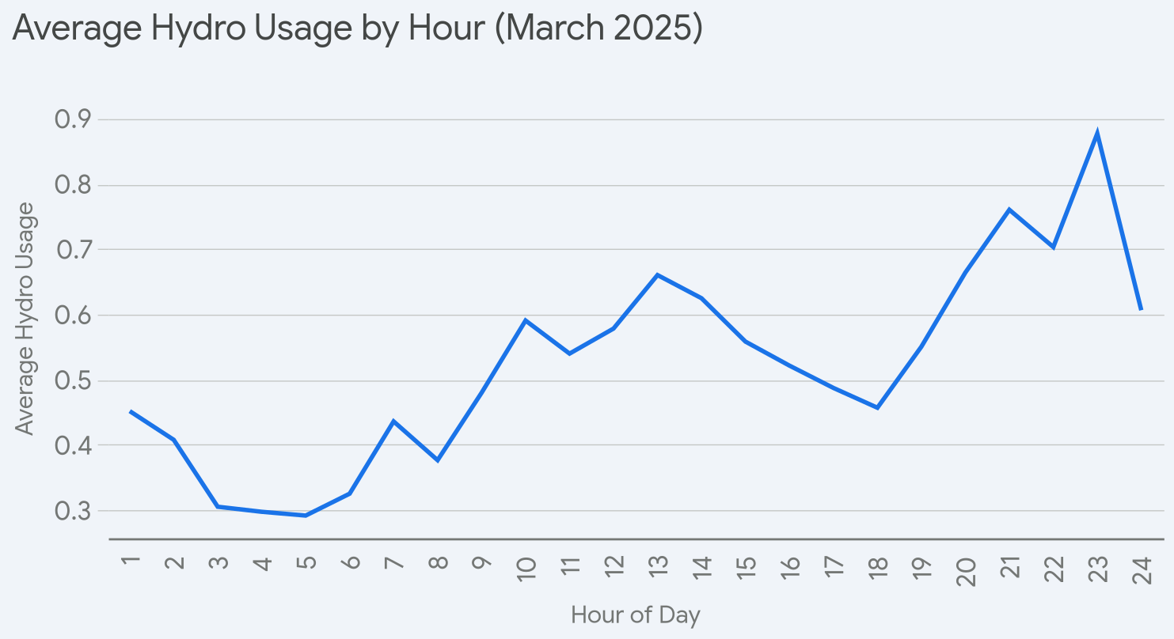
Date/Time | 1 | 2 | 3 | 4 | 5 | 6 | 7 | 8 | 9 | 10 | 11 | 12 | 13 | 14 | 15 | 16 | 17 | 18 | 19 | 20 | 21 | 22 | 23 | 24 | Total for day
2025-03-01 | 0.99 | 2.66 | 0.72 | 0.34 | 0.39 | 0.33 | 0.35 | 0.45 | 1.39 | 0.64 | 0.51 | 0.33 | 0.35 | 0.35 | 0.47 | 0.45 | 0.55 | 0.72 | 0.63 | 0.7 | 0.71 | 0.57 | 0.68 | 0.64 | 15.92
2025-03-02 | 0.66 | 0.44 | 0.44 | 0.35 | 0.36 | 0.4 | 0.47 | 0.49 | 1.23 | 0.75 | 0.77 | 0.52 | 0.43 | 0.39 | 0.36 | 0.42 | 0.38 | 0.41 | 0.42 | 0.37 | 0.4 | 0.39 | 0.46 | 0.39 | 11.7
2025-03-03 | 0.44 | 0.46 | 0.28 | 0.27 | 0.28 | 0.48 | 0.35 | 0.25 | 0.27 | 0.43 | 0.47 | 0.88 | 0.44 | 0.45 | 0.33 | 0.56 | 0.36 | 0.37 | 1.26 | 0.59 | 0.67 | 0.77 | 2.57 | 1.66 | 14.89
2025-03-04 | 0.36 | 0.38 | 0.34 | 0.3 | 0.28 | 0.49 | 0.46 | 0.53 | 0.32 | 0.6 | 0.36 | 0.53 | 0.32 | 0.6 | 0.38 | 0.5 | 0.41 | 0.4 | 0.41 | 1.4 | 0.9 | 0.69 | 0.52 | 0.27 | 11.75
2025-03-05 | 0.23 | 0.28 | 0.26 | 0.25 | 0.31 | 0.35 | 0.35 | 0.32 | 0.34 | 0.95 | 0.69 | 0.39 | 1.3 | 0.71 | 0.46 | 0.82 | 0.43 | 0.34 | 0.42 | 0.61 | 0.63 | 0.43 | 1.31 | 0.98 | 13.16
2025-03-06 | 0.45 | 0.56 | 0.37 | 0.32 | 0.27 | 0.27 | 0.41 | 0.35 | 0.74 | 0.48 | 0.42 | 0.44 | 0.38 | 0.48 | 0.49 | 0.54 | 0.37 | 0.53 | 0.6 | 1.16 | 0.72 | 0.74 | 0.98 | 0.49 | 12.56
2025-03-07 | 0.79 | 0.77 | 0.24 | 0.31 | 0.25 | 0.33 | 0.44 | 0.34 | 0.32 | 0.81 | 0.63 | 0.35 | 1.16 | 0.44 | 0.39 | 0.45 | 0.4 | 0.31 | 0.58 | 0.95 | 0.63 | 0.83 | 0.55 | 0.43 | 12.7
2025-03-08 | 0.27 | 0.27 | 0.26 | 0.36 | 0.3 | 0.42 | 0.45 | 0.32 | 0.36 | 0.79 | 0.59 | 0.55 | 0.81 | 0.76 | 0.86 | 1.16 | 1.05 | 0.43 | 0.47 | 0.91 | 1.32 | 0.61 | 0.61 | 0.49 | 14.42
2025-03-09 | 0.26 |  | 0.36 | 0.38 | 0.34 | 0.43 | 0.45 | 0.39 | 0.51 | 0.55 | 0.37 | 0.29 | 0.31 | 0.26 | 0.55 | 0.68 | 1.02 | 0.61 | 0.49 | 0.76 | 3.2 | 1.7 | 2.19 | 1.71 | 17.81
2025-03-10 | 0.41 | 0.35 | 0.33 | 0.33 | 0.26 | 0.25 | 0.46 | 0.33 | 0.32 | 0.69 | 0.75 | 0.34 | 0.91 | 1.03 | 0.66 | 0.26 | 0.35 | 0.56 | 0.4 | 0.58 | 0.92 | 0.86 | 0.51 | 0.69 | 12.55
2025-03-11 | 0.27 | 0.28 | 0.3 | 0.25 | 0.24 | 0.28 | 0.45 | 0.36 | 0.48 | 0.53 | 0.71 | 0.3 | 0.63 | 0.34 | 0.47 | 0.33 | 0.44 | 0.67 | 0.34 | 0.61 | 1.3 | 1.33 | 0.79 | 0.45 | 12.15
2025-03-12 | 0.35 | 0.46 | 0.37 | 0.37 | 0.39 | 0.37 | 0.49 | 0.8 | 0.45 | 0.38 | 0.38 | 0.38 | 0.81 | 0.49 | 0.47 | 0.34 | 0.33 | 0.43 | 0.42 | 0.51 | 0.72 | 1.04 | 0.8 | 0.89 | 12.44
2025-03-13 | 0.93 | 0.31 | 0.33 | 0.35 | 0.35 | 0.36 | 0.46 | 0.38 | 0.47 | 0.85 | 0.39 | 0.33 | 0.28 | 0.33 | 0.68 | 0.31 | 0.48 | 1.35 | 1.3 | 1.82 | 0.76 | 0.4 | 1.08 | 0.64 | 14.94
2025-03-14 | 0.46 | 0.35 | 0.22 | 0.27 | 0.28 | 0.3 | 0.44 | 0.36 | 0.32 | 0.84 | 0.9 | 2.11 | 1.7 | 0.76 | 0.61 | 0.79 | 0.35 | 0.36 | 0.42 | 0.46 | 0.4 | 0.36 | 0.34 | 0.34 | 13.74
2025-03-15 | 0.39 | 0.26 | 0.25 | 0.26 | 0.22 | 0.26 | 0.42 | 0.32 | 0.23 | 0.63 | 1.17 | 0.6 | 0.25 | 0.24 | 0.31 | 0.19 | 0.25 | 0.38 | 0.74 | 0.45 | 0.41 | 0.41 | 0.46 | 0.67 | 9.77
2025-03-16 | 0.39 | 0.28 | 0.29 | 0.32 | 0.28 | 0.25 | 0.42 | 0.29 | 0.3 | 0.6 | 0.69 | 1.11 | 0.48 | 1.11 | 0.65 | 0.54 | 2.02 | 0.56 | 1.23 | 1.51 | 0.75 | 0.72 | 0.62 | 0.74 | 16.15
2025-03-17 | 0.79 | 0.31 | 0.29 | 0.28 | 0.23 | 0.3 | 0.44 | 0.35 | 0.3 | 0.89 | 0.53 | 0.32 | 0.58 | 0.55 | 0.82 | 0.39 | 0.54 | 0.59 | 0.64 | 0.83 | 0.8 | 1.24 | 3.17 | 0.67 | 15.85
2025-03-18 | 0.32 | 0.35 | 0.26 | 0.25 | 0.29 | 0.3 | 0.49 | 0.41 | 0.46 | 0.5 | 0.56 | 0.44 | 0.69 | 1.33 | 1.46 | 0.87 | 0.3 | 0.42 | 0.6 | 0.39 | 0.94 | 1.18 | 0.65 | 0.54 | 14
2025-03-19 | 0.36 | 0.24 | 0.35 | 0.32 | 0.26 | 0.36 | 0.51 | 0.49 | 0.44 | 0.56 | 0.43 | 0.7 | 0.64 | 1.28 | 0.21 | 0.26 | 0.34 | 0.36 | 0.27 | 0.45 | 1.48 | 0.5 | 0.57 | 0.3 | 11.68
2025-03-20 | 0.25 | 0.25 | 0.25 | 0.3 | 0.31 | 0.28 | 0.47 | 0.3 | 0.49 | 0.81 | 0.77 | 0.49 | 0.71 | 0.73 | 0.25 | 0.35 | 0.37 | 0.39 | 0.35 | 0.58 | 0.52 | 1 | 0.65 | 1.07 | 11.94
2025-03-21 | 1.42 | 0.31 | 0.4 | 0.42 | 0.39 | 0.35 | 0.55 | 0.38 | 0.41 | 0.55 | 0.84 | 1 | 0.74 | 0.93 | 0.5 | 1.2 | 0.63 | 0.53 | 1.1 | 0.43 | 0.47 | 0.33 | 0.38 | 0.54 | 14.8
2025-03-22 | 0.38 | 0.21 | 0.3 | 0.24 | 0.25 | 0.3 | 0.45 | 0.49 | 0.67 | 0.53 | 0.36 | 0.43 | 0.34 | 0.37 | 0.64 | 0.38 | 0.55 | 0.4 | 0.5 | 0.48 | 0.98 | 0.59 | 0.71 | 0.41 | 10.96
2025-03-23 | 0.28 | 0.2 | 0.22 | 0.27 | 0.4 | 0.38 | 0.28 | 0.32 | 0.4 | 0.67 | 0.56 | 1.37 | 2.47 | 2.11 | 2.13 | 1.06 | 0.39 | 0.28 | 0.39 | 0.71 | 0.72 | 0.68 | 0.63 | 0.71 | 17.63
2025-03-24 | 0.73 | 0.41 | 0.3 | 0.28 | 0.26 | 0.26 | 0.39 | 0.26 | 0.52 | 0.67 | 0.61 | 0.68 | 1.09 | 0.43 | 0.56 | 0.42 | 0.7 | 0.65 | 0.91 | 0.57 | 0.72 | 1.23 | 3.14 | 0.63 | 16.42
2025-03-25 | 0.33 | 0.37 | 0.36 | 0.33 | 0.31 | 0.29 | 0.63 | 0.5 | 1.11 | 0.74 | 0.39 | 0.75 | 0.29 | 1.02 | 0.42 | 0.52 | 0.31 | 0.43 | 0.43 | 0.63 | 0.54 | 1.11 | 0.46 | 0.61 | 12.88
2025-03-26 | 0.37 | 0.3 | 0.32 | 0.34 | 0.31 | 0.29 | 0.48 | 0.35 | 0.64 | 0.37 | 0.56 | 0.95 | 0.77 | 0.49 | 0.64 | 1.15 | 0.37 | 0.35 | 0.29 | 0.41 | 0.35 | 0.36 | 0.29 | 0.27 | 11.02
2025-03-27 | 0.24 | 0.25 | 0.2 | 0.2 | 0.26 | 0.31 | 0.45 | 0.36 | 0.3 | 0.24 | 0.26 | 0.28 | 0.27 | 0.27 | 0.33 | 0.21 | 0.27 | 0.27 | 0.25 | 0.24 | 0.32 | 0.3 | 0.29 | 0.26 | 6.63
2025-03-28 | 0.21 | 0.24 | 0.2 | 0.25 | 0.28 | 0.32 | 0.39 | 0.33 | 0.29 | 0.32 | 0.25 | 0.23 | 0.3 | 0.28 | 0.27 | 0.27 | 0.28 | 0.23 | 0.34 | 0.31 | 0.27 | 0.3 | 0.31 | 0.26 | 6.73
2025-03-29 | 0.24 | 0.25 | 0.2 | 0.25 | 0.26 | 0.34 | 0.46 | 0.33 | 0.27 | 0.3 | 0.28 | 0.31 | 0.3 | 0.23 | 0.28 | 0.26 | 0.31 | 0.28 | 0.23 | 0.43 | 0.28 | 0.36 | 0.3 | 0.27 | 7.02
2025-03-30 | 0.19 | 0.23 | 0.26 | 0.3 | 0.28 | 0.28 | 0.43 | 0.34 | 0.33 | 0.32 | 0.24 | 0.28 | 0.27 | 0.31 | 0.25 | 0.26 | 0.28 | 0.26 | 0.33 | 0.29 | 0.32 | 0.25 | 0.32 | 0.26 | 6.88
2025-03-31 | 0.23 | 0.19 | 0.18 | 0.15 | 0.14 | 0.14 | 0.21 | 0.17 | 0.18 | 0.3 | 0.28 | 0.23 | 0.43 | 0.28 | 0.39 | 0.21 | 0.26 | 0.28 | 0.29 | 0.43 | 0.4 | 0.5 | 0.83 | 0.5 | 7.207136
 |  |  |  |  |  |  |  |  |  |  |  |  |  |  |  |  |  |  |  |  |  |  |  |  | 388.3

Feb2025
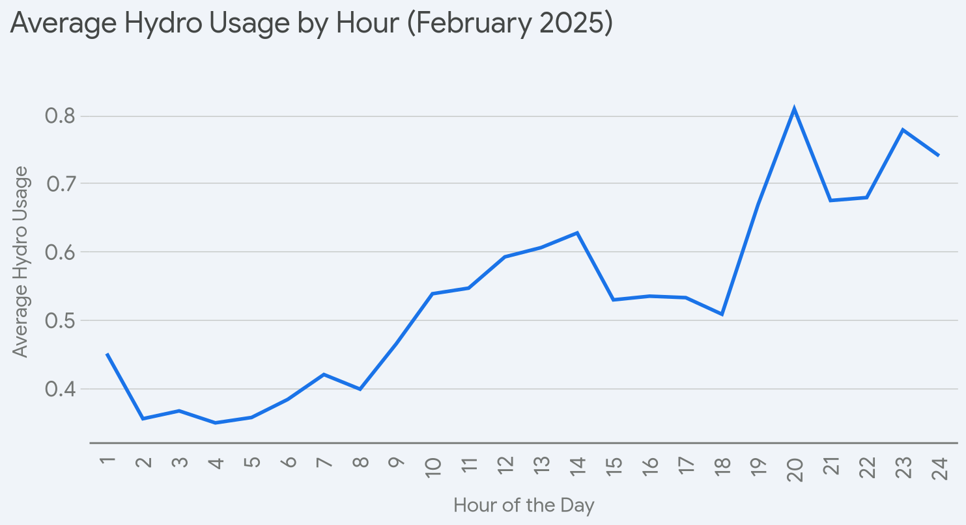
Date/Time | 1 | 2 | 3 | 4 | 5 | 6 | 7 | 8 | 9 | 10 | 11 | 12 | 13 | 14 | 15 | 16 | 17 | 18 | 19 | 20 | 21 | 22 | 23 | 24 | Total for day
2025-02-01 | 1.46 | 0.26 | 0.25 | 0.34 | 0.33 | 0.35 | 0.5 | 0.49 | 0.62 | 0.35 | 0.4 | 0.31 | 0.39 | 0.45 | 0.46 | 2.41 | 2.06 | 0.43 | 0.41 | 0.34 | 0.41 | 0.37 | 0.37 | 0.55 | 14.31
2025-02-02 | 0.6 | 0.28 | 0.28 | 0.3 | 0.32 | 0.32 | 0.4 | 0.41 | 0.36 | 0.42 | 0.38 | 0.42 | 0.53 | 0.49 | 0.36 | 0.76 | 0.73 | 0.49 | 0.57 | 0.49 | 0.62 | 0.41 | 0.4 | 0.63 | 10.970001
2025-02-03 | 0.28 | 0.3 | 0.29 | 0.26 | 0.48 | 0.42 | 0.34 | 0.34 | 0.46 | 0.58 | 0.41 | 0.4 | 1.73 | 0.7 | 0.35 | 0.31 | 0.3 | 0.79 | 0.48 | 0.61 | 0.68 | 0.88 | 0.56 | 0.9 | 12.85
2025-02-04 | 0.41 | 0.39 | 0.37 | 0.36 | 0.37 | 0.38 | 0.5 | 0.33 | 0.46 | 0.33 | 0.52 | 0.49 | 0.29 | 0.5 | 0.36 | 0.46 | 0.43 | 0.41 | 0.47 | 0.66 | 0.57 | 0.63 | 1.3 | 1 | 11.99
2025-02-05 | 0.42 | 0.41 | 0.45 | 0.4 | 0.4 | 0.45 | 0.49 | 0.44 | 0.44 | 0.41 | 0.53 | 0.58 | 0.56 | 2.2 | 1.1 | 0.37 | 0.76 | 0.53 | 0.68 | 0.56 | 0.51 | 0.7 | 1.18 | 1.57 | 16.14
2025-02-06 | 0.9 | 0.58 | 0.58 | 0.42 | 0.41 | 0.38 | 0.34 | 0.3 | 0.37 | 0.41 | 0.65 | 0.46 | 0.36 | 0.37 | 0.53 | 0.48 | 0.48 | 0.47 | 0.4 | 0.36 | 0.35 | 1.36 | 1.41 | 2.8 | 15.17
2025-02-07 | 0.37 | 0.36 | 0.34 | 0.3 | 0.32 | 0.37 | 0.48 | 0.46 | 0.33 | 0.79 | 0.63 | 1.31 | 0.88 | 0.5 | 0.33 | 0.38 | 0.33 | 0.6 | 0.48 | 0.45 | 0.71 | 0.86 | 0.71 | 0.42 | 12.71
2025-02-08 | 0.3 | 0.36 | 0.4 | 0.38 | 0.38 | 0.44 | 0.81 | 0.55 | 0.27 | 0.3 | 0.34 | 0.34 | 0.33 | 0.36 | 0.32 | 0.32 | 0.32 | 0.31 | 0.92 | 0.6 | 0.79 | 0.42 | 0.47 | 0.34 | 10.37
2025-02-09 | 0.27 | 0.27 | 0.23 | 0.42 | 0.35 | 0.36 | 0.31 | 0.29 | 0.29 | 0.69 | 0.58 | 0.35 | 0.63 | 0.56 | 0.92 | 0.47 | 0.4 | 0.35 | 2.2 | 0.49 | 0.86 | 0.3 | 0.44 | 0.73 | 12.76
2025-02-10 | 0.58 | 0.32 | 0.24 | 0.31 | 0.3 | 0.5 | 0.44 | 0.31 | 0.36 | 0.61 | 0.63 | 0.59 | 0.34 | 0.77 | 0.75 | 0.36 | 0.57 | 0.49 | 0.84 | 1.92 | 2.07 | 0.84 | 3.14 | 1.73 | 19.01
2025-02-11 | 0.3 | 0.33 | 0.39 | 0.41 | 0.4 | 0.44 | 0.47 | 0.53 | 0.41 | 0.42 | 0.54 | 0.96 | 0.44 | 0.37 | 0.4 | 0.5 | 0.41 | 0.52 | 0.45 | 0.42 | 0.45 | 0.85 | 0.75 | 0.59 | 11.75
2025-02-12 | 0.43 | 0.3 | 0.26 | 0.26 | 0.36 | 0.34 | 0.41 | 0.42 | 0.61 | 0.42 | 0.34 | 0.36 | 0.31 | 0.26 | 0.34 | 0.63 | 0.39 | 0.38 | 0.92 | 0.89 | 0.57 | 0.62 | 0.76 | 0.38 | 10.96
2025-02-13 | 0.33 | 0.3 | 0.39 | 0.37 | 0.35 | 0.31 | 0.27 | 0.3 | 0.86 | 0.53 | 0.61 | 0.52 | 0.86 | 1.21 | 0.36 | 0.33 | 0.39 | 0.58 | 0.53 | 0.55 | 0.6 | 0.63 | 0.46 | 0.47 | 12.11
2025-02-14 | 0.38 | 0.32 | 0.37 | 0.35 | 0.37 | 0.36 | 0.52 | 0.42 | 0.52 | 0.67 | 0.7 | 0.42 | 0.43 | 0.64 | 0.47 | 0.32 | 0.34 | 0.29 | 0.37 | 0.37 | 0.3 | 0.33 | 0.47 | 0.31 | 10.04
2025-02-15 | 0.28 | 0.43 | 0.41 | 0.37 | 0.38 | 0.38 | 0.25 | 0.35 | 0.46 | 0.99 | 0.51 | 0.5 | 0.34 | 0.32 | 0.33 | 0.34 | 0.41 | 0.61 | 0.54 | 0.76 | 0.36 | 0.41 | 0.34 | 0.3 | 10.37
2025-02-16 | 0.26 | 0.32 | 0.26 | 0.36 | 0.34 | 0.4 | 0.47 | 0.35 | 0.3 | 0.36 | 0.43 | 0.65 | 0.66 | 0.39 | 0.67 | 0.63 | 1.04 | 1.21 | 0.78 | 0.94 | 1.9 | 0.87 | 0.66 | 0.47 | 14.72
2025-02-17 | 0.32 | 0.36 | 0.58 | 0.5 | 0.37 | 0.39 | 0.33 | 0.24 | 0.32 | 0.28 | 0.81 | 1.13 | 1.1 | 0.69 | 0.56 | 0.41 | 0.55 | 0.44 | 0.8 | 3.67 | 0.71 | 0.71 | 0.45 | 0.33 | 16.05
2025-02-18 | 0.4 | 0.29 | 0.28 | 0.35 | 0.45 | 0.38 | 0.36 | 0.35 | 0.44 | 0.68 | 0.42 | 1.04 | 1.17 | 0.43 | 0.64 | 0.98 | 0.53 | 0.54 | 0.48 | 0.58 | 0.7 | 1.7 | 1.17 | 2.32 | 16.68
2025-02-19 | 0.33 | 0.28 | 0.27 | 0.26 | 0.32 | 0.38 | 0.46 | 0.55 | 0.38 | 0.38 | 0.3 | 0.42 | 0.51 | 0.49 | 0.41 | 0.45 | 0.43 | 0.49 | 0.55 | 1.12 | 0.9 | 0.73 | 1.27 | 0.55 | 12.23
2025-02-20 | 0.36 | 0.37 | 0.34 | 0.35 | 0.35 | 0.48 | 0.52 | 0.58 | 0.7 | 0.75 | 0.49 | 0.26 | 0.74 | 0.63 | 0.31 | 0.38 | 0.37 | 0.43 | 0.65 | 1.73 | 0.86 | 0.87 | 0.44 | 0.35 | 13.31
2025-02-21 | 0.25 | 0.3 | 0.32 | 0.36 | 0.36 | 0.35 | 0.48 | 0.33 | 1.08 | 0.81 | 0.96 | 0.64 | 0.59 | 0.61 | 0.83 | 0.39 | 0.63 | 0.53 | 0.84 | 0.4 | 0.42 | 0.43 | 0.37 | 0.32 | 12.6
2025-02-22 | 0.3 | 0.56 | 0.42 | 0.36 | 0.39 | 0.37 | 0.35 | 0.28 | 0.23 | 0.63 | 0.79 | 0.85 | 0.38 | 0.53 | 0.65 | 0.93 | 0.31 | 0.51 | 0.51 | 0.51 | 0.42 | 0.61 | 1.11 | 0.44 | 12.44
2025-02-23 | 0.33 | 0.3 | 0.3 | 0.31 | 0.29 | 0.39 | 0.46 | 0.5 | 0.49 | 0.61 | 0.66 | 0.96 | 0.89 | 0.82 | 0.29 | 0.42 | 0.48 | 0.34 | 0.39 | 0.98 | 0.44 | 0.54 | 0.95 | 0.59 | 12.73
2025-02-24 | 0.39 | 0.39 | 0.33 | 0.33 | 0.31 | 0.33 | 0.42 | 0.36 | 0.43 | 0.44 | 0.46 | 0.77 | 0.29 | 1.31 | 0.64 | 0.45 | 0.55 | 0.51 | 1.01 | 0.92 | 0.97 | 0.59 | 0.4 | 0.6 | 13.2
2025-02-25 | 0.34 | 0.33 | 0.28 | 0.31 | 0.43 | 0.4 | 0.34 | 0.41 | 0.69 | 0.48 | 0.41 | 0.52 | 0.5 | 0.43 | 0.54 | 0.39 | 0.37 | 0.37 | 0.57 | 0.71 | 0.46 | 0.81 | 0.56 | 0.4 | 11.05
2025-02-26 | 0.49 | 0.31 | 0.32 | 0.36 | 0.32 | 0.34 | 0.23 | 0.32 | 0.36 | 0.58 | 1.02 | 0.62 | 0.48 | 0.4 | 0.97 | 0.46 | 0.46 | 0.44 | 0.65 | 0.63 | 0.46 | 0.53 | 0.65 | 0.52 | 11.92
2025-02-27 | 1.3 | 0.66 | 1.06 | 0.43 | 0.29 | 0.39 | 0.4 | 0.53 | 0.37 | 0.76 | 0.37 | 0.38 | 0.94 | 0.36 | 0.32 | 0.38 | 0.33 | 0.59 | 0.6 | 0.47 | 0.42 | 0.4 | 0.42 | 0.48 | 12.65
2025-02-28 | 0.24 | 0.27 | 0.26 | 0.25 | 0.26 | 0.34 | 0.41 | 0.42 | 0.41 | 0.39 | 0.41 | 0.33 | 0.29 | 0.77 | 0.61 | 0.26 | 0.54 | 0.58 | 0.64 | 0.51 | 0.38 | 0.61 | 0.57 | 0.63 | 10.38
 |  |  |  |  |  |  |  |  |  |  |  |  |  |  |  |  |  |  |  |  |  |  |  |  | 361.47

Jan2025
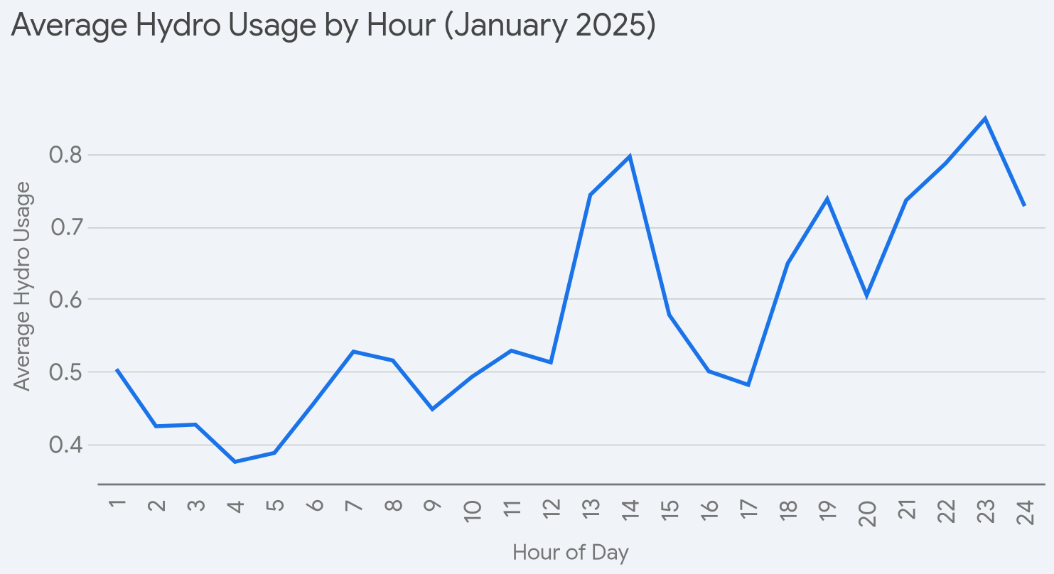
Date/Time | 1 | 2 | 3 | 4 | 5 | 6 | 7 | 8 | 9 | 10 | 11 | 12 | 13 | 14 | 15 | 16 | 17 | 18 | 19 | 20 | 21 | 22 | 23 | 24 | Total for day
2025-01-01 | 0.49 | 0.54 | 0.31 | 0.3 | 0.4 | 0.39 | 0.52 | 0.33 | 0.32 | 0.25 | 0.31 | 0.4 | 0.54 | 1.3 | 0.5 | 0.58 | 0.48 | 0.58 | 0.92 | 0.75 | 0.61 | 0.62 | 0.6 | 0.43 | 12.47
2025-01-02 | 0.34 | 0.35 | 0.34 | 0.3 | 0.48 | 1.58 | 1.32 | 1.25 | 1.03 | 0.39 | 0.5 | 0.4 | 0.87 | 0.69 | 0.77 | 0.42 | 0.36 | 0.7 | 0.52 | 0.41 | 0.67 | 1.11 | 0.62 | 0.98 | 16.4
2025-01-03 | 0.75 | 0.42 | 0.37 | 0.42 | 0.44 | 0.41 | 0.51 | 0.41 | 0.38 | 0.29 | 0.57 | 0.54 | 0.85 | 0.97 | 0.97 | 0.55 | 0.34 | 0.42 | 0.45 | 0.44 | 0.39 | 0.89 | 1.36 | 0.36 | 13.5
2025-01-04 | 0.33 | 0.34 | 0.36 | 0.38 | 0.37 | 0.45 | 0.54 | 0.4 | 0.37 | 0.32 | 0.52 | 0.45 | 0.54 | 0.47 | 0.34 | 0.25 | 0.39 | 0.44 | 0.39 | 0.45 | 0.63 | 0.59 | 0.57 | 0.62 | 10.51
2025-01-05 | 0.48 | 0.39 | 0.44 | 0.44 | 0.29 | 0.45 | 0.41 | 0.26 | 0.41 | 0.59 | 0.47 | 1.78 | 2.1 | 2.86 | 1.13 | 1.83 | 0.49 | 0.41 | 0.45 | 1.27 | 1.97 | 0.96 | 2.37 | 1.85 | 24.1
2025-01-06 | 0.59 | 0.43 | 0.43 | 0.38 | 0.37 | 0.43 | 0.51 | 0.62 | 0.42 | 0.51 | 0.52 | 0.39 | 1.13 | 1.45 | 0.54 | 0.52 | 0.43 | 1.14 | 0.67 | 0.53 | 0.5 | 0.7 | 0.53 | 0.51 | 14.25
2025-01-07 | 0.32 | 0.32 | 0.28 | 0.34 | 0.41 | 0.38 | 0.51 | 0.44 | 0.5 | 0.35 | 0.39 | 0.84 | 0.36 | 0.47 | 1.11 | 0.85 | 0.48 | 0.54 | 0.76 | 1.05 | 0.7 | 1.52 | 1.05 | 0.4 | 14.37
2025-01-08 | 0.44 | 0.42 | 0.32 | 0.34 | 0.39 | 0.42 | 0.56 | 0.4 | 0.34 | 0.61 | 0.5 | 1.11 | 1.49 | 0.39 | 0.33 | 0.35 | 0.46 | 0.69 | 0.82 | 0.77 | 0.7 | 0.86 | 0.38 | 0.32 | 13.41
2025-01-09 | 0.27 | 0.23 | 0.25 | 0.37 | 0.33 | 0.36 | 0.43 | 0.37 | 0.66 | 0.46 | 0.64 | 0.42 | 0.45 | 0.81 | 0.67 | 0.6 | 0.6 | 0.91 | 0.91 | 0.55 | 0.62 | 1.21 | 0.45 | 0.45 | 13.02
2025-01-10 | 0.42 | 0.5 | 0.47 | 0.46 | 0.4 | 0.44 | 0.54 | 0.43 | 0.72 | 0.53 | 0.45 | 0.42 | 0.34 | 0.33 | 0.35 | 0.28 | 0.33 | 0.39 | 0.37 | 0.47 | 1.32 | 0.57 | 1.6 | 1.19 | 13.32
2025-01-11 | 0.74 | 0.6 | 1.1 | 0.35 | 0.42 | 0.49 | 0.55 | 0.53 | 0.46 | 0.84 | 1.57 | 0.38 | 0.95 | 0.42 | 1.53 | 0.4 | 0.74 | 0.67 | 0.61 | 0.62 | 0.59 | 0.62 | 0.82 | 0.38 | 16.38
2025-01-12 | 0.33 | 0.33 | 0.39 | 0.39 | 0.4 | 0.42 | 0.53 | 0.4 | 0.47 | 1.31 | 0.78 | 0.49 | 0.39 | 0.31 | 0.27 | 0.32 | 0.38 | 0.4 | 0.41 | 0.48 | 0.45 | 0.37 | 0.79 | 0.41 | 11.22
2025-01-13 | 0.33 | 0.3 | 0.39 | 0.35 | 0.35 | 0.44 | 0.52 | 0.39 | 0.78 | 0.38 | 0.43 | 0.39 | 0.88 | 1.97 | 1.04 | 0.71 | 0.69 | 0.66 | 0.68 | 0.74 | 0.89 | 1 | 2.87 | 2.09 | 19.27
2025-01-14 | 1.29 | 0.41 | 0.39 | 0.44 | 0.48 | 0.53 | 0.58 | 0.51 | 0.39 | 0.53 | 0.68 | 0.42 | 0.42 | 0.34 | 0.48 | 0.47 | 0.54 | 2.56 | 2.75 | 0.54 | 0.65 | 0.96 | 0.5 | 0.45 | 17.31
2025-01-15 | 0.34 | 0.43 | 0.39 | 0.45 | 0.43 | 0.36 | 0.49 | 0.64 | 0.34 | 0.3 | 0.54 | 0.34 | 0.34 | 0.41 | 0.38 | 0.4 | 0.39 | 0.72 | 0.9 | 0.74 | 0.45 | 1 | 0.7 | 0.69 | 12.17
2025-01-16 | 0.71 | 0.4 | 0.35 | 0.41 | 0.35 | 0.47 | 0.46 | 0.51 | 0.29 | 0.4 | 0.35 | 0.54 | 0.51 | 0.41 | 0.43 | 0.38 | 0.54 | 0.59 | 0.51 | 0.7 | 1.61 | 1.03 | 0.94 | 0.92 | 13.81
2025-01-17 | 0.35 | 0.31 | 0.35 | 0.35 | 0.32 | 0.46 | 0.5 | 0.33 | 0.33 | 0.5 | 0.35 | 0.33 | 0.44 | 0.35 | 0.41 | 0.36 | 0.77 | 0.49 | 0.54 | 0.5 | 0.69 | 0.58 | 0.46 | 0.5 | 10.57
2025-01-18 | 0.3 | 0.29 | 0.32 | 0.29 | 0.35 | 0.39 | 0.43 | 0.3 | 0.35 | 0.51 | 0.49 | 0.44 | 0.65 | 0.58 | 0.32 | 0.38 | 0.32 | 0.34 | 0.39 | 0.32 | 0.4 | 0.45 | 0.48 | 0.48 | 9.57
2025-01-19 | 0.28 | 0.31 | 0.35 | 0.33 | 0.39 | 0.31 | 0.47 | 0.43 | 0.4 | 0.59 | 0.43 | 0.57 | 0.9 | 0.98 | 0.45 | 0.38 | 0.5 | 0.41 | 0.51 | 0.48 | 0.82 | 0.68 | 0.48 | 0.42 | 11.87
2025-01-20 | 0.32 | 0.39 | 0.42 | 0.4 | 0.41 | 0.46 | 0.55 | 0.45 | 0.47 | 0.37 | 0.44 | 0.4 | 0.6 | 1.17 | 0.63 | 0.52 | 0.42 | 0.83 | 0.69 | 0.56 | 0.45 | 0.49 | 0.49 | 0.48 | 12.41
2025-01-21 | 0.3 | 0.33 | 0.39 | 0.4 | 0.43 | 0.39 | 0.5 | 0.6 | 0.35 | 0.47 | 0.35 | 0.35 | 0.36 | 0.73 | 0.53 | 0.4 | 0.46 | 0.47 | 0.58 | 0.49 | 0.52 | 0.86 | 1.02 | 0.95 | 12.23
2025-01-22 | 0.48 | 0.46 | 0.47 | 0.43 | 0.48 | 0.47 | 0.37 | 0.52 | 0.45 | 0.52 | 0.5 | 0.3 | 1.48 | 0.6 | 0.56 | 0.43 | 0.56 | 0.61 | 2.33 | 0.67 | 0.66 | 1.03 | 1.12 | 2.19 | 17.69
2025-01-23 | 1.88 | 1.98 | 1.58 | 0.42 | 0.36 | 0.44 | 0.58 | 0.45 | 0.56 | 0.5 | 0.66 | 0.35 | 0.5 | 0.63 | 1.04 | 0.53 | 0.4 | 0.7 | 0.69 | 0.5 | 0.36 | 0.96 | 0.55 | 0.8 | 17.42
2025-01-24 | 0.39 | 0.35 | 0.47 | 0.34 | 0.38 | 0.4 | 0.51 | 0.45 | 0.37 | 0.41 | 0.52 | 0.35 | 0.5 | 0.92 | 0.22 | 0.37 | 0.31 | 0.38 | 0.37 | 0.37 | 0.39 | 0.48 | 0.62 | 0.38 | 10.25
2025-01-25 | 0.27 | 0.34 | 0.35 | 0.31 | 0.38 | 0.35 | 0.47 | 0.69 | 0.35 | 0.46 | 0.45 | 0.6 | 0.37 | 0.29 | 0.52 | 0.87 | 0.99 | 1.29 | 1.56 | 1.33 | 1.53 | 0.5 | 0.56 | 0.64 | 15.47
2025-01-26 | 1.1 | 0.41 | 0.34 | 0.43 | 0.4 | 0.45 | 0.42 | 0.42 | 0.32 | 0.48 | 0.41 | 0.48 | 0.7 | 0.49 | 0.33 | 0.29 | 0.31 | 0.32 | 0.36 | 0.34 | 0.36 | 0.35 | 0.39 | 0.38 | 10.28
2025-01-27 | 0.3 | 0.3 | 0.32 | 0.38 | 0.39 | 0.44 | 0.55 | 0.58 | 0.32 | 0.47 | 0.32 | 0.41 | 1.15 | 0.69 | 0.44 | 0.35 | 0.53 | 0.58 | 0.71 | 0.46 | 0.85 | 1.12 | 0.74 | 0.43 | 12.83
2025-01-28 | 0.32 | 0.28 | 0.29 | 0.42 | 0.35 | 0.38 | 0.53 | 0.65 | 0.4 | 0.43 | 0.69 | 0.9 | 1.21 | 0.55 | 0.55 | 0.39 | 0.4 | 0.35 | 0.4 | 0.41 | 0.71 | 0.65 | 0.45 | 0.46 | 12.17
2025-01-29 | 0.42 | 0.33 | 0.3 | 0.25 | 0.28 | 0.37 | 0.46 | 0.9 | 0.43 | 0.44 | 0.28 | 0.27 | 0.3 | 0.51 | 0.38 | 0.44 | 0.32 | 0.51 | 0.62 | 0.59 | 1.03 | 0.59 | 0.44 | 0.32 | 10.78
2025-01-30 | 0.33 | 0.3 | 0.34 | 0.42 | 0.32 | 0.37 | 0.51 | 0.66 | 0.46 | 0.54 | 0.73 | 0.46 | 0.93 | 1.6 | 0.37 | 0.45 | 0.62 | 0.64 | 0.6 | 0.8 | 0.85 | 0.59 | 1.14 | 0.32 | 14.35
2025-01-31 | 0.38 | 0.36 | 0.35 | 0.34 | 0.46 | 0.44 | 0.51 | 0.64 | 0.44 | 0.51 | 0.54 | 0.36 | 0.79 | 0.99 | 0.32 | 0.43 | 0.37 | 0.37 | 0.39 | 0.42 | 0.44 | 1.05 | 1.21 | 1.76 | 13.87
 |  |  |  |  |  |  |  |  |  |  |  |  |  |  |  |  |  |  |  |  |  |  |  |  | 427.27

