Smells
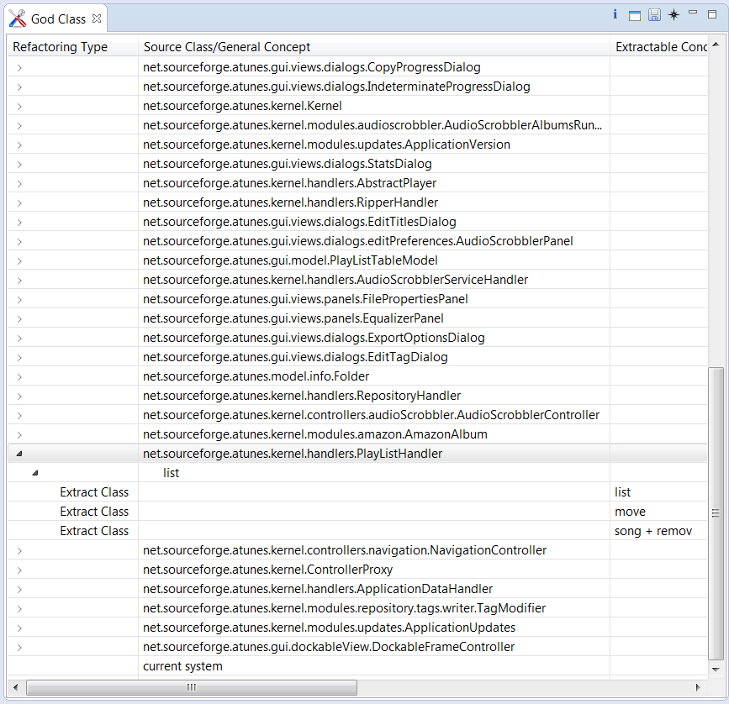
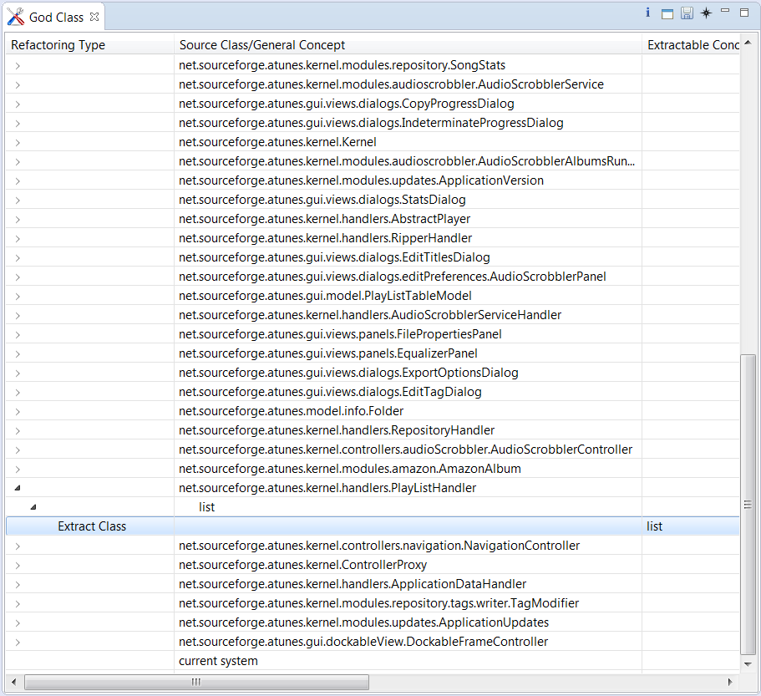
Smell | AKA | Selected for Refactoring | Justifications for Refactoring | Refactoring Used | Description and Rationale
Feature Envy
God Class |  | Y | • Refactoring of these classes spares developers from needing to remember a large number of attributes for a class. • In many cases, splitting large classes into parts avoids duplication of code and functionality. | Extract Class | Some of the operations on playlist from God Class PlayListHandler.java (namely - sortPlaylistByTrack(), sortPlaylistByTitle(), sortPlaylistByArtist(), sortPlaylistByAlbum(), sortPlaylistByGenre(), sortPlaylistByDuration(), moveToTop(), moveUp(), moveDown(), moveToBottom()) were extracted to a new class PlayListHandlerOperations.java to simplify the former.
Type Checking | Switch Statements
Data Class
Schizophrenic Class | Divergent Change
Data clumps
Internal Duplication
External Duplication
Message Chains

Before Refactoring |  |  |  | After Refactoring

Code Smell Visualization
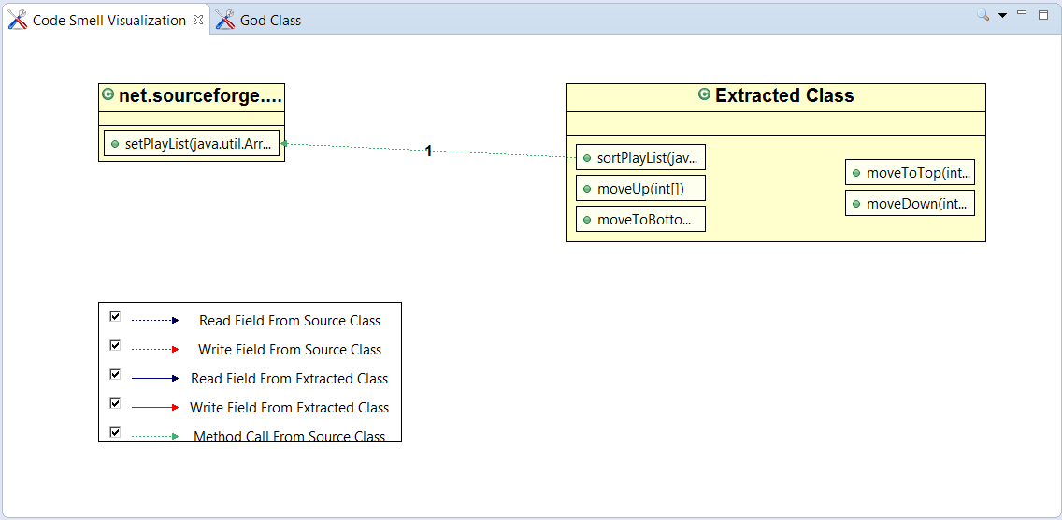

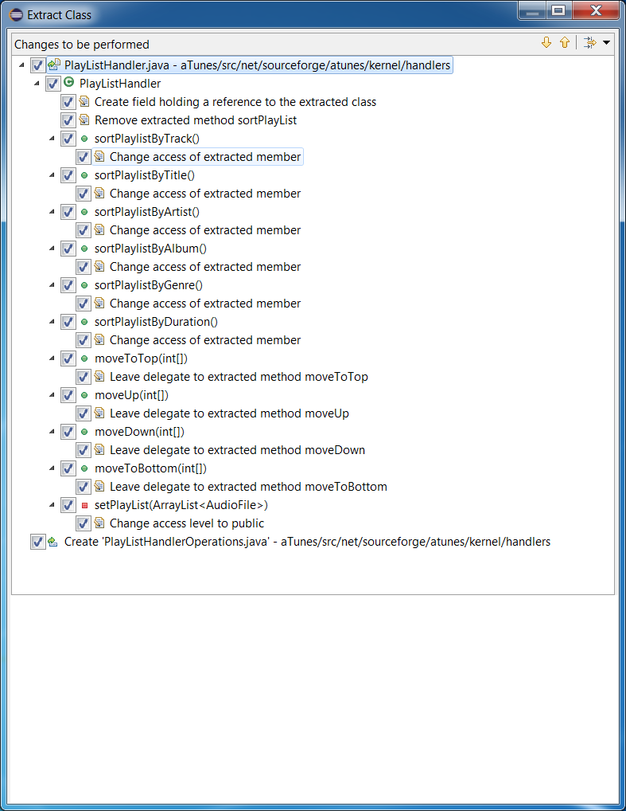

Changes to be Performed
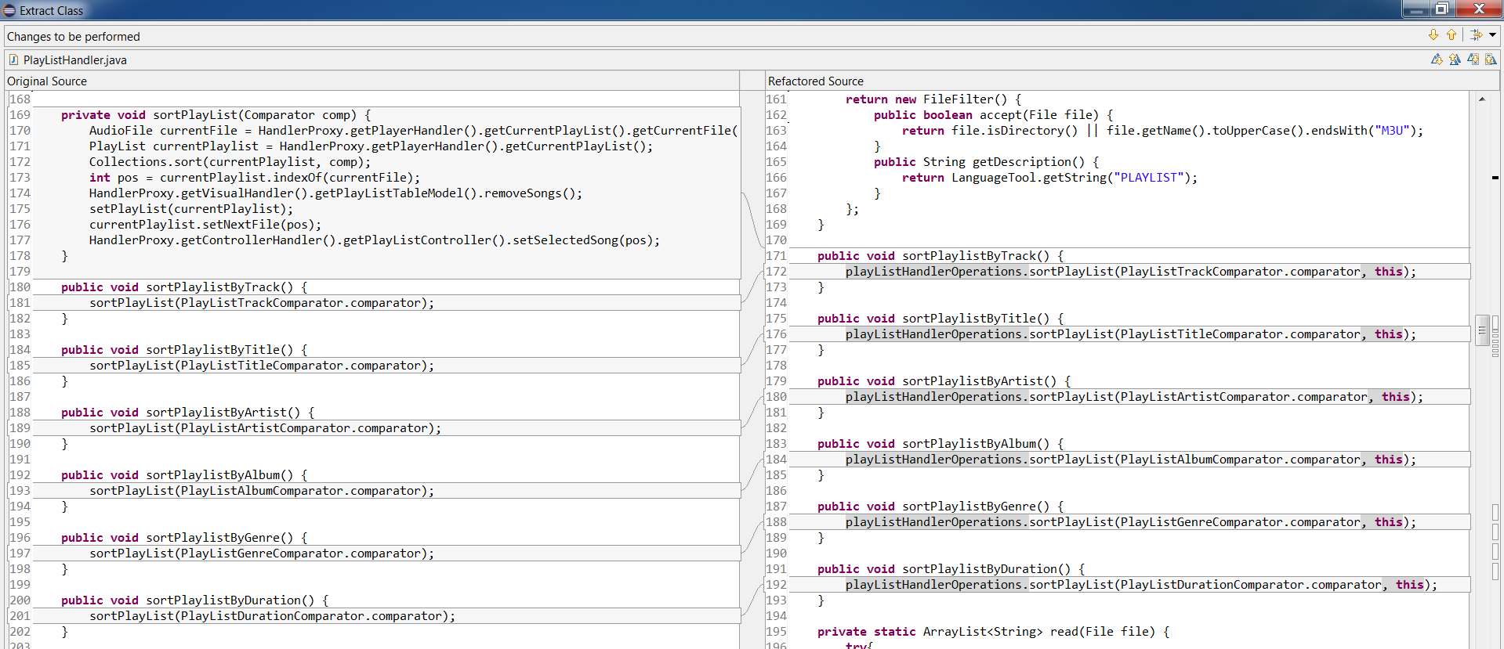

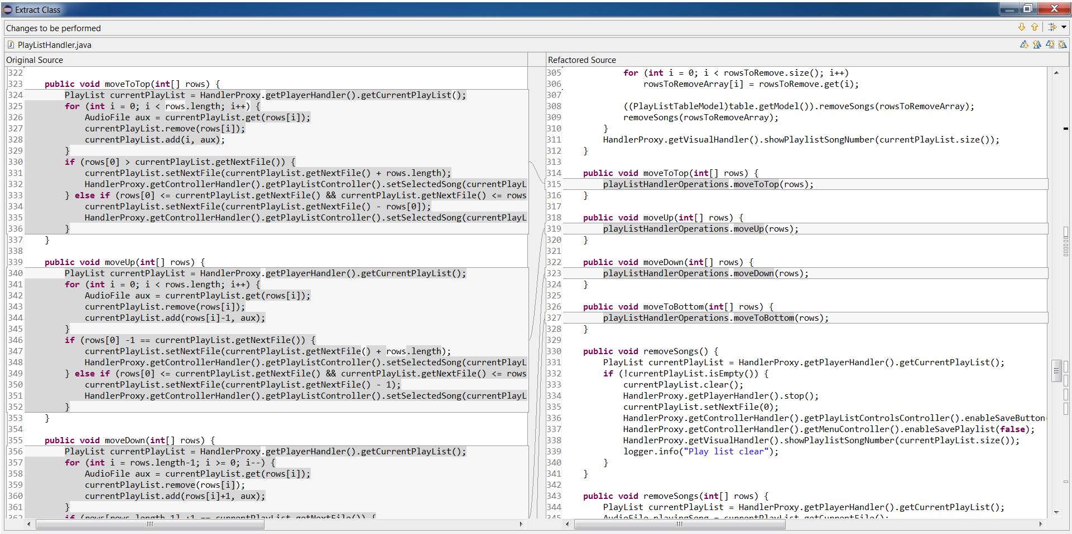

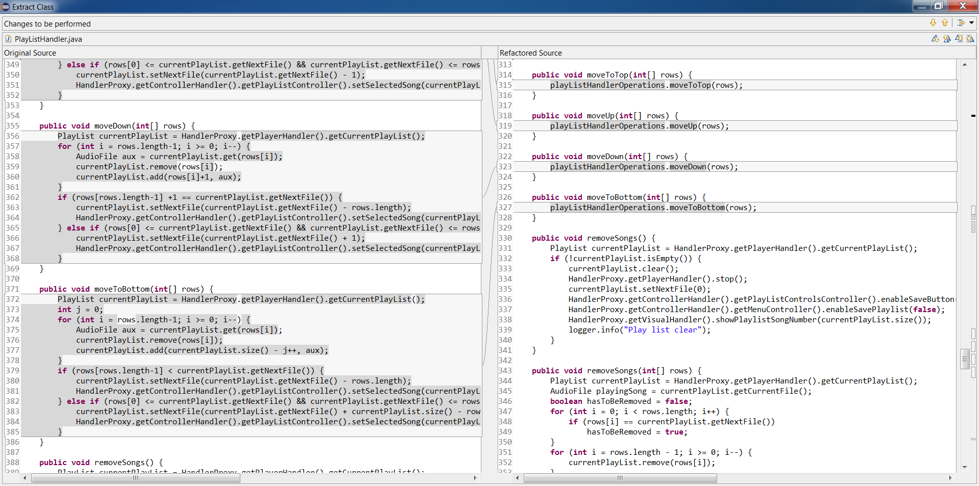

After Code Change
