Code Smell Visualization
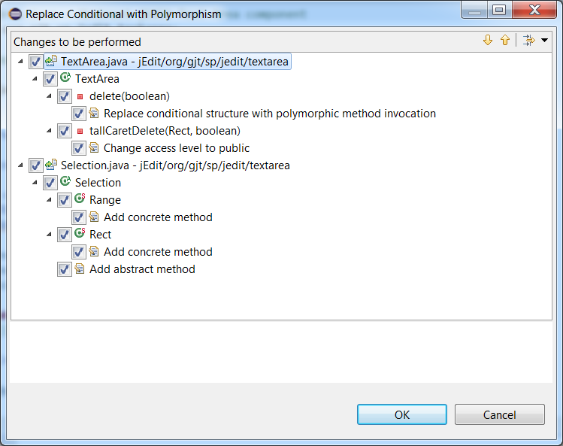

Changes to be Performed
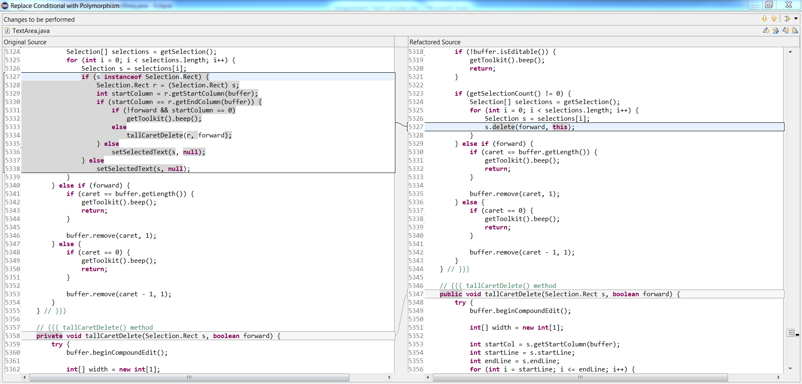

After Code Change
/jEdit/org/gjt/sp/jedit/textarea/TextArea.java
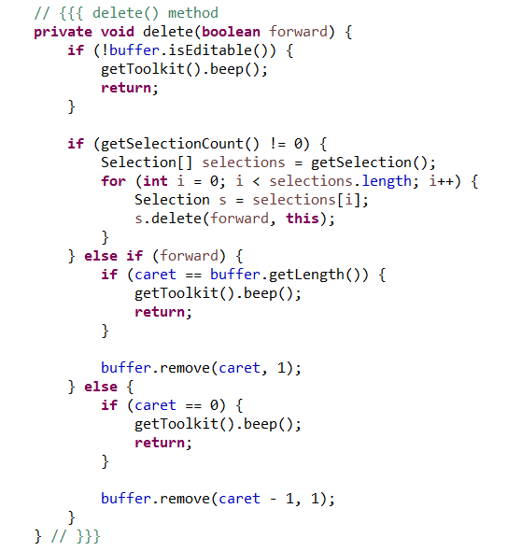

/jEdit/org/gjt/sp/jedit/textarea/Selection.java

