Smells
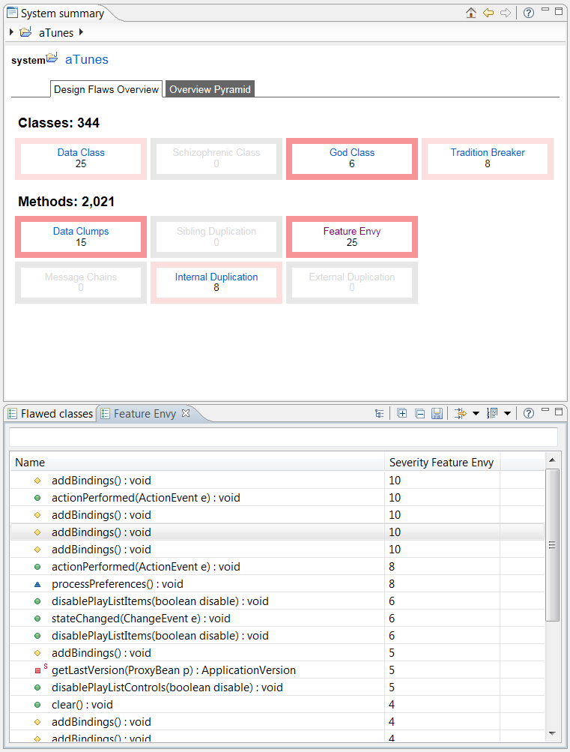
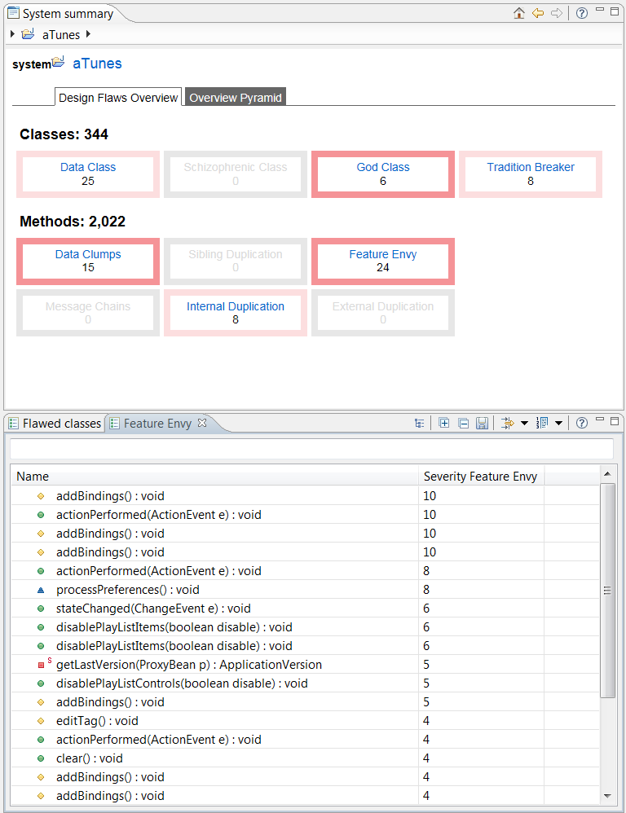
Smell | AKA | Selected for Refactoring | Justifications for Refactoring | Refactoring Used | Description and Rationale
Feature Envy |  | Y | • Less code duplication (if the data handling code is put in a central place). • Better code organization (methods for handling data are next to the actual data). | Extract Method | Protected method addBindings() in PlayListControlsController.java was heavily using data from external class PlayListControlsPanel.java to add bindings to PlaylistControlsListener.java class. So, we have created a public method addBindings(PlaylistControlsListener listener) in PlayListControlsPanel.java class that takes an instance of PlaylistControlsListener as an input and adds the bindings to its properties accordingly - which then is called from PlayListControlsController.java.
God Class
Type Checking | Switch Statements
Data Class
Schizophrenic Class | Divergent Change
Data clumps
Internal Duplication
External Duplication
Message Chains

Before Refactoring |  |  |  | After Refactoring

Refactored Code
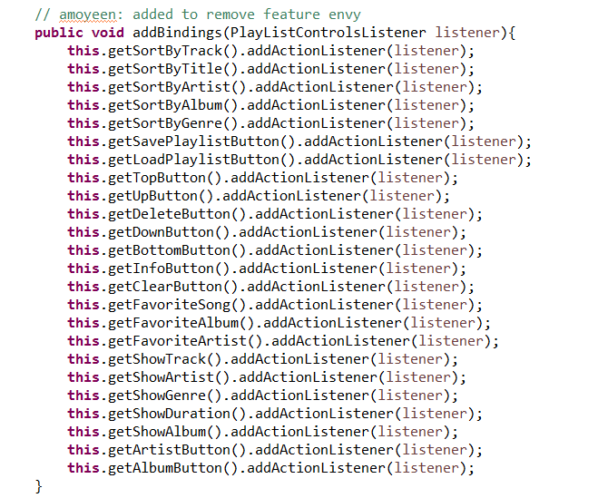
Feature Envy
Before Refactoring | After Refactoring
/aTunes/src/net/sourceforge/atunes/kernel/controllers/playListControls/PlayListControlsController.java | /aTunes/src/net/sourceforge/atunes/kernel/controllers/playListControls/PlayListControlsController.java
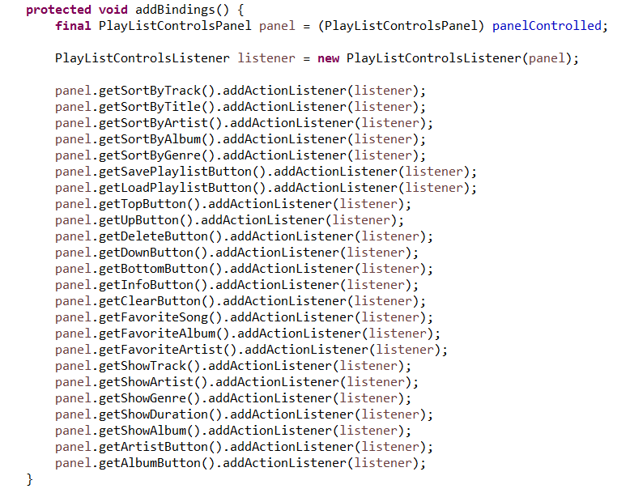

 | /aTunes/src/net/sourceforge/atunes/gui/views/panels/PlayListControlsPanel.java

