Smells
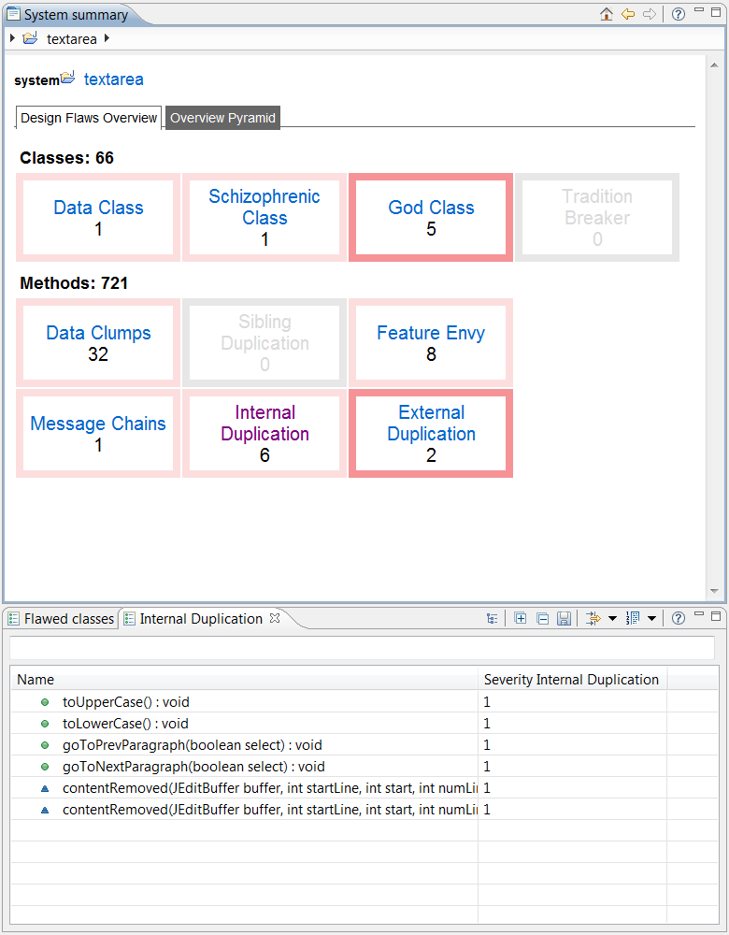
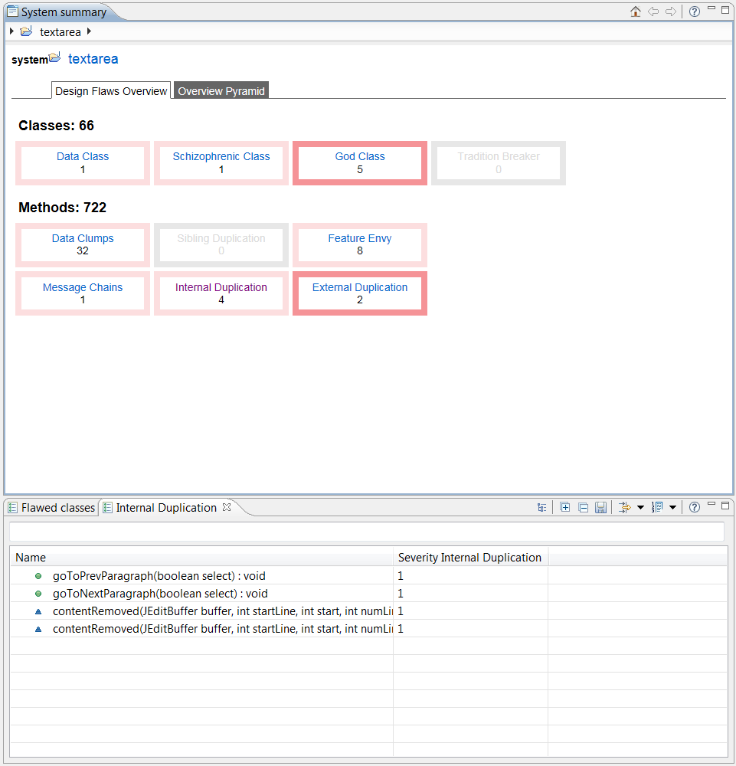
Smell | AKA | Selected for Refactoring | Justifications for Refactoring | Refactoring Used | Description and Rationale
Feature Envy
God Class
Type Checking | Switch Statements
Data Class
Schizophrenic Class | Divergent Change
Data clumps
Internal Duplication |  | Y | • Merging duplicate code simplifies the structure of the code and makes it shorter. • Simplification + Shortness = code that is easier to simplify and cheaper to support. | Extract Method | Public methods toUpperCase() and toLowerCase() in TextArea.java were exactly identical except just in one line where they were calling different String extensions of toUpperCase() and toLowerCase() respectively. So, we created a private method changeCase(String toCase) with an input parameter that tells which case to change to - and called that private method from the formers with appropriate inputs.
External Duplication
Message Chains

Before Refactoring |  |  |  | After Refactoring

Refactored Code
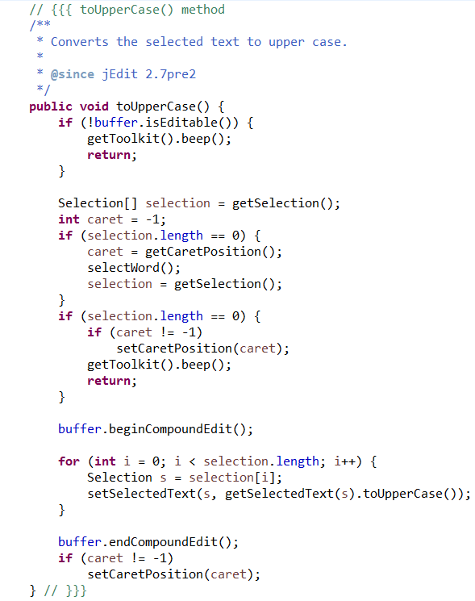
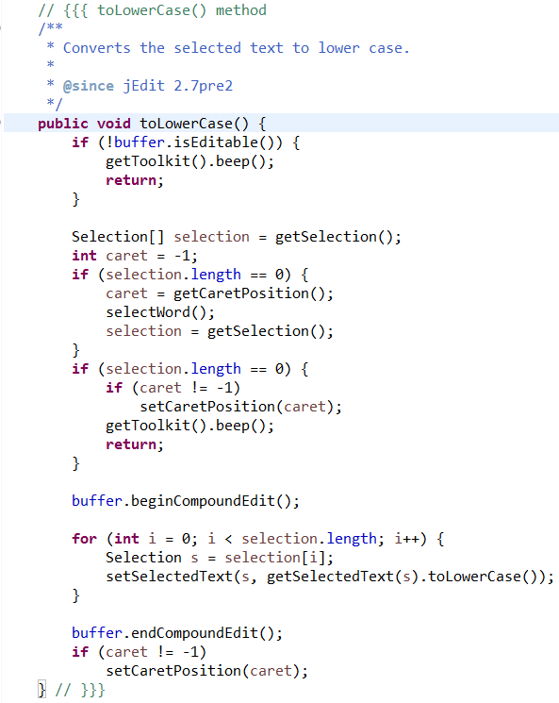
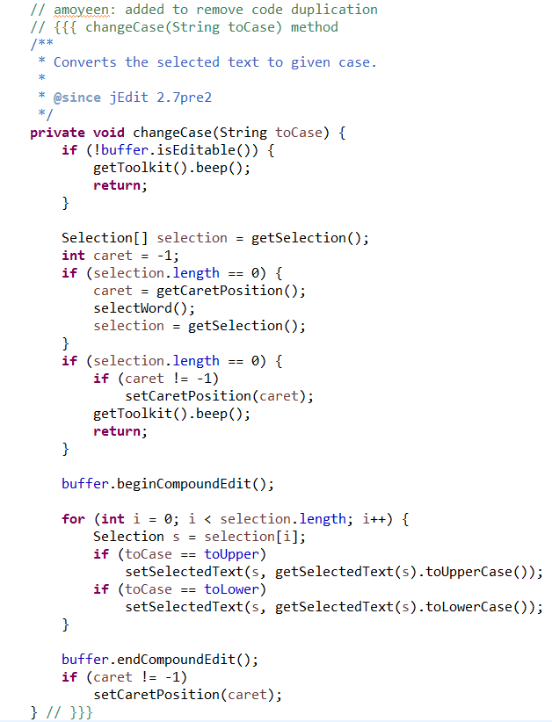
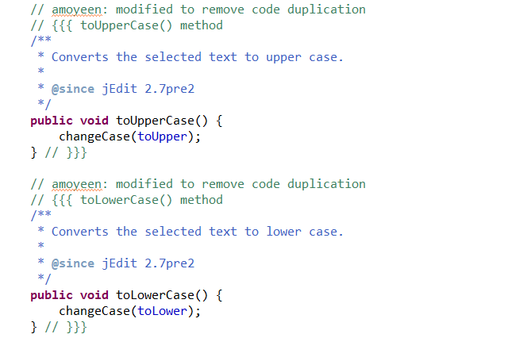
Internal Duplication
Before Refactoring | After Refactoring
/jEdit/org/gjt/sp/jedit/textarea/TextArea.java

