FILTER
 |  |  | ADVANCE SEARCH

SEARCH

TAG NO. | NAME | PAYMENT METHOD | T SHIRT SIZE
SN-123 | LUFFY | CASH | XL
SN-009 | ZORO | CREDIT CARD | XXL
SD-345 | NAMI | CASH | XXL
SN-899 | SANJI | CREDIT CARD | XXL | TAG NO. | NAME | PAYMENT METHOD | T SHIRT SIZE
LR-567 | USOOP | CASH | XL |  |  | PENDING
SR-344 | HINATA | CREDIT CARD | SMALL
SMA-56 | NARUTO | CREDIT CARD | XL
XX-456 | SASUKE | CASH | XL | TAG NO. | NAME | PAYMENT METHOD | T SHIRT SIZE
SHIR-345 | SAKURA | CASH | SMALL | SD-345 | ZENITSU | PENDING | XL
SHI-346 | OBITO | CREDIT CARD | XL | SN-899 | NEZUKO | PENDING | XL
SHR-347 | RIN | CREDIT CARD | SMALL | LR-567 | LUCY | PENDING | SMALL
SIR-348 | EREN | CASH | MEDIUM | XX-456 | INOUSUKE | PENDING | MEDIUM
HIR-349 | MIKASA | CASH | SMALL | SHIR-345 | ZARAKI | PENDING | SMALL
SHO-350 | LEVI | CASH | SMALL
SN-009 | TANJIRO | CREDIT CARD | XL
SD-345 | ZENITSU | PENDING | XL
SN-899 | NEZUKO | PENDING | XL
LR-567 | LUCY | PENDING | SMALL
SR-344 | KANAO | CHEQUE | MEDIUM
SMA-56 | SHINOBU | CHEQUE | SMALL
XX-456 | INOUSUKE | PENDING | MEDIUM
SHIR-345 | GIYU | CHEQUE | XL
SHIR-345 | ZARAKI | PENDING | SMALL
SHI-346 | ICHIGO | CHEQUE | XXL
SHR-347 | IKAKU | CHEQUE | XXL

 | CASH
 | CREDIT CARD
 | PENDING
 | CHEQUE

AUTOMATIC BILLING
STARCRAFT COMPUTER'S

NEAR RAILWAY STATION KUMARHATTI (M) 8544795232 HP

CUSTOMER DETAILS

GEN INVOICE
CUSTOMER NAME |  |  |  |  |  |  | INVOICE NO | 39
COMPLETE ADDRESS |  |  |  |  |  |  | DATE | 2026-05-05
PHONE NO |  |  |  |  |  |  | SALE TYPE | State Sale
GSTIN
GEN PDF

S NO | PRODUCT | HSN CODE | GST | PRICE | QTY | GROSS AMOUNT | NET AMOUNT
1 | CPU | 368 | 8% | 5286 | 5 | ₹ 26,430 | ₹ 28,544
2 | WIRELESS KEYBOARD | 295 | 3% | 5860 | 7 | ₹ 41,020 | ₹ 42,251
3 | WIRELESS MOUSE | 370 | 5% | 7564 | 9 | ₹ 68,076 | ₹ 71,480

 |  |  |  |  |  | SUMMARY | AMOUNT
 |  |  |  |  |  | NET AMOUNT | ₹ 142,275

 |  |  |  |  |  | CGST | ₹ 74,512
 |  |  |  |  |  | SGST | ₹ 74,512
 |  |  |  |  |  | GRAND TOTAL | ₹ 135,526

AMOUNT IN WORDS

CUSTOMER SIGNATURE |  |  |  |  |  | ACCOUNT SIGNATURE

THANK YOU NOTE FOR YOUR BUSINESS

BATTERY CHART
SL | 6 % | BATTERY CHART
ACCTUAL | 48
REM | 52 %
SL | 6 %

52 %

PICTURE LOOKUP
DATE OF ADDMISSION | REG. NO. | STUDENT NAME` | COURSE TYPE | DURATION | MOBILE NO. | PHOTO
2023-01-30 | 16992 | HINATA | DIPLOMA IN COMPUTER APPLICATION | 2 SEM/1 YEAR | 8544795228 | 
2023-02-20 | 19684 | ROBIN | DIPLOMA IN COMPUTER APPLICATION | 2 SEM/1 YEAR | 8544795222 | 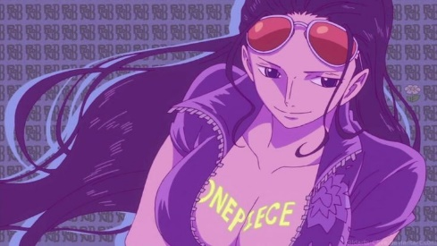
2023-12-29 | 12095 | NAMI | DIPLOMA IN COMPUTER APPLICATION | 2 SEM/1 YEAR |  8544795224
2023-11-19 | 11219 | MIKU | DIPLOMA IN COMPUTER APPLICATION | 2 SEM/1 YEAR | 8544795231 | 
2023-10-17 | 14287 | NEZUKO | DIPLOMA IN COMPUTER APPLICATION | 2 SEM/1 YEAR | 8544795231 | 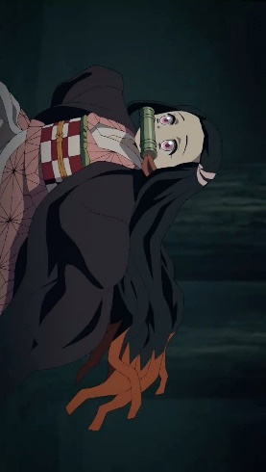
2023-05-23 | 12385 | TSUNADE | DIPLOMA IN COMPUTER APPLICATION | 2 SEM/1 YEAR | 8544795224 | 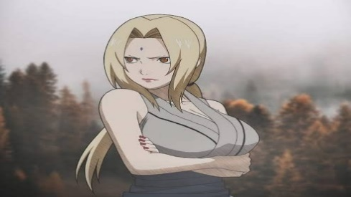
2023-04-10 | 10803 | KONAN | DIPLOMA IN COMPUTER APPLICATION | 2 SEM/1 YEAR | 8544795233 | 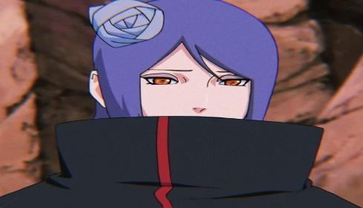
2023-06-16 | 14143 | SHINOBU | DIPLOMA IN COMPUTER APPLICATION | 2 SEM/1 YEAR | 8544795226 | 
2023-02-16 | 10684 | MEI-SAN | DIPLOMA IN COMPUTER APPLICATION | 2 SEM/1 YEAR | 8544795227 | 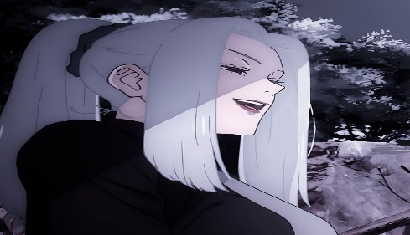
2023-08-26 | 18311 | KOMI-SAN | DIPLOMA IN COMPUTER APPLICATION | 2 SEM/1 YEAR |  8544795227
2023-04-24 | 10819 | MAKIMA | DIPLOMA IN COMPUTER APPLICATION | 2 SEM/1 YEAR | 8544795229 | 
2023-10-27 | 14447 | MIKASA | DIPLOMA IN COMPUTER APPLICATION | 2 SEM/1 YEAR | 8544795223 | 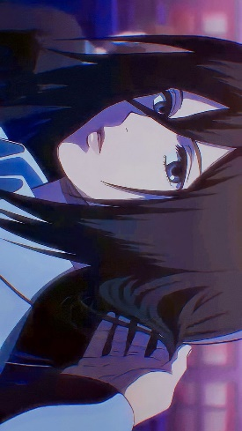
2023-06-10 | 17415 | ERZA | DIPLOMA IN COMPUTER APPLICATION | 2 SEM/1 YEAR |  8544795232
2023-01-16 | 14768 | YUMEKO | DIPLOMA IN COMPUTER APPLICATION | 2 SEM/1 YEAR | 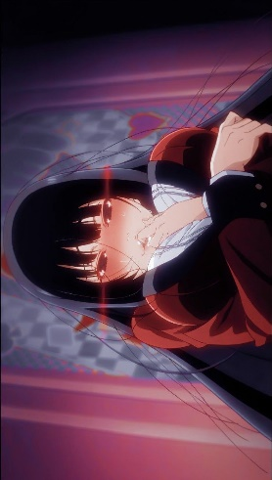 8544795228
2023-10-17 | 10924 | RIN | DIPLOMA IN COMPUTER APPLICATION | 2 SEM/1 YEAR | 8544795226 | 
2023-03-17 | 19900 | KUSHINA | DIPLOMA IN COMPUTER APPLICATION | 2 SEM/1 YEAR | 8544795233 | 
2023-07-17 | 15743 | YOR | DIPLOMA IN COMPUTER APPLICATION | 2 SEM/1 YEAR | 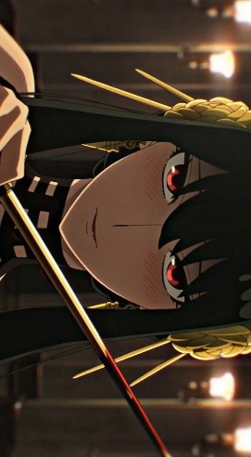 8544795227

