PR with respect to changes
Type | Count
Small | 288
Medium | 182
Large | 157

Lang61
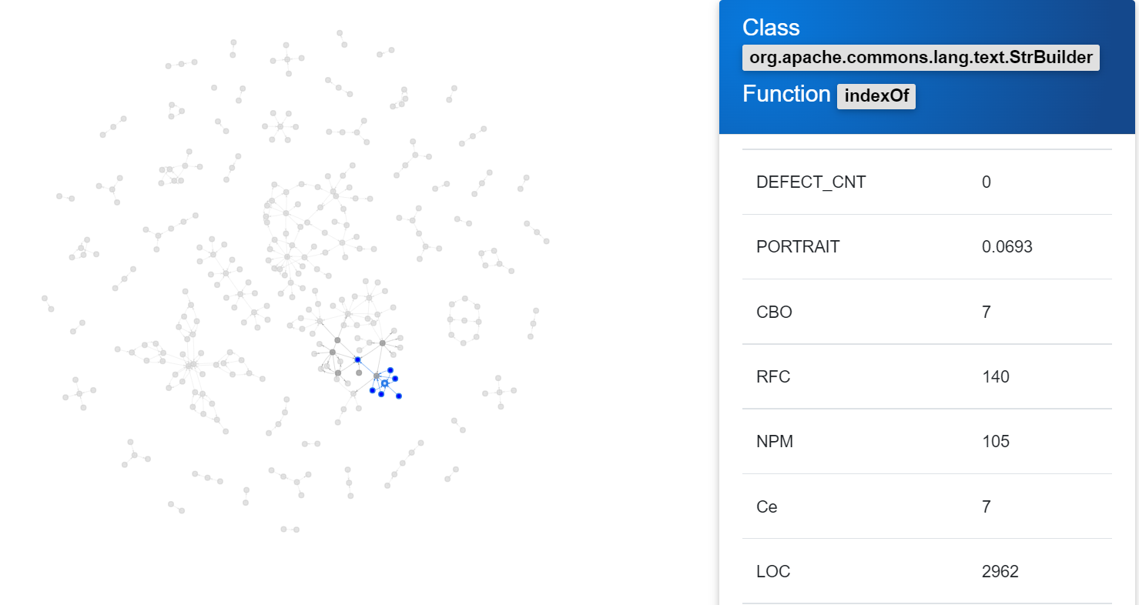
Bug id | # Files | # Classes | # Methods | # Lines | # Added | # Removed | # Modified | # Chunks | # Failing tests | # Repair Actions | # Repair Patterns | First exception
Lang61 | 1 | 1 | 1 | 1 | 0 | 0 | 1 | 1 | 2 | 2 | 4 | AssertionFailedError

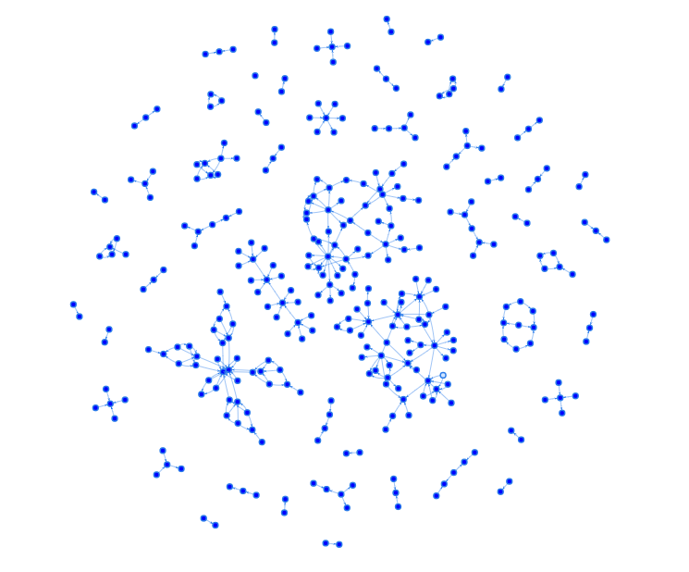
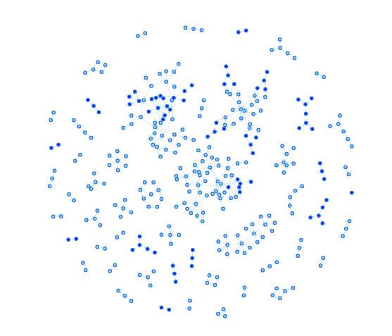
org.apache.commons.lang.text.StrBuilder
Version | 1.1 | 1.2
Total test | 4985 | 4985
Failed Test | 2 | 0
AMC | 25.8727 | 25.8909
PORTRAIT | 0.0000 | 0.0693
LOC | 2962 | 2964

 |  |  |  |  | Lang61 1.1 |  |  |  | Lang61 1.2

Lang42
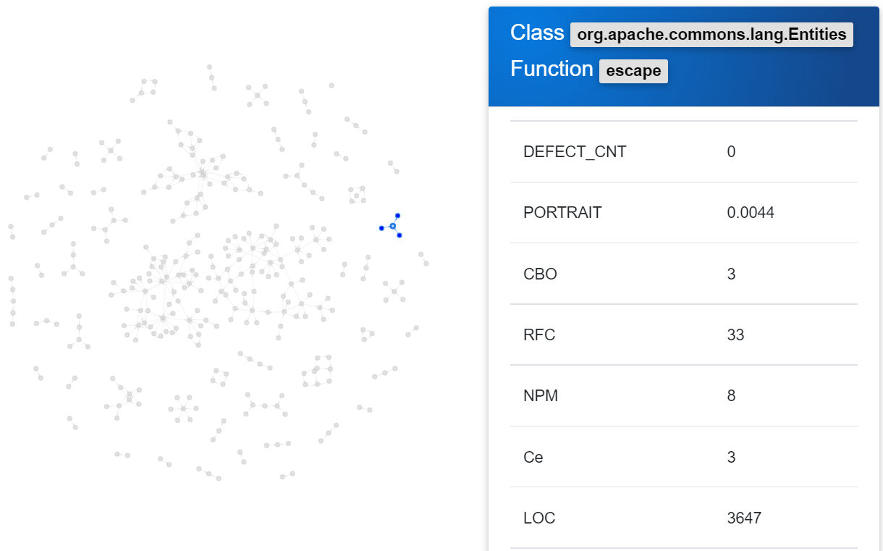
Bug id | # Files | # Classes | # Methods | # Lines | # Added | # Removed | # Modified | # Chunks | # Failing tests | # Repair Actions | # Repair Patterns | First exception
Lang42 | 1 | 1 | 1 | 7 | 5 | 0 | 2 | 2 | 1 | 6 | 3 | ComparisonFailure

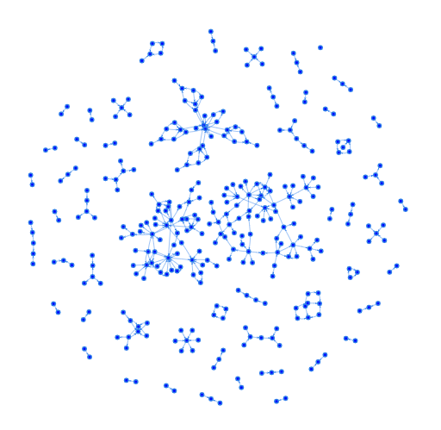
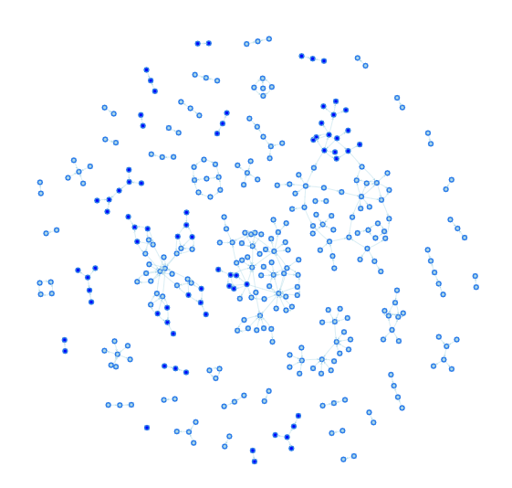
org.apache.commons.lang.lang.Entities
Version | 1.1 | 1.2
Total test | 5156 | 5156
Failed Test | 1 | 0
AMC | 278.9231 | 280.5385
PORTRAIT | 0.0000 | 0.0044
LOC | 3647 | 3668

 |  |  |  |  | Lang42 1.1 |  |  |  | Lang42 1.2

Lang26
Bug id | # Files | # Classes | # Methods | # Lines | # Added | # Removed | # Modified | # Chunks | # Failing tests | # Repair Actions | # Repair Patterns | First exception
Lang26 | 1 | 1 | 1 | 1 | 0 | 0 | 1 | 1 | 1 | 1 | 3 | ComparisonFailure

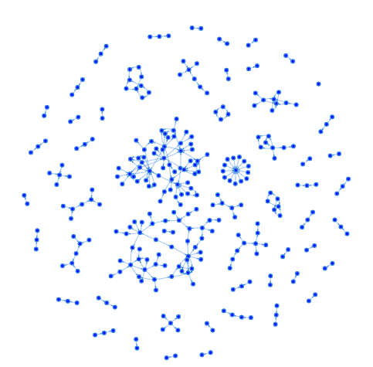
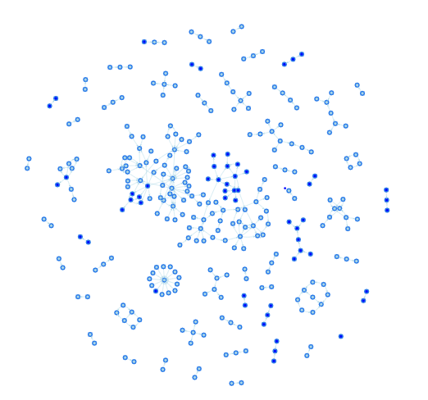
org.apache.commons.lang3.time.FastDateFormat
Version | 1.1 | 1.2
Total test | 5213 | 5213
Failed Test | 1 | 0
AMC | 26.3256 | 26.3721
PORTRAIT | 0.0000 | 0.0072
LOC | 1193 | 1195

 |  |  |  |  | Lang26 1.1 |  |  |  | Lang26 1.2

Lang48
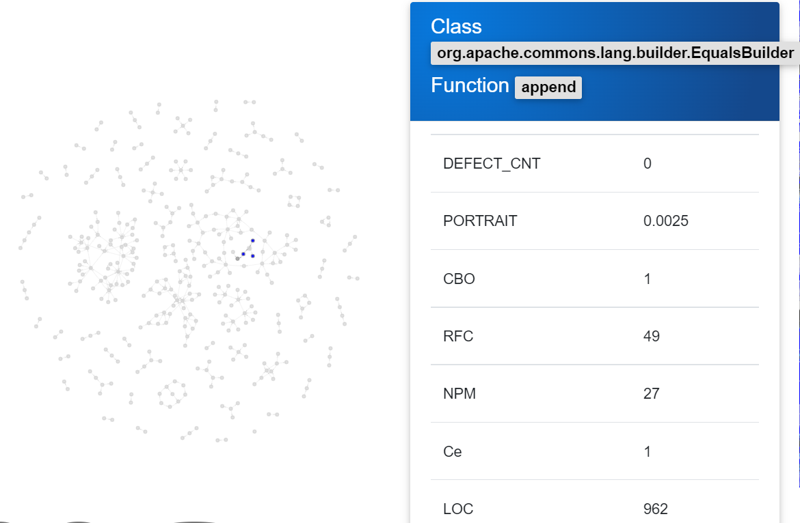
Bug id | # Files | # Classes | # Methods | # Lines | # Added | # Removed | # Modified | # Chunks | # Failing tests | # Repair Actions | # Repair Patterns | First exception
Lang48 | 1 | 1 | 1 | 4 | 4 | 0 | 0 | 2 | 1 | 3 | 1 | AssertionFailedError

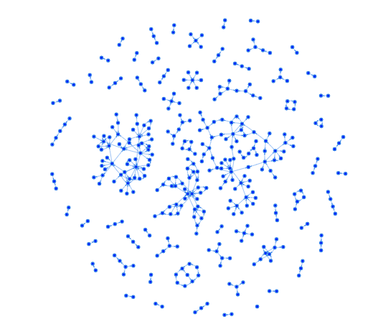
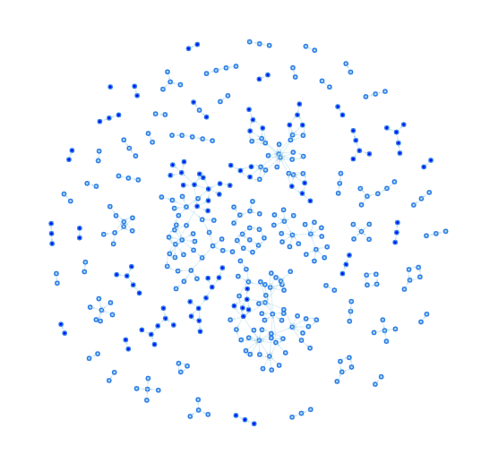
org.apache.commons.lang.builder.EqualsBuilder
Version | 1.1 | 1.2
Total test | 6453 | 6453
Failed Test | 1 | 0
AMC | 32.1379 | 32.6552
PORTRAIT | 0.0000 | 0.0025
LOC | 962 | 977

 |  |  |  |  | Lang48 1.1 |  |  |  | Lang48 1.2

Survey
Question | Yes | No | May Be
The tools interface is intuitive and user-friendly | 22 | 2 | 0
I believe that using this tool can save time and efforts in pull request review process? | 21 | 1 | 2
I would recommend software developers to use GraphEVOPR tool? | 22 | 1 | 1
This tool is helpful in review the pull request rather than doing it manually ? | 18 | 0 | 6
Using this tool, you can identify test coverage? | 23 | 0 | 1
The call graph visualization is helpful to identify the overall impact on software structure before accepting or rejecting the pull request ? | 23 | 1 | 0
Network Portrait Divergence (NPD) value from software metric helps in pull request review to identify low, medium or high impact? | 23 | 0 | 1
Overall, the tool is helpful in pull request review process before merging the code? | 23 | 0 | 1
 | Yes | No | May Be
The tools interface is intuitive and user-friendly | 22 | 2 | 0
I believe that using this tool can save time and efforts in pull request review process? | 21 | 1 | 2
I would recommend software developers to use GraphEVOPR tool? | 22 | 1 | 1
This tool is helpful in review the pull request rather than doing it manually ? | 18 | 0 | 6
Using this tool, you can identify test coverage? | 23 | 0 | 1
The call graph visualization is helpful to identify the overall impact on software structure before accepting or rejecting the pull request ? | 23 | 1 | 0
Network Portrait Divergence (NPD) value from software metric helps in pull request review to identify low, medium or high impact? | 23 | 0 | 1
Overall, the tool is helpful in pull request review process before merging the code? | 23 | 0 | 1

