View2
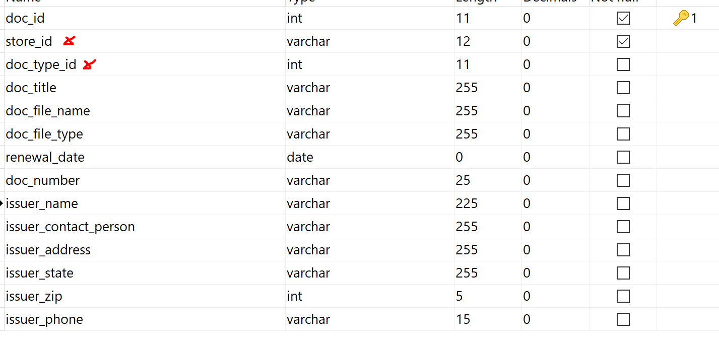
VIEW 2

 | create a form that will help capture all the info needed for table: suncom_stores_docs

 | store_id | create a drop drow from "sun_stores" table, show store name to user but store store_id in this table
 | doc_type_id | create a drop down from "sun_stores_docs_type" show doc_type to user but store doc_type_id in this table
 | doc_title | text field for user to fill
 | doc_file_name | file name of the file uploaded by user
 | doc_file_type | file extension
 | renewal date | date field for user to fill
 | doc_number | input field (alphanumeric)
 | reset is not mandator input field

