3rd norm
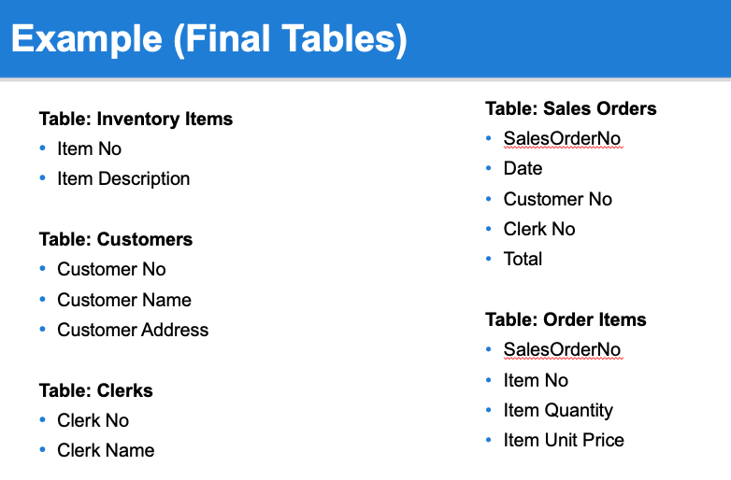
sales order

Sales Order No | Date | Customer No | Clerk No
SO1001 | 2024-08-28 | CUST001 | CLRK01
SO1002 | 2024-08-28 | CUST002 | CLRK02
SO1003 | 2024-08-29 | CUST003 | CLRK01
SO1004 | 2024-08-29 | CUST001 | CLRK01
SO1005 | 2024-08-30 | CUST001 | CLRK05

 |  |  | Clerk No | Clerk Name | Customer No | Customer Name | Customer Address
 |  |  | CLRK01 | Alice Smith | CUST001 | John Doe | 123 Elm Street, City A
 |  |  | CLRK02 | Bob Johnson | CUST002 | Jane Roe | 456 Oak Avenue, City B
 |  |  | CLRK01 | Alice Smith | CUST003 | Mary Major | 789 Pine Road, City C
 |  |  | CLRK01 | Alice Smith | CUST001 | John Doe | 321 Maple Lane, City D
 |  |  | CLRK05 | Eva Green | CUST001 | John Doe | 654 Birch Boulevard, City E

Readme
