PCA
 |  |  |  |  |  |  |  |  |  | COVARIANCE MATRIX |  |  |  | f1-mean(f1) | f2-mean(f2) | O*P | sum(Q)/5, COV(F1,F2)
 | f1 | f2 | f3 | f4 | f1 | f2 | f3 | f4 |  | F1 | F2 | F3 | F4 | -1 | -0.63245553207 | 0.63245553207 | -0.25298221283
 | 1 | 2 | 3 | 4 | -1 | -0.63245553207 | 0 | 0.26062334528 | F1 | 0.8 | -0.25298221283 | 0.03849 | -0.14479 | 0.33333333333 | 1.2649110641 | 0.42163702138
 | 5 | 5 | 6 | 7 | 0.33333333333 | 1.2649110641 | 1.7320508051 | 1.5637400717 | F2 | -0.25298221283 | 0.80000000009 | 0.51121 | 0.4945 | -1 | 0.63245553207 | -0.63245553207
 | 1 | 4 | 2 | 3 | -1 | 0.63245553207 | -0.57735026838 | -0.17374889685 | F3 | 0.03849 | 0.51121 | 0.79999999775 | 0.75236 | 0.33333333333 | 0 | 0
 | 5 | 3 | 2 | 1 | 0.33333333333 | 0 | -0.57735026838 | -1.0424933811 | F4 | -0.14479 | 0.4945 | 0.75236 | 0.8 | 1.3333333333 | -1.2649110641 | -1.6865480855
 | 8 | 1 | 2 | 2 | 1.3333333333 | -1.2649110641 | -0.57735026838 | -0.60812113898 |  |  |  |  |  | 0 | 0 | 0
Mean | 4 | 3 | 3 | 3.4 | 0 | 0 | 0 | 0

SD | 3 | 1.5811388301 | 1.7320508076 | 2.3021728866 | 1 | 1.0000000001 | 0.9999999986 | 0.99999999854

 | 1 | 9
 | 5 | 1
 | 1 | 9
 | 5 | 1
 | 8 | 16
 |  | 36 |  |  |  |  |  |  |  | var(f1) = ((-1.0-0)² + (0.33-0)² + (-1.0-0)² +(0.33–0)² +(1.33–0)²)/5
 |  | 3 |  |  |  |  |  |  |  | var (f1) = 0.8

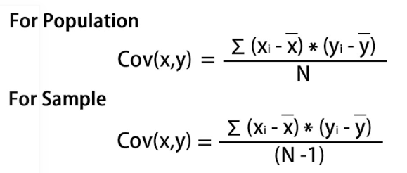

 |  |  |  |  |  |  |  |  |  | For λ = 2.51579324, solving the above equation using Cramer's rule, the values for v vector are

 |  |  |  |  |  |  |  |  |  | v1 = 0.16195986
 |  |  |  |  |  |  |  |  |  | v2 = -0.52404813
 |  |  |  |  |  |  |  |  |  | v3 = -0.58589647
 |  |  |  |  |  |  |  |  |  | v4 = -0.59654663

 |  |  |  |  |  |  |  |  |  | Transform the original matrix.
 |  |  |  |  |  |  |  |  |  | Feature matrix * top k eigenvectors = Transformed Data

