Sheet1
Link | Page | Userbility | Design | Note | Others
http://122.160.74.251:3024/dashboard | Dashboard | Clarity |  | Add Login and Log out buttons on the navigation panel
http://122.160.74.251:3024/dashboard | Dashboard | Clarity |  | The buttons on the navigation panel need to have the drop down list
http://122.160.74.251:3024/dashboard | Dashboard |  | Font | The font of the buttons on the navigation panel need to be the same as the rest of the page and please make sure that the font is consistent with all the other pages
http://122.160.74.251:3024/dashboard | Dashboard |  | Space | Widen the spacing between each of the session, currently is a bit too tight | The spacing such as the blue session
http://122.160.74.251:3024/free-energy | Free energy page 1 |  | Font | The font of "Yes" and "No" under map the roof for appropriate solar sytem is different than the others. Please make sure it's the same | Do you want to map your roof for appropriate solar system recommendation Yes (Map my roof) No (Give the recommendation regardless of how big is the roof)
http://122.160.74.251:3024/free-energy | Free energy page 1 | Clarity |  | The buttons on the navigation panel need to have the drop down list | The spacing such as the blue session
http://122.160.74.251:3024/free-energy | Free energy page 1 |  | Font | Put this sentence to the left hand side and make the font larger and make it consistent throughout all the other pages | Realise the benefits of adopting solar & battery with a simple 4 steps estimation
http://122.160.74.251:3024/free-energy | Free energy page 1 |  | Space | Put more spacing between the navigation panel and the session below | Please see the attached
http://122.160.74.251:3024/free-energy | Free energy page 2 | Clarity |  | 1. Make this field a must filled, people has to key in a number above 0 2. Make the sentence as follows: Average daily consumption in kWh (See a sample bill and ensure that the average daily consumption needs to be above 0 kWh) | Average daily consumption in kWh (See a sample bill)
http://122.160.74.251:3024/free-energy | Free energy page 3 |  | Font | The font of "Yes" and "No" under have an energy contract is not consistent with others. Please make sure it's the same. | Do you have an energy contract with your retailer Yes No
http://122.160.74.251:3024/free-energy | Free energy page 4 |  | Font | The font of the dropdown list of "How do you plan to finance the solar system" is not the same as the rest. | How do you plan to finance the solar system
http://122.160.74.251:3024/free-energy | Free energy page 5 |  | Space | Put more spacing between the navigation panel and the session below
http://122.160.74.251:3024/free-energy | Free energy page 5 |  | Font | 1. Change the following sentence to: Summary 2. Make sure the font size of Summary is consistent with Installation details title 3. Make sure all the font of page is consistent with all the other pages | Summary and same size as my solar estimate
http://122.160.74.251:3024/payment | Payment page 2 |  |  | Correct the sentence: Premium $200 Unlock more detailed assessments and improve the return on Investment by over 20%. | Free $200 Unlock more detailed assessments and improve the return on Investment by over 20%.
http://122.160.74.251:3024/payment | Payment page 3 |  | Space | Add spacing between order confirmation and the navigation panel
http://122.160.74.251:3024/payment | Payment page 4 |  |  | Delete the following | Tip the installer Optional tip for the installer.
http://122.160.74.251:3024/more-trials | More trials |  |  | The bottom panel needs to be the same as the home page | Solarize Solar panels delivered to your doorstep! | 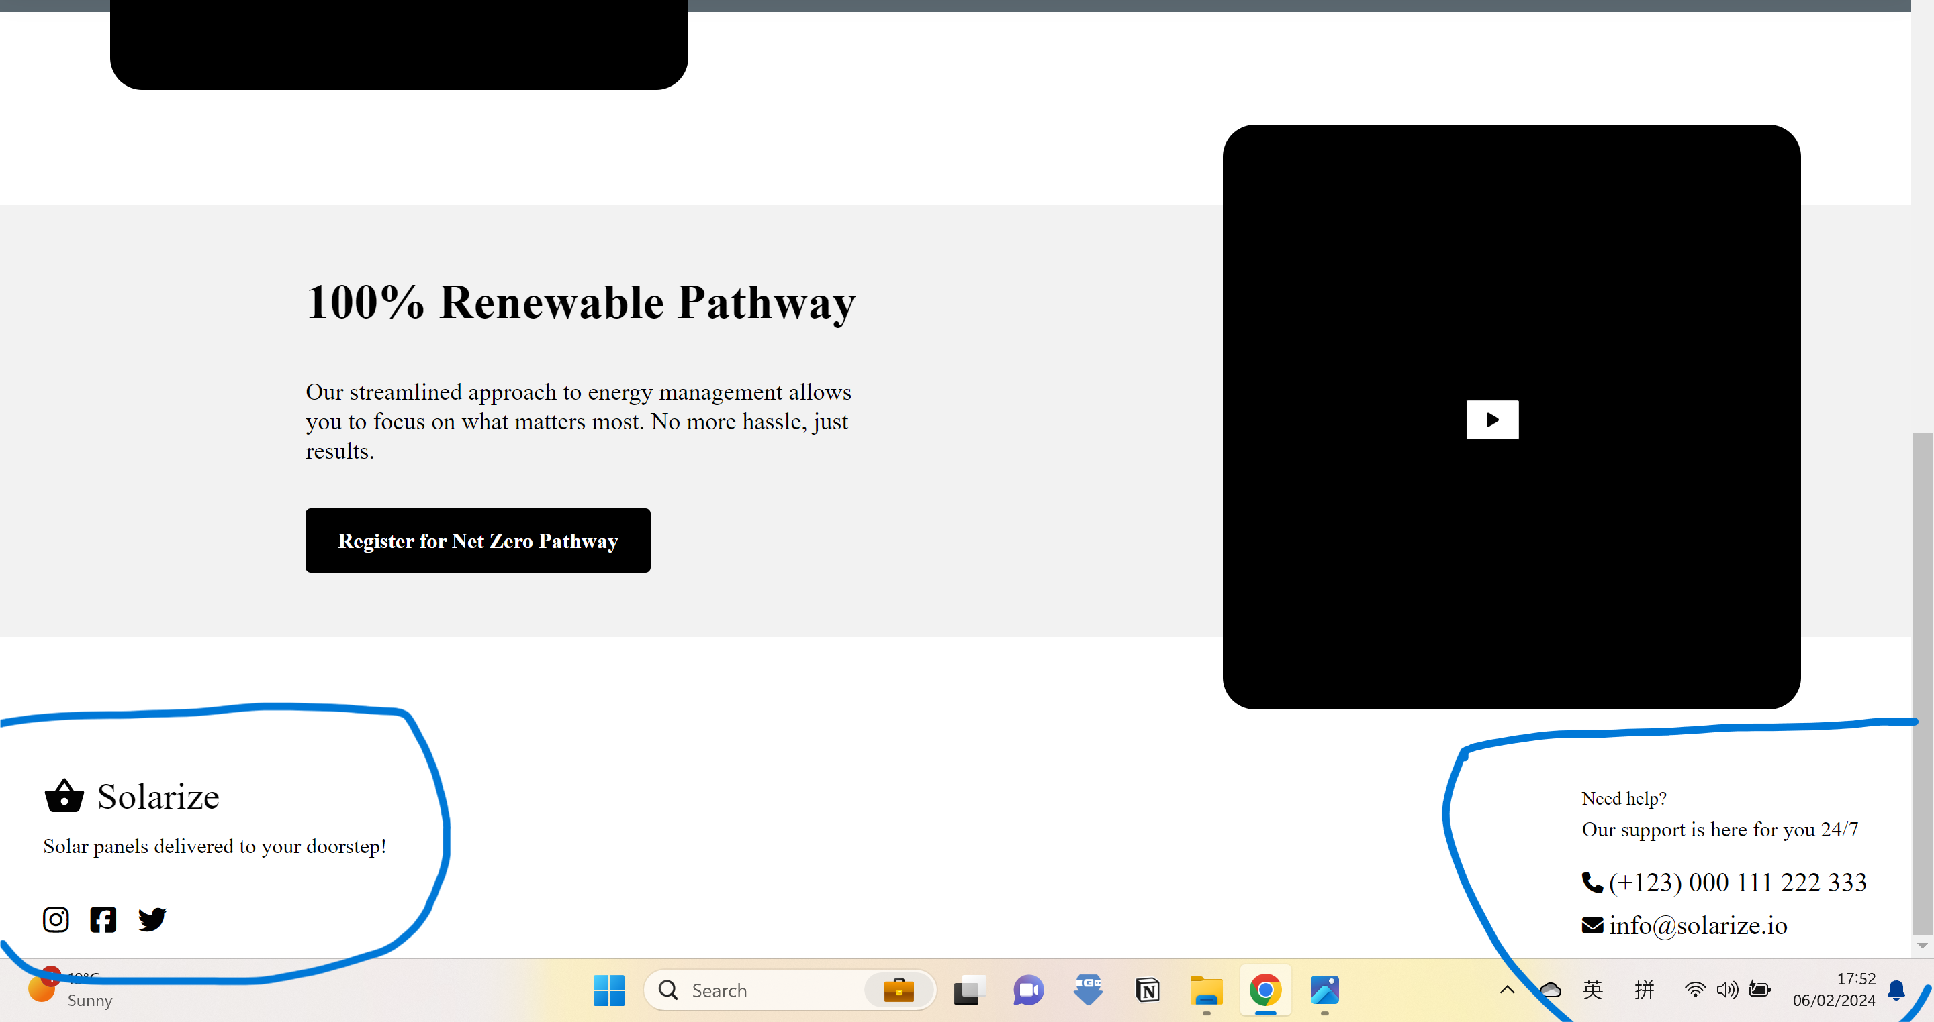
http://122.160.74.251:3024/basic-energy | Basic energy page 1 |  | Font | The font of "Yes" and "No" underDo you want to map your roof for appropriate solar system recommendation need to be consistent with the others. Please make sure it's the same. | Do you want to map your roof for appropriate solar system recommendation Yes (Map my roof) No (Give the recommendation regardless of how big is the roof)
http://122.160.74.251:3024/basic-energy | Basic energy page 2 |  | Font | The font need to be consistent | Do you want to automatically fetch your electricity data Yes No What are you interested in Solar Solar+Battery What industry do you operate in (If your industry isn't listed, choose one that's similar in how it uses energy.) Aged Care Center Back
http://122.160.74.251:3024/basic-energy |  |  | Font | The font need to be consistent so as all the other page of Basic energy | Enter your electricity tarrif details. See an example bill for more details Flat Rate Delivery/Supply Charge 123.633 valid c/day Flat Rate 36.9081 valid c/kWh Time of Use(TOU)
http://122.160.74.251:3024/basic-energy | Basic energy output |  |  | Change the following to Summary. Font is the same as Basic page summary title | Here are your personalised Smart Energy recommendations
http://122.160.74.251:3024/basic-energy | Basic energy output |  |  | Issue with the blue session | 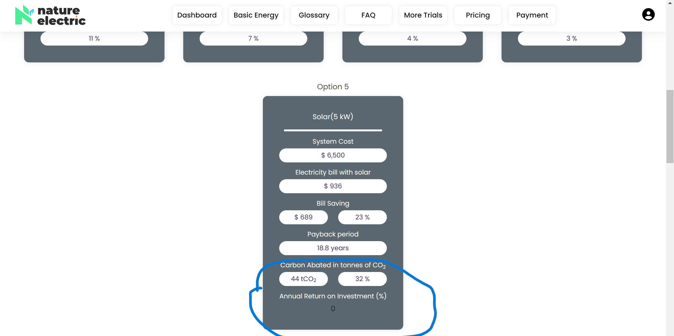
http://122.160.74.251:3024/basic-energy | Basic energy output |  |  | Delete the icon
http://122.160.74.251:3024/basic-energy | Basic energy output |  |  | While loading the output page, can we have a anime or a short liner

