Sheet1
Multi Threading- |  | Multithreading in Java is a process of executing multiple threads simultaneously.

 |  | A thread is a lightweight sub-process, the smallest unit of processing. Multiprocessing and multithreading, both are used to achieve multitasking.

 |  | However, we use multithreading than multiprocessing because threads use a shared memory area. They don't allocate separate memory area so saves memory, and context-switching between the threads takes less time than process.

 |  | Java Multithreading is mostly used in games, animation, etc.

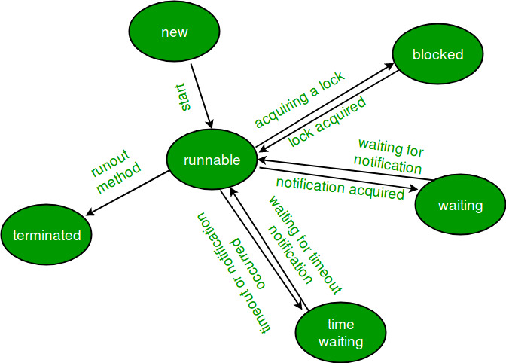
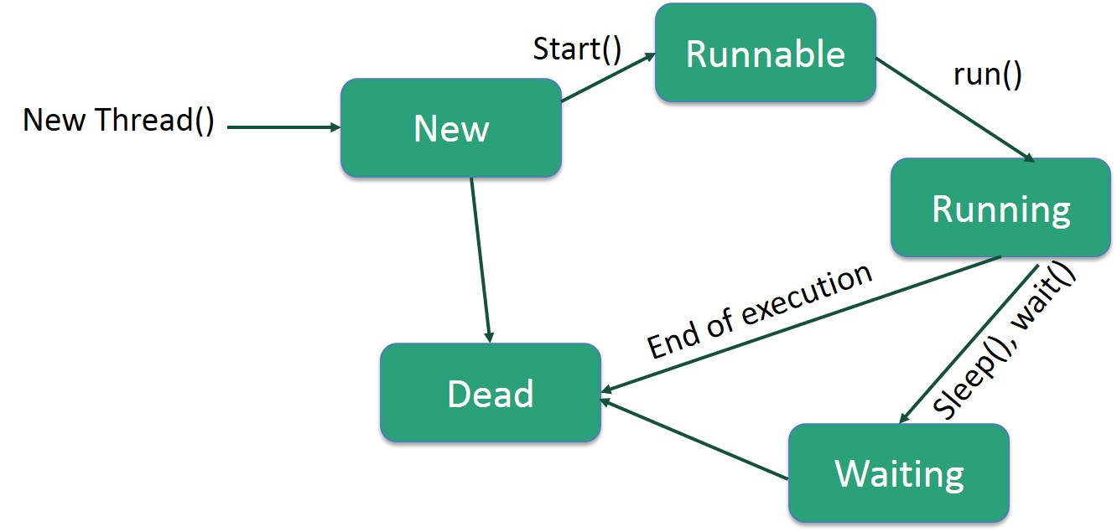
 |  | Life cycle of a Thread :
 |  |  |  |  |  |  | Multi Tasking

 |  |  |  |  |  | Multi Threading |  | Multi Processing

 |  |  |  |  |  |  |  |  |  |  |  | Multi threading
 |  |  |  |  |  |  |  |  |  |  |  | Print Command 500 Pages. | Task1
 |  |  |  |  |  |  |  |  |  |  |  | Excel file creation. | Task2
 |  |  |  |  |  |  |  |  |  |  |  | Email Upload file 500 MB. | Task3

 | Advantages:
 |  |  | 1) It doesn't block the user because threads are independent and you can perform multiple operations at the same time.

 |  |  | 2) You can perform many operations together, so it saves time.

 |  |  | 3) Threads are independent, so it doesn't affect other threads if an exception occurs in a single thread.

Life Cycle | The life cycle of the thread in java is controlled by JVM. The java thread states are as follows:

 | New
 | Runnable
 | Running
 | Non-Runnable (Blocked)
 | Terminated
 | _________________
 | 1) New
 | _________________

 | The thread is in new state if you create an instance of Thread class but before the invocation of start() method.

 | _________________
 | 2) Runnable
 | _________________
 | The thread is in runnable state after invocation of start() method, but the thread scheduler has not selected it to be the running thread.

 | _________________
 | 3) Running
 | _________________
 | The thread is in running state if the thread scheduler has selected it.

 | _________________
 | 4) Non-Runnable (Blocked)
 | _________________
 | This is the state when the thread is still alive, but is currently not eligible to run.

 | _________________
 | 5) Terminated
 | _________________
 | A thread is in terminated or dead state when its run() method exits.

 | Multitasking

 | Multitasking is a process of executing multiple tasks simultaneously. We use multitasking to utilize the CPU. Multitasking can be achieved in two ways:

 | Process-based Multitasking (Multiprocessing) |  |  |  | Multiple processor required. Multi memory management.
 | Thread-based Multitasking (Multithreading) |  |  |  | Single Processor required.

 | 1) Process-based Multitasking (Multiprocessing)

 | Each process has an address in memory. In other words, each process allocates a separate memory area.
 | A process is heavyweight.
 | Cost of communication between the process is high.
 | Switching from one process to another requires some time for saving and loading registers, memory maps, updating lists, etc.

 | 2) Thread-based Multitasking (Multithreading)

 | Threads share the same address space.
 | A thread is lightweight.
 | Cost of communication between the thread is low.

 |  |  | java.lang built in package will be used for handling multi threading programming.

 |  |  | Java Thread class

 |  |  | Java provides Thread class to achieve multi threading. Thread class provides constructors and methods to create and perform operations on a thread. Thread class extends Object class and implements Runnable interface.

 |  |  | Java Thread Methods

 |  |  | S.N. | Modifier and Type | Method | Description
 |  |  | 1) | void | start() | It is used to start the execution of the thread.
 |  |  | 2) | void | run() | It is used to do an action for a thread.
 |  |  | 3) | static void | sleep() | It sleeps a thread for the specified amount of time.
 |  |  | 4) | static Thread | currentThread() | It returns a reference to the currently executing thread object.
 |  |  | 5) | void | join() | It waits for a thread to die.
 |  |  | 6) | int | getPriority() | It returns the priority of the thread.
 |  |  | 7) | void | setPriority() | It changes the priority of the thread.
 |  |  | 8) | String | getName() | It returns the name of the thread.
 |  |  | 9) | void | setName() | It changes the name of the thread.
 |  |  | 10) | long | getId() | It returns the id of the thread.
 |  |  | 11) | boolean | isAlive() | It tests if the thread is alive.
 |  |  | 12) | static void | yield() | It causes the currently executing thread object to pause and allow other threads to execute temporarily.
 |  |  | 13) | void | suspend() | It is used to suspend the thread.
 |  |  | 14) | void | resume() | It is used to resume the suspended thread.
 |  |  | 15) | void | stop() | It is used to stop the thread.
 |  |  | 16) | void | destroy() | It is used to destroy the thread group and all of its subgroups.
 |  |  | 17) | boolean | isDaemon() | It tests if the thread is a daemon thread.
 |  |  | 18) | void | setDaemon() | It marks the thread as daemon or user thread.
 |  |  | 19) | void | interrupt() | It interrupts the thread.
 |  |  | 20) | boolean | isinterrupted() | It tests whether the thread has been interrupted.
java.lang.*; |  |  | 21) | static boolean | interrupted() | It tests whether the current thread has been interrupted.
lang is one of the built-in packages provided by Java that contains classes and interfaces fundamental to the design of the Java programming language. The lang packages contain classes such as Boolean, Integer, Math, etc., that are considered the building blocks of a Java program. |  |  | 22) | static int | activeCount() | It returns the number of active threads in the current thread's thread group.
 |  |  | 23) | void | checkAccess() | It determines if the currently running thread has permission to modify the thread.
 |  |  | 24) | static boolean | holdLock() | It returns true if and only if the current thread holds the monitor lock on the specified object.
 |  |  | 25) | static void | dumpStack() | It is used to print a stack trace of the current thread to the standard error stream.
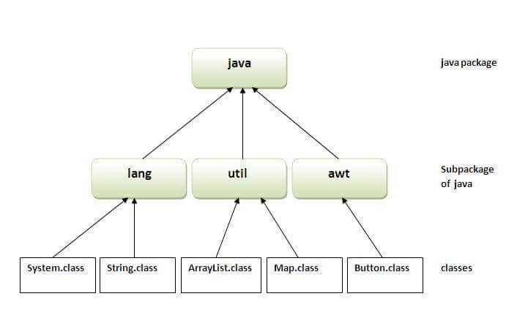
 |  |  | 26) | StackTraceElement[] | getStackTrace() | It returns an array of stack trace elements representing the stack dump of the thread.
 |  |  | 27) | static int | enumerate() | It is used to copy every active thread's thread group and its subgroup into the specified array.
 |  |  | 28) | Thread.State | getState() | It is used to return the state of the thread.
 |  |  | 29) | ThreadGroup | getThreadGroup() | It is used to return the thread group to which this thread belongs
 |  |  | 30) | String | toString() | It is used to return a string representation of this thread, including the thread's name, priority, and thread group.
 |  |  | 31) | void | notify() | It is used to give the notification for only one thread which is waiting for a particular object.
 |  |  | 32) | void | notifyAll() | It is used to give the notification to all waiting threads of a particular object.
 |  |  | 33) | void | setContextClassLoader() | It sets the context ClassLoader for the Thread.
 |  |  | 34) | ClassLoader | getContextClassLoader() | It returns the context ClassLoader for the thread.
 |  |  | 35) | static Thread.UncaughtExceptionHandler | getDefaultUncaughtExceptionHandler() | It returns the default handler invoked when a thread abruptly terminates due to an uncaught exception.
 |  |  | 36) | static void | setDefaultUncaughtExceptionHandler() | It sets the default handler invoked when a thread abruptly terminates due to an uncaught exception.

 | We can create a Thread using two methods -
 |  |  | 1 | By implementing Runnable Interface
 |  |  | 2 | By Inheriting the Thread Class

 | Example1 : | Creating Multi Threading program using - Runnable interface

 | class ImplementRunnableExample implements Runnable |  |  |  |  | Example2: |  | Example: | By Implementing Runnable Interface | Example: | By extending Thread Class
 | { |  |  |  |  |  |  | class MyThread1 implements Runnable { |  |  | class MyThread1 extends Thread {
 |  |  |  | public void run() |  |  |  | public void run() { |  |  | public void run() {
 |  |  |  | { |  |  |  | System.out.println("Thread1 is running......"); |  |  | System.out.println("Thread1 is running......");
 |  |  | System.out.println("Thread is running..."); |  |  |  |  | } |  |  | }
 |  |  |  |  |  |  |  | } |  |  | }
 |  |  |  | }
 |  |  |  |  |  |  |  | class MyThread2 implements Runnable { |  |  | class MyThread2 extends Thread {
 |  |  | public static void main(String args[]) |  |  |  |  | public void run() { |  |  | public void run() {
 |  |  | { |  |  |  |  | System.out.println("Thread2 is running....."); |  |  | System.out.println("Thread2 is running.....");
 |  |  |  |  |  |  |  | } |  |  | }
 |  |  |  | ImplementRunnableExample obj= new ImplementRunnableExample(); |  |  |  | } |  |  | }
 |  |  |  | Thread t1= new Thread(obj); //Thread creation
 | class |  |  | t1.start(); // Thread Runable |  |  |  | class MyThread3 implements Runnable { |  |  | class MyThread3 extends Thread {
 |  |  |  | System.out.println("Main Thread is running..."); |  |  |  | public void run() { |  |  | public void run() {
 | object |  | } |  |  |  |  | System.out.println("Thread3 is running....."); |  |  | System.out.println("Thread3 is running.....");
 |  |  |  |  |  |  |  | } |  |  | }
 | } |  |  |  |  |  |  | } |  |  | }
 | Example2 : | Create Multiple Threading Program using- Thread class
 |  |  |  |  |  |  |  | class MyThread4 implements Runnable { |  |  | class MyThread4 extends Thread {
 | //creation of thread by extending of Thread class |  |  |  |  |  |  | public void run() { |  |  | public void run() {
 | //Runnable interface contains run() method, |  |  |  |  |  |  | System.out.println("Thread4 is running....."); |  |  | System.out.println("Thread4 is running.....");
 | //Here Thread class inherits Runnable interface and our class inherits Thread class so that our class can use run() Methods |  |  |  |  |  |  | } |  |  | }
 | class ExtendsThreadExample extends Thread
 | { |  |  |  |  |  |  | } |  |  | }
 |  | public void run()
 |  | { |  |  |  |  |  | class RunnableExample { |  |  | class ThreadClassExample {
 |  | System.out.println("Thread in running....."); |  |  |  |  |  | public static void main(String args[]) { |  |  | public static void main(String args[]) {
 |  | } |  |  |  |  |  | MyThread1 obj1 = new MyThread1(); |  |  | MyThread1 obj1 = new MyThread1();
 |  |  |  |  |  |  |  | MyThread2 obj2 = new MyThread2(); |  |  | MyThread2 obj2 = new MyThread2();
 | public static void main (String Args[]) |  |  |  |  |  |  | MyThread3 obj3 = new MyThread3(); |  |  | MyThread3 obj3 = new MyThread3();
 | { |  |  |  |  |  |  | MyThread4 obj4 = new MyThread4(); |  |  | MyThread4 obj4 = new MyThread4();
 |  | ExtendsThreadExample t1= new ExtendsThreadExample(); //Create Thread
 |  | t1.start(); //Move the created thread in runnable state. |  |  |  |  |  | Thread t1 = new Thread(obj1); |  |  | obj1.start();
 |  | System.out.println("Main thread is running..."); |  |  |  |  |  | Thread t2 = new Thread(obj2); |  |  | obj2.start();
 | } |  |  |  |  |  |  | Thread t3 = new Thread(obj3); |  |  | obj3.start();
 |  |  |  |  |  |  |  | Thread t4 = new Thread(obj4); |  |  | obj4.start();
 | }
 |  |  |  |  |  | Example2: |  | t1.start(); |  |  | System.out.println("Main Thread completed !!");
 | CurrentThread |  |  |  |  | class MyThread1 implements Runnable { |  | t2.start(); |  |  | }
 | Example1: | class CurrentThreadExample extends Thread |  |  |  | public void run() { |  | t3.start();
 |  | { |  |  |  | System.out.println("Started......" + Thread.currentThread().getName()); |  | t4.start(); |  |  | }
 |  | public void run() |  |  |  | int num = 5, i, result;
 |  | { |  |  |  | for (i = 1; i <= 10; i++) { |  | System.out.println("Main Thread completed !!");
 |  | for(int i=1;i<=5;i++) |  |  |  | try { |  | }
 |  | { |  |  |  | Thread.sleep(1000);
 |  | System.out.println(Thread.currentThread().getName()+"-"+ i); |  |  |  | } catch (Exception e) { |  | }
 |  | //System.out.println(i); |  |  |  | }
 |  | //Thread.currentThread().getName() |  |  |  | result = num * i;
 |  | } |  |  |  | System.out.println(num + "x" + i + "=" + result);
 |  |  |  |  |  | }
 |  |  |  |  |  | System.out.println("End......" + Thread.currentThread().getName());
 |  | } |  |  |  | }
 |  |  |  |  |  | }
 |  | public static void main(String args[])
 |  | { |  |  |  | class MyThread2 implements Runnable {
 |  | CurrentThreadExample t1=new CurrentThreadExample(); //Thread 0 |  |  |  | public void run() {
 |  | CurrentThreadExample t2=new CurrentThreadExample(); //Thread 1 |  |  |  | System.out.println("Started......" + Thread.currentThread().getName());
 |  | CurrentThreadExample t3=new CurrentThreadExample(); //Thread 2 |  |  |  | int num = 6, i, result;
 |  | CurrentThreadExample t4=new CurrentThreadExample(); ////Thread 3 |  |  |  | for (i = 1; i <= 10; i++) {
 |  | CurrentThreadExample t5=new CurrentThreadExample(); ////Thread 4 |  |  |  | try {
 |  |  |  |  |  | Thread.sleep(1000);
 |  | t1.start(); |  |  |  | } catch (Exception e) {
 |  | t2.start(); |  |  |  | }
 |  | t3.start(); |  |  |  | result = num * i;
 |  | t4.start(); |  |  |  | System.out.println(num + "x" + i + "=" + result);
 |  | t5.start(); |  |  |  | }
 |  |  |  |  |  | System.out.println("End......" + Thread.currentThread().getName());
 |  | } |  |  |  | }
 |  | } |  |  |  | }

 | Sleep() Method- |  |  | It will keep the thread in waiting stage. |  | class MyThread3 implements Runnable {
 |  | class CurrentThreadExample extends Thread |  |  |  | public void run() {
 |  | { |  |  |  | System.out.println("Started......" + Thread.currentThread().getName());
 |  | public void run() |  |  |  | int num = 7, i, result;
 |  | { |  |  |  | for (i = 1; i <= 10; i++) {
 |  | for(int i=1;i<=5;i++) |  |  |  | try {
 |  | { |  |  |  | Thread.sleep(1000);
 |  |  |  | try |  | } catch (Exception e) {
 |  |  |  | { |  | }
 |  |  |  | Thread.sleep(5000); |  | result = num * i;
 |  |  |  | } |  | System.out.println(num + "x" + i + "=" + result);
 |  |  |  | catch(Exception e) |  | }
 |  |  |  | { |  | System.out.println("End......" + Thread.currentThread().getName());
 |  |  |  |  |  | }
 |  |  |  | } |  | }

 |  | System.out.println(Thread.currentThread().getName()+"-"+ i); |  |  |  | class MyThread4 implements Runnable {
 |  |  |  |  |  | public void run() {
 |  |  |  |  |  | System.out.println("Started......" + Thread.currentThread().getName());
 |  | } |  |  |  | int num = 8, i, result;
 |  |  |  |  |  | for (i = 1; i <= 10; i++) {
 |  |  |  |  |  | try {
 |  | } |  |  |  | Thread.sleep(1000);
 |  |  |  |  |  | } catch (Exception e) {
 |  | public static void main(String args[]) |  |  |  | }
 |  | { |  |  |  | result = num * i;
 |  | CurrentThreadExample t1=new CurrentThreadExample(); //Thread 0 |  |  |  | System.out.println(num + "x" + i + "=" + result);
 |  | CurrentThreadExample t2=new CurrentThreadExample(); //Thread 1 |  |  |  | }
 |  | CurrentThreadExample t3=new CurrentThreadExample(); //Thread 2 |  |  |  | System.out.println("End......" + Thread.currentThread().getName());
 |  | CurrentThreadExample t4=new CurrentThreadExample(); ////Thread 3 |  |  |  | }
 |  | CurrentThreadExample t5=new CurrentThreadExample(); ////Thread 4
 |  |  |  |  |  | }
 |  | t1.start();
 |  | t2.start(); |  |  |  | class RunnableExampleTablePrint {
 |  | t3.start(); |  |  |  | public static void main(String args[]) {
 |  | t4.start(); |  |  |  | MyThread1 obj1 = new MyThread1();
 |  | t5.start(); |  |  |  | MyThread2 obj2 = new MyThread2();
 |  |  |  |  |  | MyThread3 obj3 = new MyThread3();
 |  | } |  |  |  | MyThread4 obj4 = new MyThread4();
 |  | }
 | synchronized Keyword- It is used with Method,It is used for achieving synchronization. |  |  |  |  | Thread t1 = new Thread(obj1);
 |  | class Table |  |  |  | Thread t2 = new Thread(obj2);
 |  | { |  |  |  | Thread t3 = new Thread(obj3);
 |  | synchronized void printTable(int n) |  |  |  | Thread t4 = new Thread(obj4);
 |  | {//synchronized method
 |  | for(int i=1;i<=10;i++) |  |  |  | t1.start();
 |  | { |  |  |  | try {
 |  | System.out.println(n+"X"+i+"="+(n*i)); |  |  |  | t1.join();
 |  | try |  |  |  | } catch (Exception e) {
 |  | { |  |  |  | }
 |  | Thread.sleep(400); |  |  |  | t2.start();
 |  | } |  |  |  | try {
 |  | catch(Exception e) |  |  |  | t2.join();
 |  | { |  |  |  | } catch (Exception e) {
 |  | System.out.println(e); |  |  |  | }
 |  | } |  |  |  | t3.start();
 |  | } |  |  |  | try {
 |  | } |  |  |  | t3.join();
 |  | } |  |  |  | } catch (Exception e) {
 |  | class MyThread1 extends Thread |  |  |  | }
 |  | { |  |  |  | t4.start();
 |  | Table t;
 |  | MyThread1(Table t) |  |  |  | System.out.println("Main Thread completed !!");
 |  | { |  |  |  | }
 |  | this.t=t; |  |  | I want to print table of table of 5.
 |  | } |  |  |  | }
 |  | public void run()
 |  | {
 |  | t.printTable(5);
 |  | }
 |  | }
 |  | class MyThread2 extends Thread
 |  | {
 |  | Table t;
 |  | MyThread2(Table t)
 |  | { |  |  | I want to print table of table of 100.
 |  | this.t=t;
 |  | }
 |  | public void run()
 |  | {
 |  | t.printTable(100);
 |  | }
 |  | }

 |  | public class SynchronizationTableExample
 |  | {
 |  | public static void main(String args[])
 |  | {
 |  | Table obj = new Table();//only one object
 |  | MyThread1 t1=new MyThread1(obj);
 |  | MyThread2 t2=new MyThread2(obj);
 |  |  | t1.start();
 |  |  | t2.start();
 |  | }
 |  | }

 | join() Method- |  | It is used for achieving synchronization.
 |  |  |  |  |  | Example2:

 |  | class ThreadJoinExample extends Thread |  |  |  | class MyThread1 implements Runnable {
 |  | { |  |  |  | public void run() {
 |  | public void run() |  |  |  | System.out.println("Thread1 Started......");
 |  | { |  |  |  | int num = 5, i, result;
 |  | for(int i=1;i<=5;i++) |  |  |  | for (i = 1; i <= 10; i++) {
 |  | { |  |  |  | try {
 |  | try |  |  |  | Thread.sleep(1000);
 |  | { |  |  |  | } catch (Exception e) {
 |  | Thread.sleep(1000); |  |  |  | }
 |  | } |  |  |  | result = num * i;
 |  | catch(Exception e) |  |  |  | System.out.println(num + "x" + i + "=" + result);
 |  | { |  |  |  | }
 |  | System.out.println(e); |  |  |  | System.out.println("Thread1 Completed......");
 |  | } |  |  |  | }
 |  |  |  |  |  | }
 |  | System.out.println(Thread.currentThread().getName()+"-"+i);
 |  | } |  |  |  | class MyThread2 implements Runnable {
 |  | } |  |  |  | public void run() {
 |  | public static void main(String args[]) |  |  |  | System.out.println("Thread2 Started......");
 |  | { |  |  |  | int num = 6, i, result;
 |  | ThreadJoinExample t1=new ThreadJoinExample(); //Thread 0 |  |  |  | for (i = 1; i <= 10; i++) {
 |  | ThreadJoinExample t2=new ThreadJoinExample(); //Thread 1 |  |  |  | try {
 |  | ThreadJoinExample t3=new ThreadJoinExample(); //Thread 2 |  |  |  | Thread.sleep(1000);
 |  | t1.start(); |  |  |  | } catch (Exception e) {
 |  | try |  |  |  | }
 |  | { |  |  |  | result = num * i;
 |  | t1.join(); |  |  |  | System.out.println(num + "x" + i + "=" + result);
 |  | } |  |  |  | }
 |  | catch(Exception e) |  |  |  | System.out.println("Thread2 Completed......");
 |  | { |  |  |  | }
 |  | System.out.println(e); |  |  |  | }
 |  | }
 |  | t2.start(); |  |  |  | class MyThread3 implements Runnable {
 |  | try |  |  |  | public void run() {
 |  | { |  |  |  | System.out.println("Thread3 Started......");
 |  | t2.join(); |  |  |  | int num = 7, i, result;
 |  | } |  |  |  | for (i = 1; i <= 10; i++) {
 |  | catch(Exception e) |  |  |  | try {
 |  | { |  |  |  | Thread.sleep(1000);
 |  | System.out.println(e); |  |  |  | } catch (Exception e) {
 |  | } |  |  |  | }
 |  | t3.start(); |  |  |  | result = num * i;
 |  | } |  |  |  | System.out.println(num + "x" + i + "=" + result);
 |  | } |  |  |  | }
 |  |  |  |  |  | System.out.println("Thread3 Completed......");
 |  |  |  |  |  | }
 |  | //Example 2 |  |  |  | }

 |  | /* class TestJoinMethod2 extends Thread |  |  |  | class MyThread4 implements Runnable {
 |  | { |  |  |  | public void run() {
 |  | public void run() |  |  |  | System.out.println("Thread4 Started......");
 |  | { |  |  |  | int num = 8, i, result;
 |  | for(int i=1;i<=5;i++) |  |  |  | for (i = 1; i <= 10; i++) {
 |  | { |  |  |  | try {
 |  | try |  |  |  | Thread.sleep(1000);
 |  | { |  |  |  | } catch (Exception e) {
 |  | Thread.sleep(500); |  |  |  | }
 |  | } |  |  |  | result = num * i;
 |  | catch(Exception e) |  |  |  | System.out.println(num + "x" + i + "=" + result);
 |  | { |  |  |  | }
 |  | System.out.println(e); |  |  |  | System.out.println("Thread4 Completed......");
 |  | } |  |  |  | }

 |  | System.out.println(i); |  |  |  | }
 |  | }
 |  | } |  |  |  | class RunnableExampleTablePrint {
 |  |  |  |  |  | public static void main(String args[]) {
 |  | public static void main(String args[]) |  |  |  | MyThread1 obj1 = new MyThread1();
 |  | { |  |  |  | MyThread2 obj2 = new MyThread2();
 |  | TestJoinMethod2 t1=new TestJoinMethod2(); |  |  |  | MyThread3 obj3 = new MyThread3();
 |  | TestJoinMethod2 t2=new TestJoinMethod2(); |  |  |  | MyThread4 obj4 = new MyThread4();
 |  | TestJoinMethod2 t3=new TestJoinMethod2();
 |  |  |  |  |  | Thread t1 = new Thread(obj1);
 |  | t1.start(); |  |  |  | Thread t2 = new Thread(obj2);
 |  | try |  |  |  | Thread t3 = new Thread(obj3);
 |  | { |  |  |  | Thread t4 = new Thread(obj4);
 |  | t1.join(1500);
 |  | } |  |  |  | t1.start();
 |  | catch(Exception e) |  |  |  | try {
 |  | { |  |  |  | t1.join();
 |  | System.out.println(e); |  |  |  | } catch (Exception e) {
 |  | } |  |  |  | }
 |  | t2.start(); |  |  |  | t2.start();
 |  | t3.start(); |  |  |  | try {
 |  | } |  |  |  | t2.join();
 |  | } |  |  |  | } catch (Exception e) {
 |  | */ |  |  |  | }
 |  |  |  |  |  | t3.start();
 | Array, Arraylist, LinkedList- |  | Non Synchronized collection |  |  | try {
 | Vector and Statck | Synchronized. |  |  |  | t3.join();
 |  |  |  |  |  | } catch (Exception e) {
 |  |  |  |  |  | }
 |  |  |  |  |  | t4.start();

 |  |  |  |  |  | System.out.println("Main Thread completed !!");
 |  |  |  |  |  | }

 |  |  |  |  |  | }

