Dynamic Images
Names | Names without '_' | Images | Rank | Name | Name on Dashboard | Percentages
Adam_Hisham | Adam Hisham |  | 1st | Adam_Hisham | Adam Hisham | 97.32%
Do_Elesawy | Do Elesawy |  | 2nd | Do_Elesawy | Do Elesawy | 97.92%
Jean_Ali | Jean Ali |  | 3rd | Jean_Ali | Jean Ali | 98.28%
Kenzi_Mohamd | Kenzi Mohamd | 
Rony_Beyablo | Rony Beyablo | 
Rovan_Hossam | Rovan Hossam | 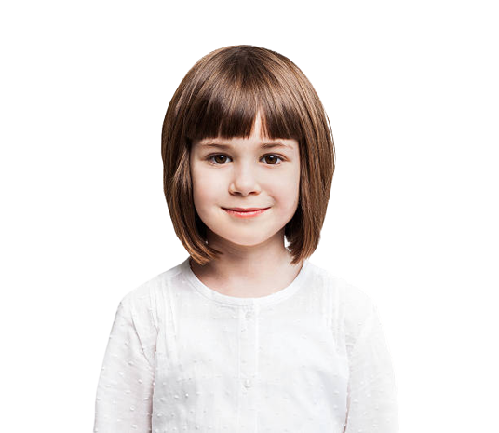

Main Dashboard
Welcome to Smart School Dashboard !
School Year 2021 - 2022

Schools
Students
Parents
Teachers
99
2953
3066
3095

Dashboard

Students
Calender Attendence
All Data in Thousands 2021 - 2022
Educational Stage
 | Total
Elementary School | 38
Preschool | 32
Primary school | 29
Teachers
Elementary School
38

Parents
Pre-School
32

Primary School
Events
29

Exams

Activities & Events
View All
Assessment

Back to School Dance (on the Quad)

Elimination Game
Adam_Hisham
Do_Elesawy
Jean Ali

Fall Sports Rally
97.32%
97.92%
98.28%

1st
2nd
3rd

Freshman Elections

Teachers
Welcome to Smart School Dashboard !
School Year 2021 - 2022

Schools
Students
Parents
Teachers
99
2953
3066
3095

Dashboard

Students
Teachers

Classes
Days
Teachers

James M. Arthur
Class 5, Class 6, Class 7 and Class 8 .
Monday,Wednesday and Saturday.
Physics
Parents

Tuesday, Thrusday and Friday.
Events
Bharti D'Souza
Class 7, Class 8, Class 9 and Class 10 .
Biology

Exams
Michael Roy
Monday, Tuesday and Wenesday.
Class 4, Class 5, Class 6 and Class 7 .
Mathematics
Assessment

Ankur Makhija
Class 4, Class 6, Class 8 and Class 10 .
Wednesday, Thrusday and Friday.
Geography

Anju Paul
Class 5, Class 6, Class 7 and Class 8 .
Monday Wednesday and Friday.
English

All Views
Welcome to Smart School Dashboard !
School Year 2021 - 2022

Schools
Students
Parents
Teachers
99
2953
3066
3095

Dashboard

Students
Activities & Events

Teachers
Back to School Dance (on the Quad)
Senior First Day Quad Takeover

Date - 28 July 2021
Date - 10 Sep 2021

Parents

Elimination Game
Spring Sports Rally Valentines

Events
Date - 01 Aug 2021
Date - 23 Sep 2021

Exams
Fall Sports Rally
Grams by the Senior Classes

Date - 05 Aug 2021
Date - 12 Oct 2021

Assessment

Freshman Elections

Date - 17 Aug 2021

Freshman Orientation

Date - 01 Sep 2021

