Lookup
 |  |  |  | Derived Values
 |  |  |  | FTE Benefit | 10.75
Speedometer |  |  |  | Gross Benefit | 156864
Start | 0 | Pointer |  | Cost with Margin | 114114
Low | 10 | Value | 27.25 | Net Benefit | 42750
Poor | 8 | Pointer | 1 | ROI Score | 27.25
Neutral | 2 | End | 71.75 | Overall | Excellent
Fair | 3
Good | 2
Excellent | 10 |  |  | Input Data
High | 15 | red | 10-18 | Head Count | 43
Max | 50 | light yellow | 18-20 | Benefit | 25
 |  | yellow | 20-23 | Agent Salary | 1216
 |  | light green | 23-25 | Intents | 34
 |  | green | 25-35 | Volumes | 13834
 |  | purple | >35 | Year1 | 15000
 |  |  |  | Year2 | 5000
 |  |  |  | Year3 | 5000

ROI Calculator
ROI Calculator for Email Bot
Input Form
Excellent
FTE Benefit
10.75

ROI Score
 | Speedometer | Pointer
 | 0 | 27.252906977
 | 10 | 1
 | 8 | 71.747093023
 | 2
 | 3
 | 2
 | 10
 | 15
 | 50
Gross Benefit
156864
ROI Score
FTE Benefit
10.75

27.25
Gross Benefit
$ 156,864.00

Net Benefit
$ 42,750.00

Sheet7
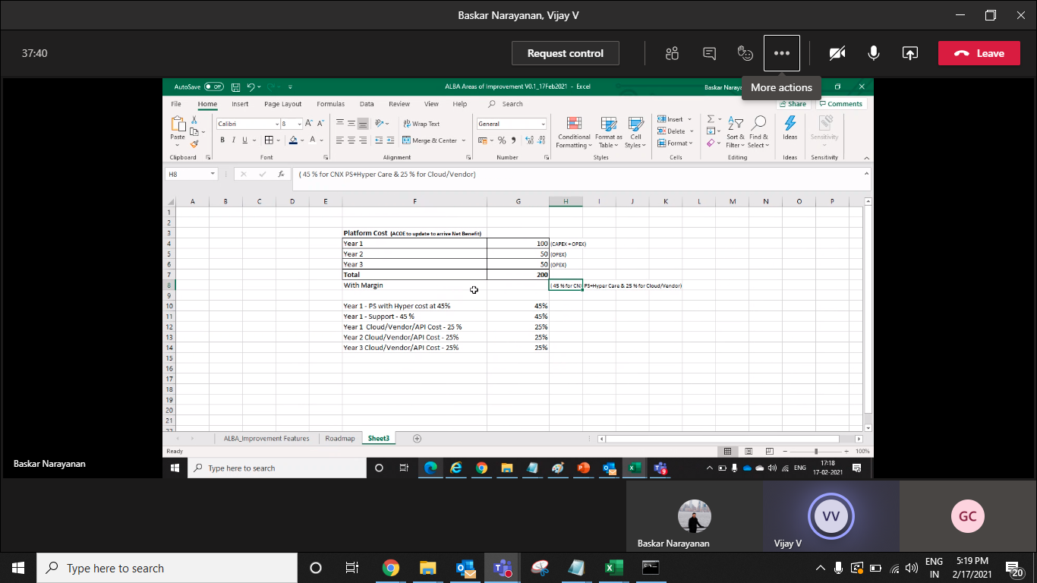

Year1 | 1600 | 1400 | 45% | 200 | 25
Year2 | 200
Year3 | 200

Sheet2
ROI Score
 | Speedometer
Low | 0
Poor | 10
Neutral | 8
Fair | 2
Good | 3
Excellent | 2
High | 10
 | 15
 | 50

Sheet3
ROI Score
 | Speedometer
 | 0
 | 10
 | 8
 | 2
 | 3
 | 2
 | 10
 | 15
 | 50

