Data
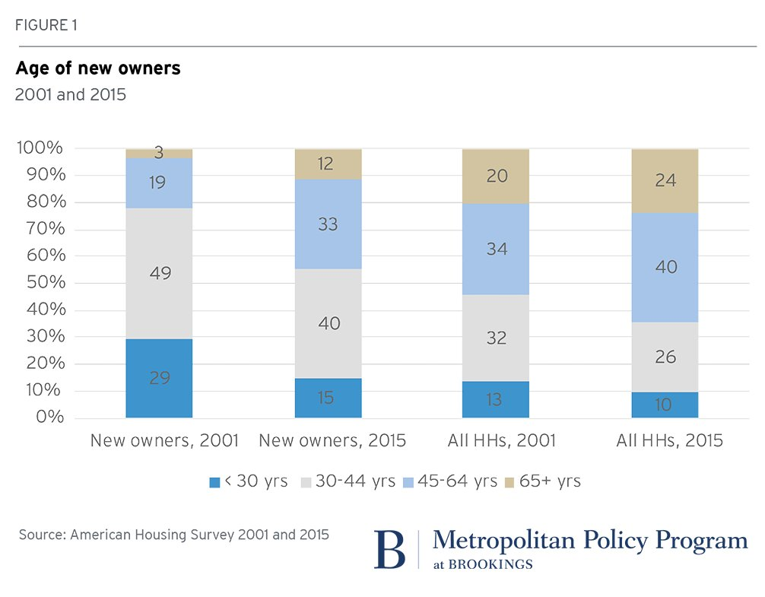
OwnerType | Year | <30 | 30-44 | 45-64 | 65+ | https://twitter.com/BrookingsInst/status/919024972076539905?ref_src=twsrc%5Etfw
New owners | 2001 | 29.00 | 49.00 | 19.00 | 3.00
New owners | 2015 | 15.00 | 40.00 | 33.00 | 12.00
All Households | 2001 | 13.00 | 32.00 | 34.00 | 20.00
All Households | 2015 | 10.00 | 26.00 | 40.00 | 24.00

