Catalogue - Mark F1


GST NO - 09CXKPD4992D1Z8 |  | E-Mail - inlumeinnovations@gmail.com |  | Contact No - 8368690828
AC Street Light

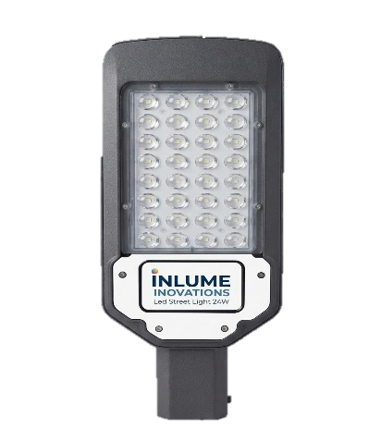
Sr. No. | Details Of Product. |  | Pictures

 | 24W Led Street Light (220V-AC) Inbuilt 6kva Driver Led lumen-140 to 170Lumen/Watt Color temp- 5500K to 6500K Body - Aluminum IP66

1

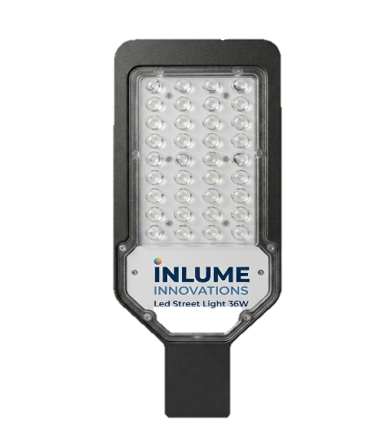

 | 36W Led Street Light (220V-AC) Inbuilt 6kva Driver Led lumen-140 to 170Lumen/Watt Color temp- 5500K to 6500K Body - Aluminum IP66

2

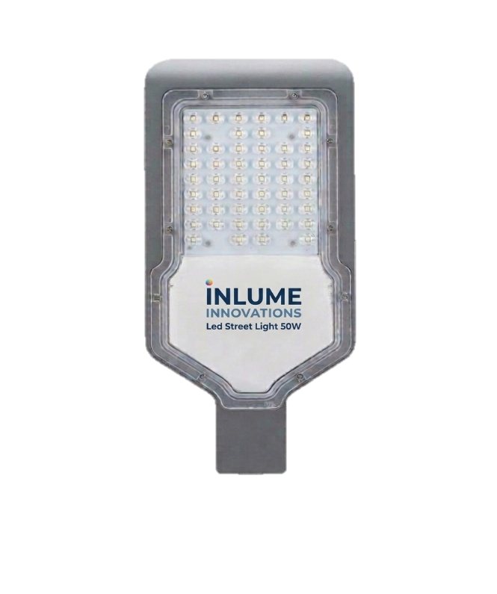

 | 50W Led Street Light (220V-AC) Inbuilt 6kva Driver Led lumen-140 to 170Lumen/Watt Color temp- 5500K to 6500K Body - Aluminum IP66

3

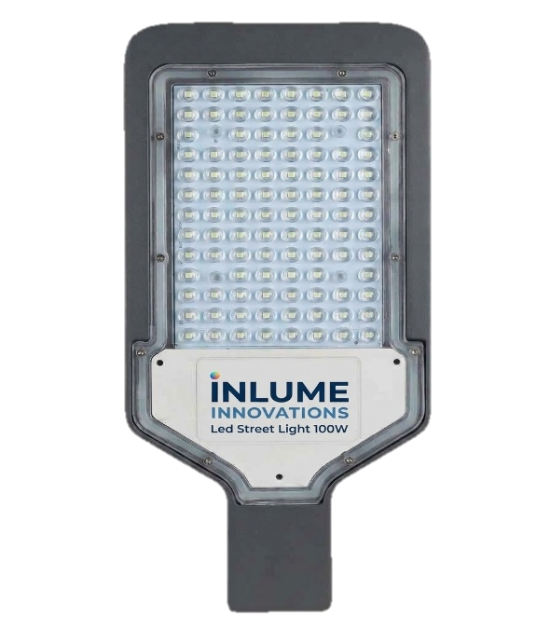
 | 100W Led Street Light (220V-AC) Inbuilt 6kva Driver Led lumen-140 to 170Lumen/Watt Color temp- 5500K to 6500K Body - Aluminum IP66

4

 | GST- 18% Extra | Transportation Extra |  | Warranty - 2 Years
RGB FLOOD LIGHT

Sr. No. | Details Of Product. |  | Pictures

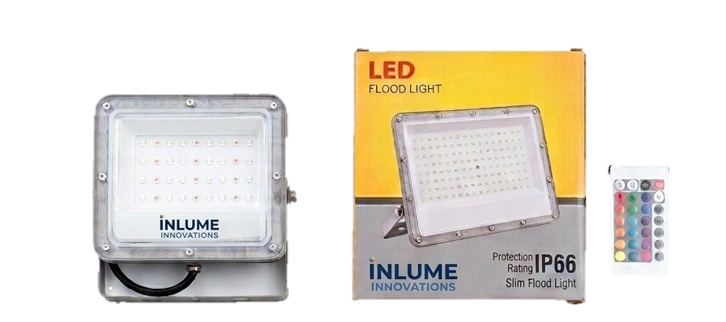

1 | 30W Led Flood Light Light (220V-AC) Inbuilt 6kva Circuit Lance Model DOB Multi-Color Body - Aluminum IP66

 | 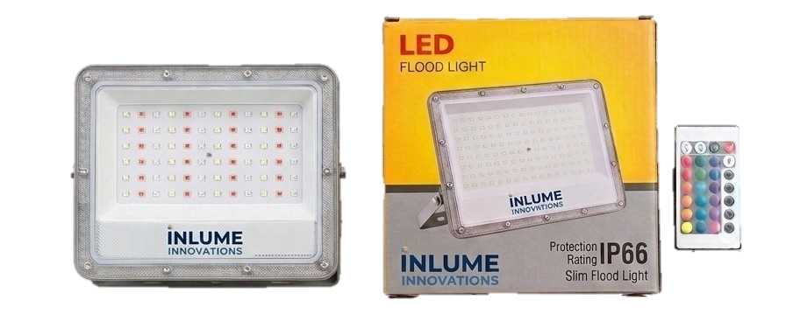 50W Led Flood Light Light (220V-AC) Inbuilt 6kva Circuit Lance Model DOB Multi-Color Body - Aluminum IP66

2

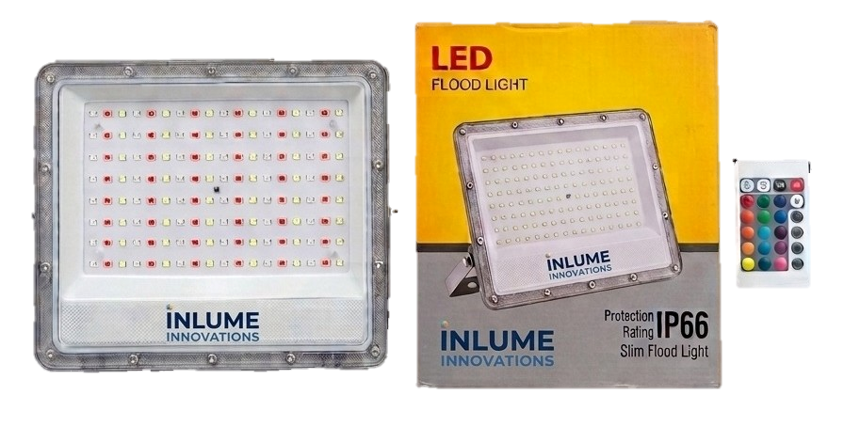
 | 100W Led Flood Light Light (220V-AC) Inbuilt 6kva Circuit Lance Model DOB Multi-Color Body - Aluminum IP66

3

 | GST- 18% Extra | Transportation Extra |  | Warranty - 2 Years
DOB Flood Light

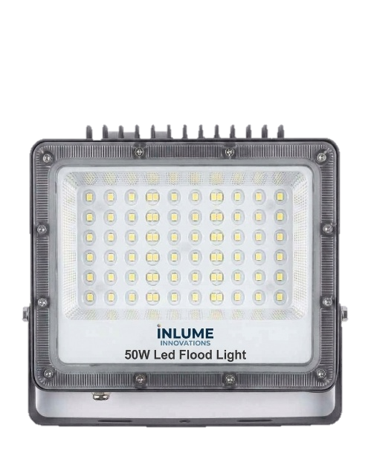
Sr. No. | Details Of Product. |  | Pictures

 | 50W Led Flood Light Light (440V-AC) Inbuilt 6kva Circuit Lance Model DOB Color Temperature - 5500K to 6500K Body - Aluminum IP66
1

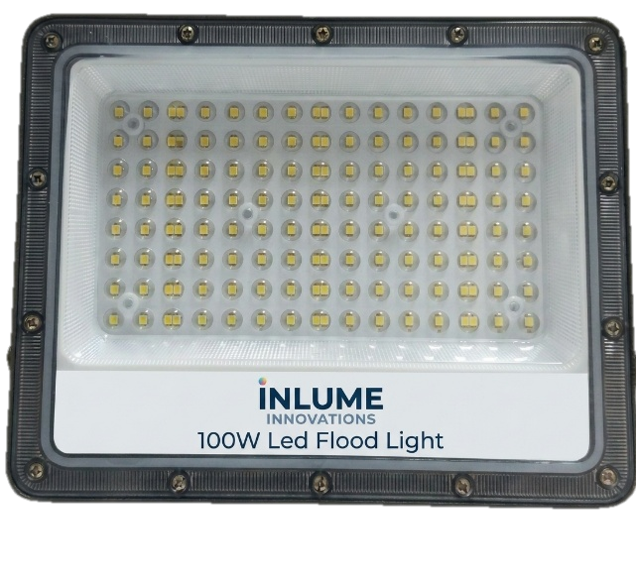
 | 100W Led Flood Light Light (440V-AC) Inbuilt 6kva Circuit Lance Model DOB Color Temperature - 5500K to 6500K Body - Aluminum IP66
2

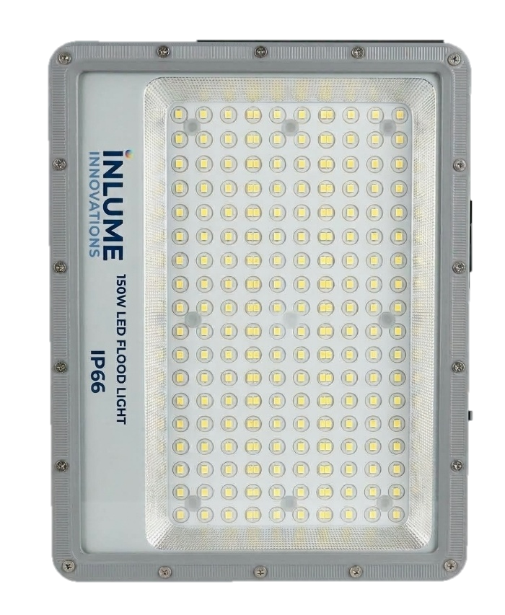
 | 150W Led Flood Light Light (440V-AC) Inbuilt 6kva Circuit Lance Model DOB Color Temperature - 5500K to 6500K Body - Aluminum IP66
3

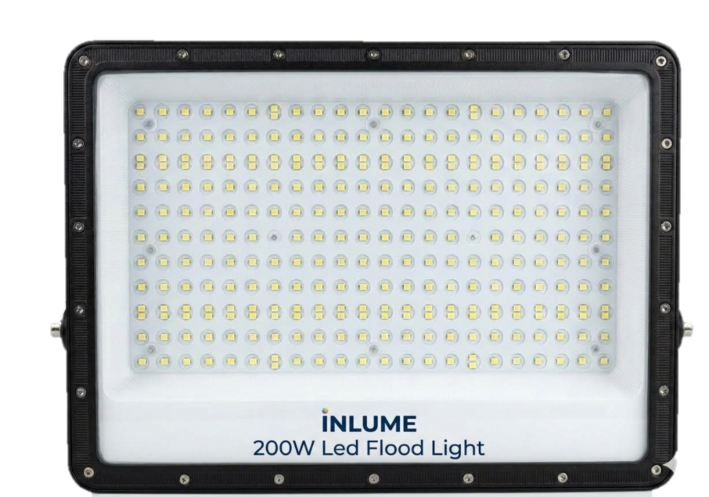

 | 200W Led Flood Light Light (440V-AC) Inbuilt 6kva Circuit Lance Model DOB Color Temperature - 5500K to 6500K Body - Aluminum IP66
4

 | GST- 18% Extra | Transportation Extra |  | Warranty - 2 Years
WELL GLASS LIGHT

Sr. No. | Details Of Product. |  | Pictures

 | Luminous Flux: 140 lm/W Correlated Color Temperature: 3K, 4K, 6K Luminous Efficacy (rated): 110 lm/W Color Rendering Index (CRI): >80 Optic Type Beam Angle: 120° degree(s) Optical Cover Type: Polycarbonate cover Luminaire Light Beam Spread: 120° Surge Protection: 6Kv Protection: Short Circuit, Open Circuit, Over Voltage, Under Voltage Protection Input Voltage: 80V to 120V AC Line Frequency: 50 Hz to 60 Hz Power Factor (Fraction): 0.95 Power Consumption Tolerance: +/-10%
1

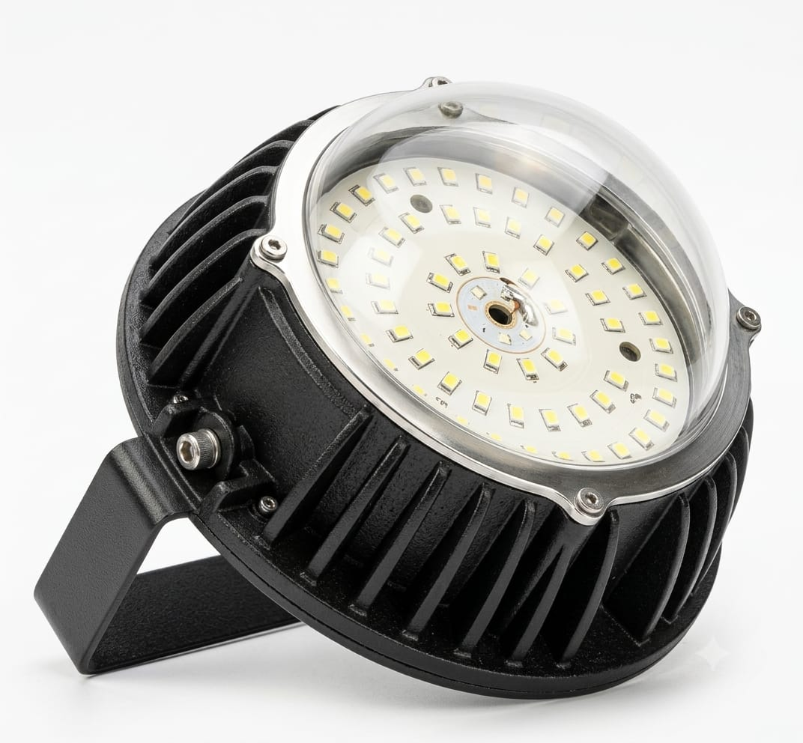

 | GST- 18% Extra | Transportation Extra |  | Warranty - 2 Years

