2.1_Pre-Survey.
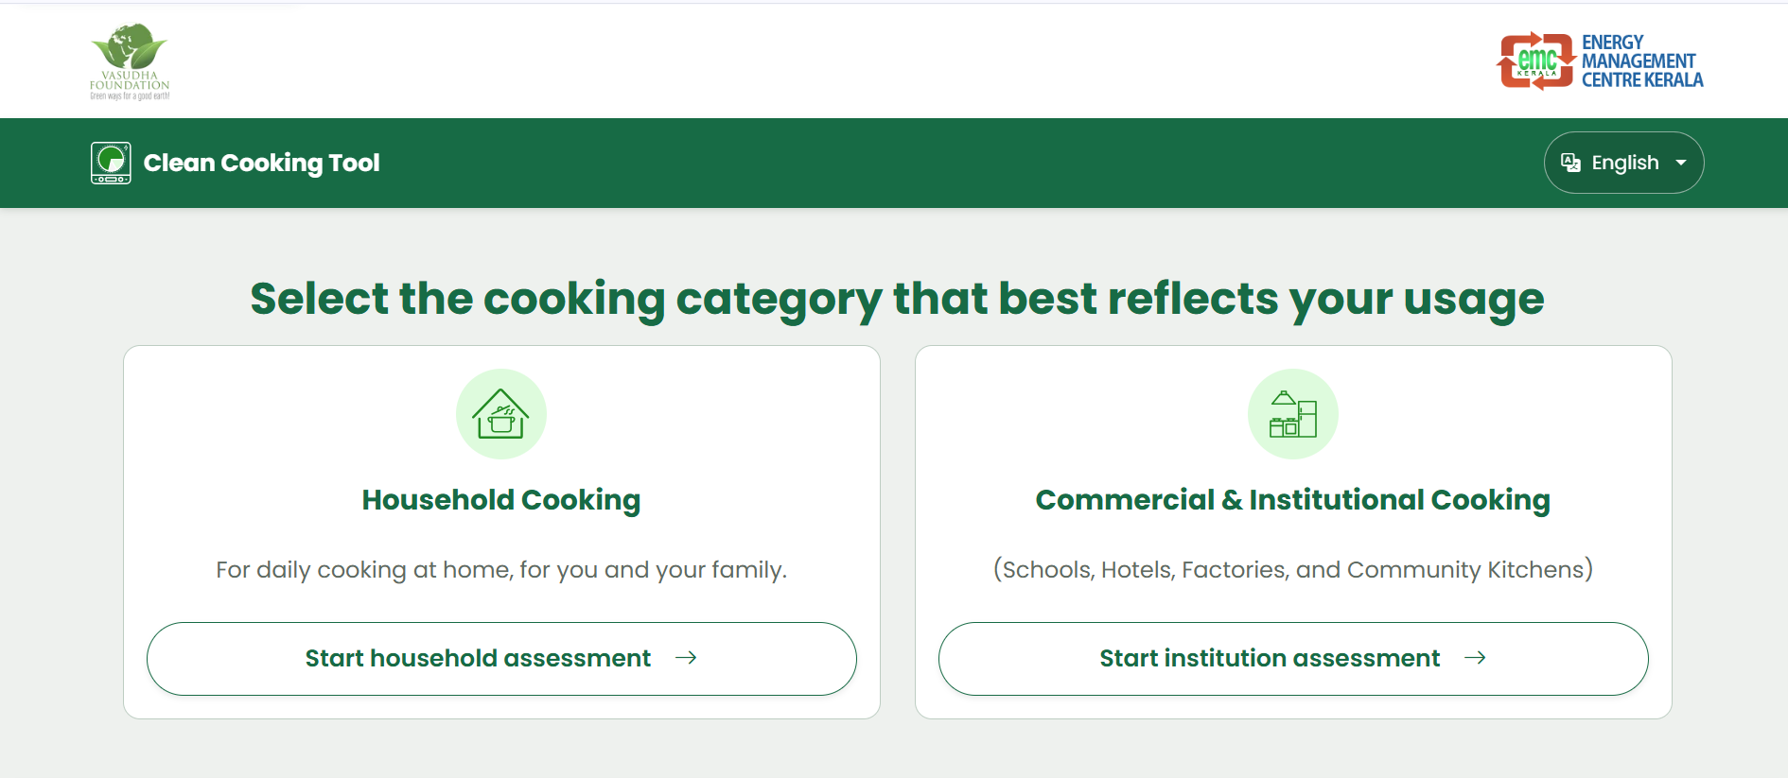
Pre-Survey (1/__)
This part of the survey is to be filled by the enumerators themselves, and may not need any input from the respondent.
Green denotes new questions/revisions (over and above the ones used in clean cooking tool).
Q# | Question & UI Label | Required? | Control Type | Allowable Range / Options | Default Answer / Value | Validation & Business Logic | Section Context & Purpose
1 | Enumerator* (Required) | Yes | Dropdown Select | <To be filled based on trainings and finalisation of enumerators> | - | - | Linking a form back to the enumerator, for resolving any confusion in data
3 | State* (Required) | Yes | Dropdown Select | Bihar Uttar Pradesh Uttarakhand | None ('Select scenario' prompt) | No pre-selection | Geographical location
4 | District * (Required) | Yes | Dropdown Select | Districts based on State selection | None ('Select District' prompt) | Required, both for gendered study, and for district-specific solar irradiance and tariff models. | Geographical location
5 | Area Classification * (Required) | Yes | Radio Button | Urban (Municipal/Corporation) Rural (Panchayat/Village) | None ('Select Area Classification' prompt) | Required. Dictates PNG availability feasibility. | Geographical location

Which part of the current clean cooking tool does this relate to?
These questions are to be incorporated/changes to be made before the below given landing page, after "Start Analysis".

