IDEAS⚫⚫
Dont Click Here
 | SHARE YOUR IDEAS HERE |  |  | By

 | 1.0 | Remove warning for Slab which are partially overlapped and joined with joined geometry | done
 | 2.0 | Column Setting | almost done
 | 3.0 | INSTANT CHANE AND UPDATED
 | 4.0 | DIROOT EXCEL EXPORTER | almost done
 | 5.0 | ANNOTATION CLASH WITH MODEL CLASH
 | 6.0 | purge view template | done
 | 7.0 | dwg export of other model
 | 8.0 | in built family pile coordinate | Not Possible
 | 9.0 | dublicate tag delete
 | 10.0 | diblicate lines delete | done
 | 11.0 | 3d column detail
 | 12.0 | combine pdf as per excel list | done
 | 13.0 | add multiple link
 | 14.0 | import/export excel | almost done
 | 15.0 | interference check same as clash | done | girish
 | 16.0 | type mark from Deatil item |  | jaykanthan
 | 17.0 | merge pdf | done | jayakanth
 | 18.0 | unmerg pdf from with drawing number | done | jayakanth
 | 19.0 | beam and column numbering | done | ramu
 | 20.0 | Can we run dynamo if the coordinates changes from arch. model and align it automatically in structural model. |  | raj
 | 21.0 | Cant we copy paste the arch.walls profile into str.model as it is which will we can provide openings in wall also |  | raj
 | 22.0 | All door openings and provide openings in structural model in "ST-Opening workset". |  | raj
 | 23.0 | Need to provide openings in required workset for slabs, beams and walls from MEP models which needs to copied from required mentioned workset from MEP. |  | raj
 | 24.0 | Do we have option to ignore the openings less than or equal to 200mm (this 200mm, we need to fix this as in some projects, 150mm requirement may be there). |  | raj
 | 25.0 | Sleeves which comes more than 200mm in RC walls to be provided in different workset. |  | raj
 | 26.0 | ramp beam |  | saho
 | 27.0 | column to wall |  | sarvana
 | 28.0 | cross check beam type name with size |  | prashanth

dffr

beam
CLEAR THE EXISTING DATA
ELEMENT ID | MARK | WIDTH | DEPTH | TYPE | A | B1 | B3 | C | D1 | D2 | S1 | S2 | SIDE BARS | LEVEL | REMARKS
12430881 | OF6-B03 | 800 | 400
12778398 | OF6-B04 | 800 | 400
13756854 | OF6-B05 | 800 | 300
13756855 | OF6-B06 | 800 | 300
GENERATE BEAM SHEDULE
13756861 | OF6-B07 | 800 | 300
14966876 | OF6-B07A | 800 | 300
12470825 | OF6-B08 | 1200 | 300
12470826 | OF6-B10 | 1200 | 300
13767350 | OF6-B11 | 600 | 200
14625404 | OF6-B13 | 600 | 300
14628675 | OF6-B14 | 600 | 200
13582539 | OF6-B15 | 600 | 200
14627732 | OF6-B16 | 600 | 300
14512894 | OF6-B18 | 800 | 300
14624640 | OF6-B19 | 600 | 200
12778420 | OF6-B20 | 600 | 400
12786334 | OF6-B21 | 700 | 900
14627481 | OF6-B22 | 600 | 200

Sheet1
ww

 | ((Elevation at Top - Raft Thickness) + Minimum Embedment) | 3040

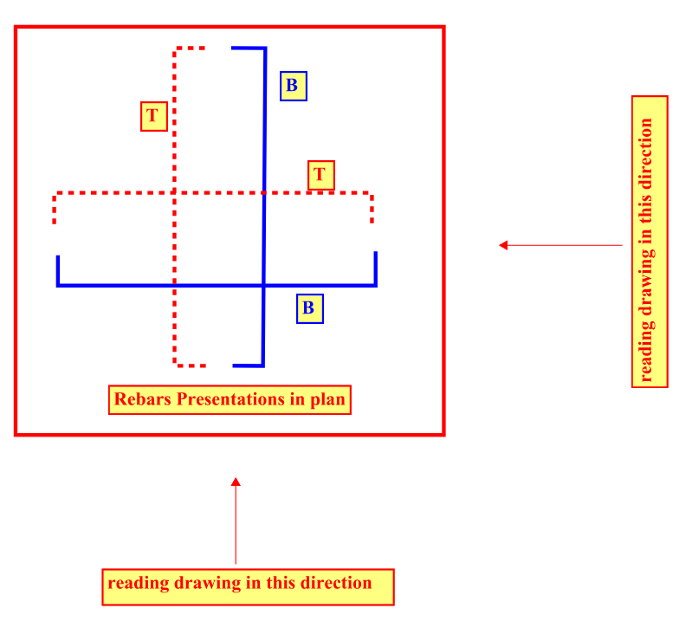

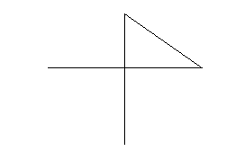

 |  |  | 2

Sheet2
ww
 |  | save as | unpin cad files | save as
 |  |  |  | delete unsedn vies | IFC | DWFX | NWC
 |  |  |  | unlaod links
 |  |  |  | pin links
 |  |  |  | pin all element
 |  | OPEN DETACHED |  | unpin cad file
 | 2.PURGE | REMOVE CAD |  | remov cad
 | 1. TEMPLATE DELETE | REMOVE VIEWS |  | rev view temp
 | 1. REMOVE ABSOLUTE LINKS | PUGRE |  | remoce filter
 | 1. MANAGE LINK | REMOVE TEMPLATE |  | purge
 |  | MANAGE VIEWS TEMPLARE DELETE |  | pug
 | 3.FAMILY RENAME | REMOVE FILTERS |  | puge
 | 4. FILTER DELETE | PURGE |  | pugr
 | 5.CAD DELETE | PURGE |  | save
 | 6.EXTRA VIEWS | TRASMITAL
 | 7. WARNING CLEAR | PUGRE
 | 8. E- TRANSMITAL PURGE

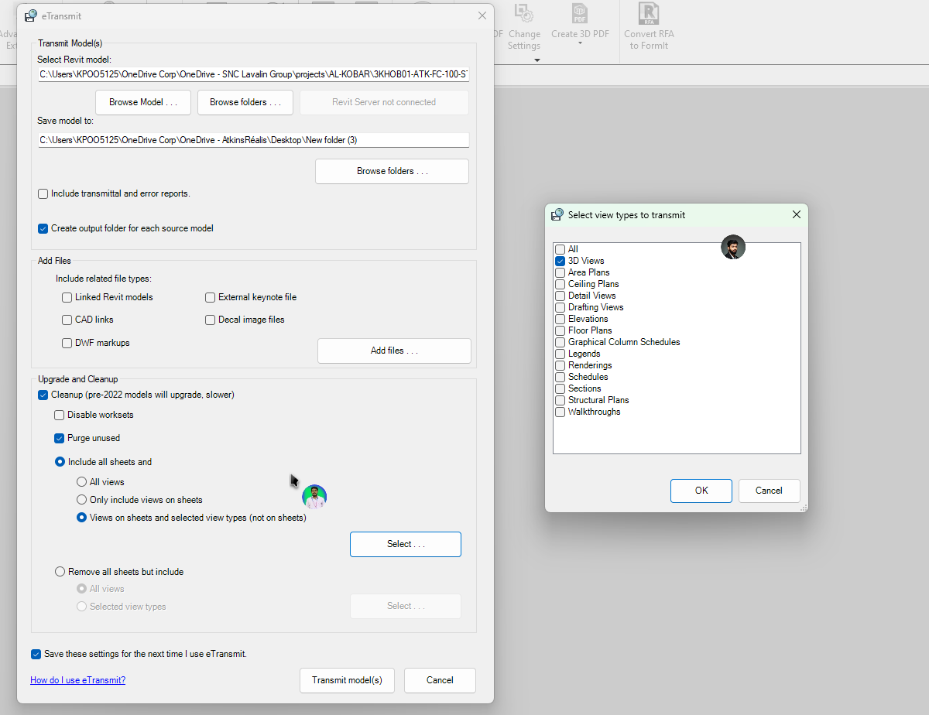
 |  | REMOVE FILTERS
 |  | PURGE
 |  | TRASMITAL

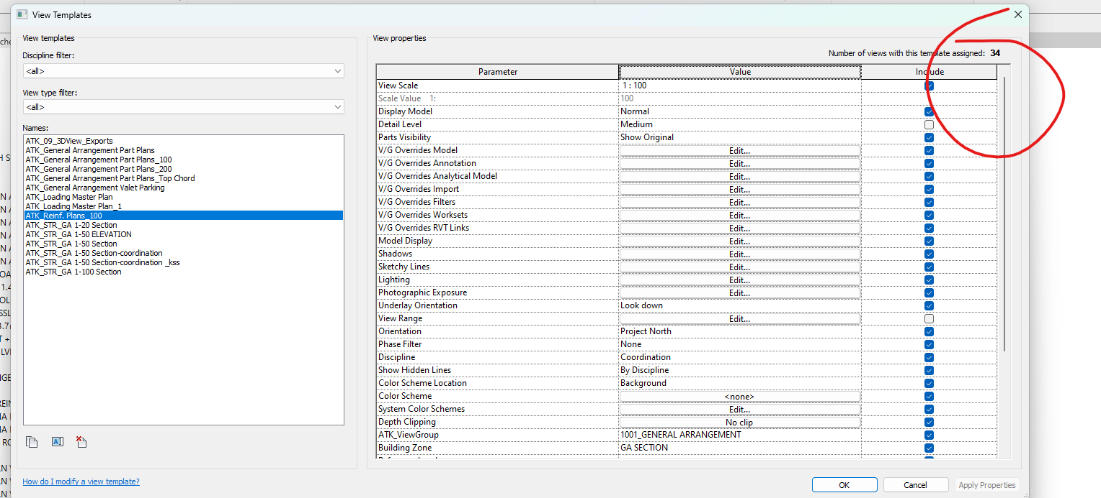
 | 9. TEMPLATE DELETE

 | 10.PURGE FILTER
 | 11.PURGE
 | 12 PRE FLIGHT

