Dec14-toi
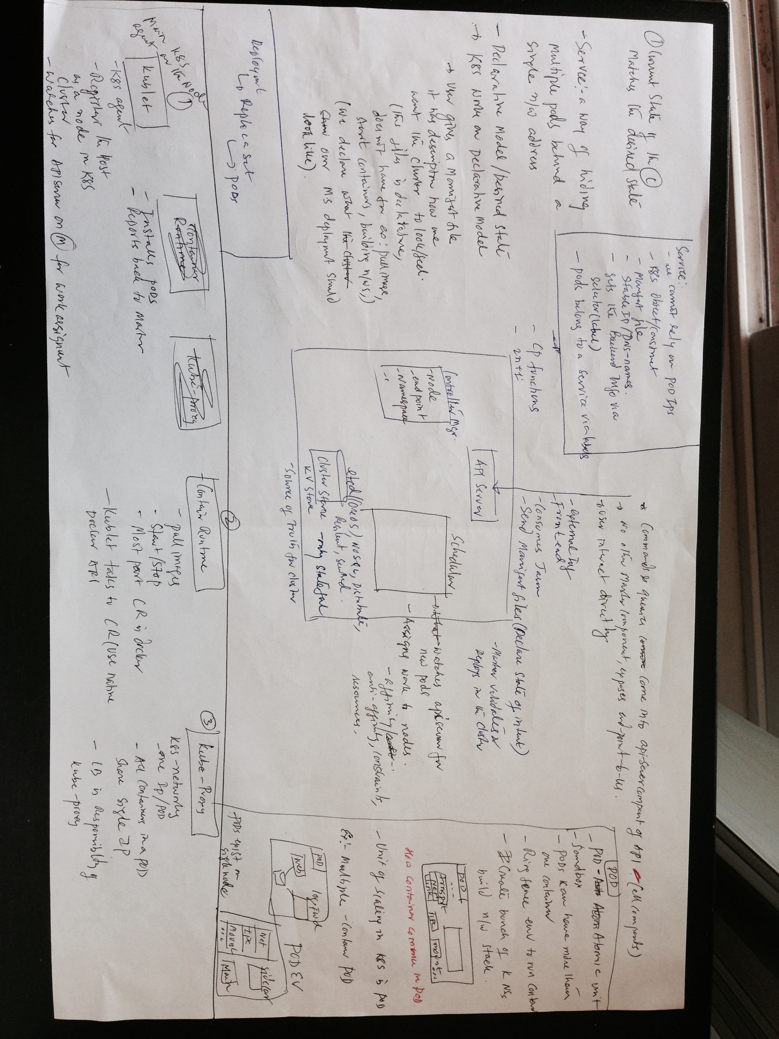

Docker and Kubernetes

 |  | VM

 |  |  | VM

app
many processes |  |  |  |  |  |  | app

 |  |  | OS Kernel

 |  |  |  |  |  | Bare metal

 |  | Hyprvisor
 |  | OS Kernel |  |  | OS
 |  | H/W |  |  | H/W

 |  | VM

 |  |  | VM |  |  |  | Non Contianer app with 3 processes | App with containers
 |  |  |  |  |  |  | VM | VM

 |  |  |  | Container
P1
P1
P2
P2
 |  |  |  |  |  |  |  |  | Kernel properties
 |  |  |  |  |  |  |  |  | # | control groups or cgroups
Container image |  |  |  |  |  |  |  |  | # | Namespaces
P3
P3
 |  |  |  |  |  |  |  |  |  | # | Process
 |  |  |  |  |  |  |  |  |  | # | mnt
 |  |  |  |  |  |  |  |  |  | # | Network
 |  |  | Docker infra |  |  |  |  |  |  | # | UTS
 |  |  | OS Kernel |  |  |  | Docker infra | Docker infra |  | # | IPC
 |  |  |  |  |  |  | OS Kernel | OS Kernel |  | # | user

 |  | Hyprvisor
 |  | OS Kernel
 |  | H/W

 | # | Containers
 |  | # | Docker
 |  | # | Rocket

K8S

