Q1
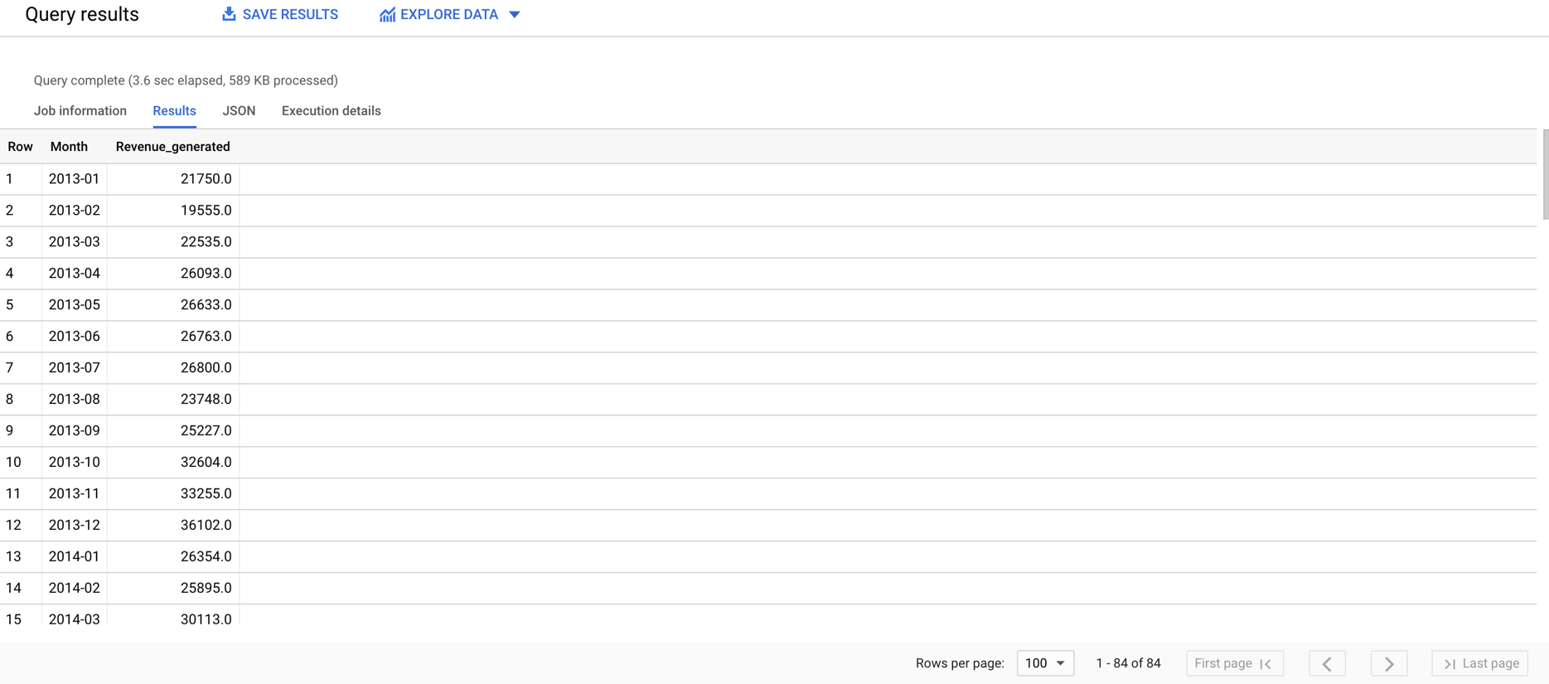
1) How much revenue was generated by month between Jan-2013 and Dec-2019?(Done in BIgQuery)

This Query will give the revenue generated for each month for each year between Jan-2013 and Dec-2019

with sample as (select *,left(string(Opp_Start_Date),7) as Month from `infosys-vijayaragavan.JMAN_test_dataset.analytical_task` order by Opp_Start_Date)
SELECT Month,sum(MRR_expected_) as Revenue_generated FROM sample
where (Opp_Start_Date between "2013-01-01" and "2019-12-31") or (OPP_contract_end_date between "2013-01-01" and "2019-12-31") group by Month order by Month;

Q2
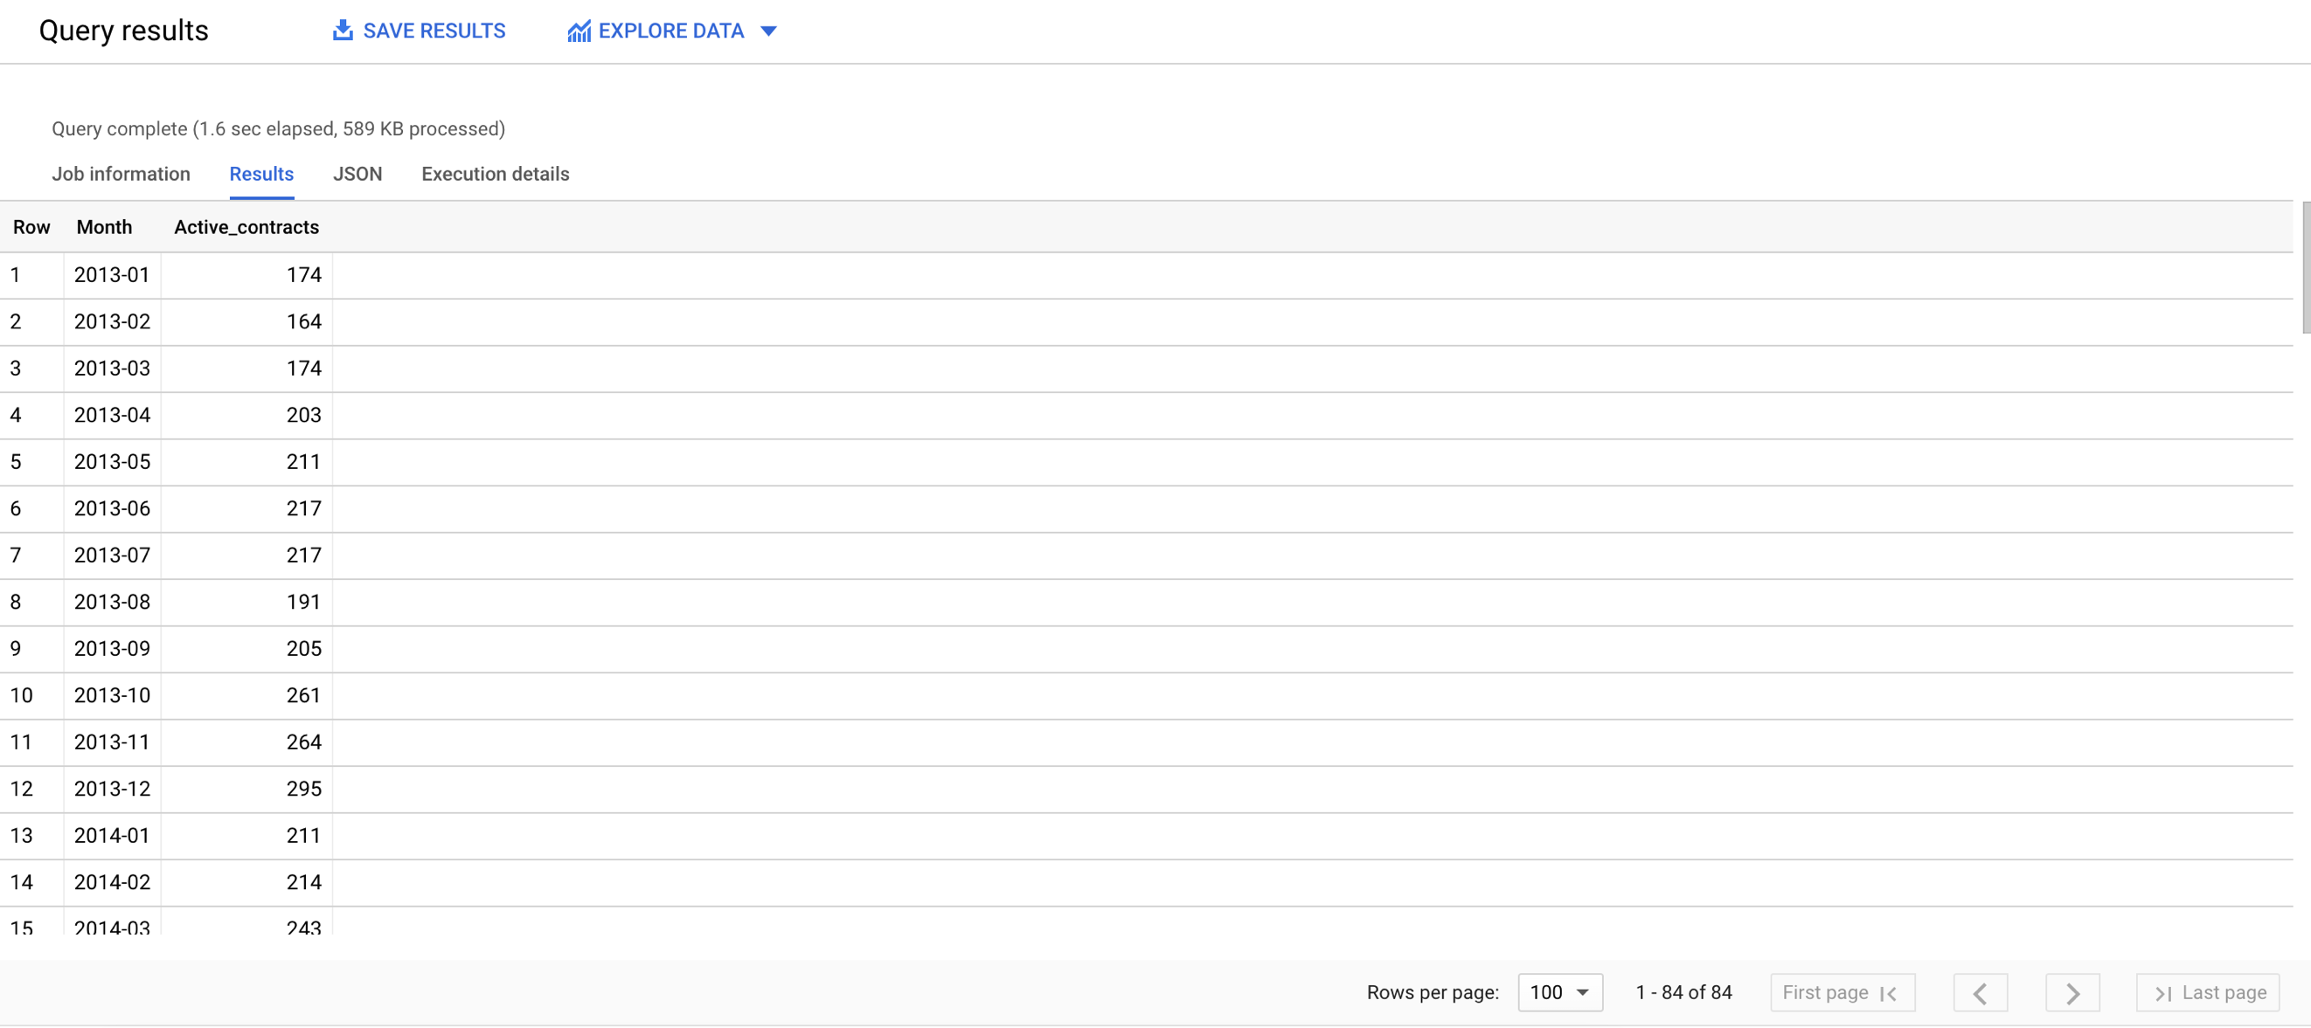
2) How many active contracts (generated revenue in that month) were there by month between Jan-2013 and Dec-2019?(Done in BIgQuery)

This query will give the number of active contracts (generated revenue in that month) for each month for each year between Jan-2013 and Dec-2019

with sample as (select *,left(string(Opp_Start_Date),7) as Month from `infosys-vijayaragavan.JMAN_test_dataset.analytical_task` order by Opp_Start_Date)
SELECT Month,count(*) as Active_contracts FROM sample
where ((Opp_Start_Date between "2013-01-01" and "2019-12-31") or (OPP_contract_end_date between "2013-01-01" and "2019-12-31")) and (MRR_expected_>0) group by Month order by Month;

Q3
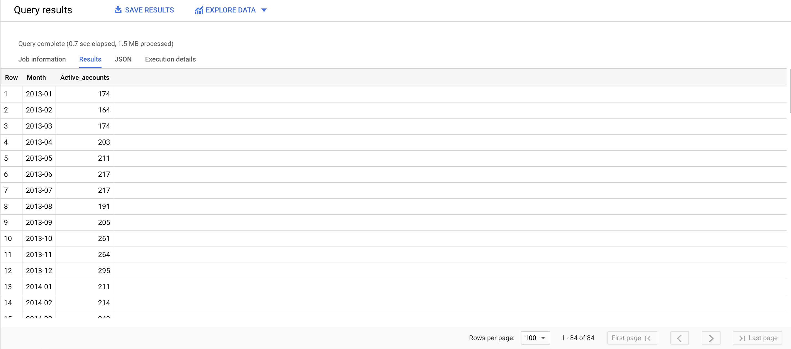
3) How many active accounts (generated revenue from at least one contract) were there by month between Jan-2013 and Dec-2019?(Done in BigQuery)

This query will give the number of active accounts (generated revenue from at least one contract) for each month for each year between Jan-2013 and Dec-2019

with sample as (select *,left(string(Opp_Start_Date),7) as Month from `infosys-vijayaragavan.JMAN_test_dataset.analytical_task` order by Opp_Start_Date)
SELECT Month,count(Unique_Account_Field) as Active_accounts FROM sample
where ((Opp_Start_Date between "2013-01-01" and "2019-12-31") or (OPP_contract_end_date between "2013-01-01" and "2019-12-31")) and (MRR_expected_>0) group by Month order by Month;

