Instructions
Instructions - please read this page carefully

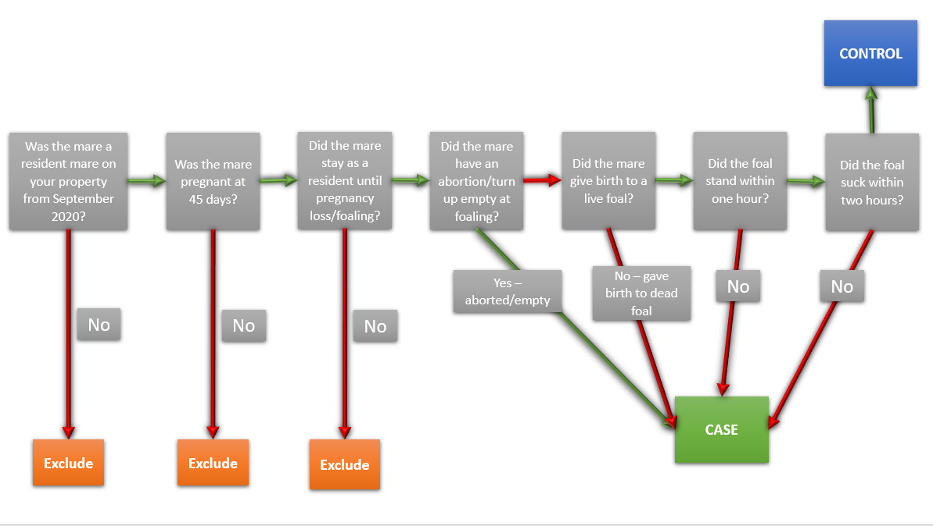
Step 1
Read the Participant Information Sheet and sign the consent form.
Email signed consent form to cwilson@csu.edu.au

Step 2
Answer General Stud questions over the phone with member of the research team.

 | Going forward
 | The next steps can be completed over the phone with a research team member, or you can enter your answers directly into the spreadsheet, or you can do a combination of both.
 | Please note, there is no requirement to include the mare's name, please just provide an individual ID for each mare so that you can identify her should we need to ask further questions.
 | Please use one column per mare.

 | For this study, we are ONLY interested in RESIDENT mares that were SERVED IN 2020 to foal down in 2021 and scanned pregnant at 45 days.

Step 3
Complete 'Cases' sheet
 | Please include ALL cases in which a mare was scanned pregnant at 45 days and lost the foal after, even if she was just identified at scanning later on.
 | Refer to the Decision tree to the right to help you decide whether the mare should be included as a Case or a Control. If you are unsure, please contact Cara Wilson (cwilson@csu.edu.au).

Step 4
Complete 'Controls' sheet
 | We need TWICE the number of controls as cases (unless we reach the maximum number of pregnant mares for that year)
 | EXAMPLE A: If you had 200 pregnant Mares on your stud and had 10 pregnancy losses in 2021, you will need to provide information on 20 controls.
 | EXAMPLE B: If you have 20 pregnant Mares on your stud and had 8 pregnancy losses in 2021, you will need to provide information on 12 controls (up to the maximum number of pregnant mares).
 | Refer to the Decision tree to the right to help you decide whether the mare should be included as a Case or a Control. If you are unsure, please contact Cara Wilson (cwilson@csu.edu.au).
 | We need these controls to be RANDOMLY selected. Steps have been provided below to help you do this, or email Cara for assistance.
 | > Give all mares that were 'controls' in the 2020/2021 breeding season a number
 | > Use the random number generator at the following link: | https://www.calculatorsoup.com/calculators/statistics/random-number-generator.php
 | > Enter the range of numbers for controls that you have
 | > Enter the number of controls you need under 'How many'
 | > DO NOT allow repeats, DO NOT sort
 | > Using the random numbers it generates, select those mares to provide information on as controls.

At all stages
 | If the question is irrelevant, please just write 'NA' or select 'Not Applicable'
 | If you do not know the answer, please write 'Unknown'
 | Remember to KEEP SAVING as you go!
 | You can copy and paste answers across if the mare was in the exact same situation as the previous mare - but please be careful to check each answer for individual mares to ensure we get accurate data.
 | If you think of any additional information that might be relevant as you are answering questions, there is space at the bottom to include additional details about the case/control
 | Please call or email Cara Wilson with any questions you have. Phone: 0457 041 192; Email: cwilson@csu.edu.au

Finishing up
 | Please send the completed spreadsheet back to cwilson@csu.edu.au

