solution
> table(base_data$quality)

3 4 5 6 7 8 9 |  |  |  |  |  |  | > plot(base_data$Des_Qual)
20 163 1457 2198 880 175 5

> table(base_data$Des_Qual)

N Y
3838 1060

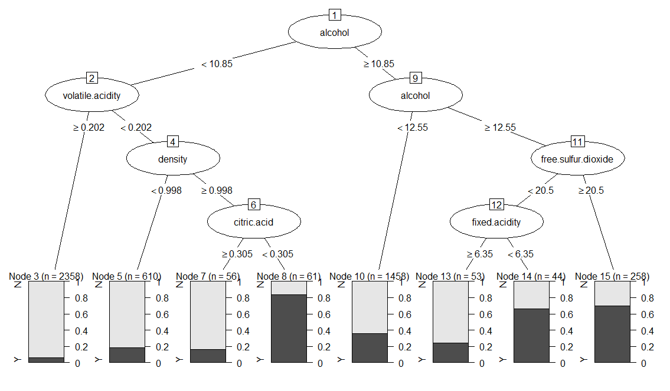

> print(Dev_Model_1)
n= 4898

node), split, n, loss, yval, (yprob)
* denotes terminal node

1) root 4898 1060 N (0.78358514 0.21641486)
2) alcohol< 10.85 3085 313 N (0.89854133 0.10145867)
4) volatile.acidity>=0.2025 2358 140 N (0.94062765 0.05937235) *
5) volatile.acidity< 0.2025 727 173 N (0.76203576 0.23796424)
10) density< 0.99788 610 113 N (0.81475410 0.18524590) *
11) density>=0.99788 117 57 Y (0.48717949 0.51282051)
22) citric.acid>=0.305 56 9 N (0.83928571 0.16071429) *
23) citric.acid< 0.305 61 10 Y (0.16393443 0.83606557) *
3) alcohol>=10.85 1813 747 N (0.58797573 0.41202427)
6) alcohol< 12.55 1458 525 N (0.63991770 0.36008230) *
7) alcohol>=12.55 355 133 Y (0.37464789 0.62535211)
14) free.sulfur.dioxide< 20.5 97 42 N (0.56701031 0.43298969)
28) fixed.acidity>=6.35 53 13 N (0.75471698 0.24528302) *
29) fixed.acidity< 6.35 44 15 Y (0.34090909 0.65909091) *
15) free.sulfur.dioxide>=20.5 258 78 Y (0.30232558 0.69767442) *

 | Desired quality = Y

 | Segment | Response Rate (%) | Sample size | # of Responder | Cumulative Responders | Cumulative Size | Cumulative non responder | Cumulative non res % | Cumulative responder % | KS
 | 8 | 83.6% | 61 | 51 | 51 | 61 | 10 | 0.3% | 4.8% | 4.6%
 | 15 | 69.8% | 258 | 180 | 231 | 319 | 88 | 2.3% | 21.8% | 19.5%
 | 14 | 65.9% | 44 | 29 | 260 | 363 | 103 | 2.7% | 24.5% | 21.8%
 | 10 | 36.0% | 1458 | 525 | 785 | 1,821 | 1036 | 27.0% | 74.1% | 47.1%
 | 13 | 24.5% | 53 | 13 | 798 | 1,874 | 1076 | 28.0% | 75.3% | 47.2%
 | 5 | 18.5% | 610 | 113 | 911 | 2,484 | 1573 | 41.0% | 85.9% | 45.0%
 | 7 | 16.1% | 56 | 9 | 920 | 2,540 | 1620 | 42.2% | 86.8% | 44.6%
 | 3 | 5.9% | 2358 | 140 | 1,060 | 4,898 | 3838 | 100.0% | 100.0% | 0.0%

 |  |  |  |  |  |  |  | KS |  | 47.2%

 | Maximum leaf node for depth 4
1

2
3

4
5
6
7

8
9
10
11
12
13
14
15

