Sheet1
 |  |  | 0.8125 |  |  |  |  | Objective: We want to calculate (b0,b1,b2,b3) so to interpret the results
 |  |  |  |  |  |  | Objective Function | minimise cost function by maximising value->Ylogp+(1-y)log(1-p)
 | Target | Response |  |  |  |  | log(odds) | -8.64+1.273*Brand+0.18*Product+0.58*Shopping
 |  | X1 | X2 | X3 |  |  | log(odds) | b0+b1*X1+B2*X2+b3*X3 |  | Odds | Probability | odds=p/(1-p) | p=odds/(1+odds)
 | bo | b1 | b2 | b3 |  |  |  | b1*Brand+b2*Product+b3*Shopping |  | odds can take any value b/w 0 and infinity | can take value b/w 0 and 1
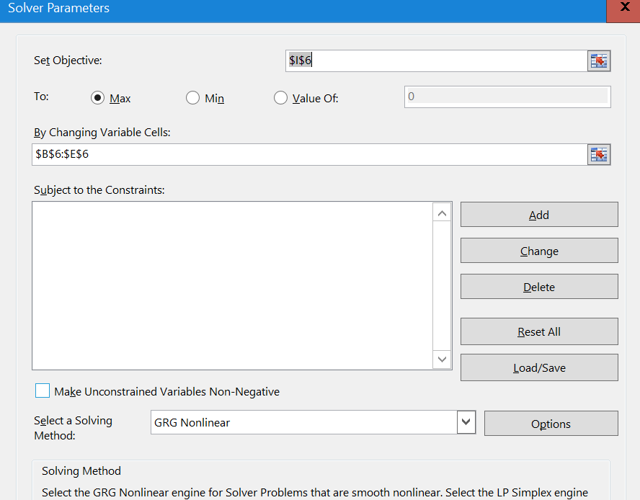
 | -8.6419244408 | 1.2738600809 | 0.1861538418 | 0.58998043043 |  |  |  | -11.500695645 | -4.876151582 | -6.6245440628
no | Loyalty | Brand | Product | Shopping | Log(odds) | Odds | p(odds/(1+odds)) | 1-p | y logp | (1-y)log(1-p) |  | 1.2738600809 | 0.1861538418 | 0.58998043043
15 | 1 | 7 | 5 | 5 | 4.1557674865 | 63.800912103 | 0.98456811845 | 0.015431881551 | -0.015552192389 | 0 |  | Brand | Product | Shopping |  | 2.9674596173 | 1.9815505622
10 | 1 | 7 | 6 | 4 | 3.7519408979 | 42.603691221 | 0.97706616179 | 0.022933838214 | -0.023200909902 | 0 |  | 3.5746243042 | 1.2046075651 | 1.8039531125 | 6.5831849817
9 | 1 | 7 | 5 | 4 | 3.5657870561 | 35.367278485 | 0.97250275408 | 0.027497245921 | -0.027882371536 | 0 | Let me attcah importance | 0.54299314299 | 0.18298248773 | 0.27402436928 | 100
25 | 0 | 6 | 3 | 6 | 3.0995801525 | 22.188633483 | 0.95687542344 | 0.043124576561 | 0 | -3.1436622226 |  | 54.299314299 | 18.298248773 | 27.402436928 | 100
4 | 1 | 6 | 5 | 5 | 2.8819074057 | 17.848284652 | 0.9469447741 | 0.053055225899 | -0.05451450418 | 0 |  | 0.32438419496 | 1.4510793859 | 1.4510793859
13 | 1 | 7 | 3 | 3 | 2.6034989421 | 13.510929386 | 0.93108642642 | 0.068913573582 | -0.0714031742 | 0 |  | 0.22354682873
2 | 1 | 6 | 5 | 4 | 2.2919269752 | 9.8939847872 | 0.90820622394 | 0.091793776064 | -0.096283807296 | 0
5 | 1 | 6 | 3 | 4 | 1.9196192916 | 6.8183621676 | 0.87209597374 | 0.12790402626 | -0.1368557995 | 0
7 | 1 | 5 | 5 | 5 | 1.6080473248 | 4.9930518939 | 0.83314010663 | 0.16685989337 | -0.18255345573 | 0
11 | 1 | 6 | 7 | 2 | 1.484273798 | 4.4117604197 | 0.81521724496 | 0.18478275504 | -0.20430064303 | 0
12 | 1 | 5 | 6 | 4 | 1.2042207362 | 3.3341598752 | 0.76927477786 | 0.23072522214 | -0.26230705489 | 0
8 | 1 | 6 | 4 | 2 | 0.92581227256 | 2.5239175369 | 0.7162249146 | 0.2837750854 | -0.33376103482 | 0
3 | 1 | 5 | 2 | 4 | 0.45960536896 | 1.5834489836 | 0.61292055451 | 0.38707944549 | -0.48951995256 | 0
19 | 0 | 5 | 2 | 4 | 0.45960536896 | 1.5834489836 | 0.61292055451 | 0.38707944549 | 0 | -0.94912532153
29 | 0 | 5 | 5 | 3 | 0.42808646392 | 1.5343187384 | 0.60541664123 | 0.39458335877 | 0 | -0.92992485869
14 | 1 | 5 | 1 | 4 | 0.27345152716 | 1.3144936404 | 0.56794005283 | 0.43205994717 | -0.56573940662 | 0
1 | 1 | 4 | 3 | 5 | -0.038120439684 | 0.96259699903 | 0.49047104398 | 0.50952895602 | -0.71238903539 | 0
22 | 0 | 3 | 4 | 5 | -1.1258266788 | 0.32438419496 | 0.24493209463 | 0.75506790537 | 0 | -0.28094759288
17 | 0 | 4 | 6 | 2 | -1.2496002056 | 0.28661936278 | 0.22276935282 | 0.77723064718 | 0 | -0.25201812945
6 | 1 | 3 | 2 | 5 | -1.4981343624 | 0.22354682873 | 0.18270394192 | 0.81729605808 | -1.6998882399 | 0
20 | 0 | 4 | 1 | 3 | -1.5903889841 | 0.20384630333 | 0.16932917663 | 0.83067082337 | 0 | -0.1855216837
24 | 0 | 4 | 4 | 2 | -1.6219078892 | 0.19752149025 | 0.164941917 | 0.835058083 | 0 | -0.18025399607
27 | 0 | 4 | 3 | 2 | -1.808061731 | 0.16397165016 | 0.14087254628 | 0.85912745372 | 0 | -0.15183799348
21 | 0 | 3 | 3 | 4 | -1.901960951 | 0.14927560987 | 0.12988669436 | 0.87011330564 | 0 | -0.13913183944
23 | 0 | 3 | 6 | 3 | -1.933479856 | 0.14464398146 | 0.12636591272 | 0.87363408728 | 0 | -0.13509365543
26 | 0 | 3 | 6 | 3 | -1.933479856 | 0.14464398146 | 0.12636591272 | 0.87363408728 | 0 | -0.13509365543
28 | 0 | 3 | 5 | 2 | -2.7096141283 | 0.066562486342 | 0.062408426318 | 0.93759157368 | 0 | -0.064440847313
16 | 0 | 3 | 1 | 3 | -2.864249065 | 0.057025937829 | 0.053949421474 | 0.94605057853 | 0 | -0.055459245687
18 | 0 | 2 | 5 | 2 | -3.9834742091 | 0.018620834157 | 0.018280437168 | 0.98171956283 | 0 | -0.018449588977
30 | 0 | 1 | 3 | 2 | -5.6296419736 | 0.003589860362 | 0.003577019362 | 0.99642298064 | 0 | -0.0035834321929

