F TEST
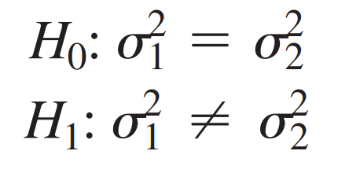
HYPOTHESIS FORMATION

 | Two tailed test

F TEST
 | Fstat is checking equality of variance of two samples
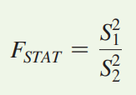

 |  |  |  |  |  |  | Levenes test Homogenity of variance
 |  |  |  |  |  |  | Use Levenes test for more than TWO Samples and
 |  |  |  |  |  |  | populations normal distribution deviate mildly

 |  |  |  |  |  |  | F TEST-->for checking equality of variances
 |  |  |  |  |  |  | Populations are normally distributed
 | n1 = sample 1 count total |  |  |  |  |  | Its always right tail test, as both variances are +VE
 | n2 = sample 2 count total |  |  |  |  |  | EXCEL - F.DIST.RT is one tail, multiply 2 for Two tailed
 | dof is = n-1 |  |  |  |  |  | {1-stats.f.cdf(f_stat,dofn,dofd)} - Pval is one tailed, multiply 2 for two tailed

 |  | Machine 1 | 2.95 | 3.45 | 3.5 | 3.75 | 3.48 | 3.26 | 3.33 | 3.2 | 3.16 | 3.2 | 3.22 | 3.38 | 3.9 | 3.36 | 3.25 | 3.28 | 3.2 | 3.22 | 2.98 | 3.45 | 3.7 | 3.34 | 3.18 | 3.35 | 3.12
 |  | Machine 2 | 3.22 | 3.3 | 3.34 | 3.28 | 3.29 | 3.25 | 3.3 | 3.27 | 3.38 | 3.34 | 3.35 | 3.19 | 3.35 | 3.05 | 3.36 | 3.28 | 3.3 | 3.28 | 3.3 | 3.2 | 3.16 | 3.33
 |  |  | check 0.025, 0.975 as two tail | Var is always +VE |  |  |  |  |  | Check for alpha | Pval is already multiplied by 2 in F.DIST.RT, which is one tail
 |  | tails | alpha | Var_S12 | Var_S22 | dof_num | dof_den | FSTAT | FCRITICAL | alpha_req | p_value |  | 2.4586394893E-06
 | row drop | 2 | 0.975 | 0.052 | 0.006 | 21 | 21 | 8.895 | 2.409 | 0.05 | 5.0992829687E-06 |  | 5.0992829687E-06
 |  | 2 | 0.975 | 48.000 | 20.000 | 25 | 15 | 2.400 | 2.689 | 0.05 | 0.0812 |  | 5.0992829687E-06
 |  | 2 | 0.975 | 1809.822 | 1058.011 | 9 | 9 | 1.711 | 4.026 | 0.05 | 0.4361 |  | 5.0992829687E-06
 |  | 1 | 0.95 | 4.400 | 1.900 | 24 | 20 | 2.316 | 2.082 | 0.05 | 0.0303

 |  | old | 43 | 40 | 32 | 38 | 32 | 34 | 46 | 33 | 39 | 34 | 48 | 42 | 9 | 49 | 40 | 40 | 35 | 40 | 40 | 39
 |  | new | 50 | 45 | 47 | 52 | 42 | 41 | 44 | 43 | 55 | 54 | 54 | 53 | 46 | 56 | 39 | 55 | 44 | 51 | 39 | 40
 |  | 2 | 0.975 | 69.713 | 35.000 | 19 | 19 | 1.992 | 2.526 | 0.05 | 0.1421

 |  | sp_front | 224 | 189 | 248 | 285 | 273 | 190 | 243 | 215 | 280 | 317
 |  | in_aisle | 192 | 236 | 164 | 154 | 189 | 220 | 261 | 186 | 219 | 202
 |  | 2 | 0.975 | 1809.822 | 1058.011 | 9 | 9 | 1.711 | 4.026 | 0.05 | 0.4361

 |  | actual | 58 | 105 | 88 | 118 | 117 | 137 | 157 | 169 | 149 | 202
 |  | reg values | 70 | 90 | 100 | 100 | 120 | 140 | 160 | 160 | 170 | 190
 |  | 2 | 0.975 | 1747.778 | 1577.778 | 9 | 9 | 1.108 | 4.026 | 0.05 | 0.8813

Modified Levene's Test

 |  |  | Even When populations normal distribution deviate mildly
 |  |  | More than TWO Samples

 |  |  | 1 to c
 |  | n rows | c group or columns

 |  |  | c1 | c2 | ….. |  |  |  | XG |  |  | 0.231
 | 1 to n | 1 |  |  |  |  |  |  | SSA = Σ nj (X̅j - XG)2 |  |  | 0.59266
 |  | 2 |  |  |  |  |  |  | SSW = Σ(X̅ij - Xj)^2 |  |  | 4.02732
 |  |  |  |  |  |  |  |  | SST = Σ(Xij - XG)2 |  |  | 4.6200

 |  |  |  |  |  | Perform one way ANOVA on (x-x_med) |  |  |  | TOTAL GROUPS |  |  |  | AMONG GROUPS |  |  |  | WITHIN GROUPS
 | (i,j) | In Aisle | Front | Kiosk | Expert | In Aisle | Front | Kiosk | Expert | In Aisle | Front | Kiosk | Expert | In Aisle | Front | Kiosk | Expert | In Aisle | Front | Kiosk | Expert
̅ | MEDIAN | 29.96 | 32.13 | 30.91 | 30.29 | Xij = (xij - x̅jMEDIAN) |  |  |  | SST = Σ(Xij - XG)2 |  |  |  | SSA = Σ nj (X̅j - XG)2 |  |  |  | SSW = Σ(X̅ij - Xj)^2
 |  | 30.06 | 32.22 | 30.78 | 30.33 | 0.1 | 0.09 | 0.13 | 0.04 | 0.02 | 0.02 | 0.01 | 0.04 | 0.389205 | 0.000125 | 0.083205 | 0.120125 | 0.1681 | 0.021316 | 0.000784 | 0.001296
 |  | 29.96 | 31.47 | 30.91 | 30.29 | 0 | 0.66 | 0 | 0 | 0.05 | 0.18 | 0.05 | 0.05 |  |  |  |  | 0.2601 | 0.179776 | 0.010404 | 0.005776
 |  | 30.19 | 32.13 | 30.79 | 30.25 | 0.23 | 0 | 0.12 | 0.04 | 0.00 | 0.05 | 0.01 | 0.04 |  |  |  |  | 0.0784 | 0.055696 | 0.000324 | 0.001296
 |  | 29.96 | 31.86 | 30.95 | 30.25 | 0 | 0.27 | 0.04 | 0.04 | 0.05 | 0.00 | 0.04 | 0.04 |  |  |  |  | 0.2601 | 0.001156 | 0.003844 | 0.001296
 |  | 27.74 | 32.29 | 31.13 | 30.55 | 2.22 | 0.16 | 0.22 | 0.26 | 3.96 | 0.01 | 0.00 | 0.00 |  |  |  |  | 2.9241 | 0.005776 | 0.013924 | 0.033856
 | nj | 5 | 5 | 5 | 5 | 5 | 5 | 5 | 5
 | X̅j | 29.582 | 31.994 | 30.912 | 30.334 | 0.51 | 0.236 | 0.102 | 0.076
 | var | 1.07 | 0.11 | 0.02 | 0.02

 |  |  |  |  | SST = SSA + SSW
 | Source |  | dof |  | sum of sqaures |  | mean square(variance) |  |  | F
 | Among Groups |  | c-1 | 3 | SSA | 0.59 | MSA | SSA/(c-1) | 0.20 | FSTAT | MSA/MSW | 0.7849
 | Within Groups |  | n-c | 16 | SSW | 4.03 | MSW | SSW/(n-c) | 0.25
 | Total |  | n-1 | 19 | SST | 4.62

 | Levene | FSTAT |  | 0.7849
 |  | Falpha | 0.95 | 3.2389 | one tail-0.95 |  | two tail - 0.975
 |  | P_value | 0.05 | 0.5197 | one tail-P_val |  | two tail - P_val x 2

 |  |  | c1 | c2 | ….. |  |  |  | XG |  |  | 0.46555555556
 | 1 to n | 1 |  |  |  |  |  |  | SSA = Σ nj (X̅j - XG)2 |  |  | 1.3929333333
 |  | 2 |  |  |  |  |  |  | SSW = Σ(X̅ij - Xj)^2 |  |  | 10.4492
 |  |  |  |  |  |  |  |  | SST = Σ(Xij - XG)2 |  |  | 11.8421

 |  |  |  |  |  |  |  | Perform one way ANOVA on (x-x_med) |  |  |  |  |  | TOTAL GROUPS |  |  |  |  |  | AMONG GROUPS |  |  |  |  |  | WITHIN GROUPS
 | (i,j) | Atlanta | Chicago | Houston | Memphis | NewYork | Philadelphia | Atlanta | Chicago | Houston | Memphis | NewYork | Philadelphia | Atlanta | Chicago | Houston | Memphis | NewYork | Philadelphia | Atlanta | Chicago | Houston | Memphis | NewYork | Philadelphia | Atlanta | Chicago | Houston | Memphis | NewYork | Philadelphia
̅ | MEDIAN | 13 | 12.5 | 13.5 | 13.25 | 13.75 | 12 | Xij = (xij - x̅jMEDIAN) |  |  |  |  |  | SST = Σ(Xij - XG)2 |  |  |  |  |  | SSA = Σ nj (X̅j - XG)2 |  |  |  |  |  | SSW = Σ(X̅ij - Xj)^2
 |  | 13.75 | 14.25 | 14 | 15 | 14.5 | 13.5 | 0.75 | 1.75 | 0.5 | 1.75 | 0.75 | 1.5 | 0.08 | 1.65 | 0.00 | 1.65 | 0.08 | 1.07 | 0.098177777778 | 0.0040111111111 | 0.020544444444 | 0.71684444444 | 0.11334444444 | 0.44001111111 | 0.1512345679 | 1.7044753086 | 0.0067604938272 | 1.0044493827 | 0.029660493827 | 1.5764197531
 |  | 13.75 | 13 | 14 | 14 | 14 | 12.25 | 0.75 | 0.5 | 0.5 | 0.75 | 0.25 | 0.25 | 0.08 | 0.00 | 0.00 | 0.08 | 0.05 | 0.05 |  |  |  |  |  |  | 0.1512345679 | 0.0030864197531 | 0.0067604938272 | 4.9382716049E-06 | 0.1074382716 | 3.0864197531E-05
 |  | 13.5 | 12.75 | 13.51 | 13.75 | 14 | 12.25 | 0.5 | 0.25 | 0.01 | 0.5 | 0.25 | 0.25 | 0.00 | 0.05 | 0.21 | 0.00 | 0.05 | 0.05 |  |  |  |  |  |  | 0.019290123457 | 0.037808641975 | 0.16628271605 | 0.06139382716 | 0.1074382716 | 3.0864197531E-05
 |  | 13.5 | 12.5 | 13.5 | 13.59 | 13.9 | 12 | 0.5 | 0 | 0 | 0.34 | 0.15 | 0 | 0.00 | 0.22 | 0.22 | 0.02 | 0.10 | 0.22 |  |  |  |  |  |  | 0.019290123457 | 0.1975308642 | 0.1745382716 | 0.16628271605 | 0.18299382716 | 0.05975308642
 |  | 13 | 12.5 | 13.5 | 13.25 | 13.75 | 12 | 0 | 0 | 0 | 0 | 0 | 0 | 0.22 | 0.22 | 0.22 | 0.22 | 0.22 | 0.22 |  |  |  |  |  |  | 0.13040123457 | 0.1975308642 | 0.1745382716 | 0.55917160494 | 0.33382716049 | 0.05975308642
 |  | 13 | 12.4 | 13.25 | 12.97 | 13.25 | 12 | 0 | 0.1 | 0.25 | 0.28 | 0.5 | 0 | 0.22 | 0.13 | 0.05 | 0.03 | 0.00 | 0.22 |  |  |  |  |  |  | 0.13040123457 | 0.11864197531 | 0.028149382716 | 0.21881604938 | 0.006049382716 | 0.05975308642
 |  | 13 | 12.3 | 13 | 12.5 | 13 | 12 | 0 | 0.2 | 0.5 | 0.75 | 0.75 | 0 | 0.22 | 0.07 | 0.00 | 0.08 | 0.08 | 0.22 |  |  |  |  |  |  | 0.13040123457 | 0.05975308642 | 0.0067604938272 | 4.9382716049E-06 | 0.029660493827 | 0.05975308642
 |  | 12.75 | 11.9 | 12.5 | 12.25 | 12.5 | 11.9 | 0.25 | 0.6 | 1 | 1 | 1.25 | 0.1 | 0.05 | 0.02 | 0.29 | 0.29 | 0.62 | 0.13 |  |  |  |  |  |  | 0.012345679012 | 0.024197530864 | 0.33898271605 | 0.063616049383 | 0.45188271605 | 0.020864197531
 |  | 12.5 | 11.9 | 12.5 | 11.89 | 12.45 | 11.9 | 0.5 | 0.6 | 1 | 1.36 | 1.3 | 0.1 | 0.00 | 0.02 | 0.29 | 0.80 | 0.70 | 0.13 |  |  |  |  |  |  | 0.019290123457 | 0.024197530864 | 0.33898271605 | 0.37481604938 | 0.52160493827 | 0.020864197531
 | nj | 9 | 9 | 9 | 9 | 9 | 9 | 9 | 9 | 9 | 9 | 9 | 9
 | X̅j | 13.194444444 | 12.611111111 | 13.306666667 | 13.244444444 | 13.483333333 | 12.2 | 0.36111111111 | 0.44444444444 | 0.41777777778 | 0.74777777778 | 0.57777777778 | 0.24444444444
 | var | 0.20 | 0.50 | 0.31 | 0.94 | 0.52 | 0.25

 |  |  |  |  | SST = SSA + SSW
 | Source |  | dof |  | sum of sqaures |  | mean square(variance) |  |  | F
 | Among Groups |  | c-1 | 5 | SSA | 1.39 | MSA | SSA/(c-1) | 0.28 | FSTAT | MSA/MSW | 1.2797
 | Within Groups |  | n-c | 48 | SSW | 10.45 | MSW | SSW/(n-c) | 0.22
 | Total |  | n-1 | 53 | SST | 11.84

 | Levene | FSTAT |  | 1.2797 |  |  |  |  |  |  |  |  |  |  |  | Atlanta | Chicago | Houston | Memphis | NewYork | Philadelphia
 |  | Falpha | 0.95 | 2.4085 | one tail-0.95 |  | two tail - 0.975 |  |  |  |  |  |  |  | 0 | 13.75 | 14.25 | 14 | 15 | 14.5 | 13.5
 |  | P_value | 0.05 | 0.2882 | one tail-P_val |  | two tail - P_val x 2 |  |  |  |  |  |  |  | 1 | 13.75 | 13 | 14 | 14 | 14 | 12.25
 |  |  |  |  |  |  |  |  |  |  |  |  |  |  | 2 | 13.5 | 12.75 | 13.51 | 13.75 | 14 | 12.25
 |  |  |  |  |  |  |  |  |  |  |  |  |  |  | 3 | 13.5 | 12.5 | 13.5 | 13.59 | 13.9 | 12
 |  |  |  |  |  |  |  |  |  |  |  |  |  |  | 4 | 13 | 12.5 | 13.5 | 13.25 | 13.75 | 12
 |  |  |  |  |  |  |  |  |  |  |  |  |  |  | 5 | 13 | 12.4 | 13.25 | 12.97 | 13.25 | 12
 |  |  |  |  |  |  |  |  |  |  |  |  |  |  | 6 | 13 | 12.3 | 13 | 12.5 | 13 | 12
 |  |  |  |  |  |  |  |  |  |  |  |  |  |  | 7 | 12.75 | 11.9 | 12.5 | 12.25 | 12.5 | 11.9
 |  |  |  |  |  |  |  |  |  |  |  |  |  |  | 8 | 12.5 | 11.9 | 12.5 | 11.89 | 12.45 | 11.9

CHI TEST
CHI SQUARE TEST
 |  |  |  |  |  |  | Two pop proportion

CHI SQUARE TEST OF INDEPENDENCE

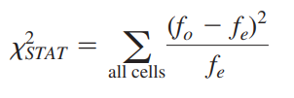
 |  |  |  |  |  |  |  | H0 : NO relation b/w reason and hotel |  |  | H0: ALWAYS INDEPENDENT
 |  |  |  |  |  |  |  | Ha : there is relation b/w reason and hotel |  |  | Ha: NOT INDEPENDENT
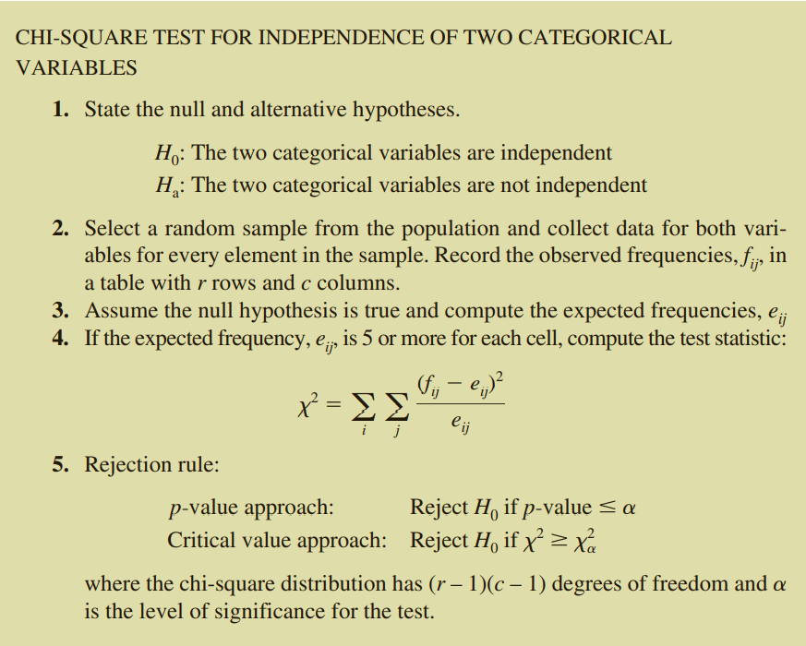

dof | = | (r-1)(c-1)

 | fe value for P(Amenities and Gplden Palm)

 |  | Contingency Table as per data |  |  |  |  | Contingency Table of Expected frequencies
 |  | Golden Palm | Palm Royale | Palm Princess | Total |  | Golden Palm | Palm Royale | Palm Princess | Total
 | Amenities | 23 | 7 | 37 | 67 |  | 31.53 | 11.82 | 23.65 | 67
 | Dining Options | 13 | 5 | 13 | 31 |  | 14.59 | 5.47 | 10.94 | 31
 | Quality Room | 39 | 13 | 8 | 60 |  | 28.24 | 10.59 | 21.18 | 60
 | Staff/Service Issues | 13 | 8 | 8 | 29 |  | 13.65 | 5.12 | 10.24 | 29
 | Total | 88 | 33 | 66 | 187 |  | 88 | 33 | 66 | 187

 |  | fo | fe | (fo-fe) | (fo-fe)^2 | (fo-fe)^2/fe
 | Amenities & Golden Palm | 23 | 31.529411765 | -8.5294117647 | 72.750865052 | 2.3073968393
 | Amenities & Palm Royale | 7 | 11.823529412 | -4.8235294118 | 23.266435986 | 1.9678080187
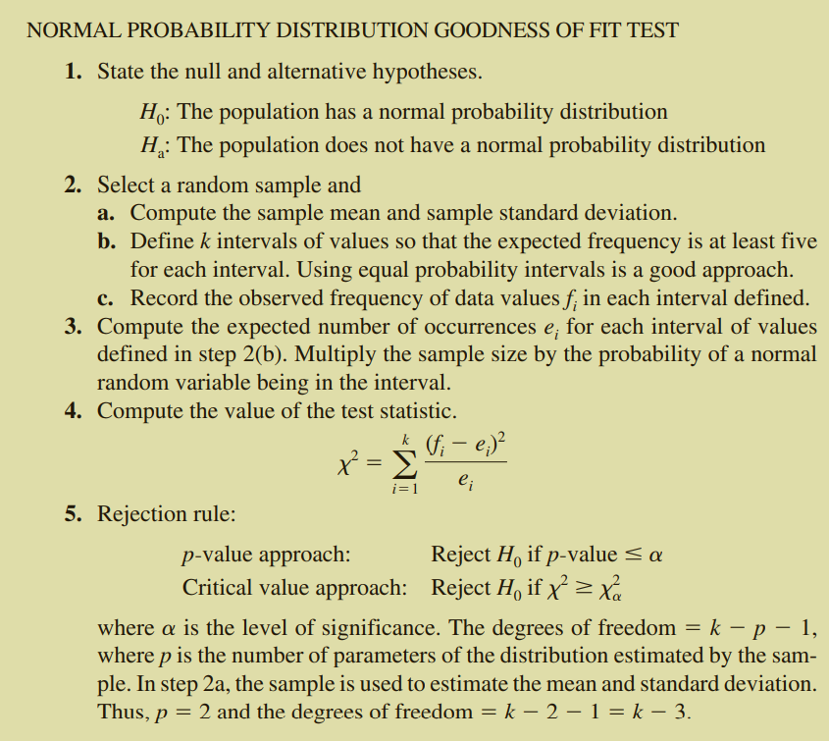
 | Amenities & Palm Princess | 37 | 23.647058824 | 13.352941176 | 178.30103806 | 7.5400936494
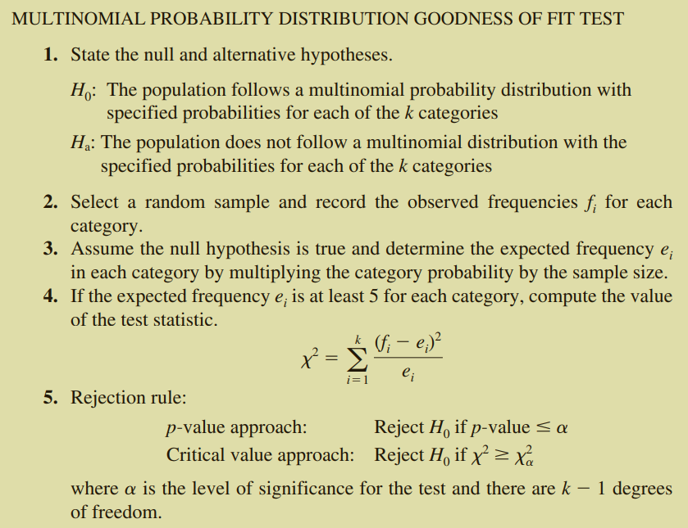
 | Dining Options & Golden Palm | 13 | 14.588235294 | -1.5882352941 | 2.5224913495 | 0.17291271347
 | Dining Options & Palm Royale | 5 | 5.4705882353 | -0.47058823529 | 0.2214532872 | 0.040480708412
 |  | 13 | 10.941176471 | 2.0588235294 | 4.2387543253 | 0.38741302973
 |  | 39 | 28.235294118 | 10.764705882 | 115.87889273 | 4.1040441176
 |  | 13 | 10.588235294 | 2.4117647059 | 5.8166089965 | 0.54934640523
 |  | 8 | 21.176470588 | -13.176470588 | 173.61937716 | 8.1986928105
 |  | 13 | 13.647058824 | -0.64705882353 | 0.41868512111 | 0.030679513185
 |  | 8 | 5.1176470588 | 2.8823529412 | 8.3079584775 | 1.6233941853
 |  | 8 | 10.235294118 | -2.2352941176 | 4.9965397924 | 0.48816768087
 |  |  |  |  |  | 27.410429672

 |  |  | dof |  | = | 6
 |  |  | alpha |  | = | 0.05
 |  |  | chi_crit |  | = | 12.591587244
 |  |  | chi square |  | = | 27.410429672
 |  |  | p_val |  | = | 0.00012128785227 | Reject NULL

 |  | Contingency Table as per data |  |  |  |  | Contingency Table of Expected frequencies
 |  | male | female |  | Total |  | male | female |  | Total
 | light | 51 | 39 |  | 90 |  | 59.40 | 30.60 |  | 90
 | regular | 56 | 21 |  | 77 |  | 50.82 | 26.18 |  | 77
 | dark | 25 | 8 |  | 33 |  | 21.78 | 11.22 |  | 33 |  | dof | = | 1
 |  |  |  |  |  |  |  |  |  |  |  | alpha | = | 0.05
 | Total | 132 | 68 |  | 200 |  | 132 | 68 | 0 | 200 |  | chi_crit | = | 3.8414588207
 |  |  |  |  |  |  |  |  |  |  |  | chi square | = | 8.87
 |  | fo | fe | (fo-fe) | (fo-fe)^2 | (fo-fe)^2/fe |  |  |  |  |  | p_val | = | 0.0028989514137 | Reject NULL
 | light & male | 51 | 59.4 | -8.4 | 70.56 | 1.1878787879 |  |  | H0 : NO relation b/w typr and gender
 | light & female | 39 | 30.6 | 8.4 | 70.56 | 2.3058823529 |  |  | Ha : there is relation b/w typr and gender
 | regular & male | 56 | 50.82 | 5.18 | 26.8324 | 0.52798898072
 | regular & female | 21 | 26.18 | -5.18 | 26.8324 | 1.0249197861
 |  | 25 | 21.78 | 3.22 | 10.3684 | 0.47605142332
 |  | 8 | 11.22 | -3.22 | 10.3684 | 0.92409982175
 |  |  |  |  |  | 6.4468211527

 |  |  | dof |  | = | 2
 |  |  | alpha |  | = | 0.05
 |  |  | chi_crit |  | = | 5.9914645471
 |  |  | chi square |  | = | 6.4468211527
 |  |  | p_val |  | = | 0.039819020599

 |  | Contingency Table as per data |  |  |  |  | Contingency Table of Expected frequencies
 |  | Tea/Coffee | Soft Drink | Others | Total |  | Golden Palm | Palm Royale | Palm Princess | Total
 | 21 - 34 | 25 | 90 | 20 | 135 |  | 39.52 | 62.17 | 33.31 | 135
 | 35 - 55 | 40 | 35 | 25 | 100 |  | 29.28 | 46.05 | 24.67 | 100
 | > 55 | 24 | 15 | 30 | 69 |  | 20.20 | 31.78 | 17.02 | 69

 | Total | 89 | 140 | 75 | 304 |  | 89 | 140 | 75 | 304

 |  | fo | fe | (fo-fe) | (fo-fe)^2 | (fo-fe)^2/fe
 | 21 - 34 & Tea/Coffee | 25 | 39.523026316 | -14.523026316 | 210.91829337 | 5.3365926912
 | 21 - 34 & Soft Drink | 90 | 62.171052632 | 27.828947368 | 774.45031163 | 12.456766917 |  | H0 : NO relation b/w typr and gender
 | 21 - 34 & Others | 20 | 33.305921053 | -13.305921053 | 177.04753506 | 5.3157975958 |  | Ha : there is relation b/w typr and gender
 | 35 - 55 & Tea/Coffee | 40 | 29.276315789 | 10.723684211 | 114.99740305 | 3.9280011827
 | 35 - 55 & Soft Drink | 35 | 46.052631579 | -11.052631579 | 122.16066482 | 2.6526315789
 |  | 25 | 24.671052632 | 0.32894736842 | 0.10820637119 | 0.0043859649123
 |  | 24 | 20.200657895 | 3.7993421053 | 14.435000433 | 0.71458070861
 |  | 15 | 31.776315789 | -16.776315789 | 281.44477147 | 8.8570611311
 |  | 30 | 17.023026316 | 12.976973684 | 168.401846 | 9.8925915332
 |  |  |  |  |  | 49.158409304

 |  |  | dof |  | = | 4
 |  |  | alpha |  | = | 0.05
 |  |  | chi_crit |  | = | 9.4877290368
 |  |  | chi square |  | = | 49.158409304
 |  |  | p_val |  | = | 5.4109572378E-10

 |  | Contingency Table as per data |  |  |  |  | Contingency Table of Expected frequencies
 |  | Male | Female |  | Total |  | Golden Palm | Palm Royale |  | Total
 | Amenities | 35 | 40 |  | 75 |  | 38.98 | 36.02 |  | 75
 | Dining Options | 84 | 65 |  | 149 |  | 77.43 | 71.57 |  | 149
 | Quality Room | 73 | 75 |  | 148 |  | 76.92 | 71.08 |  | 148
 |  | 91 | 87 |  | 178 |  | 92.51 | 85.49
 | Staff/Service Issues | 60 | 50 |  | 110 |  | 57.17 | 52.83 |  | 110
 | Total | 343 | 317 |  | 660 |  | 343 | 317 |  | 482

 |  | fo | fe | (fo-fe) | (fo-fe)^2 | (fo-fe)^2/fe
 | Amenities & Male | 35 | 38.98 | -3.9772727273 | 15.818698347 | 0.40584415584
 | Amenities & Female | 40 | 36.022727273 | 3.9772727273 | 15.818698347 | 0.43913105822
 | Dining Options & Male | 84 | 77.434848485 | 6.5651515152 | 43.101214417 | 0.55661262675
 | Dining Options & Female | 65 | 71.565151515 | -6.5651515152 | 43.101214417 | 0.60226539739
 |  | 73 | 76.915151515 | -3.9151515152 | 15.328411387 | 0.19928988092
 |  | 75 | 71.08 | 3.9151515152 | 15.328411387 | 0.21563542321
 |  | 91 | 92.51 | -1.5060606061 | 2.2682185491 | 0.024519675081
 |  | 87 | 85.49 | 1.5060606061 | 2.2682185491 | 0.026530752533
 |  | 60 | 57.17 | 2.8333333333 | 8.0277777778 | 0.14042759961
 |  | 50 | 52.833333333 | -2.8333333333 | 8.0277777778 | 0.15194532072
 |  |  |  |  |  | 2.7622018903

 |  |  | dof |  | = | 4
 |  |  | alpha |  | = | 0.05
 |  |  | chi_crit |  | = | 9.4877290368
 |  |  | chi square |  | = | 2.7622018903
 |  |  | p_val |  | = | 0.59837478988

flows
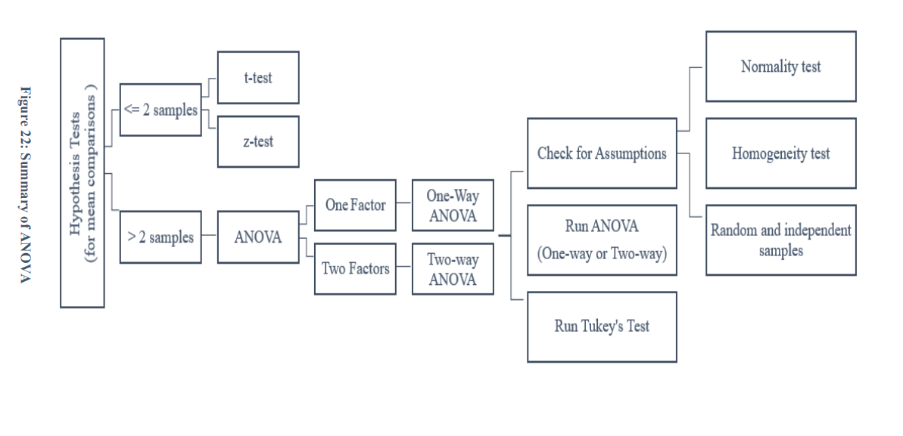
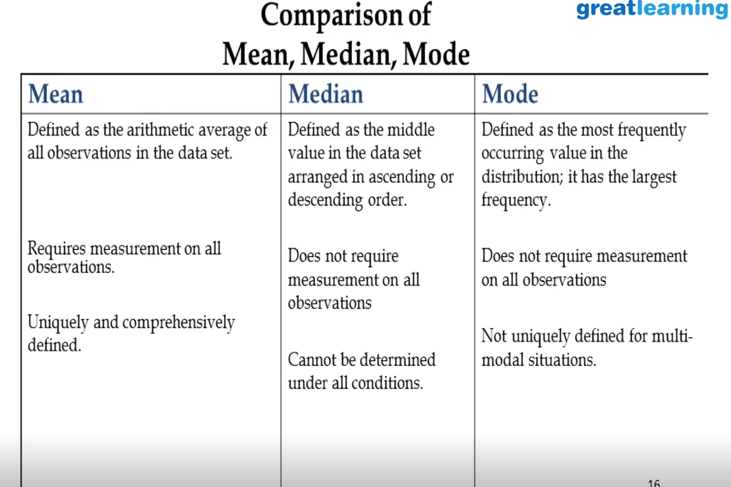
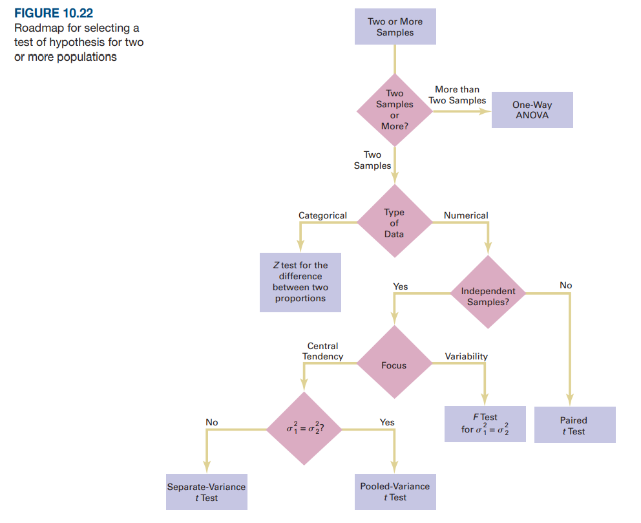
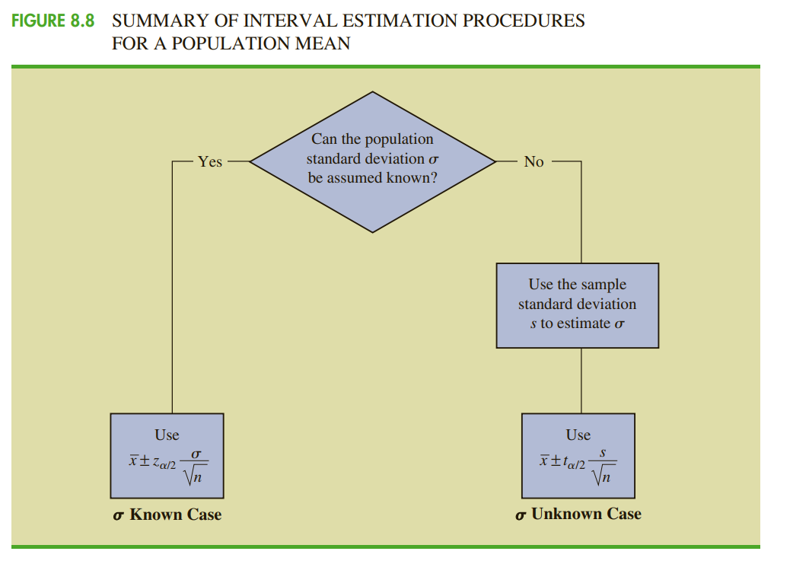
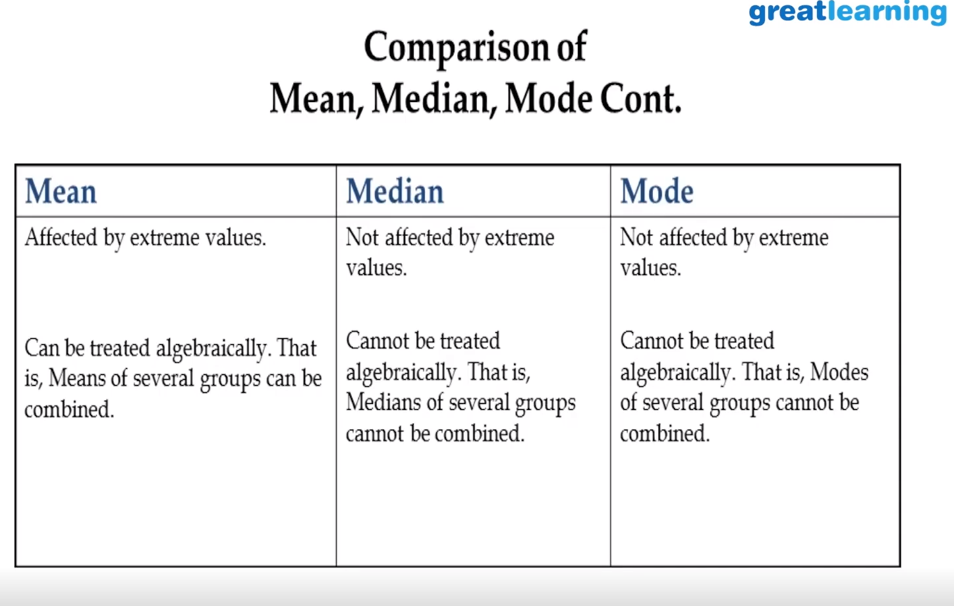
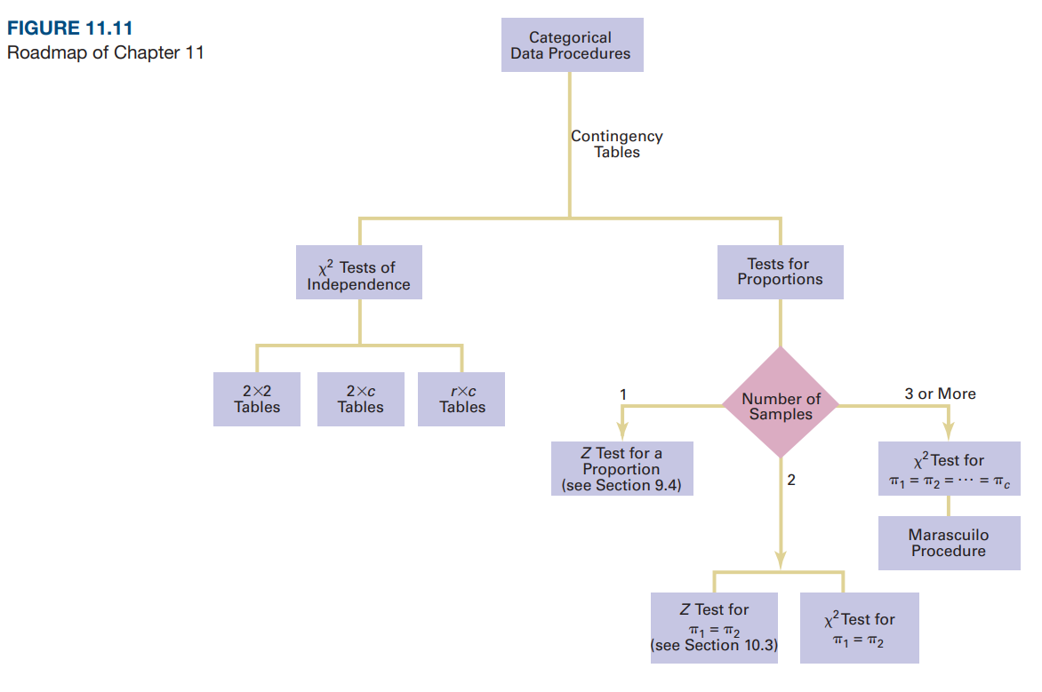
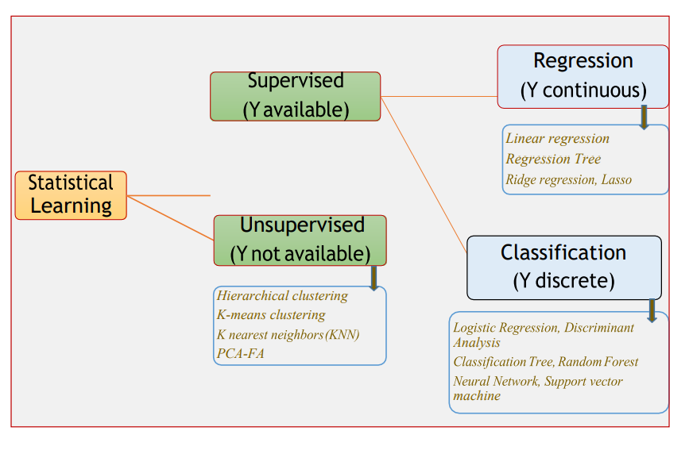
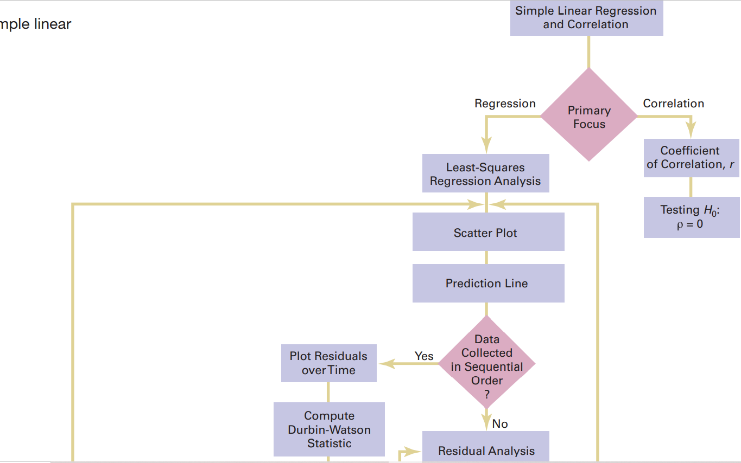
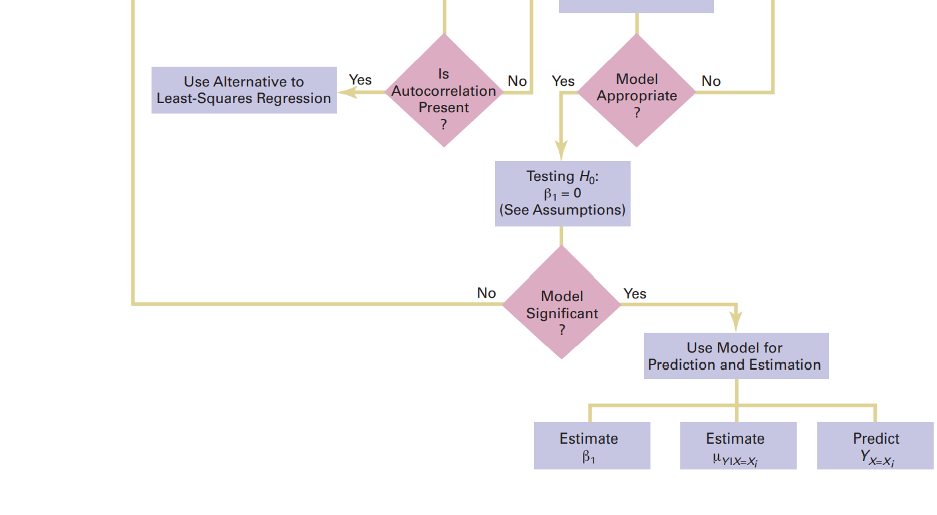
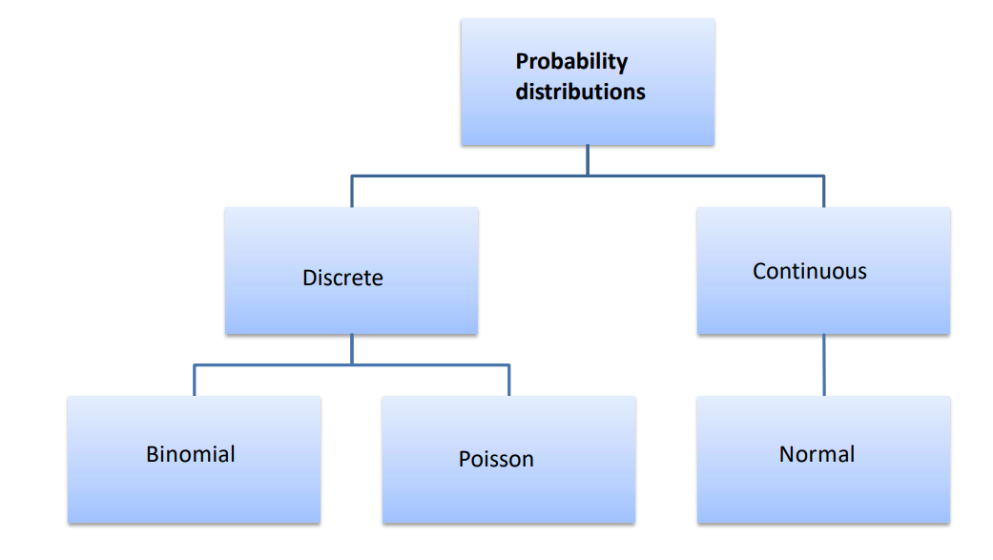
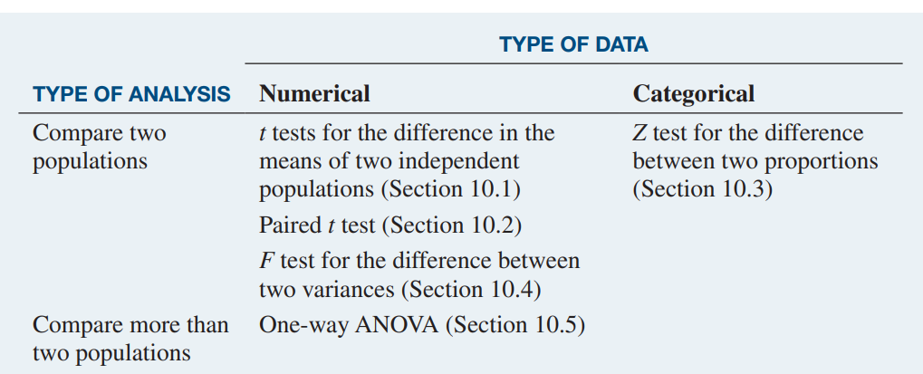
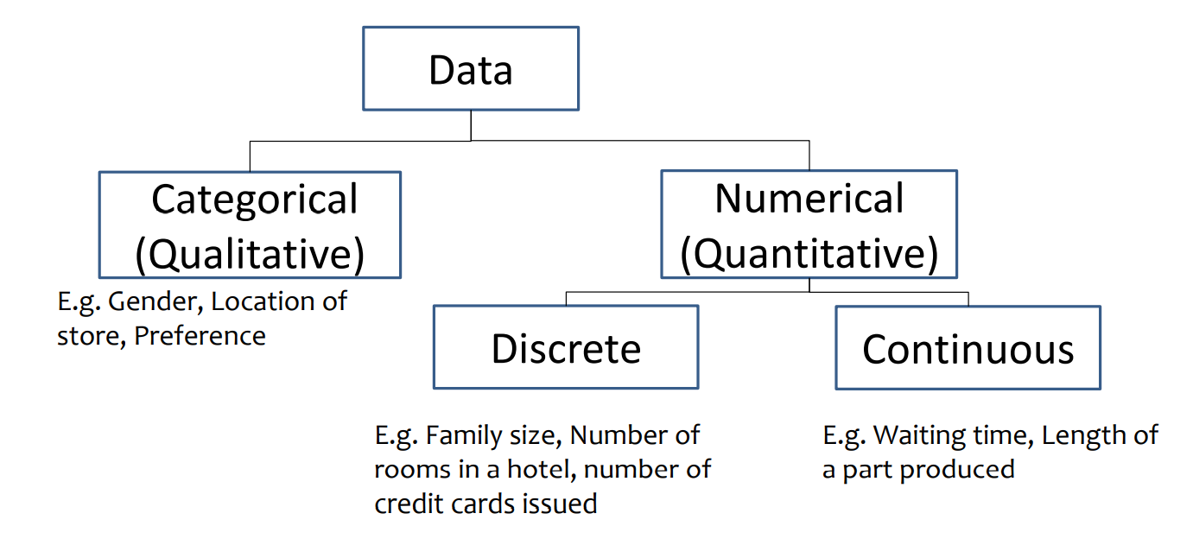
DATA

LIN REG
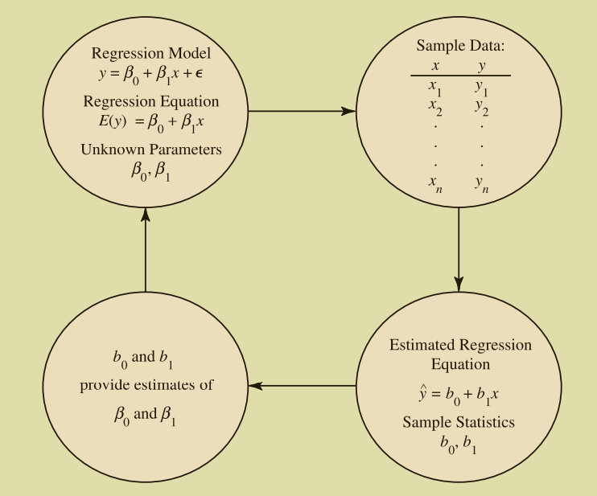
SIMPLE LINEAR REGRESSION
 |  |  |  |  |  | β0 | Y Intercept
 |  | Simple Linear regression model |  |  |  | β1 | Slope

 |  | Simple Linear regression Equation |  |  |  | E(y) expected or mean value of y

 |  | Estimated Simple Linear regression Equation
 |  | b0 and b1 are estimated values of population β0 & β1
 |  | yreg
LEAST SQUARES METHOD
 | The least squares method is a procedure for using sample data to
 | find the estimated regression equation
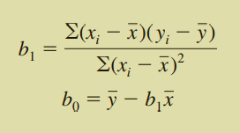
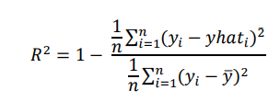

 | The mean square error (MSE) provides the estimate of s2
 | SSE, the sum of squared residuals, is a measure of the variability of the actual observations about the estimated regression line.

 |  |  |  |  |  |  |  |  |  | coeff of determination
 | yreg = b0 + b1x |  | yreg = | 60 + 5x |  |  |  |  |  |  | correlation coeff
 | x̅ | y̅ | Σ(xi - x̅) (yi - y̅ ) | Σ(xi - x̅ )2 | b1 | b0 | SSE Σ(yi - yreg )2 | SST Σ(yi - y̅ )2 | SSR Σ(yreg - y̅ )2 | r2 = SSR/SST | rxy | s2 = MSE | s
 | 14 | 130 | 2840 | 568 | 5 | 60 | 1530 | 15730 | 14200 | 0.903 | 0.950 | 191.3 | 13.8

 | Restaurant | Population | Sales |  |  |  |  | SSE sqrd error | SST sqrd deviation | SSR sqrd regression |  | error | yreg | x | y
 | i | xi | yi | xi - x̅ | yi - y̅ | (xi - x̅)2 | yreg | (yi - yreg)2 | (yi - y̅)2 | (yreg - y̅ )2 | 0 | 170 | 1577.7777778 | 63.111111111 | 144.44444444 | 170
 | 1 | 2 | 58 | -12 | -72 | 144 | 70 | 144 | 5184 | 3600 | -12 | 144
 | 2 | 6 | 105 | -8 | -25 | 64 | 90 | 225 | 625 | 1600 | 15 | 225
 | 3 | 8 | 88 | -6 | -42 | 36 | 100 | 144 | 1764 | 900 | -12 | 144 |  |  |  |  | 0.58%
 | 4 | 8 | 118 | -6 | -12 | 36 | 100 | 324 | 144 | 900 | 18 | 324
 | 5 | 12 | 117 | -2 | -13 | 4 | 120 | 9 | 169 | 100 | -3 | 9
 | 6 | 16 | 137 | 2 | 7 | 4 | 140 | 9 | 49 | 100 | -3 | 9
 | 7 | 20 | 157 | 6 | 27 | 36 | 160 | 9 | 729 | 900 | -3 | 9
 | 8 | 20 | 169 | 6 | 39 | 36 | 160 | 81 | 1521 | 900 | 9 | 81
 | 9 | 22 | 149 | 8 | 19 | 64 | 170 | 441 | 361 | 1600 | -21 | 441
 | 10 | 26 | 202 | 12 | 72 | 144 | 190 | 144 | 5184 | 3600 | 12 | 144

 |  |  | x_bar | 5.3333333333 |  |  | cov(x,y) | 3.5555555556 |  | w0 | 0.45714285714
 |  |  | y_bar | 5.3333333333 |  |  | var(x) | 3.8888888889 |  | w1 | 0.91428571429

 |  |  | x | y
 |  |  | 6 | 7 | 0.66666666667 | 1.6666666667 | 1.1111111111 | 0.44444444444
 |  |  | 5 | 5 | -0.33333333333 | -0.33333333333 | 0.11111111111 | 0.11111111111
 |  |  | 4 | 2 | -1.3333333333 | -3.3333333333 | 4.4444444444 | 1.7777777778
 |  |  | 7 | 9 | 1.6666666667 | 3.6666666667 | 6.1111111111 | 2.7777777778
 |  |  | 8 | 6 | 2.6666666667 | 0.66666666667 | 1.7777777778 | 7.1111111111
 |  |  | 2 | 3 | -3.3333333333 | -2.3333333333 | 7.7777777778 | 11.111111111
 |  |  |  |  |  |  | 21.333333333 | 23.333333333

SLR
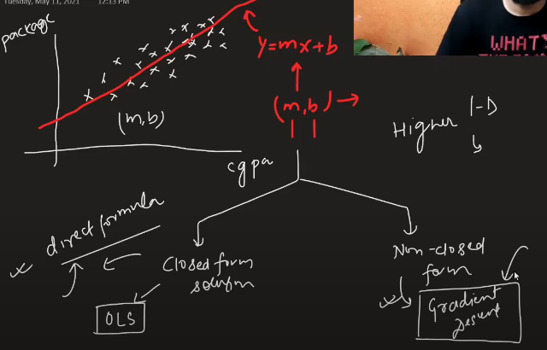
OLS (Direct formula) will be very difficult for higher dimensions

OLS --> sklearn LinearRegression

Gradient descent --> sklearn SGDRegressor

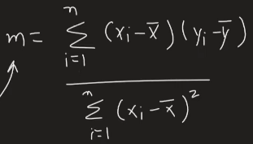
OLS--> simple linear

MLR
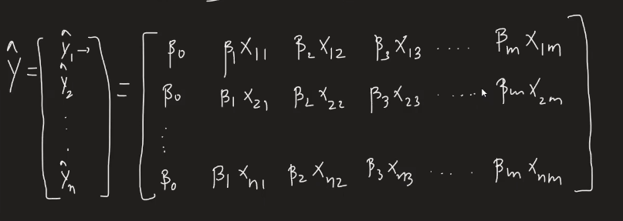
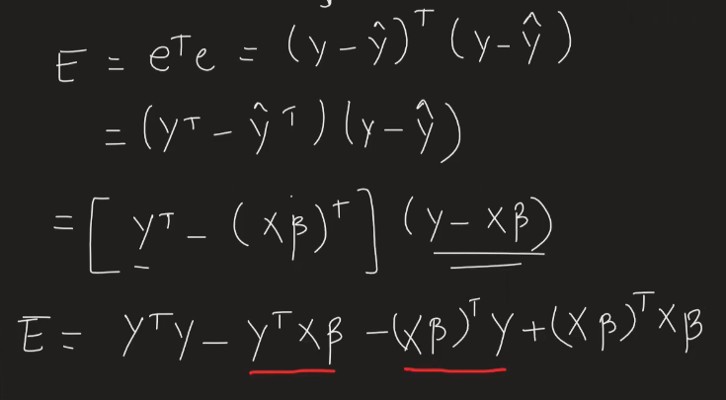
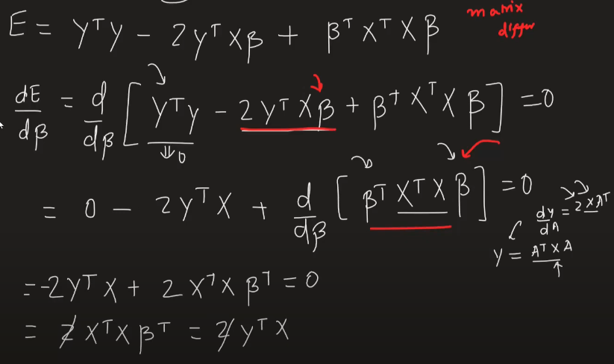

Multivariate regression | Loss Function

BGD
Batch Gradient Descent | Squared error for direct

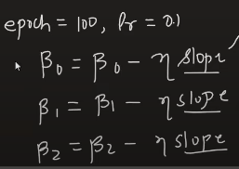
 | mean squared error for BGD | Both work same
 |  | but mean used most

 |  |  | xi1--> is first column

 |  |  | xi2--> is second column

Logistic
 |  |  | Sigmoid Derivative
Logistic Regression

 | Loss Function |  |  | ==> | ==>

 |  | Log Loss Error/ Binary cross Entropy

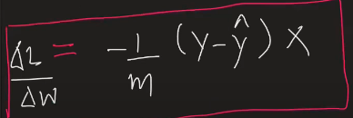

 | Weight Matrix

Assumptions
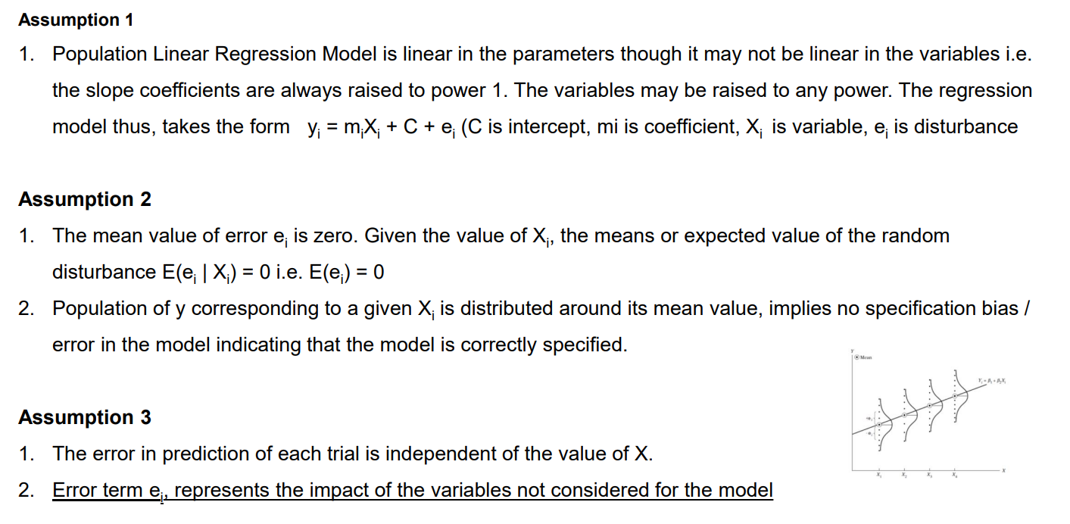
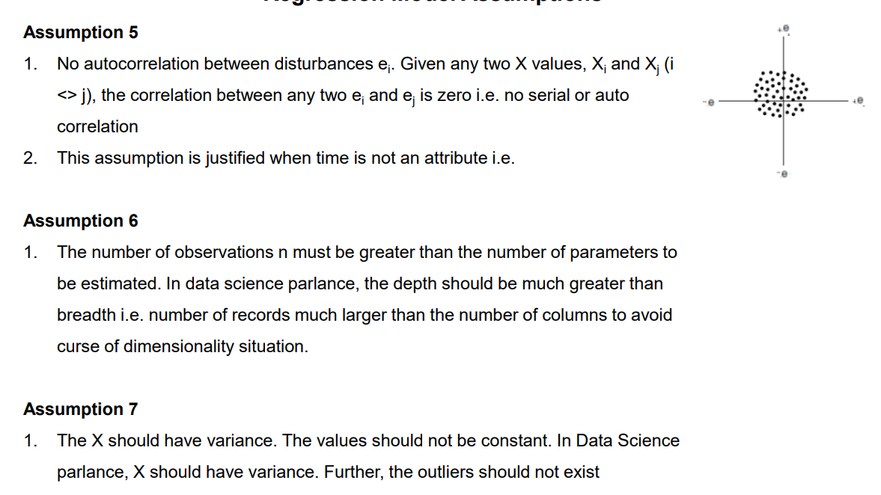

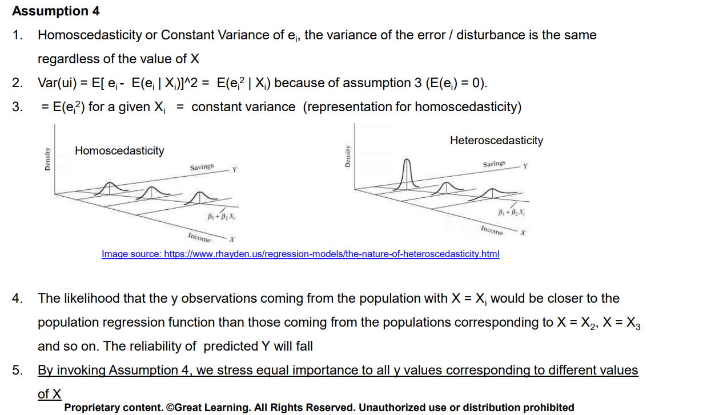

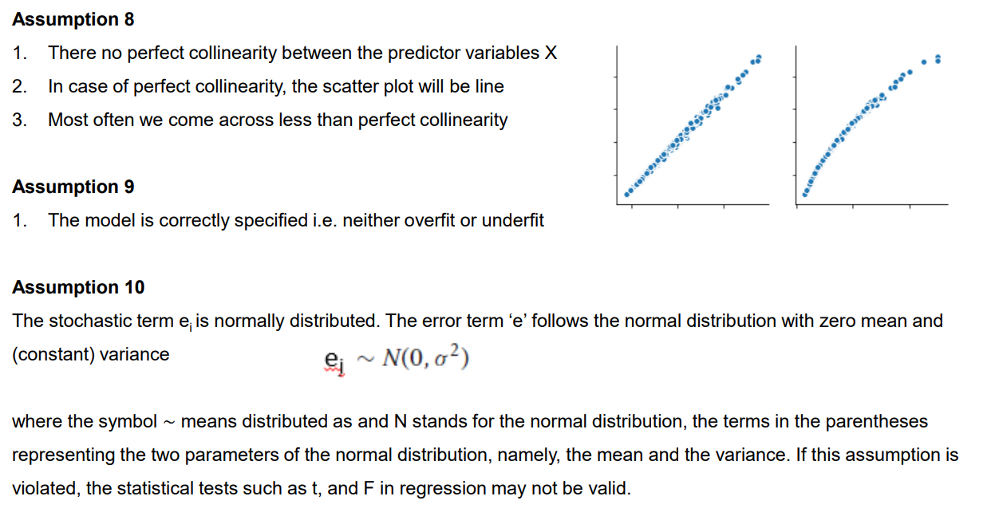

Assump simplified
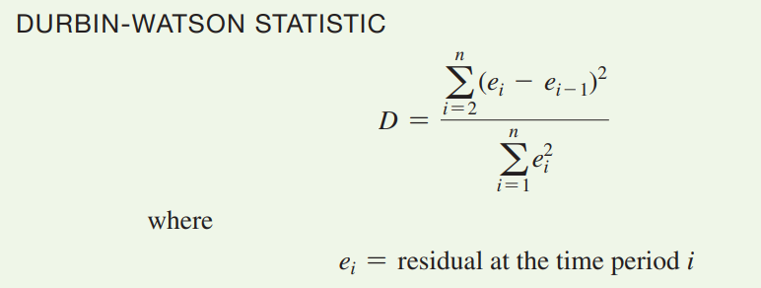
 |  | Residual Plots to Detect Autocorrelation
1 | coeff should be of power 1
2 | mean error should be zero
3 | error should be normally distributed
4 | error is independent of X
5 | Homoscedasticity or Constant variance
6 | No auto-correlation between errors
7 | number of data points > number of predictors
8 | No multicollinearity

