TITLE
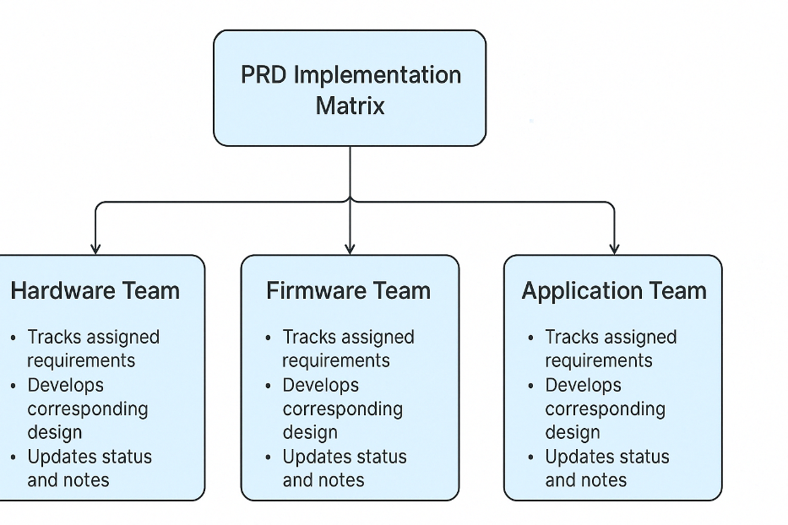
Protimer PRD Implementation Matrix

Date | Owner | Remarks
13-Jun-25 | Vikrant Sugandhi

Created Date | Created By | Review Date | Reviewed By | Version | Remarks
13-Jun-25 | Vikrant Sugandhi |  |  | 0.1 | Draft version

This matrix captures all product requirements for Audiora, categorized by type, mapped to responsible owners (Hardware, Firmware, Application), and tracks implementation status, dependencies, and notes. This helps synchronize the design, development, and integration process.

