Repository_DataFlow
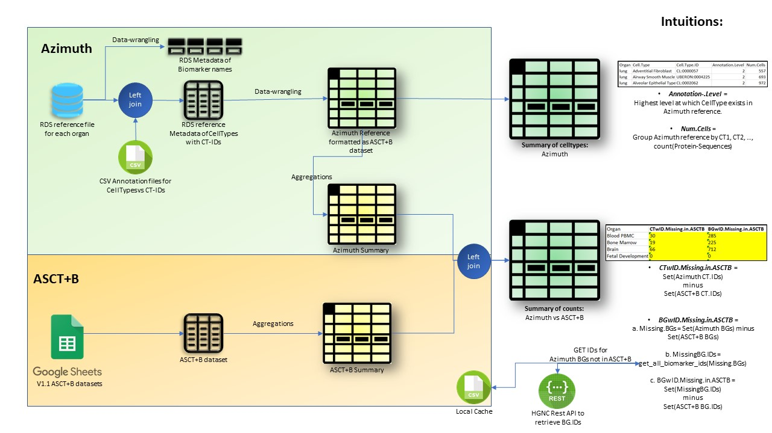

Azimuth_Miscellaneous
1. Azimuth Annotations Repository: https://github.com/hubmapconsortium/azimuth-annotate
Produces 'secondary_analysis.h5ad' file: | Output file likely contains the prediction-scores and labels for annotating Azimuth references

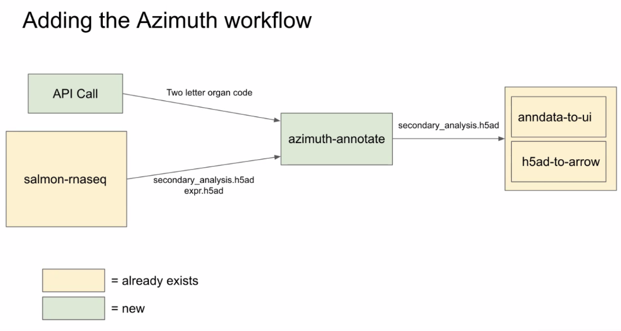

2. Azimuth CellType Annotation CSVs: https://github.com/satijalab/azimuth_website/tree/master/static/csv
Used for pulling Azimuth CT-IDs into current repository

