Sheet1
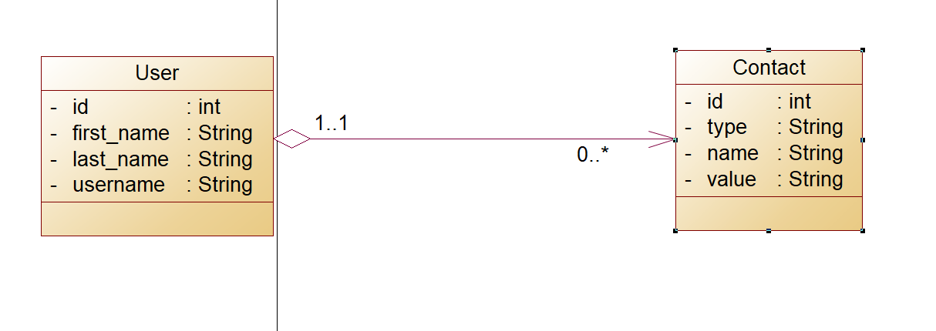
user |  |  |  | contact
id | username | first_name | last_name | id | contact_type | contact_name | value | fk_user
1 | user1 | name1 | lastName1 | 1 | type1 | contactName1 | val1 | 1
2 | user2 | name2 | lastName2 | 2 | type2 | contactName2 | val2 | 2
3 | user3 | name3 | lastName3 | 3 | type3 | contactName3 | val3 | 1
 |  |  |  | 4 | type4 | contactName4 | val4 | 3

