User Input
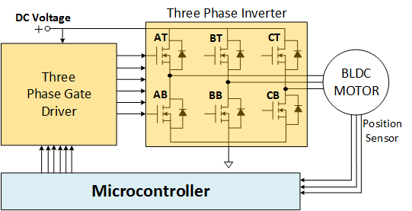
User Inputs
Datasheet Values
Calculated Values
Default Motor Parameters
Step 1: Input System Parameters
Application Type: Trapezoidal Control
Use default motor values
Generic motor (3000 RPM 4 poles)
Low speed motor (500 RPM 8 poles)
Medium speed motor (6000 RPM 4 poles) |  |  | Step 3: Select FET Configuration, #FETs In Parallel, Pick FETs, Compare up to 3 FET Combinations
High speed motor (20 kRPM, 4 poles) |  |  | 3a. Select FET Config →→→ | Single Discrete | Single Discrete | Single Discrete
Very high speed motor (100 kRPM, 2 poles) |  |  | 3b. Enter No. FETs in Parallel | 1 | 1 | 1
≤ 80V | DC bus voltage, VDC, (V) | 24.0 | 3c. Sort FETs By →→→ | $/1ku Ploss Pkg | $/1ku Ploss Pkg | $/1ku Ploss Pkg
P ≤ 5kW | Inverter output power, POUT, (W) | 250 |  | Per Phase FET PLOSS, PN, PKG, $/1ku | Per Phase FET PLOSS, PN, PKG, $/1ku | Per Phase FET PLOSS, PN, PKG, $/1ku
≤ 20 | Number of poles for the motor, NPOLES | 4 | 3d. Pick FET →→→
≤ 100kRPM | Rated speed of motor (RPM) | 3000 | TI Part Number | #VALUE! | #VALUE! | #VALUE!
≤ 100% | Duty cycle at rated power, D | 95% | BVDSS (V) | #VALUE! | #VALUE! | #VALUE!
≤ 1s | Motor winding demagnetization time, tDEMAG, (ms) | 0.100 | VGS Max (V) | #VALUE! | #VALUE! | #VALUE!
≥1.1 & ≤1.7 | Motor winding peak current scaling factor, kC | 1.40 | Bottom FET RDS(ON) Max (mΩ) | #VALUE! | #VALUE! | #VALUE!
≤ 100kHz | PWM switching frequency (kHz) | 20 | Bottom FET QG(tot) (nC) | #VALUE! | #VALUE! | #VALUE!
≤ 20V | Gate driver voltage, VGdr, (V) | 6.0 | Top FET RDS(ON) Max (mΩ) | #VALUE! | #VALUE! | #VALUE!
≤ 5A | Gate driver source current, IGsrc, (A) | 0.7 | Top FET QG(tot) (nC) | #VALUE! | #VALUE! | #VALUE!
≤ 5A | Gate Driver Sink Current (A) | 1.0 | TJ Max (°C) | #VALUE! | #VALUE! | #VALUE!
 | Gate driver deadtime, tDT, (ns) | 100.0 | Package | #VALUE! | #VALUE! | #VALUE!
TJ ≤ 150°C | Temperature (ºC) for RDS(ON) | 50 | 1ku Single Device Price* | #VALUE! | #VALUE! | #VALUE!
Calculated Operating Conditions |  |  | Datasheet Link | #VALUE! | #VALUE! | #VALUE!
 | Average DC bus current, IDC(avg), (A) | 10.96 | Click Here for N-Channel MOSFET Selector on TI.com |  | Click Here for Power Block MOSFET Selector on TI.com
 | Motor RMS winding current, IM(rms), (ARMS) | 8.95 | Bottom FET RDS(ON) @ TJ (mΩ) | #VALUE! | #VALUE! | #VALUE!
 | Motor Peak winding Current, IM(peak), (A) | 12.53 | Top FET RDS(ON) @ TJ (mΩ) | #VALUE! | #VALUE! | #VALUE!
 | Motor electrical frequency, fM(ele), (Hz) | 100 | Per Phase FET Loss (W) | #VALUE! | #VALUE! | #VALUE!
 | Motor RMS current for 120° period, IM(rms120), (ARMS) | 10.96 | Per Device Bottom FET Loss (W) | #VALUE! | #VALUE! | #VALUE!
Step 2: Click The Blue Button Below |  |  | Per Device Top FET Loss (W) | #VALUE! | #VALUE! | #VALUE!
↓↓↓↓↓↓↓↓↓↓↓↓↓↓↓↓↓↓↓↓ |  |  | Inverter Total FET Losses (W) | #VALUE! | #VALUE! | #VALUE!
→→CLICK HERE←←
Start FET Selection
 |  |  | Per Phase MOSFET Cost ($/ku) | #VALUE! | #VALUE! | #VALUE!
 |  |  | Total MOSFET Cost ($/1ku) | #VALUE! | #VALUE! | #VALUE!
 |  |  | Click Here to See FET Power Loss Capability by Package |  | Click Here for TI BLDC Motor Driver Selector
 |  |  | Color Codes | Calculated PLOSS < 80% of PDISS | Calculated PLOSS > 80% of PDISS | Calculated PLOSS > PDISS

↑↑↑↑↑↑↑↑↑↑↑↑↑↑↑↑↑↑↑↑ |  |  | *1ku pricing provided for comparison purposes only and subject to change without notification

Diagrams
Click here to visit TI Precision Labs - Motor Drivers Video Training Series | Visit the BLDC Motor Driver Landing Page on TI.com

Figure 1 Inverter drive controlling the BLDC motor | Figure 2 Phase-A winding current
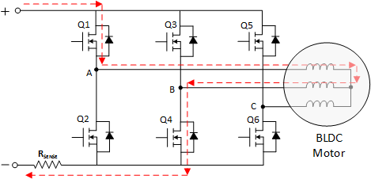
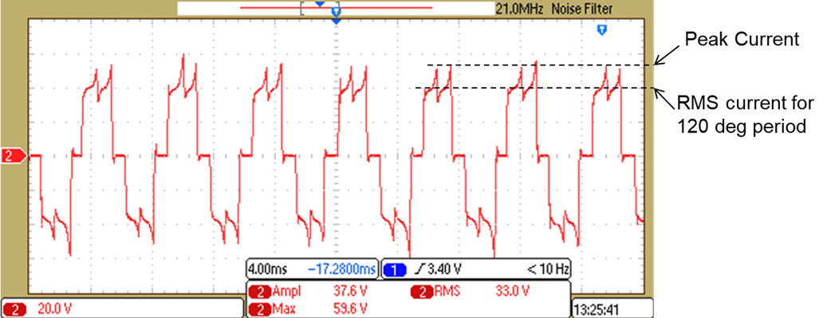

Figure 3 Two switches conducting at a time in trapezoidal control | Figure 4 RMS to peak current relationship

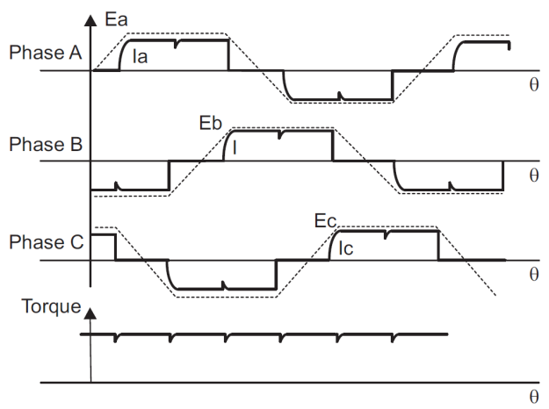

 | Figure 5 Phase Back EMF and current producing torque in a BLDC motor

