Design Converter
 | LM5155/56 DC/DC Coupled Inductor SEPIC Controller Design Tool

ABOUT |  | =Input Box |  |  |  | TERMS OF USE

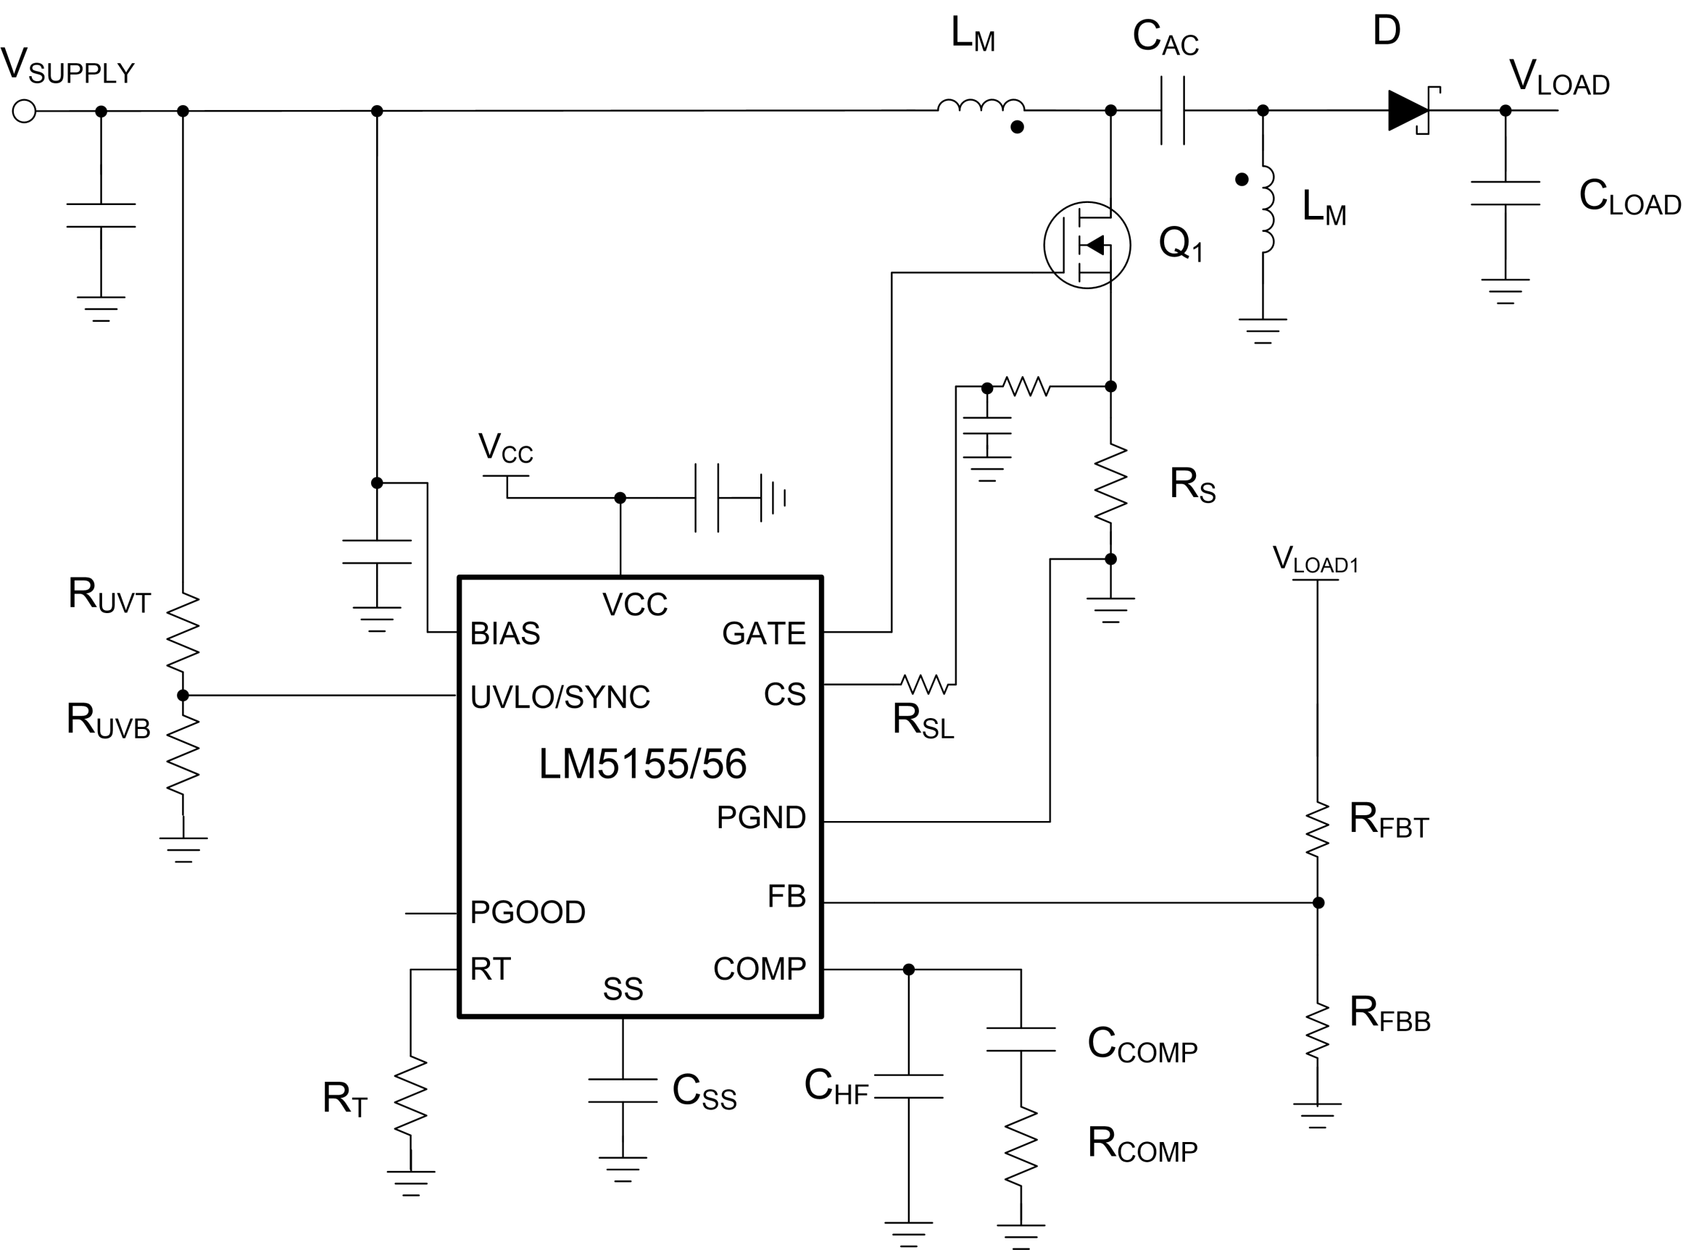
 |  |  |  |  |  | Rev 1 | June-2020
Step 1: Design Specifications
 |  |  | Minimum Input Supply Voltage , VSUPPLY(min) | 6 | V
 |  |  | Typical Input Supply Voltage, VSUPPLY(typ) | 14 | V
 |  |  | Maximum Input Supply Voltage , VSUPPLY(max) | 18 | V
 |  |  | Output Target Voltage, VLOAD | 15 | V
 |  |  | Maximum Output Current , ILOAD | 2 | A
 |  |  | Free Running Switching Frequency, FSW | 440 | kHz
 |  |  | Free running Oscillator Set Resistor, RT | 49.27 | kΩ
 |  |  | Output Power, POUT | 30 | W
 |  |  | SEPIC Regulator Duty Cycle Limit by LM5155/56 at VSUPPLY(MIN) | 90.0 | %
 |  |  | Ideal Duty Cycle at VSUPPLY(MIN) | 71.4 | %

Step 2: Filter Inductor
 |  |  | Required Mode of Operation: | CCM
 |  |  | Desired Maximum Inductor Current Ripple Ratio (IRR_MAX) | 60 | %
 |  |  | Recommended Inductance (LM_CALC) | 6.40 | uH
 |  |  | User Selection. Inductance, (LM) | 10 | uH
 |  |  | Peak inductor current, ILPK | 7.97 | A

Step 3: Current Sense Resistor Selection
 |  |  | Peak Current Limit Margin | 30 | %
 |  |  | Selected Peak Current limit (ILSW_select) | 10.37 | A
 |  |  | Recommended current sense Resistor (RS) | 9.65 | mΩ
 |  |  | Recommended external slope compensation Resistor (RSL) | 0 | Ω
 |  |  | Selected current sense Resistor (RS) | 9 | mΩ
 |  |  | Selected external slope compensation Resistor (RSL) | 0 | Ω
 |  |  | Actual switch peak current limit | 11.11 | A

Step 4: CAC Capacitor Selection
 |  |  | Minimum couplpling capacitor value (CAC_min) | 3.61 | uF
 |  |  | Selected Coupling Capacitor (CAC) | 3.3 | uF
 |  |  | Minimuum require CAC RMS current Rating | 3.16 | A

Step 5: Output Capacitor Selection
 |  |  | Desired load step ripple voltage (ΔvOUT) | 750 | mV
 |  |  | Minimum output capacitance | 93.33 | uF
 |  |  | Capacitor RMS current (IRMS_COUT) | 3.16 | A
 |  |  | Selected Output Capacitance (COUT) | 100 | uF
 |  |  | Equivalent COUT ESR (RESR) | 2 | mΩ

Step 6: Soft-Start Capacitor Selection
 |  |  | Suggested minimum soft-start capacitor (CSS_MIN) | 7.50 | nF
 |  |  | Desied soft-start time at minimum input voltage (TSS) | 20 | ms
 |  |  | Calculated soft-start capacitor (CSS) | 333 | nF

V_{IN} =
13
V
Bode Plot
 | Gain (dB) |  | f_LP |  | fz_rhp |  | f_esr |  | fz_ea |  | fp_ea |  | Phase (deg)
10.23 | 61.860516042 | 326 | 29.229349246 | 48031 | -29.307680803 | 795775 | -75.899263501 | 999.71069963 | 14.884630729 | 14898.127743 | -13.773084262 | 10.23 | 88.73158077
10.47 | 61.660335795 |  |  |  |  |  |  |  |  |  |  | 10.47 | 88.702062984
10.72 | 61.460147064 |  |  |  |  |  |  |  |  |  |  | 10.72 | 88.671859606
10.96 | 61.259949449 |  |  |  |  |  |  |  |  |  |  | 10.96 | 88.640954804
11.22 | 61.059742533 |  |  |  |  |  |  |  |  |  |  | 11.22 | 88.609332393
11.48 | 60.859525878 |  |  |  |  |  |  |  |  |  |  | 11.48 | 88.576975818
11.75 | 60.659299026 |  |  |  |  |  |  |  |  |  |  | 11.75 | 88.543868149
12.02 | 60.459061499 |  |  |  |  |  |  |  |  |  |  | 12.02 | 88.509992078
12.30 | 60.258812796 |  |  |  |  |  |  |  |  |  |  | 12.30 | 88.475329903
12.59 | 60.058552389 |  |  |  |  |  |  |  |  |  |  | 12.59 | 88.439863526
12.88 | 59.858279732 |  |  |  |  |  |  |  |  |  |  | 12.88 | 88.403574441
13.18 | 59.657994246 |  |  |  |  |  |  |  |  |  |  | 13.18 | 88.366443729
13.49 | 59.457695332 |  |  |  |  |  |  |  |  |  |  | 13.49 | 88.328452047
13.80 | 59.257382357 |  |  |  |  |  |  |  |  |  |  | 13.80 | 88.28957962
14.13 | 59.057054662 |  |  |  |  |  |  |  |  |  |  | 14.13 | 88.24980623
14.45 | 58.856711555 |  |  |  |  |  |  |  |  |  |  | 14.45 | 88.209111214
14.79 | 58.656352315 |  |  |  |  |  |  |  |  |  |  | 14.79 | 88.167473446
15.14 | 58.455976184 |  |  |  |  |  |  |  |  |  |  | 15.14 | 88.124871335
15.49 | 58.255582369 |  |  |  |  |  |  |  |  |  |  | 15.49 | 88.081282813
15.85 | 58.055170042 |  |  |  |  |  |  |  |  |  |  | 15.85 | 88.036685324
16.22 | 57.854738334 |  |  |  |  |  |  |  |  |  |  | 16.22 | 87.99105582
16.60 | 57.654286338 |  |  |  |  |  |  |  |  |  |  | 16.60 | 87.944370746
16.98 | 57.453813101 |  |  |  |  |  |  |  |  |  |  | 16.98 | 87.896606033
17.38 | 57.253317631 |  |  |  |  |  |  |  |  |  |  | 17.38 | 87.847737088
17.78 | 57.052798884 |  |  |  |  |  |  |  |  |  |  | 17.78 | 87.797738785
18.20 | 56.852255772 |  |  |  |  |  |  |  |  |  |  | 18.20 | 87.746585456
18.62 | 56.651687154 |  |  |  |  |  |  |  |  |  |  | 18.62 | 87.694250879
19.05 | 56.451091836 |  |  |  |  |  |  |  |  |  |  | 19.05 | 87.64070827
19.50 | 56.25046857 |  |  |  |  |  |  |  |  |  |  | 19.50 | 87.585930273
19.95 | 56.049816049 |  |  |  |  |  |  |  |  |  |  | 19.95 | 87.52988895
20.42 | 55.849132906 |  |  |  |  |  |  |  |  |  |  | 20.42 | 87.472555773
20.89 | 55.648417709 |  |  |  |  |  |  |  |  |  |  | 20.89 | 87.413901612
21.38 | 55.447668963 |  |  |  |  |  |  |  |  |  |  | 21.38 | 87.353896727
21.88 | 55.2468851 |  |  |  |  |  |  |  |  |  |  | 21.88 | 87.292510757
22.39 | 55.046064483 |  |  |  |  |  |  |  |  |  |  | 22.39 | 87.229712713
22.91 | 54.845205397 |  |  |  |  |  |  |  |  |  |  | 22.91 | 87.165470969
23.44 | 54.644306049 |  |  |  |  |  |  |  |  |  |  | 23.44 | 87.099753249
23.99 | 54.443364563 |  |  |  |  |  |  |  |  |  |  | 23.99 | 87.032526622
24.55 | 54.242378977 |  |  |  |  |  |  |  |  |  |  | 24.55 | 86.963757493
25.12 | 54.041347238 |  |  |  |  |  |  |  |  |  |  | 25.12 | 86.893411593
25.70 | 53.8402672 |  |  |  |  |  |  |  |  |  |  | 25.70 | 86.821453973
26.30 | 53.639136618 |  |  |  |  |  |  |  |  |  |  | 26.30 | 86.747848994
26.92 | 53.437953144 |  |  |  |  |  |  |  |  |  |  | 26.92 | 86.672560321
27.54 | 53.236714322 |  |  |  |  |  |  |  |  |  |  | 27.54 | 86.595550919
28.18 | 53.035417584 |  |  |  |  |  |  |  |  |  |  | 28.18 | 86.51678304
28.84 | 52.834060247 |  |  |  |  |  |  |  |  |  |  | 28.84 | 86.436218223
29.51 | 52.632639504 |  |  |  |  |  |  |  |  |  |  | 29.51 | 86.353817286
30.20 | 52.43115242 |  |  |  |  |  |  |  |  |  |  | 30.20 | 86.269540323
30.90 | 52.229595928 |  |  |  |  |  |  |  |  |  |  | 30.90 | 86.183346697
31.62 | 52.02796682 |  |  |  |  |  |  |  |  |  |  | 31.62 | 86.095195042
...
Step 7: UVLO Resistor Divider Selection
 |  |  | Desired voltage On (VUVLO_ON) | 5.8 | V
 |  |  | Desired voltage OFF (VUVLO_OFF) | 5.4 | V |  |  | 6
 |  |  | Calculated top UVLO resistor value (RUVT_CALC) | 41.72 | kΩ
 |  |  | Selected top UVLO resistor value (RUVT) | 21 | kΩ
 |  |  | Bottom UVLO Resistor (RUVB) | 7.326 | kΩ

Step 8: Loop Compensation
 |  |  | Voltage selected (VIN_VAR) | 13V

 |  |  | Feedback Resistor Selection
 |  |  | Select a top feedback resistor(RFBT) | 150 | kΩ
 |  |  | Calculated bottom feedback resistor (RFBB_cala) | 10.71 | kΩ
 |  |  | Select a bottomresistor based on calculated balue(RFBB) | 10.71 | kΩ

 |  |  | Suggested bandwidth | 2.274 | kHz
 |  |  | Selected band width (FCO) | 2.728 | kHz

 |  | Calculated |  | Selected
 | RCOMP | 2.793 | kΩ | 2.793 | kΩ
 | CCOMP | 57.21 | nF | 57 | nF
 | CHF | 4178 | pF | 4100 | pF

Efficiency / Power Loss Analyzer

η
 | Eff |  | MOSFET |  | Diode |  | RCS
0 | 0 | 0 | 0 | 0.013333333333 | 0.13561333333 | 0 | 0
0.013333333333 | 50.774288647 | 0.013333333333 | 0.0018817417531 | 0.026666666667 | 0.14494666667 | 0.013333333333 | 6.5076606479E-05
0.026666666667 | 66.084395115 | 0.026666666667 | 0.0037989216009 | 0.04 | 0.15428 | 0.026666666667 | 0.00020102940244
0.04 | 73.461058784 | 0.04 | 0.0057448268504 | 0.053333333333 | 0.16361333333 | 0.04 | 0.0003944330016
0.053333333333 | 77.797409951 | 0.053333333333 | 0.0077173876272 | 0.066666666667 | 0.17294666667 | 0.053333333333 | 0.00064114765558
0.066666666667 | 80.648975076 | 0.066666666667 | 0.0097155766105 | 0.08 | 0.18228 | 0.066666666667 | 0.00093911872235
0.08 | 82.664781736 | 0.08 | 0.011738814815 | 0.093333333333 | 0.19161333333 | 0.08 | 0.0012871882309
0.093333333333 | 84.163709976 | 0.093333333333 | 0.013786762016 | 0.10666666667 | 0.20094666667 | 0.093333333333 | 0.0016846757334
0.10666666667 | 85.320725194 | 0.10666666667 | 0.01585922126 | 0.12 | 0.21028 | 0.10666666667 | 0.002131187322
0.12 | 86.239831108 | 0.12 | 0.017956088482 | 0.13333333333 | 0.21961333333 | 0.12 | 0.0026265148671
0.13333333333 | 86.986731324 | 0.13333333333 | 0.020077323214 | 0.14666666667 | 0.22894666667 | 0.13333333333 | 0.0031705774315
0.14666666667 | 87.604972299 | 0.14666666667 | 0.022222930322 | 0.16 | 0.23828 | 0.14666666667 | 0.0037633847471
0.16 | 88.124556501 | 0.16 | 0.024392948005 | 0.17333333333 | 0.24761333333 | 0.16 | 0.0044050132137
0.17333333333 | 88.687388617 | 0.17333333333 | 0.025257213215 | 0.18666666667 | 0.25694666667 | 0.17333333333 | 0.0024351367331
0.18666666667 | 89.079556181 | 0.18666666667 | 0.027249573352 | 0.2 | 0.26628 | 0.18666666667 | 0.0027214501087
0.2 | 89.421834477 | 0.2 | 0.029247142009 | 0.21333333333 | 0.27561333333 | 0.2 | 0.003018180522
0.21333333333 | 89.72311321 | 0.21333333333 | 0.031249742365 | 0.22666666667 | 0.28494666667 | 0.21333333333 | 0.0033249743353
0.22666666667 | 89.990290219 | 0.22666666667 | 0.03325721448 | 0.24 | 0.29428 | 0.22666666667 | 0.0036415116653
0.24 | 90.228799616 | 0.24 | 0.035269412763 | 0.25333333333 | 0.30361333333 | 0.24 | 0.0039675013308
0.25333333333 | 90.442980372 | 0.25333333333 | 0.037286203948 | 0.26666666667 | 0.31294666667 | 0.25333333333 | 0.0043026768005
0.26666666667 | 90.636338871 | 0.26666666667 | 0.039307465446 | 0.28 | 0.32228 | 0.26666666667 | 0.0046467928982
0.28 | 90.811739406 | 0.28 | 0.041333083995 | 0.29333333333 | 0.33161333333 | 0.28 | 0.004999623095
0.29333333333 | 90.971544658 | 0.29333333333 | 0.043362954526 | 0.30666666667 | 0.34094666667 | 0.29333333333 | 0.005360957258
0.30666666667 | 91.117720856 | 0.30666666667 | 0.045396979228 | 0.32 | 0.35028 | 0.30666666667 | 0.0057305997628
0.32 | 91.251917543 | 0.32 | 0.047435066745 | 0.33333333333 | 0.35961333333 | 0.32 | 0.006108367897
0.33333333333 | 91.375528837 | 0.33333333333 | 0.049477131496 | 0.34666666667 | 0.36894666667 | 0.33333333333 | 0.0064940904986
0.34666666667 | 91.489741002 | 0.34666666667 | 0.051523093091 | 0.36 | 0.37828 | 0.34666666667 | 0.0068876067885
0.36 | 91.595569771 | 0.36 | 0.053572875827 | 0.37333333333 | 0.38761333333 | 0.36 | 0.0072887653608
0.37333333333 | 91.787411448 | 0.37333333333 | 0.053552187872 | 0.38666666667 | 0.39694666667 | 0.37333333333 | 0.0035489825514
0.38666666667 | 91.882364639 | 0.38666666667 | 0.055462101381 | 0.4 | 0.40628 | 0.38666666667 | 0.0036704026697
0.4 | 91.971074944 | 0.4 | 0.057374145067 | 0.41333333333 | 0.41561333333 | 0.4 | 0.0037960831431
0.41333333333 | 92.054129875 | 0.41333333333 | 0.059288318932 | 0.42666666667 | 0.42494666667 | 0.41333333333 | 0.0039260239715
0.42666666667 | 92.132045467 | 0.42666666667 | 0.061204622973 | 0.44 | 0.43428 | 0.42666666667 | 0.0040602251549
0.44 | 92.205276826 | 0.44 | 0.063123057192 | 0.45333333333 | 0.44361333333 | 0.44 | 0.0041986866934
0.45333333333 | 92.274226865 | 0.45333333333 | 0.065043621589 | 0.46666666667 | 0.45294666667 | 0.45333333333 | 0.0043414085869
0.46666666667 | 92.339253576 | 0.46666666667 | 0.066966316163 | 0.48 | 0.46228 | 0.46666666667 | 0.0044883908354
0.48 | 92.400676123 | 0.48 | 0.068891140915 | 0.49333333333 | 0.47161333333 | 0.48 | 0.004639633439
0.49333333333 | 92.458779962 | 0.49333333333 | 0.070818095844 | 0.50666666667 | 0.48094666667 | 0.49333333333 | 0.0047951363975
0.50666666667 | 92.513821184 | 0.50666666667 | 0.07274718095 | 0.52 | 0.49028 | 0.50666666667 | 0.0049548997111
0.52 | 92.56603019 | 0.52 | 0.074678396235 | 0.53333333333 | 0.49961333333 | 0.52 | 0.0051189233798
0.53333333333 | 92.615614836 | 0.53333333333 | 0.076611741696 | 0.54666666667 | 0.50894666667 | 0.53333333333 | 0.0052872074035
0.54666666667 | 92.662763125 | 0.54666666667 | 0.078547217336 | 0.56 | 0.51828 | 0.54666666667 | 0.0054597517822
0.56 | 92.707645523 | 0.56 | 0.080484823152 | 0.57333333333 | 0.52761333333 | 0.56 | 0.0056365565159
0.57333333333 | 92.750416953 | 0.57333333333 | 0.082424559146 | 0.58666666667 | 0.53694666667 | 0.57333333333 | 0.0058176216046
0.58666666667 | 92.791218532 | 0.58666666667 | 0.084366425318 | 0.6 | 0.54628 | 0.58666666667 | 0.0060029470484
0.6 | 92.830179073 | 0.6 | 0.086310421668 | 0.61333333333 | 0.55561333333 | 0.6 | 0.0061925328472
0.61333333333 | 92.867416397 | 0.61333333333 | 0.088256548194 | 0.62666666667 | 0.56494666667 | 0.61333333333 | 0.0063863790011
0.62666666667 | 92.903038482 | 0.62666666667 | 0.090204804899 | 0.64 | 0.57428 | 0.62666666667 | 0.00658448551
0.64 | 92.937144469 | 0.64 | 0.09215519178 | 0.65333333333 | 0.58361333333 | 0.64 | 0.0067868523739
0.65333333333 | 92.96982555 | 0.65333333333 | 0.09410770884 | 0.66666666667 | 0.59294666667 | 0.65333333333 | 0.0069934795928
...
V_{IN} =
13
V
MOSFET parameters
 |  |  | On-State Resistance, RDS(on) | 4.5 | mΩ
 |  |  | Total Gate Charge, QG | 17 | nC
 |  |  | Gate-Drain Charge, QGD | 2.7 | nC
 |  |  | Gate-Source Charge, QGS | 3.6 | nC
 |  |  | Gate Resistance, RG | 1.5 | Ω
 |  |  | Transconductance, gFS | 50 | S
 |  |  | Gate-Source Threshold Voltage, VTH | 1.6 | V

Diode Parameters
 |  |  | Recommended minimum average current rating (ID_AVG) | 2 | A
 |  |  | Forward Voltage Drop (VD) | 700 | mV
 |  |  | Reverse recovery charge of Schottky Diode (QRR) | 10 | nC

