User Input
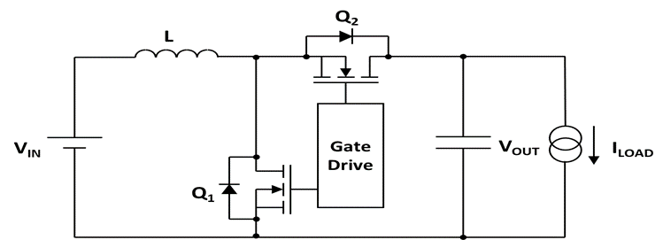

User Inputs

Datasheet Values

Calculated Values

Step 1: Input System Parameters |  |  | Step 3: Select FET Configuration, Pick Top FET & Bottom FET, Compare up to 3 FET Combinations
≤ 80V | Input Voltage (V) | 20.0 | 3a. Select FET Configuration →→→ | Single Discrete | Single Discrete | Single Discrete
2.5V ≤ VGS ≤ 16V | Gate Drive Voltage (V) | 12.0 | 3b. Start Q2, Top FET Selection →→→ | $/1ku Ploss Pkg | $/1ku Ploss Pkg | $/1ku Ploss Pkg
Vout > Vin & Vout ≥ 75V | Output Voltage (V) | 75.00 |  | Choice 1 | Choice 2 | Choice 3
Iout ≤ 50A | Max Output Current (A) | 2.00 |  | PLOSS, PN, PKG, $/1ku | PLOSS, PN, PKG, $/1ku | PLOSS, PN, PKG, $/1ku
Fsw ≤ 2MHz | Switching Frequency (kHz) | 200 | 3c. Pick Q2, Top FET →→→ | 1.66W, CSD19536KCS, TO-220, $1.61
ƞ < 100% | Target Efficiency for Duty Cycle | 95% | TI Part Number | CSD19536KCS | #VALUE! | #VALUE!
20% - 30% Typical | Target Ripple Ratio ΔIo/Io | 30% | BVDSS (V) | 100.0 | #VALUE! | #VALUE!
 | Minimum Inductor (µH) | 31.53 | VGS Max (V) | 20.0 | #VALUE! | #VALUE!
Pick Inductor | Select Inductor (µH) | 220.00 | RDS(ON) Max (mΩ) | 2.7 | #VALUE! | #VALUE!
Controller Datasheet | HS Driver Pull Up (Ω) | 0.8 | QG(tot) (nC) | 118.0 | #VALUE! | #VALUE!
Controller Datasheet | HS Driver Pull Down (Ω) | 0.4 | QGD (nC) | 17.0 | #VALUE! | #VALUE!
Controller Datasheet | LS Driver Pull Up (Ω) | 0.8 | TJ Max (°C) | 175 | #VALUE! | #VALUE!
Controller Datasheet | LS Driver Pull Down (Ω) | 0.4 | Package | TO-220 | #VALUE! | #VALUE!
Controller Datasheet | VSW Rising Deadtime (ns) | 650.0 | 1ku Price | $1.61 | #VALUE! | #VALUE!
Controller Datasheet | VSW Falling Deadtime (ns) | 650.0 | Datasheet Link | CSD19536KCS | #VALUE! | #VALUE!
TJ ≤ 150°C | Temperature (ºC) for RDS(ON) | 150 | 3d. Start Q1, Bottom FET Selection →→→ | $/1ku Ploss Pkg | $/1ku Ploss Pkg | $/1ku Ploss Pkg
Calculated Operating Conditions |  |  | 3e. Pick Q1, Bottom FET →→→ | 2.65W, CSD19536KTT, DDPAK, $1.66
 | Duty Cycle | 74.7% | TI Part Number | CSD19536KTT | #VALUE! | #VALUE!
 | On Time (µs) | 3.73 | BVDSS (V) | 100.0 | #VALUE! | #VALUE!
 | Off Time (µs) | 1.27 | VGS Max (V) | 20.0 | #VALUE! | #VALUE!
 | Inductor Ripple Current (AP-P) | 0.34 | RDS(ON) Max (mΩ) | 2.7 | #VALUE! | #VALUE!
Target 25% to 30% | Ripple Current Ratio | 4.3% | QG(tot) (nC) | 118.0 | #VALUE! | #VALUE!
 | Bottom FET RMS Current (ARMS) | 6.82 | QGD (nC) | 17.0 | #VALUE! | #VALUE!
 | Top FET RMS Current (ARMS) | 3.97 | TJ Max (°C) | 175 | #VALUE! | #VALUE!
Step 2: Click The Blue Button Below |  |  | Package | DDPAK | #VALUE! | #VALUE!
↓↓↓↓↓↓↓↓↓↓↓↓↓↓↓↓↓↓↓↓ |  |  | 1ku Price* | $1.66 | #VALUE! | #VALUE!
→→CLICK HERE←←
Start FET Selection
 |  |  | Datasheet Link | CSD19536KTT | #VALUE! | #VALUE!
 |  |  | Click Here for N-Channel MOSFET Selector on TI.com |  | Click Here for Power Block MOSFET Selector on TI.com
 |  |  | FET Power Loss and Cost Summary
 |  |  | Top FET RDS(ON) @ TJ (mΩ) | 4.8 | #VALUE! | #VALUE!
 |  |  | Bottom FET RDS(ON) @ TJ (mΩ) | 4.8 | #VALUE! | #VALUE!
↑↑↑↑↑↑↑↑↑↑↑↑↑↑↑↑↑↑↑↑ |  |  | Top FET Loss (W) | 3.339 | #VALUE! | #VALUE!
 |  |  | Bottom FET Loss (W) | 8.671 | #VALUE! | #VALUE!
 |  |  | Total MOSFET Losses (W) | 12.010 | #VALUE! | #VALUE!
 |  |  | Total MOSFET Cost ($/1ku) | $3.27 | #VALUE! | #VALUE!
 |  |  | Click Here to See FET Power Loss Capability by Package |  | Click Here to See TI Synchronous Boost Controllers
 |  |  | Color Codes | Calculated PLOSS < 80% of PDISS | Calculated PLOSS > 80% of PDISS | Calculated PLOSS > PDISS

 |  |  | *1ku pricing provided for comparison purposes only and subject to change without notification

