大型数据集
CodeXGLUE
MBXP | 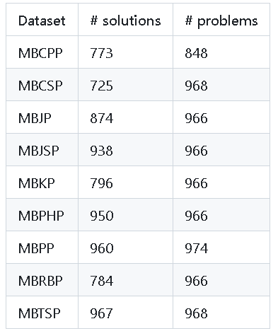
MULTI-LINGUAL HumanEval | HumanEval python,csharp,go,java,javascipt,kotlin,perl,php,ruby,scala,swift,typescipt各163problems

