mlg05 schedule_mod_0809
MLG05 Apprentice Academy Schedule

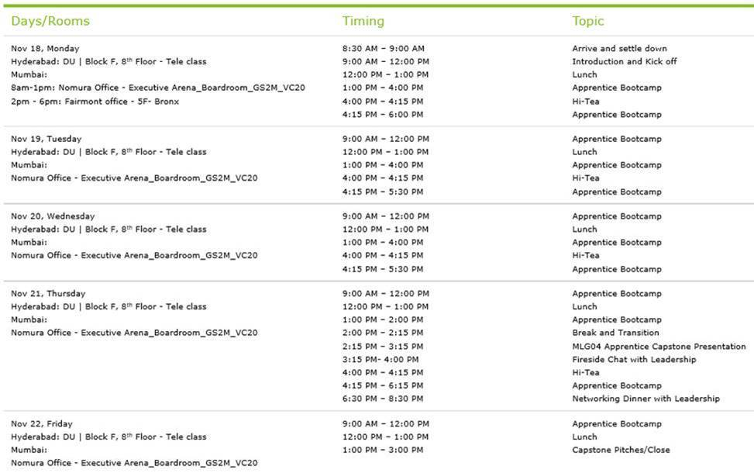
Date | Day | Start Time | End Time | Duration | Topic | Lead Instructor | Support Instructor
Course Prework: Start 1 Week Before Bootcamp |  |  |  |  |  |  |  | cid:image011.jpg@01D57F5C.6CD3B430
2019-09-16 | Monday | - | - |  | Prework: Gitlab Setup, Pandas, Viz & Getting Data 101 | Franco | Vaibhav
Day 1 - Kickoff & Foundations
2019-09-23 | Monday | 9:00:00 | 9:30:00 | 30 mins | Introductions, GitLab Setup & Course Overview | Franco | Vaibhav
2019-09-23 | Monday | 9:30:00 | 10:30:00 | 1h | Pandas, Visualization Examples & EDA Crash Course | Vaibhav | Revanth
2019-09-23 | Monday | 10:30:00 | 12:00:00 | 1.5h | Exploratory Data Analysis Exercise | Vaibhav | Revanth
2019-09-23 | Monday | 12:00:00 | 13:00:00 | 1h | LUNCH | - | -
2019-09-23 | Monday | 13:00:00 | 13:45:00 | 45 mins | Dimensionality Reduction Techniques | Franco | Vaibhav
2019-09-23 | Monday | 13:45:00 | 14:30:00 | 45 mins | Introduction to Feature Engineering | Vivek | Abhishek P
2019-09-23 | Monday | 14:30:00 | 15:00:00 | 30 mins | Machine Learning 101 | Denver | Abhishek S
2019-09-23 | Monday | 15:00:00 | 15:15:00 | 15 mins | BREAK | - | -
2019-09-23 | Monday | 15:15:00 | 17:00:00 | 1h 45 mins | Independent Feature Engineering Exercise | Local Instructors | Local Instructors
Day 1: End Lectures

Day 2: Regression & Boosting
2019-09-24 | Tuesday | 9:00:00 | 10:00:00 | 1h | OLS Regression by Hand | Franco | Vaibhav
2019-09-24 | Tuesday | 10:00:00 | 11:00:00 | 1h | OLS Regression w/ Libraries | Franco | Vaibhav
2019-09-24 | Tuesday | 11:00:00 | 12:00:00 | 1h | Ridge & Lasso Regression w/ Libraries | Franco | Vaibhav
2019-09-24 | Tuesday | 12:00:00 | 13:00:00 | 1h | LUNCH | - | -
2019-09-24 | Tuesday | 13:00:00 | 14:00:00 | 1h | Applied Regression Techniques: Gradient Descent & Boosted Models | Vaibhav | Abhi P/Denver
2019-09-24 | Tuesday | 14:00:00 | 16:00:00 | 2h | Independent Regression Exercise w/ 15 minute break | Local Instructors | Local Instructors
2019-09-24 | Tuesday | 16:00:00 | 17:00:00 | 1h | Interactive Regression Exercise: Paper Planes | Local Instructors | Local Instructors
Day 2: End Lectures

Day 3: Clustering, Classification, Decision Trees & SVM
2019-09-25 | Wednesday | 8:00:00 | 8:30:00 | 30 mins | Introduction to Clustering Techniques (Interactive Classroom Session) | Vivek | Denver
2019-09-25 | Wednesday | 8:30:00 | 9:15:00 | 45 mins | Kmeans Clustering | Vivek | Denver
2019-09-25 | Wednesday | 9:15:00 | 9:30:00 | 15 mins | BREAK | - | -
2019-09-25 | Wednesday | 9:30:00 | 10:30:00 | 1h | Other Clustering Methods | Denver | Vivek
2019-09-25 | Wednesday | 10:30:00 | 12:30:00 | 2h | Independent Clustering Exercise | Local Instructors | Local Instructors
2019-09-25 | Wednesday | 12:30:00 | 13:30:00 | 1h | LUNCH | - | -
2019-09-25 | Wednesday | 13:30:00 | 14:00:00 | 30 mins | Introduction to Classification Techniques | Vaibhav | Sagar Potala
2019-09-25 | Wednesday | 14:00:00 | 15:00:00 | 1h | Logistic Regression | Vaibhav | Sagar Potala
2019-09-25 | Wednesday | 15:00:00 | 16:00:00 | 1h | Naïve Baes | Denver | Abhishek P
2019-09-25 | Wednesday | 16:00:00 | 17:00:00 | 1h | Decision Trees, Random Forrest, KNN, SVM | Sagar Potala | Franco
Day 3: End Lectures
Day 4: Time Series, Neural Networks & NLP
2019-09-26 | Thursday | 8:00:00 | 9:30:00 | 1.5h | Time Series Analysis & Forecasting | Vaibhav | Franco/Denver
2019-09-26 | Thursday | 9:30:00 | 10:30:00 | 1h | Independent Time Series Analysis & Forecasting Exercise | Local Instructors | Local Instructors
2019-09-26 | Thursday | 10:30:00 | 10:45:00 | 15 mins | BREAK | - | -
2019-09-26 | Thursday | 10:45:00 | 12:00:00 | 1h 15 mins | Introduction to Neural Networks & Deep Learning | Sagar Potala | Revanth
2019-09-26 | Thursday | 12:00:00 | 13:00:00 | 1h | NLP Introduction & Overview | Vaibhav | Sagar Potala
2019-09-26 | Thursday | 13:00:00 | 2:00:00 | 15 mins | LUNCH | FRANCO | MENDES
2019-09-26 | Thursday | 14:00:00 | 14:45:00 | 45 mins | Text Extraction & Preprocessing | Vivek/Vaibhav | Sagar Potala
2019-09-26 | Thursday | 14:45:00 | 15:30:00 | 45 mins | Vectorization, Word Embeddings/Word2Vec | Sagar/Vivek | Vaibhav
2019-09-26 | Thursday | 15:30:00 | 17:30:00 | 2h | Top Capstone Prensentations | Manu | Deepthi
Day 4: End Lectures

Day 5: Plotly Dash & Capstone Pitches
2019-09-27 | Friday | 8:00:00 | 8:30:00 | 30 mins | Overview of Ensemble Techniques Cont. | Franco | Abhi P/Abhi S
2019-09-27 | Friday | 8:30:00 | 10:00:00 | 1.5h | Plotly Dash | Vivek/Abhi S | Revanth
2019-09-27 | Friday | 10:00:00 | 10:30:00 | 30 mins | BREAK | - | -
2019-09-27 | Friday | 10:30:00 | 12:00:00 | 1.5h | Plotly Dash Cont. | Vivek | Revanth
2019-09-27 | Friday | 12:00:00 | 13:00:00 | 1h | MLG05 Capstone Project Pitches (Part 1) | All MLG Masters
2019-09-27 | Friday | 13:00:00 | 14:00:00 | 1h | LUNCH | -
2019-09-27 | Friday | 13:30:00 | 15:00:00 | 1.5h | MLG05 Capstone Project Pitches (Part 2) | All MLG Masters | -
MLG05 Apprentice Academy Bootcamp END

