Excel Gantt Chart Template
Excel Gantt Chart Template

Enter Your Project Details Here |  |  | DURATION (days)
START DATE | END DATE | DESCRIPTION
7/25/17 | 8/30/17 | Enter Task 1 | 35
8/15/17 | 9/7/17 | Enter Task 2 | 22
8/15/17 | 9/17/17 | Enter Task 3 | 32
9/8/17 | 9/30/17 | Enter Task 4 | 22
10/4/17 | 11/7/17 | Enter Task 5 | 33
11/15/17 | 12/21/17 | Enter Task 6 | 36
1/6/18 | 3/16/18 | Enter Task 7 | 70
3/11/18 | 4/12/18 | Enter Task 8 | 31
4/1/18 | 5/16/18 | Enter Task 9 | 45

Make impressive PowerPoint Gantt charts for important meetings. |  |  |  | Download #1 Free Gantt chart maker for PowerPoint

 |  |  |  | www.officetimeline.com

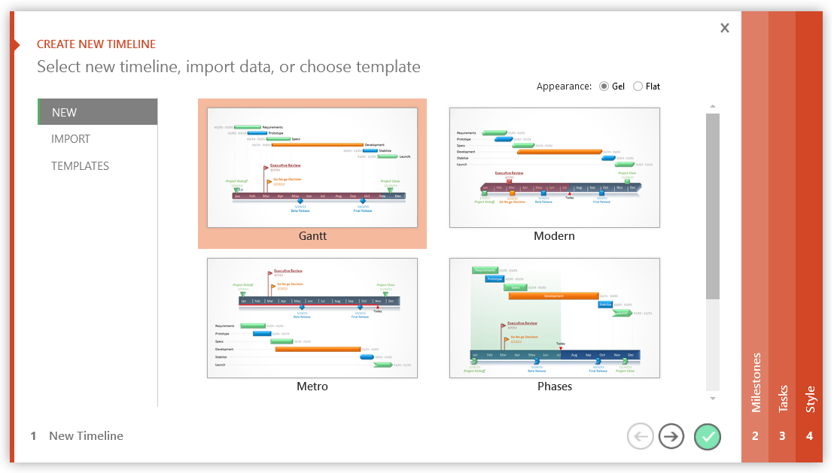

3 Easy steps to instantly turn Excel data into a PowerPoint slide
1. Download Office Timeline Plus Edition for PowerPoint.
2. Open PowerPoint and click on NEW Timeline from the Office Timeline tab inside of PowerPoint. Copy your Excel table paste it into Office Timeline Plus or import it.
3. Click the green check mark to instantly produce you timeline slide.

Excel Timeline Template
Excel Timeline Template

Enter Your Project Details Here
DATE | DESCRIPTION | POSITION
5/10/16 | Kick Off | 1
6/7/16 | Milestone 1 | 2
7/21/16 | Milestone 2 | 1
8/1/16 | Checkpoint A | 4
9/20/16 | Milestone 3 | 3
10/30/16 | Milestone 4 | 2
12/20/16 | Checkpoint B | 3
1/30/17 | Milestone 5 | 4
2/10/17 | Milestone 6 | 1
3/30/17 | Milestone 7 | 2 |  | `
5/20/17 | Checkpoint C | 3
5/30/17 | Sign Off | 1

Make beautiful timelines in PowerPoint for important meetings. |  |  | Download #1 Free timeline add-in for PowerPoint

 |  |  | www.officetimeline.com

3 Easy steps to instantly turn Excel data into a PowerPoint slide
1. Download Office Timeline Plus Edition for PowerPoint.
2. Open PowerPoint and click on NEW Timeline from the Office Timeline tab inside of PowerPoint. Copy your Excel table paste it into Office Timeline Plus or import it.
3. Click the green check mark to instantly produce you timeline slide.

 |  | https://www.officetimeline.com/download

