Risk Register Template
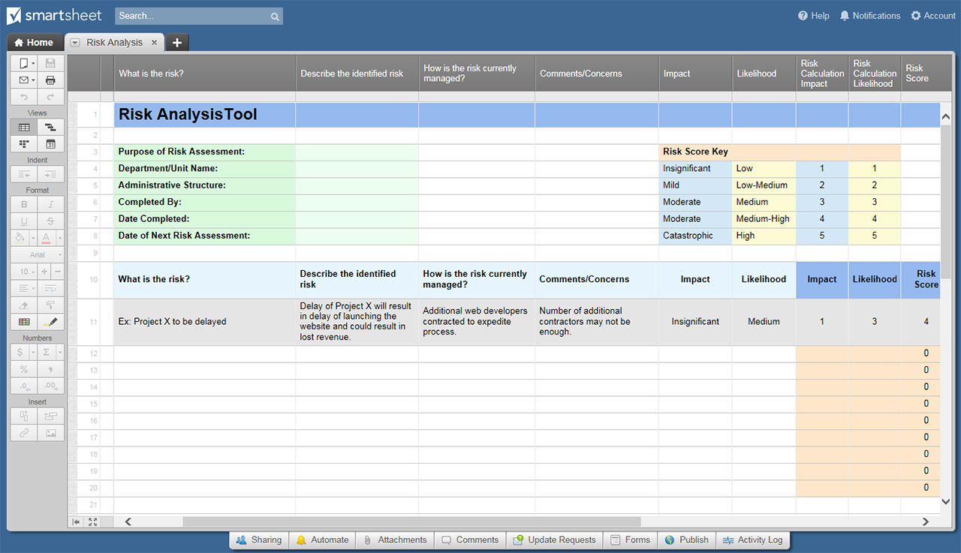
RISK REGISTER TEMPLATE
PROGRAM ORGANIZATION
PROJECT NAME |  |  |  |  |  |  | VERSION NUMBER | 0.0.0 |  |  | BEGIN DATE
CLIENT |  |  |  |  |  |  | DATE PREPARED |  |  |  | END DATE
POINT OF CONTACT |  |  |  |  |  |  | AUTHOR |  |  |  | DURATION

RISK LOG |  |  |  |  |  |  |  |  |  |  |  |  |  | REGISTER DROPDOWN KEYS
OVERVIEW |  |  |  |  |  | ASSESSMENT |  |  |  | RESPONSE
RISK ID | FR# | DESCRIPTION | OWNER | REPORT DATE | LAST UPDATED | IMPACT LEVEL | IMPACT DESCRIPTION | OCCURRENCE LIKELIHOOD | PLAN STATUS | PLANNED ACTION | COMPLETED ACTION | RESPONSE STATUS | DATE CLOSED | IMPACT / OCCURRENCE LIKELIHOOD LEVEL | PLAN STATUS | STATUS
R101 |  |  |  |  |  |  |  |  |  |  |  |  |  | HIGH | NO RESPONSE PLANNED
R102 |  |  |  |  |  |  |  |  |  |  |  |  |  | MEDIUM | PLAN IDLE | LOW
R103 |  |  |  |  |  |  |  |  |  |  |  |  |  | LOW | PLAN IN PROGRESS
R104 |  |  |  |  |  |  |  |  |  |  |  |  |  |  | PLAN IMPLEMENTED | MEDIUM
R105 |  |  |  |  |  |  |  |  |  |  |  |  |  |  | PLAN FAILED
R106
R107 |  |  |  |  |  |  |  |  |  |  |  |  |  |  | RESPONSE STATUS
R108
R109 |  |  |  |  |  |  |  |  |  |  |  |  |  |  | RISK OPEN
R110 |  |  |  |  |  |  |  |  |  |  |  |  |  |  | RISK CLOSED
R111 |  |  |  |  |  |  |  |  |  |  |  |  |  |  | RISK ESCALATED TO ISSUE
R112
R113
R114
R115
R116
R117
R118
R119
R120
R121
R122
R123
R124
R125
R126
R127
R128
R129
R130
R131
R132

CLICK HERE TO CREATE RISK REGISTER TEMPLATES IN SMARTSHEET

