Non-Functional Req
DSPM Non-Functional Requirements
Catalog | Requirements | Description | Coverage | Notes | Reference
NFR-001 | Performance | a. Facilitate parallel processing of data discovery and classification tasks across multiple cloud environments simultaneously. b. Deploy adaptive scanning algorithms that prioritize high-risk or frequently changing data sources. c. Leverage machine learning to enhance classification accuracy and processing speed over time. d. Use Case: Capital Group is merging two large mutual funds, involving the transfer of 100TB of sensitive financial data. The DSPM system must scan, classify, and apply appropriate security policies to this data within 24+24 hours to ensure uninterrupted fund management and maintain regulatory compliance. (** Review this again for an appropriate linear scaling benchmark for scanning the data- 2 PB data) Instruct the team to log the metrics of data types (PII, FTD and non-relevant data) | Yes | a. Cyera performed parallel data discovery and classification across multi-cloud including Azure, AWS, GCP, Snowflake for the PoC. b. Cyera supports adaptive scanning that prioritize high-risk or frequently changing data stores. see more here c. We use ML models for several classification tasks: 33% (33 out of 99) of the data classes in Ahead / Capgroup sanbox was classified using ML models. 1. Data Elements in Unstructured Files classify unstructured data level classes that are impossible to classify precisely otherwise due to their very weak patterns (examples: Full Name, Address) 2. Structured Learned Classification learns the data, metadata and schema to provide the most valuable data classes to structured data (datastores & files) 3. File-level Classification classifies unstructured documents during a scan on a document level “what is this document?” |  | 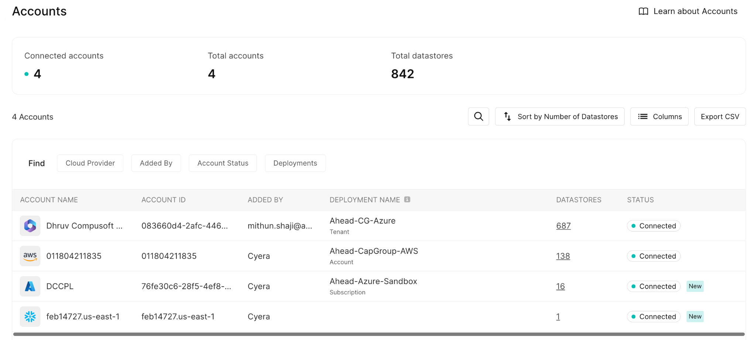
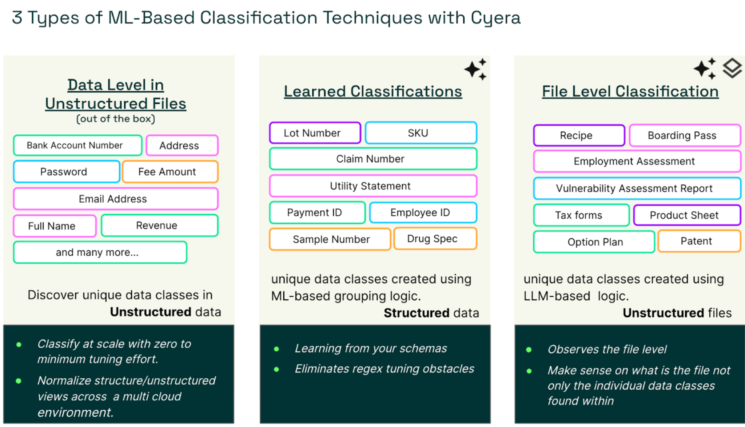
NFR-002 | Scalability | a. Support multi-cloud and hybrid cloud environments, including AWS, Azure, Google Cloud, and on-premises data centres. b. Enable horizontal scaling to dynamically add processing nodes. c. Implement automated resource allocation based on data volume and processing needs. d. Use Case: As Capital Group expands its operations into Asia, it requires the addition of 500 new cloud accounts and 200PB of data across multiple cloud providers. The DSPM system must scale effortlessly to accommodate this growth without performance degradation or service disruption. | Yes | a. Support AWS, Azure and On-Prem SQL + FileShare b. Outpost architecture supports horizontal scaling to dynamically add processing nodes c. Cyera will automatically monitor the data volume, data assets and data location to automatically allocate resources.
NFR-003 | Security | a. Adopt zero-trust architecture principles throughout the DSPM system. b. Integrate with hardware security modules (HSMs) for enhanced key management. c. Incorporate real-time threat intelligence to dynamically adjust security policies. d. Use Case: A sophisticated advanced persistent threat (APT) targets Capital Group’s trading algorithms. The DSPM system detects unusual access patterns related to these algorithms, automatically tightens access controls, and alerts the security team to prevent data exfiltration. | Yes | a. Cyera adopts zero-trust architecture principles in our architecture and policy engine for detections b. Cyera integrates with cloud key vault including AWS KMS and Azure Key Vault c. Cyera has a service offering, Data XDR that incorporates threat intelligence with DSPM visibility.
NFR-004 | Reliability | a. Implement self-healing capabilities to address common system failures. b. Ensure automated failover not just for regions but also for individual DSPM system components. c. Maintain at least three geographically dispersed replicas of all critical data and configurations. d. Use Case: During a major natural disaster affecting multiple AWS regions, Capital Group’s DSPM system continues to operate without interruption. It automatically routes traffic and workloads to unaffected regions while maintaining full functionality. | Yes | a. Cyera performs self-healing capabilities to address common failures b. Cyera uses micro-services architecture that incorporates automated failover and recovery of individual DSPM Components in addition to region failovers c. Cyera maintains multi-region replicas of the infrastructure. Cyera data analytics engine runs local
NFR-005 | Compliance | a. Support customizable compliance frameworks to meet unique regulatory requirements across different countries. b. Provide automated compliance checks and remediation suggestions. c. Implement continuous compliance monitoring with real-time alerts for any deviations. d. Use Case: When Capital Group launches a new financial product in a highly regulated market, the DSPM system automatically applies relevant compliance rules, monitors all related data flows, and generates daily compliance reports for regulators to ensure legal adherence from day one. | Yes | a. Cyera supports various compliance frameworks including GDPR, CCPA, CPRA, PIPEDA, & LGPD. These frameworks can be further customized by CapGroup to meet unique regulatory requirements across different states and countries. b. Cyera provides guided remediations for findings out of the platforms. c. Cyera provides continuous compliance checks with real-time time alerts and detection by integrating with SIEM and CSPM
NFR-006 | Usability | a. Implement role-based dashboards that present relevant information based on user responsibilities. b. Offer natural language query capabilities for non-technical users. c. Provide customizable alert thresholds and notification preferences for various user roles. d. Use Case: Capital Group’s Chief Risk Officer requires a high-level view of data security across all global operations. The DSPM delivers a custom executive dashboard that visualizes key risk metrics, compliance status, and trend analysis in a user-friendly format. | Yes | a. Cyera comes with role-based dashboard and projects that presents relevant information based on user responsibilities b.Cyera comes with easy to use UI filters for non-technical users c. Cyera has RBAC based projects that allows customization of notifications and risk based alerts based on various user roles.
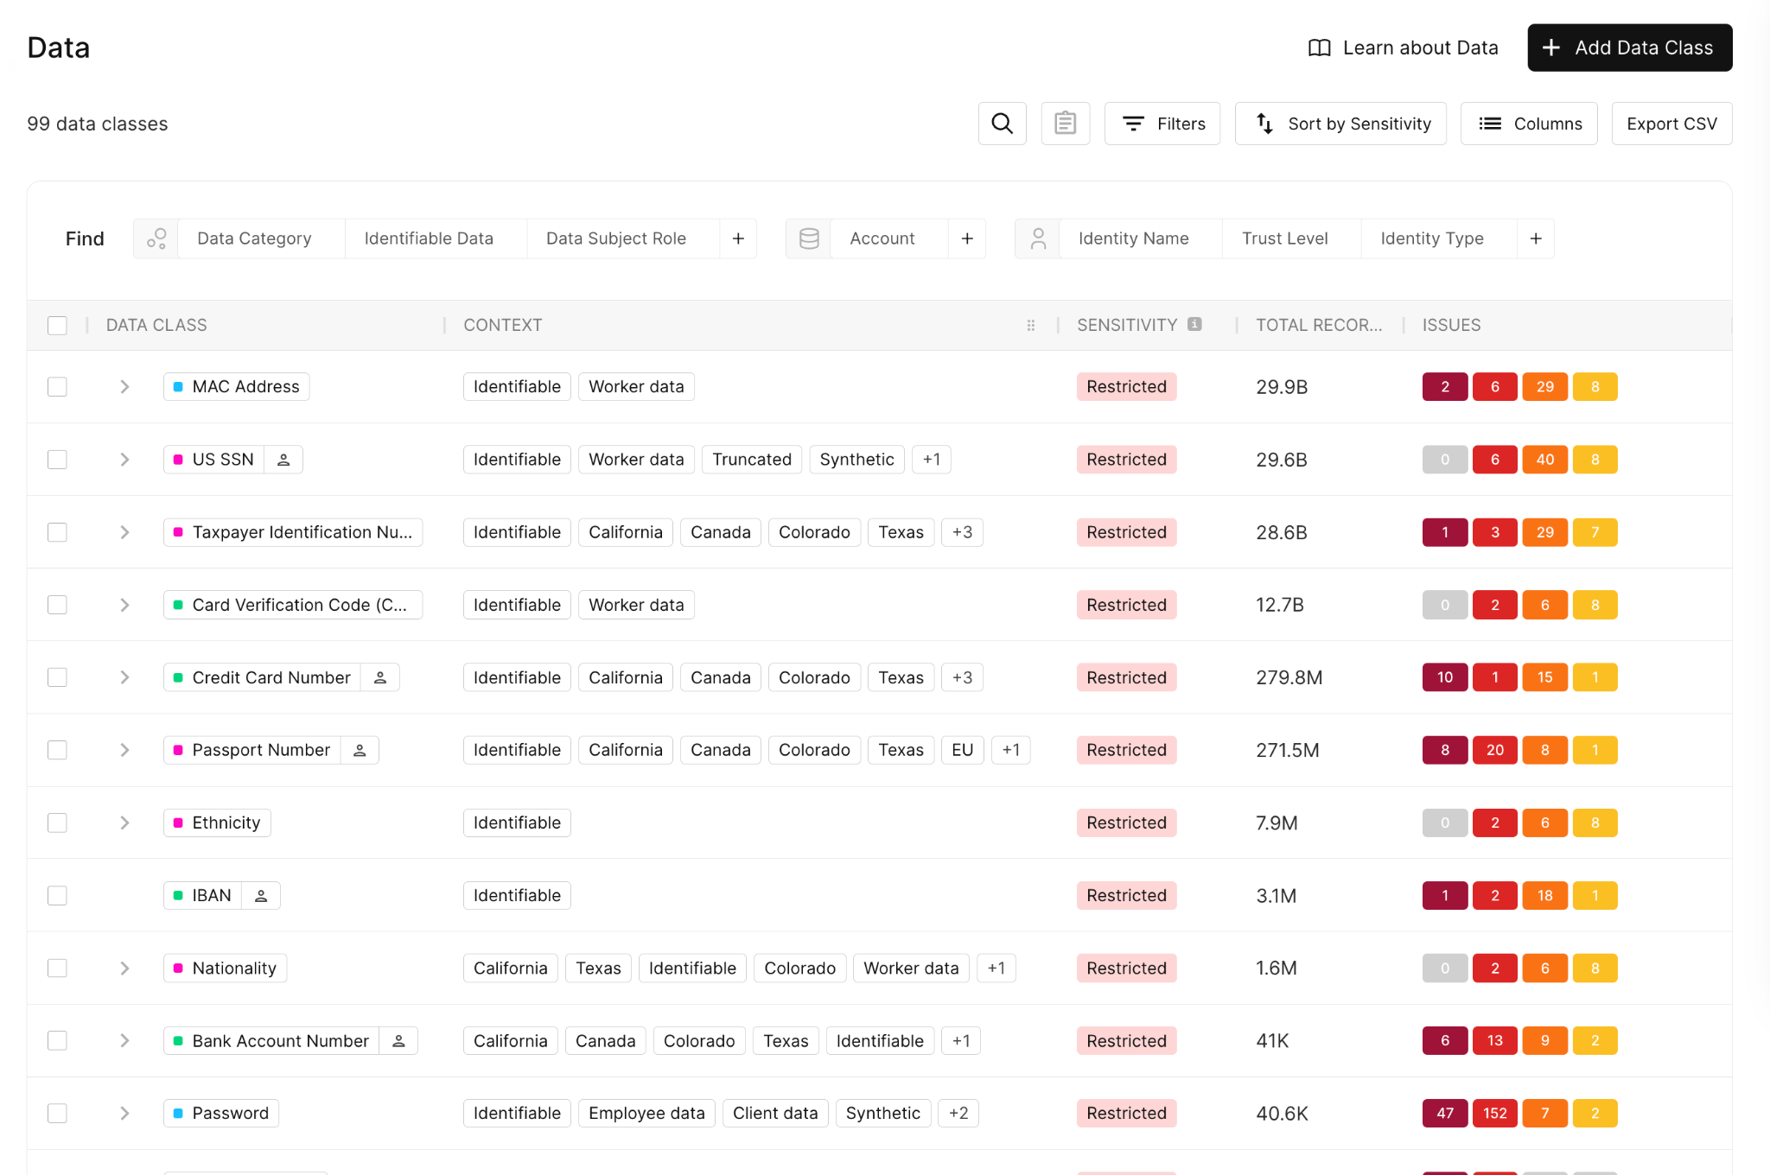
NFR-007 | Interoperability | a. Support bidirectional data flow with major SIEM and SOAR platforms. b. Offer RESTful APIs for custom integrations with internal Capital Group systems. c. Implement support for industry-standard data exchange formats (e.g., STIX/TAXII for threat intelligence). d. Use Case: Capital Group develops a proprietary trade reconciliation system. The DSPM integrates seamlessly with this system, providing real-time data classification and security policy enforcement to ensure all trade data is protected throughout the reconciliation process. | Yes | a. Cyera supports bidirectional data flow with Splunk and other major SIEM and SOAR platforms using REST APIs b. Cyera offers RESTful APIs for custom integration with internal Capital Group Systems c. Roadmap
NFR-008 | Customizability | a. Allow creation of custom data classification categories specific to Capital Group’s business needs. b. Provide a scripting environment for advanced users to develop complex, multi-condition security policies. c. Support custom risk scoring models that align with Capital Group’s risk assessment methodologies. d. Use Case: Capital Group introduces a new category of ultra-sensitive data related to a revolutionary investment strategy. The DSPM system enables the creation of custom classification rules, security policies, and monitoring alerts specific to this new data category. | Yes | a. Cyera allows creation of custom data classification specific to Capital Group's business needs b.Advance Users can leverage Cyera RESTful APIs to develop complex, multi-conditional security policies c. Cyera supports custom risk scoring models to align with Capital Groups risk assessment methodologies
NFR-009 | Auditability | a. Offer tamper-evident logging with blockchain-based verification. b. Support automated generation of audit reports tailored to various regulatory requirements. c. Implement user activity analytics to detect potential insider threats. d. Use Case: During an SEC audit, Capital Group needs to provide comprehensive access logs for all client data over the past five years. The DSPM system generates a complete, tamper-proof audit trail, detailing who accessed what data, when, and from where, streamlining the audit process. | Yes | a. Cyera offers audit logs that shows all user activities b. Cyera provides audit reports tailored to various regulatory requirements c. Cyera Identities explorer provides insights identities access to sensitive records .User activity monitoring is on the roadmap.
NFR-010 | Capacity | a. Support petabyte-scale data processing with sub-second query response times. b. Implement intelligent data summarisation and archiving to manage long-term data growth. c. Provide predictive analytics for capacity planning based on historical data growth patterns. d. Use Case: As Capital Group’s data lake expands to 500PB, the DSPM system continues to provide real-time data discovery, classification, and protection across this massive dataset, enabling Capital Group to maintain security and compliance at scale. | Yes | a. Cyera supports petabyte-scale data processing but query response time are beyond sub-second b. Cyera supports data summarisation and clustering to support data growth patterns c. Cyera can provide reports to support capacity planning based on historical data growth patterns
NFR-011 | Maintainability | a. Implement automated system health checks and self-diagnostic capabilities. b. Offer a sandbox environment for testing configuration changes before full deployment. c. Support automated rollback capabilities for all system updates. d. Use Case: Capital Group’s IT team needs to apply a critical security patch to the DSPM system. The patch is automatically tested in a sandbox environment, gradually rolled out to production using a canary deployment approach, and monitored closely. The system can automatically rollback if any issues are detected. | Yes | a. Cyera has automated system health checks and self-diagnostics b. Cyera supports testing in sandbox environment c. Cyera manages all patching / system updates and scaling for the outpost cluster |  | 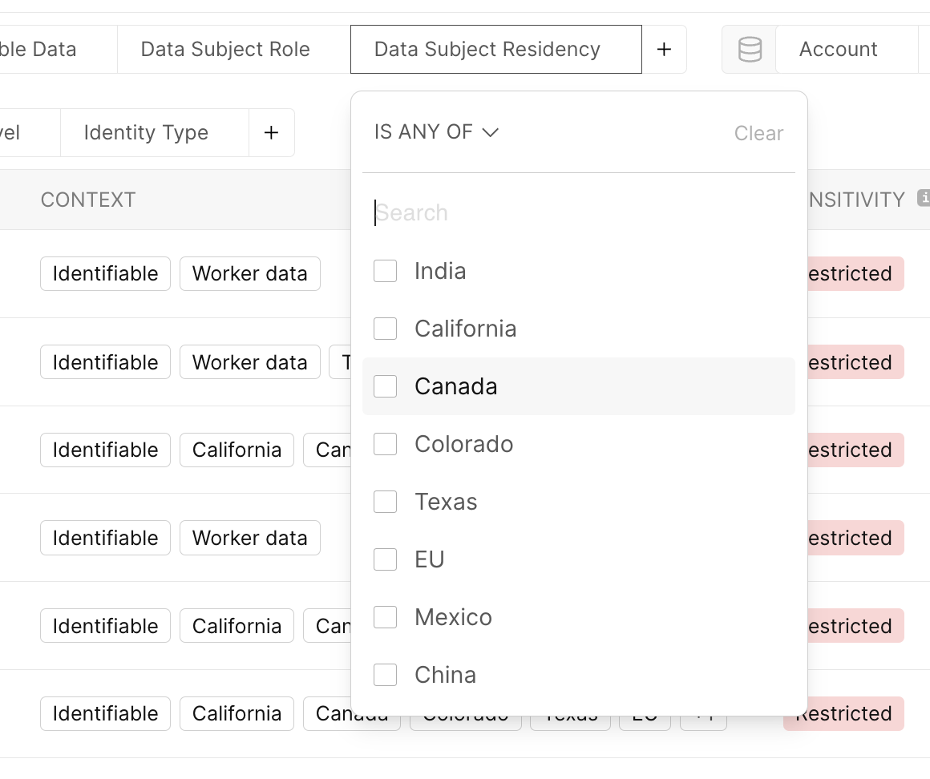
NFR-012 | Disaster Recovery | a. Implement automated, regular testing of disaster recovery procedures. b. Provide a secondary "warm" site that can take over operations within minutes. c. Support data replication across multiple geographic regions for enhanced resilience. d. Use Case: A cyber attack takes down Capital Group’s primary data centre. The DSPM system automatically fails over to a secondary site, ensuring continuous data protection and compliance monitoring with minimal disruption to business operations. | Yes | a. Cyera deploys a resilient infrastructure matching Cloud regions where CapGrou operates. b.Cyera offers an active / active architecture in AWS and Azure with always available failover options. c. Cyera supports automatic data replication across regions by deploying compute services in each region
NFR-013 | Observability | a. Implement AI-driven anomaly detection for system behaviour. b. Provide customizable alerting thresholds for different components and metrics. c. Support integration with popular observability platforms (e.g., Datadog, Splunk). d. Use Case: Capital Group’s DevOps team notices a gradual increase in query latency. Using the DSPM’s comprehensive observability features, they quickly identify the issue with a specific microservice and optimise it, preventing any adverse impact on overall system performance. | Yes | a. Cyera deploys a resilient infrastructure matching Cloud regions where CapGrou operates. b.Cyera offers an active / active architecture in AWS and Azure with always available failover options. c. Cyera supports automatic data replication across regions by deploying compute services in each region
NFR-014 | Regulatory | a. Support automated data residency checks based on metadata and content analysis. b. Provide real-time alerts for potential regulatory violations. c. Implement automated data transfer mechanisms that comply with regulations like GDPR. d. Use Case: Capital Group launches a new service for EU clients. The DSPM system ensures that all EU client data is processed and stored only in EU-compliant data centres, and provides necessary documentation for GDPR compliance. | Yes | a. Cyera provides automatic data residency checks by leveraging ML and LLM based classification algorithms looking at neighboring data b. Cyera can alert in near-real-time as soon as compliance issues is detected c. Cyera is fully compliant with data transfer mechanism and GDPR
NFR-015 | Machine Learning Operations (MLOps) | a. Support A/B testing of machine learning models for data classification. b. Implement automated retraining of models based on feedback and performance metrics. c. Provide explainable AI features to understand model decisions. d. Use Case: Capital Group’s data science team develops a new model for detecting potential insider trading. The DSPM system facilitates controlled testing of this model against historical data, monitors its performance in production, and automatically retrains it as new patterns emerge. | Yes | Cyera data science team perform A/B testing of the machine learning models for data classification. We also measure precision and recall rates for each classification algorithm. Please see MY F&Q for more details.
NFR-016 | Elasticity | a. Implement predictive scaling based on historical usage patterns and scheduled events. b. Support burst capacity for handling unexpected spikes in data processing needs. c. Provide fine-grained control over resource allocation for different DSPM functions. d. Use Case: During the annual tax season, Capital Group experiences a 300% increase in client data access. The DSPM system automatically scales up resources to handle the increased load, ensuring consistent performance and security throughout this high-demand period. | Yes | Cyera uses spot instances mainly for classification and when we scan the datastores. Cyera scales in/out the spot instances based on the volume of data that needs to be scanned. In each EKS cluster, Cyera uses more stable compute (non-spot instances) for more critical resources. For example, the Kafka that bridges all services needs a more stable infra, and therefore we don't run them over spot instances. All of this is monitored and we optimize the compute resource to be as efficient as possible.
NFR-017 | Sustainability | a. Implement energy-efficient algorithms and data storage practices. b. Provide options to prioritise workloads in regions with lower carbon impact. c. Support integration with cloud providers’ sustainability features. d. Use Case: In line with its commitment to reduce its carbon footprint, Capital Group uses the DSPM’s sustainability features to optimise data processing workflows. The system generates monthly reports on the carbon impact of DSPM operations and recommends changes to reduce emissions while maintaining performance. | Yes | Cyera aligns with Capital Group's commitment to reduce carbon footprint by utilizing the following capabilities. 1. Use Energy-Efficient Infrastructure: Leverage AWS compute processors, managed services, and serverless architectures (e.g., Lambda) to optimize resource usage and reduce idle infrastructure, minimizing energy consumption. 2. Right-Size Resources and Scale Efficiently: Cyera already utilizes EC2 Auto Scaling to dynamically scale and shut down unused resources, avoiding over-provisioning and reducing waste. 3. Monitor and Optimize with Carbon Footprint Tool: Track carbon emissions using the AWS Carbon Footprint Tool and apply AWS Well-Architected Sustainability best practices to continuously optimize workloads for energy efficiency. 4. Leverage Renewable Energy: Choose AWS regions powered by renewable energy, benefiting from AWS's goal of 100% renewable energy usage by 2025.
NFR-018 |  | DSPM implementation/architecture is "Air Gapped" (Even in cases where only metadata is transmitted to the vendor's SaaS platform) a. Document and assess | Yes | Please see Cyera platform security architecture and controls.
NFR-019 | Security | Access Permissions: All vendors must adhere to the principle of least-privilege during operations such as scanning, decrypting, unmasking data, etc... | Yes | Please see Cyera platform security architecture and controls.
NFR-020 | Cost | Post Testing: Evaluate cloud expenditure: Significant data transfer to and from compute & storage by the vendor | Yes | Cyera deploys scanning resource in the same region as the datastore to avoid any excessive data transfer charges.
NFR-021 | Performance | Must ensure there is no performance degradation; vendor solution should not interfere with processing, particularly in real-time operations | Yes | Cyera performs agent-less and out-of-band scanning of the cloud resources using cloud native APIs. There are no performance impact during the PoC.
NFR-022 | Scalability | Test vendor's capability to rapidly scan large datasets, such as 2PB, within a feasible timeframe - be it 24,12, 6 hours (Given the rapid evolution of data and how fast it changes, an ideal scenario would involve 'real-time' discovery. The quicker the scan, and the lower cloud cost, the more flexibility CG has in defining threat detection and managing downstream data connections. ) | Yes | Cyera can scale to rapidly scanning PBs of data. This testing was not performed during the PoC due to budget constraints with the sandbox environment.
NFR-023 | Customizability | Specificity and customization of detection rules are also important. Ex: How does vendor handle a scenario where service account executes a new query for the first time to a new dataset, not through an ODBC connector, but via UI / CLI? | Partial | Cyera Identity Explorer provides visibility into identities including power users, Stale identities and local admins. The platform also monitors cloud and SaaS configuration to alert on risky behavior or changes to the environment. For Example: 1. When a data store that has just been restored from a snapshot. The data store contains sensitive data but the data is missing encryption. 2. Sensitive data in a SharePoint, meant only for internal consumption, is shared externally with an unapproved third party or personal gmail. As these events unfold, multi cloud DDR can quickly flag the incident for investigation and remediation. The platform does not monitor logs to detect abnormal activity such as new query for the first to extract sensitive data.
NFR-024 |  | Does vendor employ a global rule approach, allowing for the implementation of a universal rule that affects all datasets? Example: Alert on specific account or IP addresses that SIRT team just identified as malicious or suspicious. | Partial | Cyera offers Incident response service to help with this use case. Capital Group can leverage and retain a team of elite cybersecurity practitioners from Cyera to evaluate and respond to data security incidents, helping you identify data security risks example alert on specific IP address that SIRT team has identified as malicious, remove ambiguity related to materiality, and determine the fastest path to recovery.
NFR-025 |  | Considering Ahead environment does not have any users or service account history, establishing a baseline for detection with CONTEXT is not feasible. What methods to ascertain the efficacy of each vendor's detection capabilities without tons of false positives?

Functional Req
DSPM Functional Requirements
Catalog | Requirements | Description | Coverage | How are we going to prove this?
FR-001 | Must Have Integration Tools | Integration with - Wiz - AWS Important Data Stores - Azure Important Data Stores - Snowflake - Databricks - M365 **Must Cover these on Day 1 | Yes | - Wiz - bi-directional integration (Yes) - AWS Data Stores (Yes) - Azure Data Stores (Yes) - Snowflake (Yes) - Databricks (Yes) - M365 (Yes) | 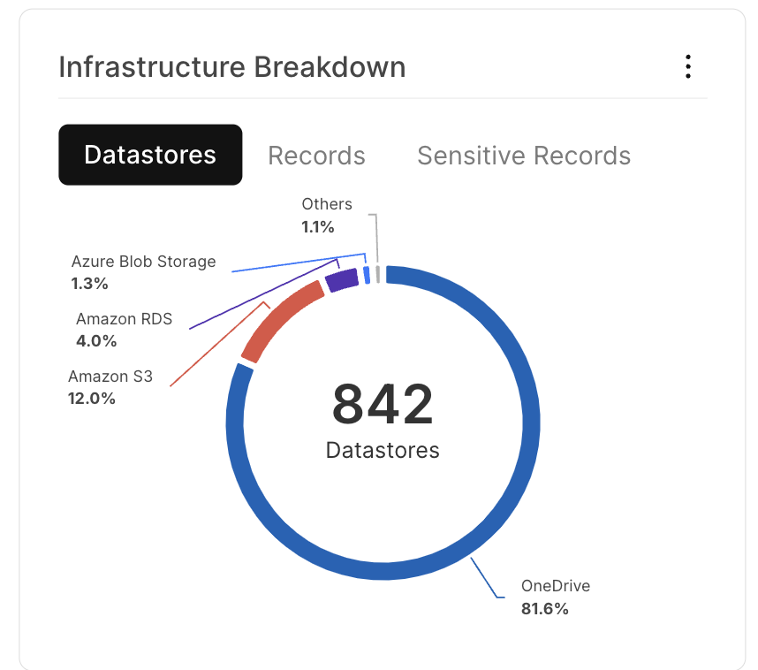
FR-002 | Must Have Data Store Integration | AWS Data Stores - S3 - EC2 - EBS - RDS - EFS - DynamoDB - Azure - Storage Account - Blob Storage Account - VM - Disk - Azure Databases (SQL, Postgres) - FileShare - Azure DLS v1 & v2 **Must Cover these on Day 1 | Yes | - S3 (Yes) - EC2 (Yes) - EBS (Yes) - RDS (Yes) - EFS (Yes) - DynamoDB (Yes) - Azure (Yes) - Storage Accounts (Yes) - Blob Storages Accounts (Yes) - VM (Yes) - Disk (Partial) - Azure Databases SQL, PostgresSQL (Yes) - FileShare (Yes) - Azure DLS v1 & v2 (Yes)
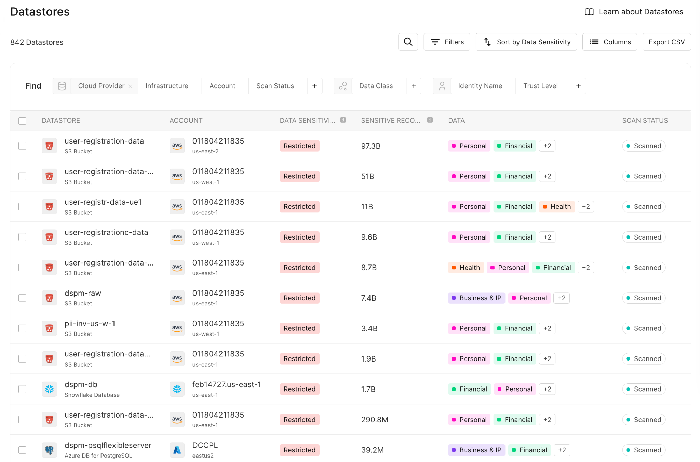
FR-003 | Support Data Processing within Customer Hosted Outpost | • Yes, all data processed in customer hosted outpost • Yes, some data processed in customer hosted outpost • No | Yes | - Data processed in customer hosted outpost - Optional samples taken for enahanced ML based classification
FR-004 | Support Cloud IAM integration | Support IAM Integration: • On-premise AD • Azure Entra (AAD) • Okta | Partial | - On-Prem AD (No) - Roadmap - Azure Entrra AD (Yes) - Okta (Partial) - Support it for SSO login to the platofrm. Working on Okta integration for user to role mapping for Assume Roles to AWS.
FR-005 | Data Access Governance | Who has access to what data, at what time and from where and why (e.g. Including 3rd party access to S3/Blob storage) Ties Identities (user, non-human and 3rd parties) to data sources Enumeration of Data Access: Internal principals, AD Groups, AD Users, 3rd Party Lateral/escalation path to Data Access: Internal principals, AD Groups, AD Users, 3rd Party Data Lineage: Cloud Platform Data created/processed and replica in SaaS tool Can Conduct Data Access Reporting on the following: - How often is Data accessed (Daily, Monthly, Quarterly, Yearly, etc.)? - Is there privilege access to data? - Provide recommendations to reduce privilege access to data based on pattern analysis - Is there lateral movement/escalations path to priority data? - Detect unauthorized access attempts to data stores with critical data - Associate risk of appropriate user's data access to approved data over time - Infrequently/unused data access for users and roles | Partial | - Who has access to the data (Yes) / at what time (Partial) / From where (No) / Why (Yes) 3rd party access to S3 - Ties identities (user, non-human and 3rd parties) to data (Yes) sources --> Identity explorer - Enumeration of access -Internal, AD Groups, AD USers, 3rd Paty (Yes) - Lateral / Escalation path to data access is on the roadmap (No) - Data Lineage is roadmap - Can Conduct Data Access report (Yes) - How Often is data acessed (Partial) Cyera shows last modified and access - Is ther previlege access to data (Yes) - Provide recommendations to reduce privilege access (Yes) - Detect Lateral movement/escalation path to priotity data (No) - Associate risk of appropriate user data access to data over time (Partial) - Infrequent / unused data access for users and roles (Yes)
FR-006 | Data Compliance | Ability to identify and or correlate data, risk, and or posture to a standard, framework and or compliance requirements (e.g. PCI, NIST 800-53) | Yes | Cyera can identiy data, risk and map posture to standard framworks and compliance requirements including PCI, NIST, CCPA, CPRA, GDPR
FR-007 | Data Security Posture and Risks | Ability to identify data stores and or associated objects that are potentially at risk given the current state of the data, be it associated with misconfigurations or related activity • Integration with Wiz CSPM, bi-directional • Link associated misconfigurations + resources to Data Store Posture | Yes | Cyera can idetify data stores and objets at risk due to misconfiguraitons (Yes). Cyera has bi-directional integration with Wiz (Yes) Cyera findings and policy engine link misconfigurations to data store posture and misconfigurations (Yes)
FR-008 | Data Detection and Response | Ability to identify and respond to problematic data actions (e.g. Anomalous activity, policy and or compliance violations) and provide a mechanism for response: • Anomalous Activity • Compliance violations • ServiceNow Integration • Jira Integration • Wiz Integration | Yes | - Anomalous activity (Yes) - Compliance violations (Yes) - ServiceNow Integration (Yes) - JIRA Integration (Yes) - Wiz Integration (Yes)
FR-009 | Support data discovery via 'assumed role' to scan instances inside all CG VPCs via Organization Deployment | It's a management nightmare to onboard CG 400+ AWS accounts. Better approach is to assume roles of those accounts • Organizational Deployment, OR • Onboarding via per Cloud Account | Yes | - Cyera supports organizational onboarding to connect to 400+ AWS Accounts - Cyera supports Terraform and IaC deployment to automate the cloud account onboarding
FR-010 | DSPM vendor must support principle of least-privileged for Terraform modules or Cloudformation automation | What permission is needed to create instances or download from DSPM SaaS platform. Must follow principle of least-privilege: • Violates current Least Privilege Rules | Yes | See Platform Security document
FR-011 | Support data discovery of structured, unstructured data, and semi-structured data | Structured and Semi-Structure Data: CSV, JSON, Parquet, PDF, Gzip Unstructured Data: Text, images, audio and video: • Unstructured Data • Structured Data • JSON • PDF • txt files • parquet files • CSV, TSV • DOCX • xls, xlsx • xml • ZIP • Password Protected ZIP • Log • rar, 7z, tar, gz, bz, xz, bz2, tgz, tbz, tbz2, tar.gz • jpg, jpeg, png, bmp, tiff, heic • sql • ASPX, C, C++, EML, HTML, GO, Java, JS, PHP, ps1, Python, RSS, sh, ts, tsx, VB, zsh • AI Training Data | Yes | Structured and Semi-Structure Data: CSV, JSON, Parquet, PDF, Gzip Unstructured Data: Text, images, audio and video: • Unstructured Data (yes) • Structured Data (yes) • JSON (yes) • PDF (yes) • txt files (yes) • parquet files (yes) • CSV, TSV (yes) • DOCX (yes) • xls, xlsx (yes) • xml (yes) • ZIP (yes) • Password Protected ZIP (yes) • Log (yes) • rar, 7z, tar, gz, bz, xz, bz2, tgz, tbz, tbz2, tar.gz (yes) • jpg, jpeg, png, bmp, tiff, heic (yes) • sql • ASPX, C, C++, EML, HTML, GO, Java, JS, PHP, ps1, Python, RSS, sh, ts, tsx, VB, zsh (yes) • AI Training Data (yes)
FR-012 | Identify Shadow IT | Examples of shadow IT: S3 backups, Data in Lower Environments (e.g. Dev, QA, sandbox, etc..), Data Logs, Analytics pipeline, Unsanctioned data sources, Unsanctioned SaaS apps, Left over from cloud migration: | Yes | Cyera detects duplicate data that is moved to non-production environmentts..
FR-013 | Ability to 'understand' data context | Purpose: To minimize or eliminate false positives (e.g. Using Regex results in many false positives without context. Plus, tweaking can be challenging to cover all use cases) Ability to contextualize findings such as employees vs customers, etc. • Detect SSNs accurately with minimal false positives • Detect PII accurately with minimal false positives • Detect CG Transaction IDs with minimal false positives • Ability to detect the above with no fields or surrounding data correlation I.E Can detect a potential PII without a column stating Name, Email, Address, SSN, etc. | Yes | Cyera's platform uses machine learning (ML) models to classify and contextualize data based on four key vectors: Identifiability, Regionality Role, and Security (Synthetic/Masked/Encrypted). Cyera adds context to data, such as its encryption status, whether it's synthetic, the data subject's residency (e.g., EU, California), and the subject's role (e.g., employee, customer). Context affects data sensitivity, which can be customized, and is used for filtering and enforcing policies. This system helps identify compliance risks, such as storing data in incorrect regions or handling Personally Identifiable Information (PII). | 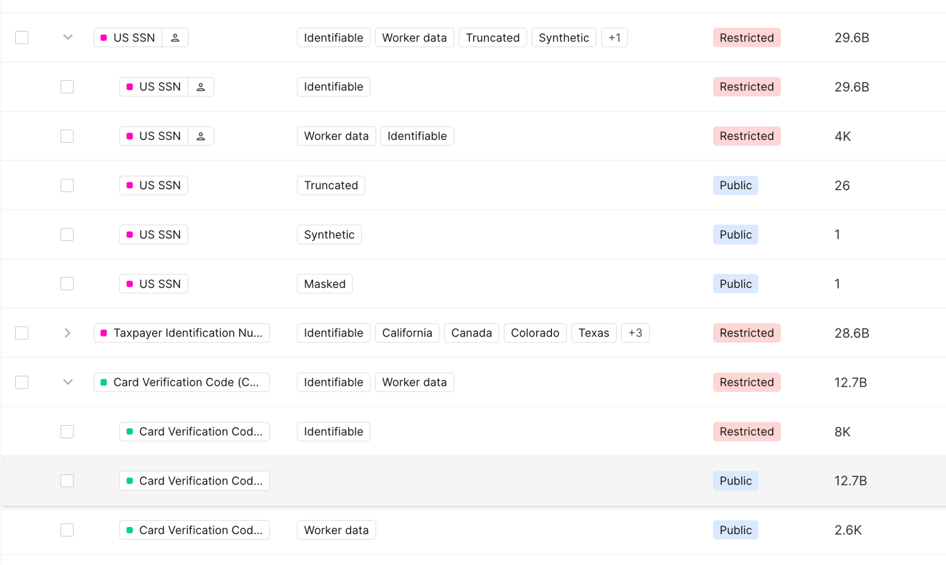
FR-014 | Continuous Data discovery of data sources, analytical stores, relational / graph DBs, Documents; Object stores ; Block stores; Messaging Solutions | Data sources: AWS Data Stores: S3, EC2, EBS, RDS, EFS, DynamoDB Azure: Storage Account, Blob Storage Account, VM, Disk, Azure Databases (SQL, Postgres), FileShare, Azure DLS v1 & v2 Scanning: Full Scanning everytime - Incremental Scanning Full Scan on first scan - Rescanning - Incremental, Full Microsoft M365 Block stores = EBS Volumes (Similar to Wiz Outpost implementation but Wiz looks at EBS system volumes, not data volumes. All DB and data stores are compressed and data schema is proprietary. ) NAS / File-Level stores = Network-based (e.g. NFS, SMB/CIFS) Messaging solutions like Kafka, RabbitMQ, etc..where data is ingested from. These solutions don't store data dat in the traditional sense like databases, but they do temporarily store messages and process them as part of a distributed message system. | Yes
FR-015 | Snowflake/Databricks DSPM Scanning | Has the ability to Scan: • Normal Tables • Feature Store Elements for Data Science Models • Can see integrated data stores within - Dremio Support - Azure Synapse Support - MS Fabric Support • Ability to scan Columns and rows • Ability to scan Sandbox tables - Scan and provide classification of type of data stored - Track utilization of table • Scan associated resource configuration drift from predefined deployment method • Ability to scan table, column data, & data demographics • Ability to fingerprint data data and validate existence regardless if fields match value of data | Yes | - Snowflake is avaialble - Databricks support will be available late September 2024
FR-016 | Snowflake/Databricks Data Access | • Data Access Modification for users and/or entities • Ability to synchronize data access modifications and enumerations back to Access Central for Notification/adjustments • Ability to grant fine grained OnDemand Access grant for restrictive access to data sets • Ability to showcase data exfiltration routes based on connected ecosystems and users • Ability to showcase best practices for Data Security and give recommendations for development of said data for best practice | Yes
FR-017 | Identify critical applications and their associated data sources | Integration with CG CMDB or ATM to identify applications and their associated data sources (e.g. GenAI LLMs accessing data sources) • Integration with ServiceNow CMDB • Integration with ATM | Yes
FR-018 | Data Activity Monitoring | Ability to provide context as to who did what with the data in question | Yes | Cyera prodvides context into the data and all identities that can access sensitive records.
FR-019 | Assign security policies to data itself | No matter where data is copied to, and even if destination has different permission, security policy follows • Data Fingerprinting | Yes
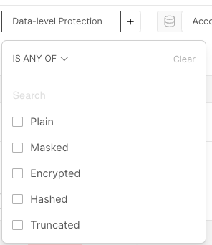
FR-020 | DSPM vendor must not see or process CG sensitive data | Should only see CG metadata DSPM vendor compute or processing must stays within CG environments • Outpost Method • SaaS Deployment Only | Yes | Cyera supports outpost deployment mode. For the Ahead sandbox, Cyera was deployed in outpost mode for both AWS and Azure.
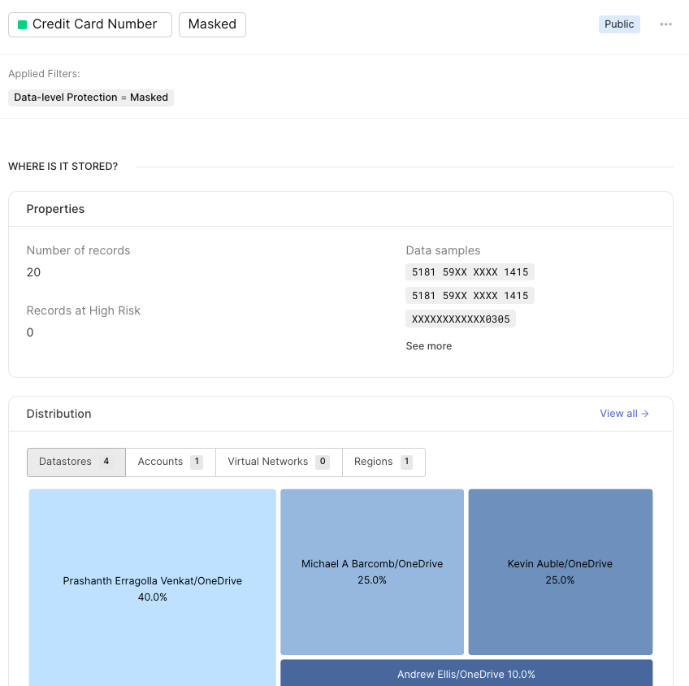
FR-021 | Ability to either use CG data classification or labeling or automatically classify sensitive data during discovery | DSPM vendor must have their own data classification based on industry standards but must support ability to import CG data classification for data discovery and inventory • Internal Classification Engine • Integration with AIP | Yes | Cyera comes with it's own AI based classificaiton engine. The platform can also integrate with Capital Groups classification and align on mappings. Cyera also integrates with data catalog such as Collibra to enrich the data mapping process.
FR-022 | Show financial impact when data is exposed or breached | Show estimated cost liability to data based on types / sensitivity. Ability to show financial assessment in case of ransomeware or data exfiltration | Yes | Cyera provides details on number of records at risk per security incident. This data can be used to easily calculate materiality of the breach and impact.
FR-023 | Integration with KMS and/or KeyVault to decrypt encrypted data | Integration with AWS KMS/Azure Keyvault for decrypting data | Yes, | Yes, Cyera integrates with AWS KMS and Azure Key Vault to decrypt data.
FR-024 | Able to identify data even when data is obfuscated, masked or tokenized | • Detect Data masking • Detect Data Tokenized • Detect Data is Obfuscated | Yes, | Cyera uses ML algorithms to detect data masking and tokenization. This shows up as additional context next to each data class in the platform.
FR-025 | DSPM vendor solution can NOT be inline | Cannot disturb or prevent the business from day-to-day operations. | Yes | Cyera is not inline. Cyera integrates with cloud providers using out of band and agent-less Cloud native APIs.
FR-026 | Provides remediation recommendations to act on non-compliance, or risks to data sources | Provide risk based and contextualized remediation, and integration with ITSM for workflow orchestration | Yes | Cyera integrates with ITSM including ServiceNow / JIRA to 1. Create ServiceNow ticket window opens, pre-mapped with the Issue’s details including the impacted datastore, the datastore owner, issue created date, number of affected records, the issue description, and remediation advice. 2. Upon submit, a ticket (or incident) is created in ServiceNow and the ticket ID and status is shown on the Issue page and the Issues table. 3. Ticket status is updated periodically, and user can route to the ticket in their ServiceNow env and un-link the ticket if required. 4. Multiple tickets can be opened for the same Issue.
FR-027 | Centralized unified data policy that governs any cloud providers | Single pane-of-glass to write security policies, rules | Yes | Cyear provides a single pane of glass for visibility and security policy applied across, AWS, Azure, Snowflake, Databricks and M365.
FR-028 | DSPM vendor has dedicated infrastruture (single tenant) for CG | Although only CG metadata is sent to DSPM vendor, they must support dedicated CG tenant with different security policies (e.g. Not sharing DB, encryption key, etc.. with any other clients, etc.) | Yes | Cyera is a multi-tenant application. Capital Group will get it's own dedicated tenant in the Cyera platform.
FR-029 | Open API concept | Ability for CG to query & pull data from vendors's API for purposes such as getting data tags, cost, alert findings, etc. • API allows extraction of resource metadata • API allows extraction of violations to policies • API allows creation of rules/classification/enhancements to tool (customization for customers) | Yes | Cyera has extensive APIs that Capital Group can leverage for for alerting and reporting. See Cyera API guide for more details.
FR-030 | Limit cloud cost | With continuous data discovery, re-classification, CG would like to cap cloud cost at X amount • Outpost Operation Cost • SaaS Component Cost | Yes | Cyera has flexible hybrid architecture and can optimize cost. Capital Group can mix Cyera SaaS with Cyera outpost to find the best balance in cost for the deployment. Cyera also leverages spot instances in outpost to reduce compute and scan cost. Spot instances were not availble for testing Ahead Azure sandbox environment.
FR-031 | Wiz Integration to map data to cyber controls (or lack thereof) | Identify cyber controls that can protect data; How is data secured by integrating with Wiz | Yes | Cyera has bi-directional integration with Wiz. Using this integration, Cyera data and context will be sent to Wiz and can be see in Wiz Graphs and refrenced in policies and security controls.
FR-032 | CIEM integration with Wiz | • Can show case lateral movement and over-permissive findings with association to data stores Bi-Directionally | Yes | Cyera has bi-directional integration with Wiz. Cyera -to-> Wiz 1. Cyera enriches Wiz Security Graph with Data Classifications 2. Users can prioritize Wiz Issues using the data context 3. Users can “Open in Cyera” Wiz -to-> Cyera 1. Cyera ingests Wiz issues and provides additional vulnerability context about customer datastores 2. Cyera ingests Wiz databases list (over compute resources) to speed up discovery and classification of such assets 3. Cyera adds an "Open in Wiz" button in the platform to directly view Wiz datastores with Cyera data findings
FR-033 | Leverage cloud tools such as GuardDuty, AWS security hub, VPC flows, etc.. To give deep context to data | • Integrate with Cloud Logs from different CSPs • Integrate with GuradDuty/Defender | Yes | Cyera integrates with Cloud logs to detect misconfigurations with the data stores. Cloud logs are also used to identify stale identities.
FR-034 | Cybersecurity controls comparison to peers without exposing critical / sensitive data | Ability to compare CG data security posture to other similar financial peers but without exposing each company's data | Yes
FR-035 | Tweak Machine Learning model to reduce false positives, data reclassification, etc. | Ability to train and tweak ML using NPL to look at context account data to filter out false positives | Yes | Cyera uses ML Models that analyze data not only for the classification but the contextualization of the data, focused on 4 vectors: 1. Identifiability 2. Regionality 3. Role 4. Security (Synthetic/Masked/Encrypted) See Cyera KB on context for more details.
FR-036 | Support SSO and MFA for vendor console log in | • Okta | Yes | Cyera supports SSO interation and MFA for admin users.
FR-037 | Event-driven to kick off scan interval, data discovery, re-classification, etc.. | • Frequency Scanning available • Adjustable Scanning intervals • Incremental Scanning Available | Yes | Cyera comes with comprehensive scan management and reporting capability including: 1. Ability set scan frequency and monitor scan status (Pending, In Progress, Completed, Failed) 2. Adjust scanning based on high / normal per each data store 3. Delta scanning in produciton to cover only changes to keep up with rapid changes with the datasets.
FR-038 | Support custom taggings / tags of data | Read-only first by maintaining a table of all data discovered • Can read cloud resource tagging • Can Customize Tagging Within tool • Can Integrate with other Data Classifier Engines | Yes | 1. Cyera can read cloud resource tags and alert on any mismatches or deviations from the tagging policies. 2. Cyera classification can also be applied as a Cloud resource tag 3. Cyera can also apply Microsoft Information Protection labels (MIP) to documents in SharePoint and OneDrive. This allows other DLP tools such as Zscalar or MS Purview to leverage the classification tags in a DLP policy.
FR-039 | Vendor is SOC II certified | • Yes • No | Yes | Please see Cyera Security portal for more details.
FR-040 | Resiliency - Ability to backup data discovery findings / history in case CG's VPC goes down | Do not want to lose any history / findings if CG VPC goes down Vendor do not store any value in CG dedicated VPC | Yes | All history / findings are stored in Cyera Data Insights service that is not in the same VPC as the data analysis service. Please see more details in Cyera Deployment models
FR-041 | Use blockchain technology to audit view of data | Proof-of-action for defensible audits | Yes | Cyera comes with comprehensive audit logs. The logs can also be exported to Splunk or other SIEM platforms for further correlation.
FR-042 | Vendor must have excellent threat intelligence to create risk profiles based on findings / cyber controls | • Yes • No | Partial | Cyera Incident response service can enrich platform data findings with Threat intelligence.
FR-043 | Built in rules to map to cybersecurity frameworks such as NIST, CSA-CCM, HITRUST, OWASP, Ransomware, etc. | • Yes • No | Yes
FR-044 | Support Workflow integration with Servicenow ITMS, JIRA | • Yes • No | Yes
FR-045 | Ability to integrate with Data Protection Processes | • Symantec DLP Integration • Zscaler DLP Integration • Azure Purview Integration | Yes | Cyera can also apply Microsoft Information Protection labels (MIP) to documents in SharePoint and OneDrive. This allows other DLP tools such as Zscalar or MS Purview to leverage the classification tags in a DLP policy.

