CL_100Users_LT_02May17
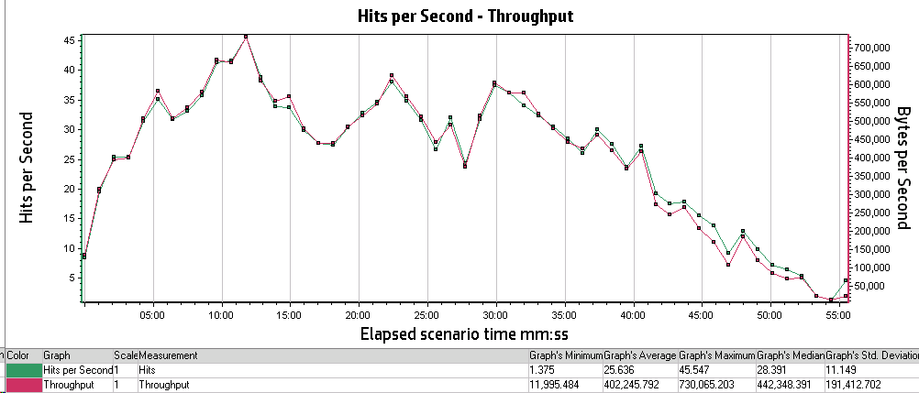
Analysis Summary | Period: 05/02/2017 04:07:57 AM EST - 05/02/2017 05:03:32 AM EST
Project Name: | RESTRICTED_TALENT
Test Name: | CL_100UsersLoadTest_Apr2017
Controller Run Time: | 5/2/2017
Duration: | 55 minutes and 35 seconds

Statistics Summary
Maximum Running Vusers: | 100
Total Throughput (bytes): | 1,363,161,296
Average Throughput (bytes/second): | 408,621
Total Hits: | 86,698
Average Hits per Second: | 25.989
Total Errors: | 1,415

Transaction Summary
Transactions: | Total Passed: 3,366 |  | Total Failed: 30 |  | Total Stopped: 0

Transaction Name | Minimum | Average | Maximum | Std. Deviation | 90 Percent | Pass | Fail | Stop
TS01_CL_01_GHRM_LaunchUrl | 0.744 | 1.087 | 3.684 | 0.427 | 1.208 | 124 | 0 | 0
TS01_CL_02_GHRM_Login | 8.538 | 10.207 | 13.304 | 1.002 | 11.544 | 124 | 0 | 0
TS01_CL_03_GHRM_Load_LandingPage | 0.349 | 4.055 | 51.518 | 8.963 | 17.565 | 124 | 0 | 0
TS01_CL_04_GHRM_Logout | 2.697 | 3.565 | 32.942 | 3.12 | 3.76 | 108 | 16 | 0
TS02_CL_01_ICS_LaunchUrl | 0.704 | 1.59 | 42.188 | 4.086 | 1.135 | 125 | 0 | 0
TS02_CL_02_ICS_Login | 8.435 | 10.093 | 13.314 | 0.927 | 11.369 | 125 | 0 | 0
TS02_CL_03_ICS_Load_LandingPage | 0.314 | 4.059 | 35.369 | 8.21 | 18.904 | 125 | 0 | 0
TS02_CL_04_ICS_Logout | 2.632 | 3.176 | 9.706 | 0.851 | 3.829 | 111 | 14 | 0
TS03_CL_01_GHRM_LaunchURl | 0.763 | 0.95 | 1.847 | 0.228 | 1.155 | 20 | 0 | 0
TS03_CL_02_GHRM_Login | 9.116 | 10.041 | 12.076 | 0.725 | 11.068 | 20 | 0 | 0
TS03_CL_03_GHRM_LandingPage | 0.329 | 0.909 | 15.847 | 1.771 | 1.435 | 80 | 0 | 0
TS03_CL_04_GHRM_BillingPage | 3.852 | 6.398 | 16.38 | 2.055 | 8.667 | 80 | 0 | 0
TS03_CL_05_GHRM_Load_InputPage | 2.218 | 4.024 | 20.124 | 3.015 | 5.565 | 80 | 0 | 0
TS03_CL_06_GHRM_Load_PreviewPage | 2.589 | 2.853 | 7.603 | 0.573 | 3.041 | 80 | 0 | 0
TS03_CL_07_GHRM_Load_ViewResultsPage | 1.896 | 2.957 | 31.436 | 3.324 | 3.361 | 80 | 0 | 0
TS03_CL_08_GHRM_Load_PDFResults | 0.335 | 0.552 | 4.967 | 0.594 | 0.743 | 80 | 0 | 0
TS03_CL_09_GHRM_Load_EXCELResults | 0.244 | 0.425 | 3.478 | 0.43 | 0.864 | 80 | 0 | 0
TS04__CL_01_ICS_LaunchURl | 0.787 | 0.908 | 1.139 | 0.095 | 1.055 | 20 | 0 | 0
TS04__CL_02_ICS_Login | 9.06 | 9.806 | 11.35 | 0.501 | 10.13 | 20 | 0 | 0
TS04__CL_03_ICS_LandingPage | 0.343 | 0.669 | 2.508 | 0.443 | 1.428 | 80 | 0 | 0
TS04__CL_04_ICS_BillingPage | 4.475 | 6.219 | 14.052 | 1.652 | 8.438 | 80 | 0 | 0
TS04__CL_05_ICS_Load_InputPage | 4.139 | 10.097 | 23.841 | 3.995 | 15.968 | 80 | 0 | 0
TS04__CL_06_ICS_Load_PreviewPage | 4.291 | 5.613 | 12.286 | 1.571 | 7.777 | 80 | 0 | 0
TS04__CL_07_ICS_Load_ViewResultsPage | 1.856 | 3.082 | 25.737 | 2.713 | 4.135 | 80 | 0 | 0
TS04__CL_08_ICS_Load_PDFResults | 0.325 | 0.583 | 5.413 | 0.731 | 0.818 | 80 | 0 | 0
TS04__CL_09_ICS_Load_EXCELResults | 0.246 | 0.449 | 2.818 | 0.437 | 0.875 | 80 | 0 | 0
TS05_CL_01_GHRM_LaunchURl | 0.845 | 0.945 | 1.204 | 0.091 | 1.1 | 20 | 0 | 0
TS05_CL_02_GHRM_Login | 9.218 | 10.063 | 11.765 | 0.588 | 10.814 | 20 | 0 | 0
TS05_CL_03_GHRM_LandingPage | 0.343 | 0.942 | 13.497 | 1.573 | 1.839 | 80 | 0 | 0
TS05_CL_04_GHRM_BillingPage | 4.484 | 6.555 | 19.479 | 2.056 | 8.311 | 80 | 0 | 0
TS05_CL_05_GHRM_Load_InputPage | 0.742 | 1.472 | 8.545 | 1.405 | 2.681 | 80 | 0 | 0
TS05_CL_06_GHRM_Load_PreviewPage | 0.809 | 3.175 | 18.353 | 1.919 | 4.622 | 80 | 0 | 0
TS05_CL_07_GHRM_Load_ViewResultsPage | 0.097 | 2.925 | 20.589 | 2.489 | 3.592 | 80 | 0 | 0
TS05_CL_08_GHRM_Load_PDFResults | 0.328 | 0.583 | 4.678 | 0.551 | 1.063 | 80 | 0 | 0
TS05_CL_09_GHRM_Load_EXCELResults | 0.246 | 0.38 | 1.752 | 0.288 | 0.648 | 80 | 0 | 0
TS06_CL_01_ICS_LaunchURl | 0.816 | 0.909 | 1.118 | 0.083 | 1.025 | 20 | 0 | 0
TS06_CL_02_ICS_Login | 9.061 | 10.405 | 16.762 | 1.574 | 11.238 | 20 | 0 | 0
TS06_CL_03_ICS_LandingPage | 0.338 | 0.813 | 13.232 | 1.465 | 1.513 | 80 | 0 | 0
TS06_CL_04_ICS_BillingPage | 3.745 | 6.666 | 17.73 | 2.167 | 8.467 | 80 | 0 | 0
TS06_CL_05_ICS_Load_InputPage | 4.356 | 10.365 | 23.026 | 4.359 | 17.112 | 80 | 0 | 0
TS06_CL_06_ICS_Load_PreviewPage | 1.976 | 3.422 | 15.505 | 1.756 | 4.649 | 80 | 0 | 0
TS06_CL_07_ICS_Load_ViewResultsPage | 1.845 | 3.059 | 41.629 | 4.419 | 3.487 | 80 | 0 | 0
TS06_CL_08_ICS_Load_PDFResults | 0.328 | 0.617 | 6.959 | 0.812 | 1.03 | 80 | 0 | 0
TS06_CL_09_ICS_Load_EXCELResults | 0.234 | 0.429 | 3.334 | 0.425 | 0.823 | 80 | 0 | 0

HTTP Responses Summary
HTTP Responses | Total | Per second
HTTP_200 | 78,609 | 23.564
HTTP_301 | 219 | 0.066
HTTP_302 | 6,844 | 2.052
HTTP_303 | 329 | 0.099
HTTP_304 | 342 | 0.103
HTTP_404 | 355 | 0.106

Running Vusers vs Average Transaction Response Time

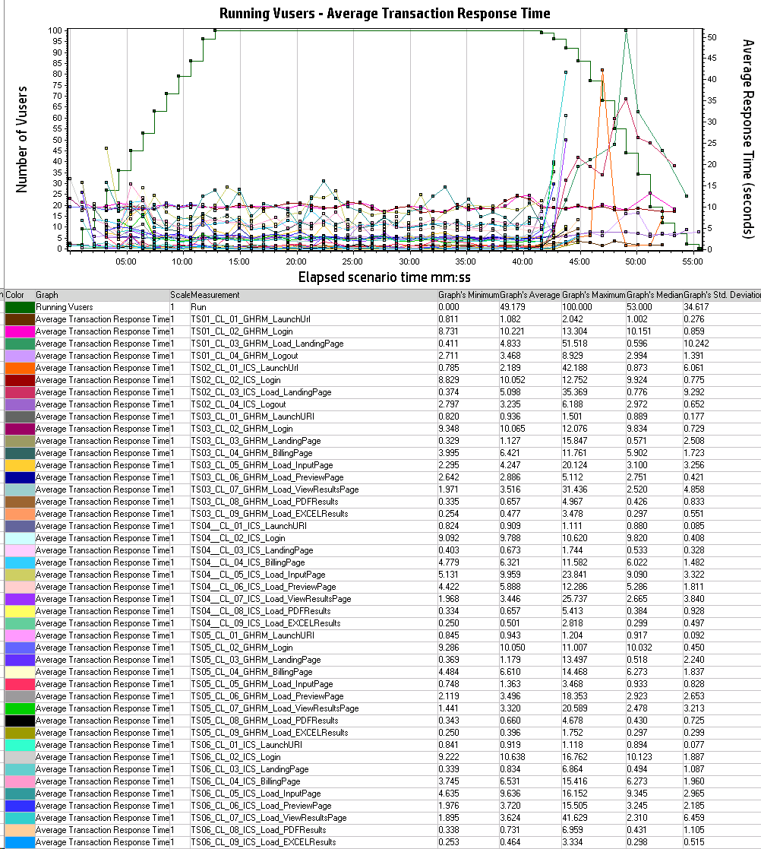

Hits Per Second vs Throughput

