CL_10Users_SoakTest_04Apr17
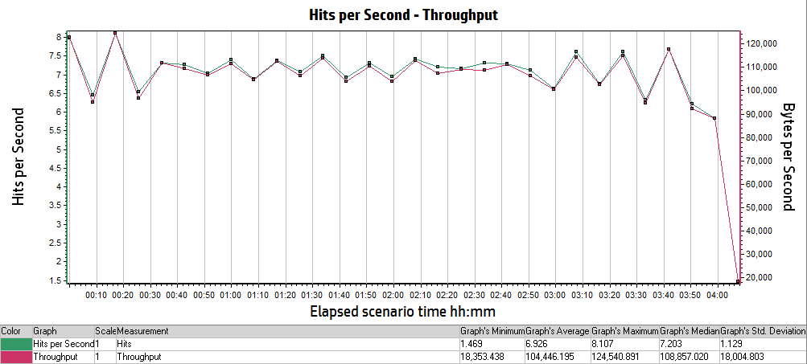
Analysis Summary | Period: 05/04/2017 05:29:47 AM EST - 05/04/2017 09:38:50 AM EST
Project Name: | RESTRICTED_TALENT
Test Name: | CL_10Users4Hrs_SoakTest_Apr2017
Controller Run Time: | 5/4/2017
Duration: | 4 hours, 9 minutes and 3 seconds

Statistics Summary
Maximum Running Vusers: | 10
Total Throughput (bytes): | 1,596,658,532
Average Throughput (bytes/second): | 106,843
Total Hits: | 105,767
Average Hits per Second: | 7.078
Total Errors: | 84

Transaction Summary
Transactions: | Total Passed: 3,865 |  | Total Failed: 21 |  | Total Stopped: 0

Transaction Name | Minimum | Average | Maximum | Std. Deviation | 90 Percent | Pass | Fail | Stop
TS01_CL_01_GHRM_LaunchUrl | 0.849 | 1.069 | 1.412 | 0.128 | 1.191 | 56 | 0 | 0
TS01_CL_02_GHRM_Login | 6.732 | 7.872 | 10.27 | 0.964 | 9.546 | 56 | 0 | 0
TS01_CL_03_GHRM_Load_LandingPage | 0.433 | 0.683 | 1.705 | 0.362 | 1.461 | 56 | 0 | 0
TS01_CL_04_GHRM_Logout | 2.693 | 4.375 | 64.863 | 8.32 | 4.212 | 54 | 2 | 0
TS02_CL_01_ICS_LaunchUrl | 0.896 | 1.1 | 1.351 | 0.118 | 1.269 | 58 | 0 | 0
TS02_CL_02_ICS_Login | 6.8 | 7.916 | 11.657 | 1.034 | 9.39 | 58 | 0 | 0
TS02_CL_03_ICS_Load_LandingPage | 0.377 | 0.846 | 7.444 | 0.97 | 1.501 | 58 | 0 | 0
TS02_CL_04_ICS_Logout | 2.695 | 3.532 | 11.989 | 1.311 | 4.388 | 55 | 3 | 0
TS03_CL_01_GHRM_LaunchURl | 0.827 | 1.125 | 2.521 | 0.202 | 1.248 | 88 | 0 | 0
TS03_CL_02_GHRM_Login | 6.712 | 8.031 | 12.69 | 1.261 | 9.469 | 88 | 0 | 0
TS03_CL_03_GHRM_LandingPage | 0.406 | 0.875 | 17.504 | 1.821 | 1.513 | 88 | 0 | 0
TS03_CL_04_GHRM_BillingPage | 3.636 | 6.056 | 13.375 | 1.628 | 7.772 | 88 | 0 | 0
TS03_CL_05_GHRM_Load_InputPage | 2.259 | 3.362 | 10.157 | 1.141 | 4.805 | 88 | 0 | 0
TS03_CL_06_GHRM_Load_PreviewPage | 2.653 | 2.874 | 3.791 | 0.176 | 3.089 | 88 | 0 | 0
TS03_CL_07_GHRM_Load_ViewResultsPage | 1.872 | 2.787 | 5.449 | 0.8 | 4.025 | 88 | 0 | 0
TS03_CL_08_GHRM_Load_PDFResults | 0.328 | 0.552 | 4.587 | 0.487 | 0.858 | 88 | 0 | 0
TS03_CL_09_GHRM_Load_EXCELResults | 0.234 | 0.422 | 5.101 | 0.55 | 0.64 | 88 | 0 | 0
TS03_CL_10_GHRM_Logout | 2.699 | 4.366 | 64.291 | 7.057 | 4.186 | 86 | 2 | 0
TS04__CL_01_ICS_LaunchURl | 0.822 | 1.076 | 1.397 | 0.135 | 1.259 | 84 | 0 | 0
TS04__CL_02_ICS_Login | 6.671 | 7.866 | 13.402 | 1.128 | 9.251 | 84 | 0 | 0
TS04__CL_03_ICS_LandingPage | 0.354 | 0.78 | 5.4 | 0.692 | 1.533 | 84 | 0 | 0
TS04__CL_04_ICS_BillingPage | 3.881 | 5.806 | 10.23 | 1.281 | 7.7 | 84 | 0 | 0
TS04__CL_05_ICS_Load_InputPage | 5.901 | 10.067 | 21.037 | 3.182 | 14.536 | 84 | 0 | 0
TS04__CL_06_ICS_Load_PreviewPage | 2.807 | 3.127 | 6.132 | 0.539 | 3.337 | 84 | 0 | 0
TS04__CL_07_ICS_Load_ViewResultsPage | 1.815 | 2.778 | 5.292 | 0.861 | 4.095 | 84 | 0 | 0
TS04__CL_08_ICS_Load_PDFResults | 0.335 | 0.49 | 1.353 | 0.234 | 0.854 | 84 | 0 | 0
TS04__CL_09_ICS_Load_EXCELResults | 0.244 | 0.338 | 1.261 | 0.165 | 0.565 | 84 | 0 | 0
TS04__CL_10_ICS_Logout | 2.692 | 3.674 | 21.698 | 2.27 | 4.221 | 80 | 4 | 0
TS05_CL_01_GHRM_LaunchURl | 0.799 | 1.039 | 1.439 | 0.12 | 1.174 | 86 | 0 | 0
TS05_CL_02_GHRM_Login | 6.692 | 8.003 | 12.856 | 1.217 | 9.81 | 86 | 0 | 0
TS05_CL_03_GHRM_LandingPage | 0.366 | 0.887 | 12.451 | 1.334 | 1.56 | 86 | 0 | 0
TS05_CL_04_GHRM_BillingPage | 4.078 | 6.187 | 8.867 | 1.184 | 8.078 | 86 | 0 | 0
TS05_CL_05_GHRM_Load_InputPage | 2.377 | 3.623 | 7.863 | 1.269 | 5.838 | 86 | 0 | 0
TS05_CL_06_GHRM_Load_PreviewPage | 0.559 | 0.872 | 3.152 | 0.46 | 1.629 | 86 | 0 | 0
TS05_CL_07_GHRM_Load_ViewResultsPage | 1.847 | 2.646 | 6.091 | 0.804 | 3.428 | 86 | 0 | 0
TS05_CL_08_GHRM_Load_PDFResults | 0.331 | 0.456 | 1.668 | 0.207 | 0.742 | 86 | 0 | 0
TS05_CL_09_GHRM_Load_EXCELResults | 0.248 | 0.377 | 1.387 | 0.24 | 0.669 | 86 | 0 | 0
TS05_CL_10_GHRM_Logout | 2.661 | 3.955 | 36.138 | 4.813 | 3.482 | 80 | 6 | 0
TS06_CL_01_ICS_LaunchURl | 0.775 | 1.052 | 1.369 | 0.126 | 1.178 | 85 | 0 | 0
TS06_CL_02_ICS_Login | 6.736 | 7.785 | 11.833 | 1.03 | 9.343 | 85 | 0 | 0
TS06_CL_03_ICS_LandingPage | 0.386 | 0.772 | 5.25 | 0.717 | 1.534 | 85 | 0 | 0
TS06_CL_04_ICS_BillingPage | 4.561 | 6.718 | 12.493 | 1.541 | 9.237 | 85 | 0 | 0
TS06_CL_05_ICS_Load_InputPage | 5.69 | 9.982 | 23.765 | 3.305 | 14.186 | 85 | 0 | 0
TS06_CL_06_ICS_Load_PreviewPage | 0.546 | 0.875 | 2.076 | 0.369 | 1.606 | 85 | 0 | 0
TS06_CL_07_ICS_Load_ViewResultsPage | 1.881 | 2.844 | 8.516 | 1.089 | 4.217 | 85 | 0 | 0
TS06_CL_08_ICS_Load_PDFResults | 0.329 | 0.473 | 1.659 | 0.259 | 0.669 | 85 | 0 | 0
TS06_CL_09_ICS_Load_EXCELResults | 0.244 | 0.337 | 1.335 | 0.175 | 0.575 | 85 | 0 | 0
TS06_CL_10_ICS_Logout | 2.693 | 3.638 | 17.675 | 1.9 | 4.604 | 81 | 4 | 0

HTTP Responses Summary
HTTP Responses | Total | Per second
HTTP_200 | 96,355 | 6.448
HTTP_301 | 436 | 0.029
HTTP_302 | 7,535 | 0.504
HTTP_303 | 457 | 0.031
HTTP_304 | 519 | 0.035
HTTP_404 | 459 | 0.031
HTTP_504 | 6 | 0

Running Vusers vs Average Transaction Response Time

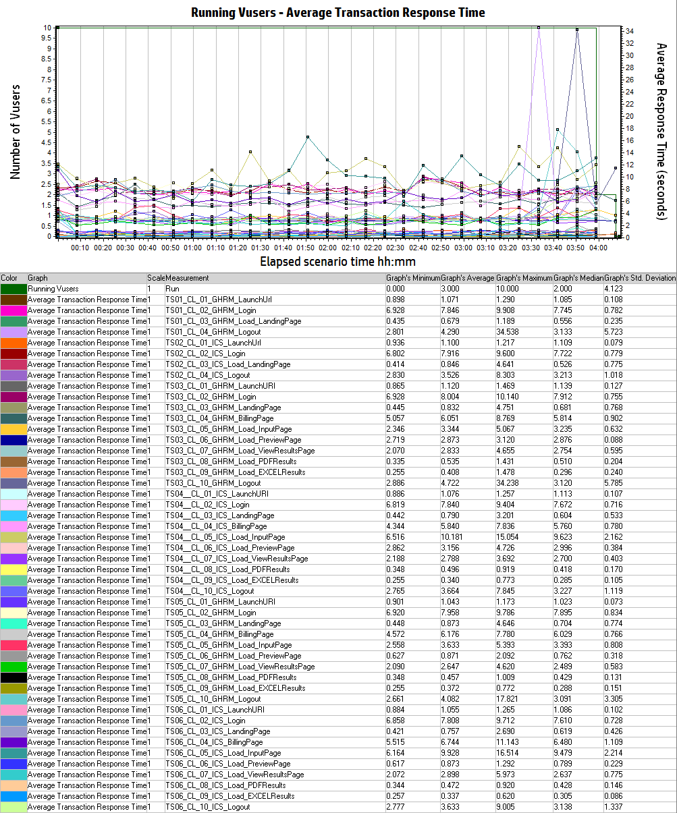

Hits Per Second vs Throughput

