CL_50Users(GHRM)_LT_05May2017
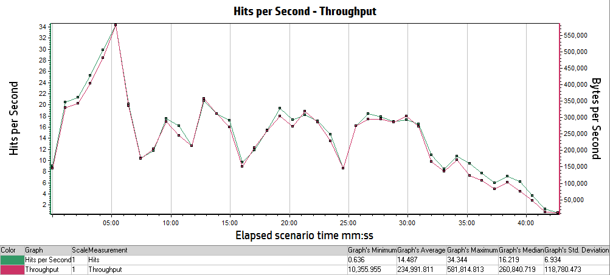
Analysis Summary | Period: 05/05/2017 03:53:38 AM EST - 05/05/2017 04:36:39 AM EST
Scenario Name: | Scenario1
Results in Session: | RESTRICTED_TALENT\RESTRICTED_TALENT
Duration: | 43 minutes and 1 second.

Statistics Summary
Maximum Running Vusers: | 50
Total Throughput (bytes): | 616,183,561
Average Throughput (bytes/second): | 238,646
Total Hits: | 37,986
Average Hits per Second: | 14.712
Total Errors: | 619

Transaction Summary
Transactions: | Total Passed: 1,586 |  | Total Failed: 6 |  | Total Stopped: 0

Transaction Name | Minimum | Average | Maximum | Std. Deviation | 90 Percent | Pass | Fail | Stop
TS01_CL_01_GHRM_LaunchUrl | 0.779 | 0.93 | 1.28 | 0.086 | 1.003 | 91 | 0 | 0
TS01_CL_02_GHRM_Login | 8.434 | 10.338 | 14.749 | 1.176 | 11.743 | 91 | 0 | 0
TS01_CL_03_GHRM_Load_LandingPage | 0.371 | 0.99 | 13.72 | 1.491 | 1.729 | 91 | 0 | 0
TS01_CL_04_GHRM_Logout | 2.647 | 3.07 | 5.877 | 0.439 | 3.271 | 85 | 6 | 0
TS03_CL_01_GHRM_LaunchURl | 0.793 | 1.078 | 3.166 | 0.603 | 1.076 | 20 | 0 | 0
TS03_CL_02_GHRM_Login | 9.176 | 10.805 | 26.578 | 3.656 | 11.1 | 20 | 0 | 0
TS03_CL_03_GHRM_LandingPage | 0.364 | 1.246 | 19.247 | 2.62 | 1.759 | 84 | 0 | 0
TS03_CL_04_GHRM_BillingPage | 3.63 | 6.376 | 10.499 | 1.444 | 8.388 | 84 | 0 | 0
TS03_CL_05_GHRM_Load_InputPage | 0.334 | 3.399 | 11.233 | 2.035 | 5.06 | 84 | 0 | 0
TS03_CL_06_GHRM_Load_PreviewPage | 0.089 | 2.24 | 7.085 | 1.319 | 3.307 | 84 | 0 | 0
TS03_CL_07_GHRM_Load_ViewResultsPage | 0.088 | 2.453 | 12.118 | 1.799 | 3.55 | 84 | 0 | 0
TS03_CL_08_GHRM_Load_PDFResults | 0.321 | 0.607 | 2.501 | 0.405 | 1.2 | 84 | 0 | 0
TS03_CL_09_GHRM_Load_EXCELResults | 0.25 | 0.499 | 2.117 | 0.368 | 0.995 | 84 | 0 | 0
TS05_CL_01_GHRM_LaunchURl | 0.817 | 0.979 | 2.304 | 0.311 | 0.997 | 20 | 0 | 0
TS05_CL_02_GHRM_Login | 9.085 | 10.708 | 25.559 | 3.455 | 10.589 | 20 | 0 | 0
TS05_CL_03_GHRM_LandingPage | 0.367 | 1.201 | 19.358 | 2.432 | 1.811 | 80 | 0 | 0
TS05_CL_04_GHRM_BillingPage | 4.547 | 6.905 | 11.355 | 1.566 | 9.152 | 80 | 0 | 0
TS05_CL_05_GHRM_Load_InputPage | 0.482 | 1.42 | 6.765 | 1.253 | 2.531 | 80 | 0 | 0
TS05_CL_06_GHRM_Load_PreviewPage | 0.307 | 3.364 | 9.054 | 1.771 | 5.805 | 80 | 0 | 0
TS05_CL_07_GHRM_Load_ViewResultsPage | 0.094 | 2.364 | 6.157 | 1.297 | 3.793 | 80 | 0 | 0
TS05_CL_08_GHRM_Load_PDFResults | 0.327 | 0.575 | 1.867 | 0.297 | 0.919 | 80 | 0 | 0
TS05_CL_09_GHRM_Load_EXCELResults | 0.244 | 0.529 | 5.311 | 0.661 | 0.98 | 80 | 0 | 0

HTTP Responses Summary
HTTP Responses | Total | Per second
HTTP_200 | 34,503 | 13.363
HTTP_301 | 85 | 0.033
HTTP_302 | 2,995 | 1.16
HTTP_303 | 131 | 0.051
HTTP_304 | 131 | 0.051
HTTP_404 | 141 | 0.055

Running Vusers vs Average Transaction Response Time

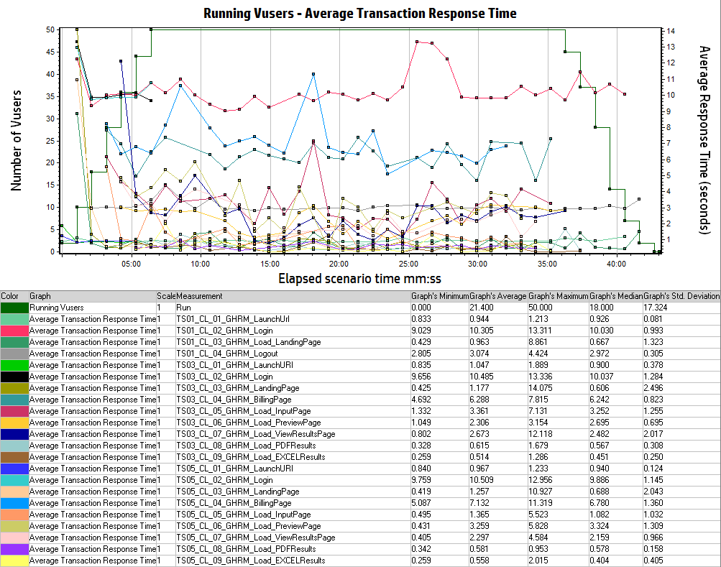

Hits Per Second vs Throughput

