CL_50(ICSUsers)_LT_05May2017
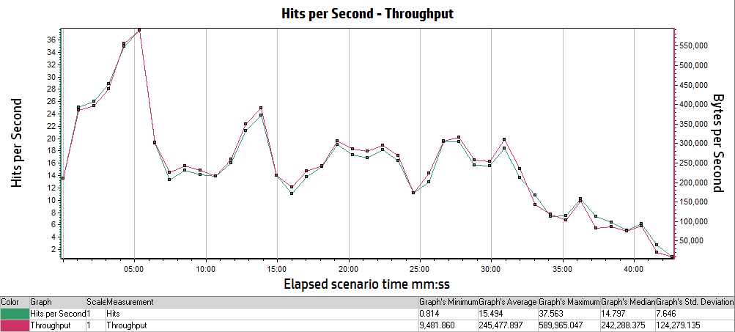
Analysis Summary | Period: 05/05/2017 05:51:10 AM EST - 05/05/2017 06:34:32 AM EST
Scenario Name: | Scenario1
Results in Session: | RESTRICTED_TALENT\RESTRICTED_TALENT
Duration: | 43 minutes and 22 seconds.

Statistics Summary
Maximum Running Vusers: | 50
Total Throughput (bytes): | 643,934,883
Average Throughput (bytes/second): | 247,382
Total Hits: | 40,639
Average Hits per Second: | 15.612
Total Errors: | 592

Transaction Summary
Transactions: | Total Passed: 1,564 |  | Total Failed: 8 |  | Total Stopped: 0

Transaction Name | Minimum | Average | Maximum | Std. Deviation | 90 Percent | Pass | Fail | Stop
TS02_CL_01_ICS_LaunchUrl | 0.772 | 1.013 | 7.832 | 0.726 | 1.018 | 93 | 0 | 0
TS02_CL_02_ICS_Login | 6.747 | 7.982 | 13.517 | 1.45 | 10.537 | 93 | 0 | 0
TS02_CL_03_ICS_Load_LandingPage | 0.371 | 0.869 | 3.477 | 0.616 | 1.639 | 93 | 0 | 0
TS02_CL_04_ICS_Logout | 2.691 | 3.02 | 5.472 | 0.332 | 3.28 | 85 | 8 | 0
TS04__CL_01_ICS_LaunchURl | 0.756 | 1.214 | 6.503 | 1.22 | 1.226 | 20 | 0 | 0
TS04__CL_02_ICS_Login | 7.529 | 8.533 | 10.314 | 0.837 | 9.855 | 20 | 0 | 0
TS04__CL_03_ICS_LandingPage | 0.372 | 1.266 | 18.499 | 2.068 | 1.785 | 80 | 0 | 0
TS04__CL_04_ICS_BillingPage | 4.285 | 7.088 | 11.793 | 1.786 | 9.298 | 80 | 0 | 0
TS04__CL_05_ICS_Load_InputPage | 4.142 | 6.415 | 22.54 | 2.981 | 10.423 | 80 | 0 | 0
TS04__CL_06_ICS_Load_PreviewPage | 4.117 | 5.919 | 11.58 | 1.328 | 7.366 | 80 | 0 | 0
TS04__CL_07_ICS_Load_ViewResultsPage | 1.95 | 3.172 | 6.552 | 0.889 | 4.4 | 80 | 0 | 0
TS04__CL_08_ICS_Load_PDFResults | 0.332 | 0.643 | 1.674 | 0.331 | 1.174 | 80 | 0 | 0
TS04__CL_09_ICS_Load_EXCELResults | 0.248 | 0.502 | 2.287 | 0.412 | 1.097 | 80 | 0 | 0
TS06_CL_01_ICS_LaunchURl | 0.811 | 0.934 | 1.243 | 0.105 | 1.051 | 20 | 0 | 0
TS06_CL_02_ICS_Login | 6.912 | 8.263 | 10.579 | 0.946 | 9.229 | 20 | 0 | 0
TS06_CL_03_ICS_LandingPage | 0.385 | 1.412 | 18.668 | 2.862 | 1.777 | 80 | 0 | 0
TS06_CL_04_ICS_BillingPage | 4.659 | 7.571 | 12.552 | 1.842 | 10.689 | 80 | 0 | 0
TS06_CL_05_ICS_Load_InputPage | 4.158 | 6.367 | 16.221 | 2.185 | 9.049 | 80 | 0 | 0
TS06_CL_06_ICS_Load_PreviewPage | 1.763 | 3.788 | 6.988 | 1.149 | 5.446 | 80 | 0 | 0
TS06_CL_07_ICS_Load_ViewResultsPage | 1.976 | 3.089 | 9.844 | 1.219 | 4.481 | 80 | 0 | 0
TS06_CL_08_ICS_Load_PDFResults | 0.334 | 0.7 | 2.86 | 0.441 | 1.35 | 80 | 0 | 0
TS06_CL_09_ICS_Load_EXCELResults | 0.245 | 0.435 | 1.825 | 0.342 | 0.868 | 80 | 0 | 0

HTTP Responses Summary
HTTP Responses | Total | Per second
HTTP_200 | 37,180 | 14.284
HTTP_301 | 85 | 0.033
HTTP_302 | 2,986 | 1.147
HTTP_303 | 133 | 0.051
HTTP_304 | 113 | 0.043
HTTP_404 | 141 | 0.054
HTTP_504 | 1 | 0

Running Vusers vs Average Transaction Response Time

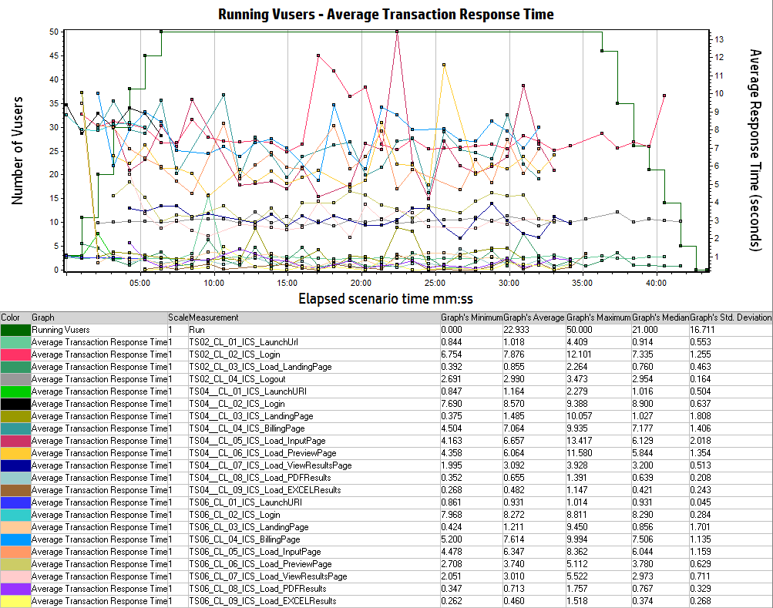

Hits Per Second vs Throughput

